multi-objective
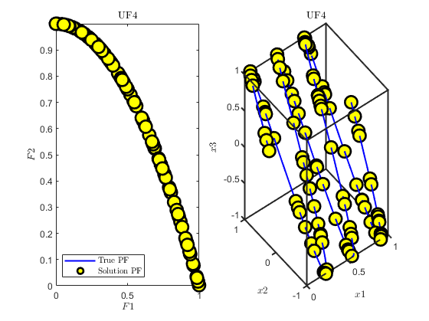
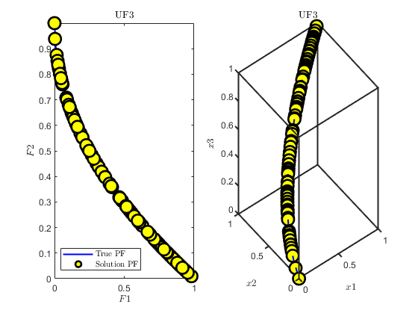
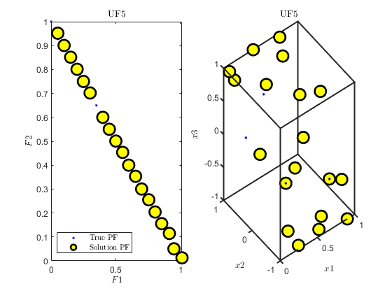
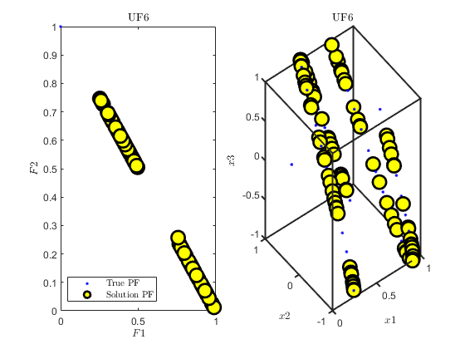
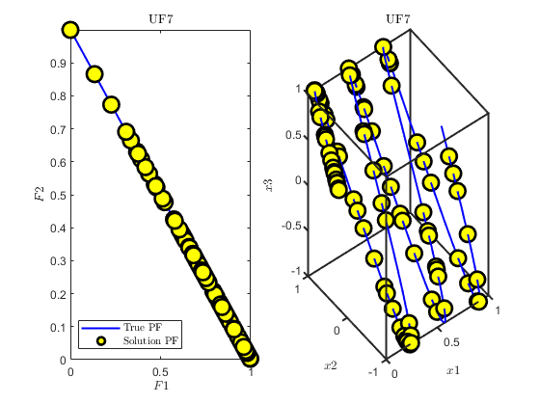
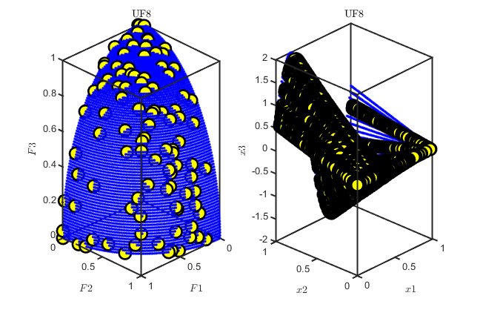
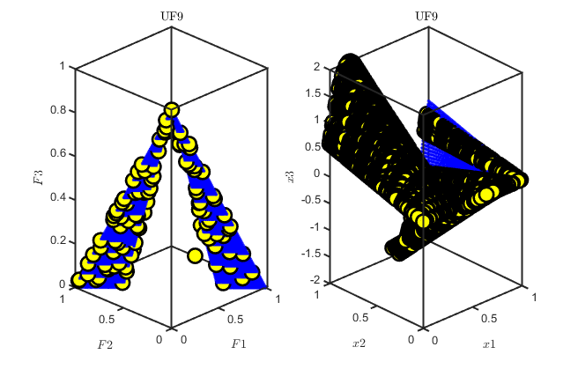
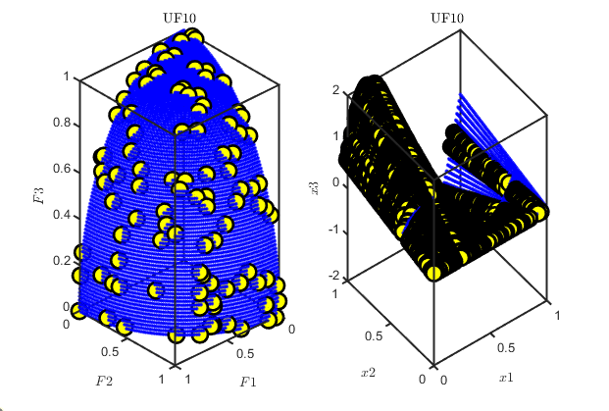
MH5N1 | Best | Median | Worst | Average | STD | SEM
ZDT1 | 1.04E-03 | 1.30E-03 | 2.26E-03 | 1.41E-03 | 6.28E-04 | 1.15E-04
ZDT2 | 8.77E-04 | 1.14E-02 | 7.34E-02 | 3.37E-02 | 7.14E-01 | 1.30E-01
ZDT3 | 2.42E-02 | 2.47E-02 | 2.59E-02 | 2.49E-02 | 3.61E-04 | 6.60E-05
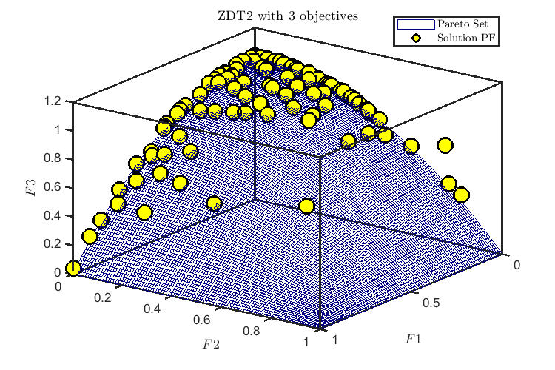
ZDT1 with | 9.38E-04 | 1.38E-03 | 5.64E-02 | 7.14E-03 | 1.47E-02 | 2.68E-03
ZDT2 with | 5.21E-03 | 7.18E-03 | 9.84E-03 | 7.04E-03 | 1.63E-03 | 2.97E-04

ZDT1 | 8.58E-04 | 1.33E-03 | 3.21E-02 | 8.04E-03 | 8.49E-03 | 1.55E-03
ZDT2 | 3.11E-02 | 1.16E-01 | 2.00E-01 | 1.26E-01 | 4.87E-02 | 8.89E-03
ZDT3 | 2.42E-02 | 2.42E-02 | 3.24E-02 | 2.83E-02 | 5.75E-03 | 4.07E-03
ZDT1 with | 9.73E-04 | 4.35E-02 | 2.15E-01 | 5.35E-02 | 5.31E-02 | 9.69E-03
ZDT2 with | 5.06E-03 | 7.21E-03 | 1.43E-02 | 7.92E-03 | 2.71E-03 | 4.94E-04

NGSA2
'ZDT1' | 6.62E-02 | 9.07E-02 | 1.28E-01 | 9.46E-02 | 1.68E-02 | 3.06E-03
'ZDT2' | 1.26E-01 | 2.17E-01 | 2.59E-01 | 2.17E-01 | 2.43E-02 | 4.44E-03
'ZDT3' | 3.33E-02 | 4.59E-02 | 6.60E-02 | 4.68E-02 | 7.72E-03 | 1.41E-03
'ZDT4' | 8.55E-02 | 1.37E-01 | 1.76E-01 | 1.38E-01 | 2.32E-02 | 4.24E-03
'ZDT5' | 1.90E-02 | 2.74E-02 | 2.94E-02 | 2.62E-02 | 2.96E-03 | 5.40E-04

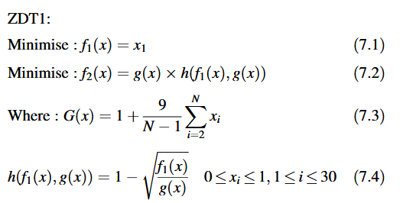
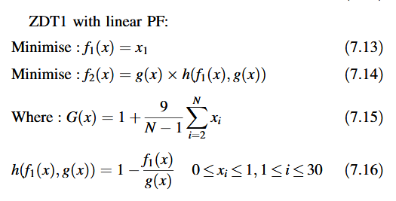

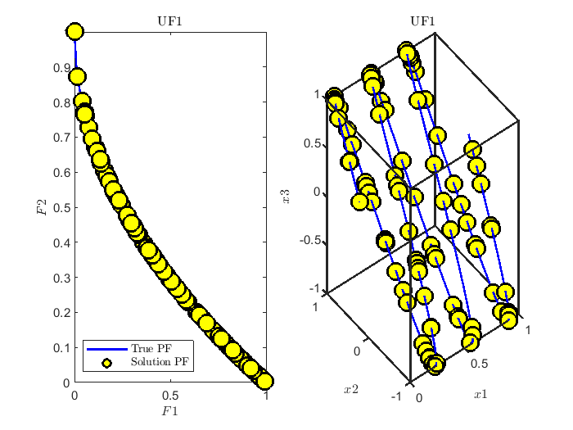
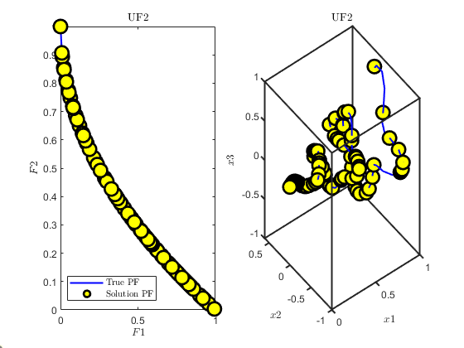
CEC2009
 | Average | Median | STD | Worst | Best | SEM
'UF1' | 1.42E-03 | 1.42E-03 | 1.30E-04 | 1.60E-03 | 1.14E-03 | 2.38E-05
'UF2' | 1.35E-03 | 1.33E-03 | 1.86E-04 | 1.75E-03 | 9.79E-04 | 3.40E-05
'UF3' | 1.47E-03 | 1.48E-03 | 1.78E-04 | 1.89E-03 | 1.07E-03 | 3.25E-05
'UF4' | 1.39E-03 | 1.39E-03 | 1.28E-04 | 1.63E-03 | 1.10E-03 | 2.33E-05
'UF5' | 1.21E-01 | 1.21E-01 | 0.00E+00 | 1.21E-01 | 1.21E-01 | 0.00E+00
'UF6' | 7.38E-02 | 7.38E-02 | 3.04E-05 | 7.39E-02 | 7.37E-02 | 5.55E-06
'UF7' | 8.74E-04 | 8.44E-04 | 1.10E-04 | 1.11E-03 | 6.71E-04 | 2.02E-05
'UF8' | 1.11E-02 | 1.11E-02 | 7.61E-05 | 1.14E-02 | 1.10E-02 | 1.39E-05
'UF9' | 1.21E-02 | 1.20E-02 | 3.03E-04 | 1.27E-02 | 1.16E-02 | 5.54E-05
'UF10' | 1.11E-02 | 1.11E-02 | 7.93E-05 | 1.13E-02 | 1.10E-02 | 1.45E-05

Real-world problem
Weld Beam
 | H5N1 | SSA | CPSO [7] | Coello and Montes [6] | WOA | CDE[4] | Coello [5] | Coello[1] | Siddall [1] | Ragsdell [3] | Deb [2]
x1 | 0.20573 | 0.20570 | 0.20237 | 0.20599 | 0.20540 | 0.20314 | 0.20880 | 0.18290 | 0.24440 | 0.24550 | 0.24890
x2 | 3.47049 | 3.47140 | 3.54421 | 3.47133 | 3.48429 | 3.54300 | 3.42050 | 4.04830 | 6.21890 | 6.19600 | 6.17300
x3 | 9.03662 | 9.03660 | 9.04821 | 9.02022 | 9.03743 | 9.03350 | 8.99750 | 9.36660 | 8.29150 | 8.27300 | 8.17890
x4 | 0.20573 | 0.20570 | 0.20572 | 0.20648 | 0.20628 | 0.20618 | 0.21000 | 0.20590 | 0.24440 | 0.24550 | -0.25330
g1 | 0.00000 | N/A | -12.83980 | -0.07409 | N/A | -44.57857 | -0.33781 | -408.73277 | -5743.50200 | -5743.82650 | -5758.60380
g2 | 0.00000 | N/A | -1.24747 | -0.26623 | N/A | -44.66353 | -353.90260 | -2105.91421 | -4.01521 | -4.71510 | -255.57690
g3 | 0.00000 | N/A | -0.00150 | -0.00050 | N/A | -0.00304 | -0.00120 | -0.02306 | 0.00000 | 0.00000 | -0.00440
g4 | -3.43298 | N/A | -3.42935 | -3.43004 | N/A | -3.42373 | -3.41187 | -3.32153 | -3.02256 | -3.02029 | -2.98287
g5 | -0.08073 | N/A | -0.07938 | -0.08099 | N/A | -0.07814 | -0.08380 | -0.05788 | -0.11940 | -0.12050 | -0.12390
g6 | -0.23554 | N/A | -0.23554 | -0.23551 | N/A | -0.23556 | -0.23565 | -0.23703 | -0.23424 | -0.23421 | -0.23416
g7 | 0.00000 | N/A | -11.68136 | -58.66644 | N/A | -38.02827 | -363.23238 | -160.58645 | -3490.46940 | -3604.27500 | -4465.27090
f(x) | 1.72485 | 1.72491 | 1.72802 | 1.72823 | 1.73050 | 1.73346 | 1.74831 | 1.82455 | 2.38154 | 2.38594 | 2.43312 | Disc break
 |  |  |  |  |  |  |  |  |  |  |  | Method | Minima | x | f
 |  |  |  |  |  |  |  |  |  |  |  | Plain stochastic | Min F1 | [62.6, 83.5, 2920.9, 11] | [1.79, 2.77]
 |  |  |  |  |  |  |  |  |  |  |  |  | Min F2 | [70.4, 106.6, 2948.4, 11] | [3.76, 2.24]
 |  |  |  |  |  |  |  |  |  |  |  | GA | Min F1 | [65.8, 86.1, 2982.4, 10] | [1.66, 2.87]
 |  |  |  |  |  |  |  |  |  |  |  |  | Min F2 | [78.7, 108.3, 2988.3, 11] | [3.25, 2.11]
 |  |  |  |  |  |  |  |  |  |  |  | Hybrid Immune-Hill Climbing algorithm (HIHC) | Min F1 | NA | [0.137, 25.87]
 |  |  |  |  |  |  |  |  |  |  |  |  | Min F2 | NA | [2.816, 2.083]
 |  |  |  |  |  |  |  |  |  |  |  | NSGA II | Min F1 | [55, 75, 2736.72, 2] | [0.1274, 16.83]
 |  |  |  |  |  |  |  |  |  |  |  |  | Min F2 | [79.99, 109.99, 2999.99, 11] | [3.3459, 2.071]
 |  |  |  |  |  |  |  |  |  |  |  | PAHS | Min F1 | [57.95, 78.57, 2736.72, 2] | [0.1274, 17.38]
 |  |  |  |  |  |  |  |  |  |  |  |  | Min F2 | [79.99, 109.99, 2999.99, 11] | [3.3459, 2.071]
 |  |  |  |  |  |  |  |  |  |  |  | MH5N1 | Min F1 | [55,75,3000,2] | [0.1274,16.6549]
 |  |  |  |  |  |  |  |  |  |  |  |  | Min F2 | [8,110,3000,11] | [2.7930;2.0710] | Spring tension
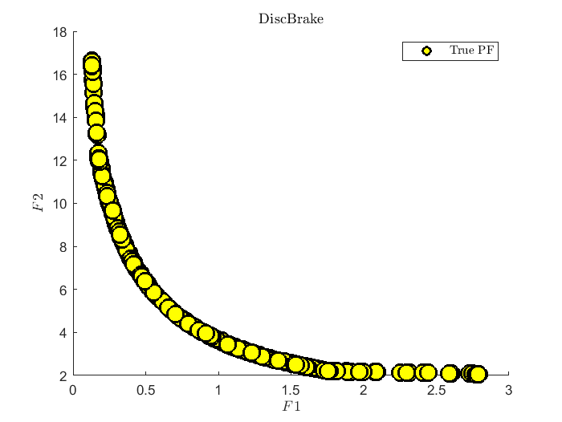
 |  |  |  |  |  |  |  |  |  |  |  |  |  |  |  |  | Optinum variables |  |  | Subject |  |  |  | Optima weight
 |  |  |  |  |  |  |  |  |  |  |  |  |  |  |  | Algorithm | x_(1)(d) | x_(2)(D) | x_(3)(P) | g_(1)(x) | g_(2)(x) | g_(3)(x) | g_(4)(x) | f(x)
 |  |  |  |  |  |  |  |  |  |  |  |  |  |  |  | H5N1 | 0.051726 | 0.357657 | 11.231553 | 0.000053 | 0.000121 | -4.056560 | -0.727078 | 0.012663
 |  |  |  |  |  |  |  |  |  |  |  |  |  |  |  | DE [6] | 0.051609 | 0.354714 | 11.410831 | N/A | N/A | N/A | N/A | 0.012670
 |  |  |  |  |  |  |  |  |  |  |  |  |  |  |  | CPSO[2] | 0.051728 | 0.357644 | 11.244543 | -0.000845 | -0.000013 | -4.051300 | -0.727090 | 0.012675
 |  |  |  |  |  |  |  |  |  |  |  |  |  |  |  | PSO[2] | 0.051728 | 0.357644 | 11.244543 | N/A | N/A | N/A | N/A | 0.012675
 |  |  |  |  |  |  |  |  |  |  |  |  |  |  |  | SSA[1] | 0.051207 | 0.345215 | 12.004032 | N/A | N/A | N/A | N/A | 0.012676
 |  |  |  |  |  |  |  |  |  |  |  |  |  |  |  | Coello and Montes [5] | 0.051989 | 0.363965 | 10.890522 | -0.000013 | -0.000021 | -4.061338 | -0.722698 | 0.012681
 |  |  |  |  |  |  |  |  |  |  |  |  |  |  |  | GSA[1] | 0.050276 | 0.323680 | 13.525410 | N/A | N/A | N/A | N/A | 0.012702
 |  |  |  |  |  |  |  |  |  |  |  |  |  |  |  | Coello [4] | 0.051480 | 0.351661 | 11.632201 | -0.002080 | -0.000110 | -4.026318 | -4.026318 | 0.012705
 |  |  |  |  |  |  |  |  |  |  |  |  |  |  |  | Kannan [3] | 0.050000 | 0.315900 | 14.250000 | -0.000014 | -0.003782 | -3.938302 | -0.756067 | 0.012833 | Results of the comparative algorithms for solving the pressure vessel design problem.
 |  |  |  |  |  |  |  |  |  |  |  |  |  |  |  |  |  |  |  |  |  |  |  |  | Algorithm | Optimal values for variables |  |  |  | Best Subjects |  |  |  | Optimal cost
 |  |  |  |  |  |  |  |  |  |  |  |  |  |  |  |  |  |  |  |  |  |  |  |  |  | T_(s) | T_(h) | R | L | g1 | g2 | g3 | g4 | f(x)
 |  |  |  |  |  |  |  |  |  |  |  |  |  |  |  |  |  |  |  |  |  |  |  |  | H5N1 | 0.78058 | 0.38635 | 40.43444 | 198.42283 | -0.00019 | -0.00060 | -77.53741 | -41.57717 | 5892.58762
 |  |  |  |  |  |  |  |  |  |  |  |  |  |  |  |  |  |  |  |  |  |  |  |  | AOA | 0.83037 | 0.41621 | 42.75127 | 169.34540 | N/A | N/A | N/A | N/A | 6048.78440
 |  |  |  |  |  |  |  |  |  |  |  |  |  |  |  |  |  |  |  |  |  |  |  |  | HPSO [62] | 0.81250 | 0.43750 | 42.09845 | 176.63660 | N/A | N/A | N/A | N/A | 6059.71433
 |  |  |  |  |  |  |  |  |  |  |  |  |  |  |  |  |  |  |  |  |  |  |  |  | CDE [52] | 0.81250 | 0.43750 | 42.09841 | 176.63769 | N/A | N/A | N/A | N/A | 6059.73400
 |  |  |  |  |  |  |  |  |  |  |  |  |  |  |  |  |  |  |  |  |  |  |  |  | WOA [55] | 0.81250 | 0.43750 | 42.09827 | 176.63900 | N/A | N/A | N/A | N/A | 6059.74100
 |  |  |  |  |  |  |  |  |  |  |  |  |  |  |  |  |  |  |  |  |  |  |  |  | This paper | 0.81250 | 0.43750 | 42.09740 | 176.65405 | -0.00002 | -0.03589 | -27.88608 | -63.34595 | 6059.94634
 |  |  |  |  |  |  |  |  |  |  |  |  |  |  |  |  |  |  |  |  |  |  |  |  | This paper | 0.87500 | 0.50000 | 42.09390 | 177.08050 | -0.00009 | -0.03592 | -2156.83649 | -62.91951 | 6069.32670
 |  |  |  |  |  |  |  |  |  |  |  |  |  |  |  |  |  |  |  |  |  |  |  |  | GeneAS [10] | 0.93750 | 0.50000 | 48.32900 | 112.67900 | -0.00475 | -0.03894 | -3652.87684 | -127.32100 | 6410.38110
 |  |  |  |  |  |  |  |  |  |  |  |  |  |  |  |  |  |  |  |  |  |  |  |  | HS [59] | 1.12500 | 0.62500 | 58.29015 | 43.69268 | 0.00000 | -0.06891 | -2.01500 | -196.30700 | 7197.73000
 |  |  |  |  |  |  |  |  |  |  |  |  |  |  |  |  |  |  |  |  |  |  |  |  | Kannan [21] | 1.12500 | 0.62500 | 58.29100 | 43.69000 | 0.00002 | -0.06890 | -21.22010 | -196.31000 | 7198.04280
 |  |  |  |  |  |  |  |  |  |  |  |  |  |  |  |  |  |  |  |  |  |  |  |  | Branch-bound [61] | 1.12500 | 0.62500 | 48.97000 | 106.72000 | 0.17900 | 0.15780 | 3.00000 | 133.28400 | 7982.50000
 |  |  |  |  |  |  |  |  |  |  |  |  |  |  |  |  |  |  |  |  |  |  |  |  | Sandgren [32] | 1.12500 | 0.62500 | 47.70000 | 117.70100 | -0.20439 | -0.16994 | 54.22601 | -122.29900 | 8129.10360 | Cantilever stepped beam
 |  |  |  |  |  |  |  |  |  |  |  |  |  |  |  |  |  |  |  |  |  |  |  |  |  |  |  |  |  |  |  |  |  |  | Algorithm | H5N1 | ADEA | dBA [2] | PSGA [6]https://sci-hub.hkvisa.net/10.1007/s10589-014-9637-0 | SR:https://sci-hub.hkvisa.net/10.1109/CEC.2008.4630985 | GA [3] | GA [8] | BA
 |  |  |  |  |  |  |  |  |  |  |  |  |  |  |  |  |  |  |  |  |  |  |  |  |  |  |  |  |  |  |  |  |  |  | x_(1) | 3.05649 | 3.05770 | 3.04668 | 3.00000 | 3.10321 | 3.00000 | 3.00000 | 3.43593
 |  |  |  |  |  |  |  |  |  |  |  |  |  |  |  |  |  |  |  |  |  |  |  |  |  |  |  |  |  |  |  |  |  |  | x_(2) | 61.12975 | 61.15460 | 60.93361 | 60.00000 | 60.29433 | 60.00000 | 60.00000 | 56.98366
 |  |  |  |  |  |  |  |  |  |  |  |  |  |  |  |  |  |  |  |  |  |  |  |  |  |  |  |  |  |  |  |  |  |  | x_(3) | 2.81437 | 2.81330 | 2.81981 | 3.10000 | 2.79583 | 3.10000 | 3.10000 | 3.01897
 |  |  |  |  |  |  |  |  |  |  |  |  |  |  |  |  |  |  |  |  |  |  |  |  |  |  |  |  |  |  |  |  |  |  | x_(4) | 56.28738 | 56.26530 | 56.39611 | 55.00000 | 55.87571 | 55.00000 | 55.00000 | 54.81524
 |  |  |  |  |  |  |  |  |  |  |  |  |  |  |  |  |  |  |  |  |  |  |  |  |  |  |  |  |  |  |  |  |  |  | x_(5) | 2.52386 | 2.52360 | 2.52973 | 2.60000 | 2.56392 | 2.60000 | 2.60000 | 2.79102
 |  |  |  |  |  |  |  |  |  |  |  |  |  |  |  |  |  |  |  |  |  |  |  |  |  |  |  |  |  |  |  |  |  |  | x_(6) | 50.47711 | 50.47170 | 50.59009 | 50.00000 | 51.26774 | 50.00000 | 50.00000 | 51.81262
 |  |  |  |  |  |  |  |  |  |  |  |  |  |  |  |  |  |  |  |  |  |  |  |  |  |  |  |  |  |  |  |  |  |  | x_(7) | 2.20457 | 2.20460 | 2.20516 | 2.28866 | 2.24726 | 2.28370 | 2.30820 | 4.55338
 |  |  |  |  |  |  |  |  |  |  |  |  |  |  |  |  |  |  |  |  |  |  |  |  |  |  |  |  |  |  |  |  |  |  | x_(8) | 44.09142 | 44.09111 | 44.10232 | 45.61715 | 44.13850 | 45.55070 | 45.04880 | 36.22565
 |  |  |  |  |  |  |  |  |  |  |  |  |  |  |  |  |  |  |  |  |  |  |  |  |  |  |  |  |  |  |  |  |  |  | x_(9) | 1.74976 | 1.74980 | 1.74976 | 1.74982 | 1.79172 | 1.75320 | 1.81180 | 1.71773
 |  |  |  |  |  |  |  |  |  |  |  |  |  |  |  |  |  |  |  |  |  |  |  |  |  |  |  |  |  |  |  |  |  |  | x_(10) | 34.99509 | 34.99510 | 34.99514 | 34.99622 | 34.80139 | 35.06310 | 34.46260 | 35.32845
 |  |  |  |  |  |  |  |  |  |  |  |  |  |  |  |  |  |  |  |  |  |  |  |  |  |  |  |  |  |  |  |  |  |  | g_(1) | -0.00333 | -0.31175 | -0.00328 | -1.38360 | -175.00000 | -81.60450 | -58.32610 | -6.79000
 |  |  |  |  |  |  |  |  |  |  |  |  |  |  |  |  |  |  |  |  |  |  |  |  |  |  |  |  |  |  |  |  |  |  | g_(2) | -0.29405 | -0.27259 | -10.90000 | -1358.60000 | -295.00000 | -1337.40000 | -1191.10000 | -3960.00000
 |  |  |  |  |  |  |  |  |  |  |  |  |  |  |  |  |  |  |  |  |  |  |  |  |  |  |  |  |  |  |  |  |  |  | g_(3) | -4.48655 | -0.06160 | -99.20000 | -153.84620 | -645.00000 | -153.84620 | -153.84620 | -1990.00000
 |  |  |  |  |  |  |  |  |  |  |  |  |  |  |  |  |  |  |  |  |  |  |  |  |  |  |  |  |  |  |  |  |  |  | g_(4) | -542.07829 | -526.39000 | -620.00000 | -1203.40000 | -252.00000 | -1203.40000 | -1203.40000 | -771.00000
 |  |  |  |  |  |  |  |  |  |  |  |  |  |  |  |  |  |  |  |  |  |  |  |  |  |  |  |  |  |  |  |  |  |  | g_(5) | -867.02566 | -882.89000 | -740.00000 | -111.11110 | -704.00000 | -111.11110 | -111.11110 | -555.00000
 |  |  |  |  |  |  |  |  |  |  |  |  |  |  |  |  |  |  |  |  |  |  |  |  |  |  |  |  |  |  |  |  |  |  | g_(6) | 0.00000 | -0.00001 | 0.00000 | 0.00000 | 0.00000 | 0.00000 | 0.00990 | -0.05160
 |  |  |  |  |  |  |  |  |  |  |  |  |  |  |  |  |  |  |  |  |  |  |  |  |  |  |  |  |  |  |  |  |  |  | g_(7) | -0.00001 | 0.00019 | -0.00003 | 0.00000 | -1.77000 | 0.00000 | 0.00000 | -11.70000
 |  |  |  |  |  |  |  |  |  |  |  |  |  |  |  |  |  |  |  |  |  |  |  |  |  |  |  |  |  |  |  |  |  |  | g_(8) | 0.00000 | -0.00025 | -0.00001 | -2.25810 | -0.04080 | -2.25810 | -2.25810 | -5.56000
 |  |  |  |  |  |  |  |  |  |  |  |  |  |  |  |  |  |  |  |  |  |  |  |  |  |  |  |  |  |  |  |  |  |  | g_(9) | -0.00001 | -0.00012 | -0.00442 | -0.76920 | -0.01060 | -0.76920 | -0.76920 | -4.01000
 |  |  |  |  |  |  |  |  |  |  |  |  |  |  |  |  |  |  |  |  |  |  |  |  |  |  |  |  |  |  |  |  |  |  | g_(10) | 0.00000 | -0.00041 | -0.00086 | -0.00007 | -0.80700 | -0.05400 | -0.48310 | -54.80000
 |  |  |  |  |  |  |  |  |  |  |  |  |  |  |  |  |  |  |  |  |  |  |  |  |  |  |  |  |  |  |  |  |  |  | g_(11) | -0.00010 | -0.00051 | -0.00002 | -0.00013 | -1.03000 | -0.05400 | -0.97880 | 0.97400
 |  |  |  |  |  |  |  |  |  |  |  |  |  |  |  |  |  |  |  |  |  |  |  |  |  |  |  |  |  |  |  |  |  |  | f(x) | 63108.87218 | 63109.16300 | 63113.61000 | 64578.37434 | 63631.55000 | 64599.65000 | 64691.98000 | 74125.97000 | Threebar truss
 |  |  |  |  |  |  |  |  |  |  |  |  |  |  |  |  |  |  |  |  |  |  |  |  |  |  |  |  |  |  |  |  |  |  |  |  |  |  |  |  |  |  |  |  | Optimal values for variables |  | Best Subjects |  |  | Optimal Cost
 |  |  |  |  |  |  |  |  |  |  |  |  |  |  |  |  |  |  |  |  |  |  |  |  |  |  |  |  |  |  |  |  |  |  |  |  |  |  |  |  |  |  |  | Algorithm | x_(1) | x_(2) | g_(1) | g_(2) | g_(3) | f(x)
 |  |  |  |  |  |  |  |  |  |  |  |  |  |  |  |  |  |  |  |  |  |  |  |  |  |  |  |  |  |  |  |  |  |  |  |  |  |  |  |  |  |  |  | H5N1 | 0.78841447449 | 0.40811579552 | 0.00065938120534 | -1.4639225953 | -0.53541802351 | 263.8523464
 |  |  |  |  |  |  |  |  |  |  |  |  |  |  |  |  |  |  |  |  |  |  |  |  |  |  |  |  |  |  |  |  |  |  |  |  |  |  |  |  |  |  |  | PSO-DE | 0.7886751 | 0.4082482 | -5.29 E-11 | -1.4637475 | -0.5362524 | 263.8958433
 |  |  |  |  |  |  |  |  |  |  |  |  |  |  |  |  |  |  |  |  |  |  |  |  |  |  |  |  |  |  |  |  |  |  |  |  |  |  |  |  |  |  |  | SSA | 0.7886654 | 0.4082758 | N/A | N/A | N/A | 263.8958434
 |  |  |  |  |  |  |  |  |  |  |  |  |  |  |  |  |  |  |  |  |  |  |  |  |  |  |  |  |  |  |  |  |  |  |  |  |  |  |  |  |  |  |  | DEDS | 0.7886751 | 0.4082483 | 0.0000000 | -1.4641016 | -0.5358984 | 263.8958434
 |  |  |  |  |  |  |  |  |  |  |  |  |  |  |  |  |  |  |  |  |  |  |  |  |  |  |  |  |  |  |  |  |  |  |  |  |  |  |  |  |  |  |  | Ray | 0.7886210 | 0.4084013 | N/A | N/A | N/A | 263.8958466
 |  |  |  |  |  |  |  |  |  |  |  |  |  |  |  |  |  |  |  |  |  |  |  |  |  |  |  |  |  |  |  |  |  |  |  |  |  |  |  |  |  |  |  | MBA | 0.7885650 | 0.4085597 | -5.29 E-11 | -1.4637475 | -0.5362524 | 263.8958522
 |  |  |  |  |  |  |  |  |  |  |  |  |  |  |  |  |  |  |  |  |  |  |  |  |  |  |  |  |  |  |  |  |  |  |  |  |  |  |  |  |  |  |  | Ray \& Saini | 0.7950000 | 0.3950000 | N/A | N/A | N/A | 264.3000000

Wilcoxon rank-sum test
 |  |  |  |  |  | thống kê | null hypothesis
 | F5 |  |  | F1 |  | Wilcoxon rank-sum test
 | H5N1 | AOA | CS | CS | Matlab | ranksum(x,y)
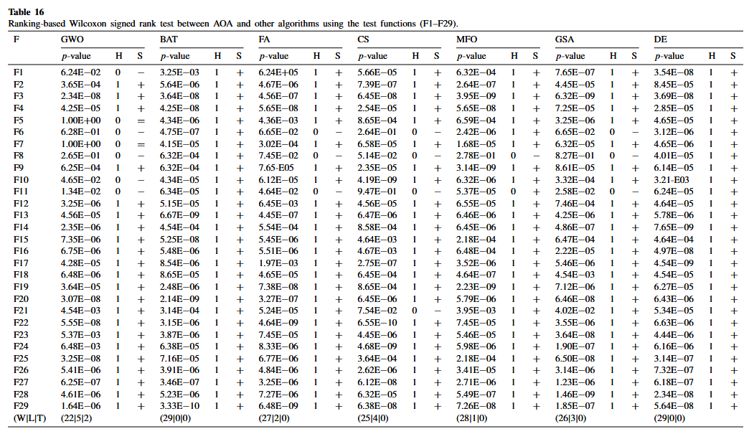
1 | 5.1911359851 | 6.807963316 | 89.433568341 | 0.57996207787
2 | 5.5020505768 | 6.7504905222 | 145.64948398 | 1.7211786527
3 | 5.2204007281 | 6.5290312595 | 21.900275225 | 0.83547515768
4 | 5.2748551729 | 6.5505828715 | 58.604638437 | 0.93513460987
5 | 4.8991027937 | 6.3376640286 | 75.799867898 | 1.0593562348
6 | 5.23727772 | 6.9722141887 | 75.76014619 | 1.4656292237
7 | 4.9718640834 | 7.145456524 | 60.908181528 | 1.5280903264
8 | 5.3876708389 | 6.0461326178 | 92.09666372 | 1.5009502083
9 | 4.9833288594 | 6.2311248864 | 63.83913422 | 0.57478062054
10 | 5.1877107989 | 6.5838646283 | 110.77020827 | 1.3894938761
11 | 5.2163957008 | 6.4581762745 | 36.761434404 | 1.3615638577
12 | 5.179463156 | 6.8552508591 | 53.724505184 | 0.54285169633
13 | 4.4337210197 | 7.4565885616 | 69.043593344 | 1.4087435324
14 | 4.4167627572 | 6.349913452 | 114.78609887 | 0.80837986909
15 | 4.4097793317 | 6.8572321677 | 213.66378376 | 0.98471841683
16 | 5.2000557737 | 6.7440575381 | 175.88891031 | 0.85543572349
17 | 5.1042363676 | 6.9509292582 | 40.612953617 | 0.96071916465
18 | 4.8956417297 | 6.5896183542 | 53.600381924 | 0.39551147017
19 | 4.868589046 | 5.7334304579 | 35.641362053 | 0.30393180644
20 | 4.8085574819 | 6.4238367856 | 40.417653594 | 1.6049322626
21 | 4.9235388893 | 7.0042657668 | 197.29426568 | 0.81686110001
22 | 4.7865096806 | 6.7504793426 | 399.95287945 | 0.99229065888
23 | 5.2528472842 | 6.3903710015 | 95.509866875 | 1.5391874372
24 | 5.8947836489 | 6.0171914985 | 67.239372623 | 0.37460364086
25 | 5.0531809433 | 6.8401584341 | 146.24510238 | 0.4337577142
26 | 4.4295537851 | 6.6528858963 | 76.03258504 | 2.4510921522
27 | 4.6761526302 | 6.9701756586 | 50.102168811 | 0.62990625049
28 | 4.981559874 | 6.6640833142 | 86.423926194 | 1.6861448893
29 | 5.3879763628 | 6.587848658 | 198.07147568 | 0.29185963928
30 | 4.9644256881 | 6.8936468031 | 88.806304155 | 1.3192033658
 | N/A | 3.34E-11 | 3.02E-11

