CQS-Benchmark_Toy
Experiment Result Benchmark 3: Loss and Depth (Correct)
Description: Benchmark 3: CQS works with shot frugal method.
Parameters:
Dimension of A | Shots Budget | Number of Decomposition Terms | Expected Error
2^5 | 5*10^4 | 3 | <=0.1
Qubits are tagged as: ['Q0', 'Q1', 'Q2', 'Q3', 'Q4'] Coefficients of the terms are: [1, 0.2, 0.2] Decomposed unitaries are: [[['I', 'I', 'I', 'I', 'I']], [['X', 'Z', 'I', 'I', 'I']], [['X', 'I', 'Z', 'I', 'I']]]
Tree Depth / Iter | Loss (Hadamard Test with Shot Frugal Method) | Loss (Hadamard Test) | Loss (Matrix Multiplication)
1.00 | 0.14 | 0.12 | 0.14
2.00 | 0.05 | 0.18 | 0.00
3.00 | 0.01 | 0.31 | 0.00

Overall Shots | 5*10^4
Percentage | 0.40 | 0.40 | 0.20
Iter | Calculation of the Matrix Q and r | Loss Function | Gradient Expansion | Total Budget Each Iteration
1.00 | 1428.00 | 1428.00 | 715.00 | 3571.00
2.00 | 5714.00 | 5714.00 | 2857.00 | 14285.00
3.00 | 12857.00 | 12857.00 | 6428.00 | 32142.00

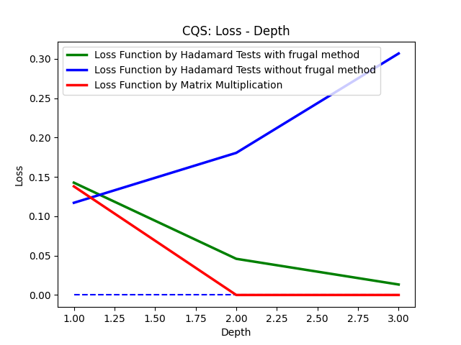

Comments: 1. This is a benchmark for the shot frugal method.

Dimension of A | Shots Budget | Number of Decomposition Terms | Expected Error
2^5 | 10^6 | 3 | <=0.1
Qubits are tagged as: ['Q0', 'Q1', 'Q2', 'Q3', 'Q4'] Coefficients of the terms are: [1, 0.2, 0.2] Decomposed unitaries are: [[['I', 'I', 'I', 'I', 'I']], [['X', 'Z', 'I', 'I', 'I']], [['X', 'I', 'Z', 'I', 'I']]]
Tree Depth / Iter | Loss (Hadamard Test with Shot Frugal Method) | Loss (Hadamard Test) | Loss (Matrix Multiplication)
1.00 | 0.14 | 0.12 | 0.14
2.00 | 0.02 | 0.02 | 0.00
3.00 | 0.01 | 0.03 | 0.00

Overall Shots | 10^6
Percentage | 0.40 | 0.40 | 0.20
Iter | Calculation of the Matrix Q and r | Loss Function | Gradient Expansion | Total Budget Each Iteration
1.00 | 28571.00 | 28571.00 | 14286.00 | 71428.00
2.00 | 114285.00 | 114285.00 | 57144.00 | 285712.00
3.00 | 257142.00 | 257142.00 | 128573.00 | 642852.00

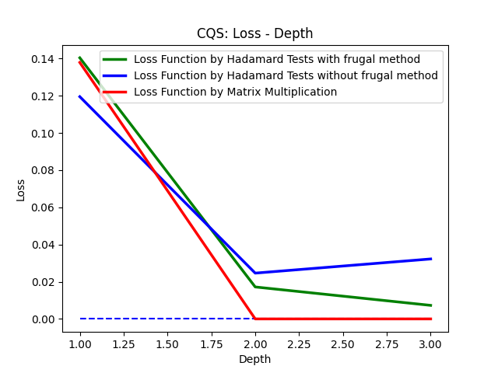

Comments: 1. This is a benchmark for the shot frugal method.

Parameters:
Dimension of A | Shots Budget | Number of Decomposition Terms | Expected Error
2^5 | 10^8 | 3 | <=0.1
Qubits are tagged as: ['Q0', 'Q1', 'Q2', 'Q3', 'Q4'] Coefficients of the terms are: [1, 0.2, 0.2] Decomposed unitaries are: [[['I', 'I', 'I', 'I', 'I']], [['X', 'Z', 'I', 'I', 'I']], [['X', 'I', 'Z', 'I', 'I']]]
Tree Depth / Iter | Loss (Hadamard Test with Shot Frugal Method) | Loss (Hadamard Test) | Loss (Matrix Multiplication)
1.00 | 0.14 | 0.14 | 0.14
2.00 | 0.00 | 0.00 | 0.00
3.00 | 0.00 | 0.01 | 0.00

Overall Shots | 10^8
Percentage | 0.40 | 0.40 | 0.20
Iter | Calculation of the Matrix Q and r | Loss Function | Gradient Expansion | Total Budget Each Iteration
1.00 | 2857142.00 | 2857142.00 | 1428573.00 | 7142857.00
2.00 | 11428571.00 | 11428571.00 | 5714286.00 | 28571428.00
3.00 | 25714285.00 | 25714285.00 | 12857144.00 | 64285714.00

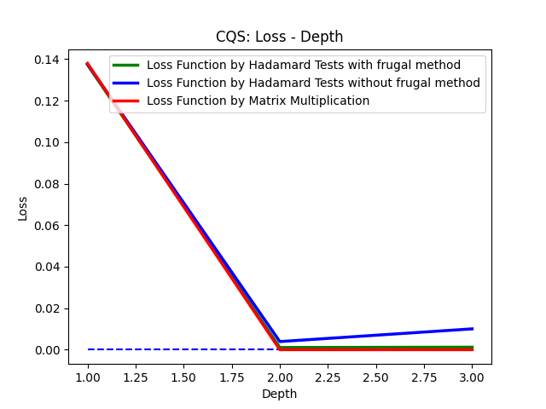

Comments: 1. This is a benchmark for the shot frugal method.

Dimension of A | Shots Budget | Number of Decomposition Terms | Expected Error
2^5 | 10^10 | 3 | <=0.1
Qubits are tagged as: ['Q0', 'Q1', 'Q2', 'Q3', 'Q4'] Coefficients of the terms are: [1, 0.2, 0.2] Decomposed unitaries are: [[['I', 'I', 'I', 'I', 'I']], [['X', 'Z', 'I', 'I', 'I']], [['X', 'I', 'Z', 'I', 'I']]]
Tree Depth / Iter | Loss (Hadamard Test with Shot Frugal Method) | Loss (Hadamard Test) | Loss (Matrix Multiplication)
1.00 | 0.14 | 0.14 | 0.14
2.00 | 0.00 | 0.00 | 0.00
3.00 | 0.00 | 0.00 | 0.00

Overall Shots | 10^10
Percentage | 0.40 | 0.40 | 0.20
Iter | Calculation of the Matrix Q and r | Loss Function | Gradient Expansion | Total Budget Each Iteration
1.00 | 285714285.00 | 285714285.00 | 142857144.00 | 714285714.00
2.00 | 1142857142.00 | 1142857142.00 | 571428573.00 | 2857142857.00
3.00 | 2571428571.00 | 2571428571.00 | 1285714286.00 | 6428571428.00
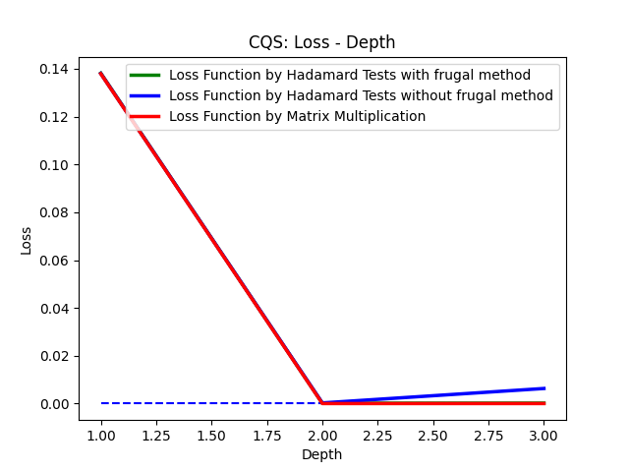

Comments: 1. This is a benchmark for the shot frugal method.

CQS-Benchmark_Large
Experiment Result Benchmark 2: Loss and Depth (Correct)
Description: Benchmark 2: CQS works with shot frugal method.
Parameters:
Dimension of A | Shots Budget | Number of Decomposition Terms | Expected Error
2^5 | 10^6 | 4 | <=0.1
Qubits are tagged as: ['Q0', 'Q1', 'Q2', 'Q3', 'Q4'] Coefficients of the terms are: [0.3582017357918057, 0.011037169750027553, -0.9186265152730448, -0.9868868734050515] Decomposed unitaries are: [[['I', 'Y', 'X', 'I', 'Y']], [['Z', 'X', 'Y', 'X', 'I']], [['X', 'X', 'Z', 'I', 'X']], [['Z', 'I', 'X', 'Z', 'Z']]]
Tree Depth / Iter | Loss (Hadamard Test with Shot Frugal Method) | Loss (Hadamard Test) | Loss (Matrix Multiplication)
1.00 | 1.00 | 1.01 | 1.00
2.00 | 0.54 | 0.49 | 0.50
3.00 | 0.56 | 0.96 | 0.50
4.00 | 0.26 | 0.66 | 0.07
5.00 | 0.27 | 0.53 | 0.07
6.00 | 0.15 | 0.78 | 0.07
7.00 | 0.20 | 1.75 | 0.07

Overall Shots | 10^6
Percentage | 0.40 | 0.40 | 0.20
Iter | Calculation of the Matrix Q and r | Loss Function | Gradient Expansion | Total Budget Each Iteration
1.00 | 2857.00 | 2857.00 | 1428.00 | 7142.00
2.00 | 11428.00 | 11428.00 | 5715.00 | 28571.00
3.00 | 25714.00 | 25714.00 | 12857.00 | 64285.00
4.00 | 45714.00 | 45714.00 | 22857.00 | 114285.00
5.00 | 71428.00 | 71428.00 | 35715.00 | 178571.00
6.00 | 102857.00 | 102857.00 | 51428.00 | 257142.00
7.00 | 140000.00 | 140000.00 | 70000.00 | 350000.00

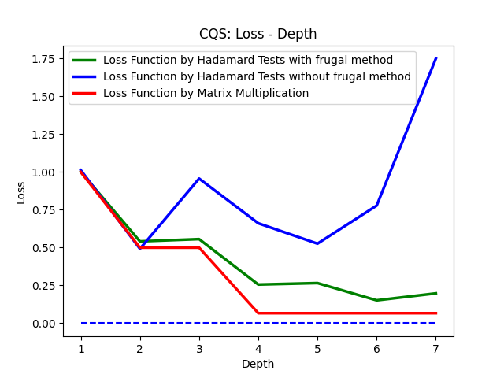

Comments: 1. This is a benchmark for the shot frugal method.

Parameters:
Dimension of A | Shots Budget | Number of Decomposition Terms | Expected Error
2^5 | 4*10^5 | 4 | <=0.1
Qubits are tagged as: ['Q0', 'Q1', 'Q2', 'Q3', 'Q4'] Coefficients of the terms are: [0.3582017357918057, 0.011037169750027553, -0.9186265152730448, -0.9868868734050515] Decomposed unitaries are: [[['I', 'Y', 'X', 'I', 'Y']], [['Z', 'X', 'Y', 'X', 'I']], [['X', 'X', 'Z', 'I', 'X']], [['Z', 'I', 'X', 'Z', 'Z']]]
Tree Depth / Iter | Loss (Hadamard Test with Shot Frugal Method) | Loss (Hadamard Test) | Loss (Matrix Multiplication)
1.00 | 1.00 | 1.00 | 1.00
2.00 | 0.48 | 0.46 | 0.50
3.00 | 0.54 | 0.74 | 0.50
4.00 | 0.11 | 0.29 | 0.07

Overall Shots | 10^6
Percentage | 0.40 | 0.40 | 0.20
Iter | Calculation of the Matrix Q and r | Loss Function | Gradient Expansion | Total Budget Each Iteration
1.00 | 5333.00 | 5333.00 | 2667.00 | 13333.00
2.00 | 21333.00 | 21333.00 | 10667.00 | 53333.00
3.00 | 48000.00 | 48000.00 | 24000.00 | 120000.00
4.00 | 85333.00 | 85333.00 | 42667.00 | 213333.00

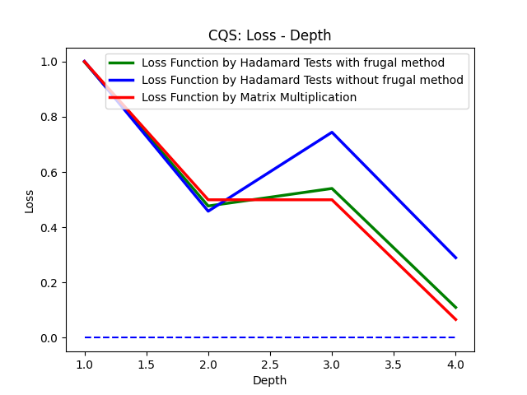

Comments: 1. This is a benchmark for the shot frugal method.

Parameters:
Dimension of A | Shots Budget | Number of Decomposition Terms | Expected Error
2^5 | 10^6 | 4 | <=0.1
Qubits are tagged as: ['Q0', 'Q1', 'Q2', 'Q3', 'Q4'] Coefficients of the terms are: [0.3582017357918057, 0.011037169750027553, -0.9186265152730448, -0.9868868734050515] Decomposed unitaries are: [[['I', 'Y', 'X', 'I', 'Y']], [['Z', 'X', 'Y', 'X', 'I']], [['X', 'X', 'Z', 'I', 'X']], [['Z', 'I', 'X', 'Z', 'Z']]]
Tree Depth / Iter | Loss (Hadamard Test with Shot Frugal Method) | Loss (Hadamard Test) | Loss (Matrix Multiplication)
1.00
2.00
3.00
4.00
5.00
6.00
7.00

Overall Shots | 10^6
Percentage | 0.40 | 0.40 | 0.20
Iter | Calculation of the Matrix Q and r | Loss Function | Gradient Expansion | Total Budget Each Iteration
1.00
2.00
3.00
4.00
5.00
6.00
7.00

Comments: 1. This is a benchmark for the shot frugal method.

Parameters:
Dimension of A | Shots Budget | Number of Decomposition Terms | Expected Error
2^5 | 10^6 | 4 | <=0.1
Qubits are tagged as: ['Q0', 'Q1', 'Q2', 'Q3', 'Q4'] Coefficients of the terms are: [0.3582017357918057, 0.011037169750027553, -0.9186265152730448, -0.9868868734050515] Decomposed unitaries are: [[['I', 'Y', 'X', 'I', 'Y']], [['Z', 'X', 'Y', 'X', 'I']], [['X', 'X', 'Z', 'I', 'X']], [['Z', 'I', 'X', 'Z', 'Z']]]
Tree Depth / Iter | Loss (Hadamard Test with Shot Frugal Method) | Loss (Hadamard Test) | Loss (Matrix Multiplication)
1.00
2.00
3.00
4.00
5.00
6.00
7.00

Overall Shots | 10^6
Percentage | 0.40 | 0.40 | 0.20
Iter | Calculation of the Matrix Q and r | Loss Function | Gradient Expansion | Total Budget Each Iteration
1.00
2.00
3.00
4.00
5.00
6.00
7.00

Comments: 1. This is a benchmark for the shot frugal method.

CQS-Benchmark_IBMQ_Simulator
Experiment Result Benchmark 4: Loss and Depth (Correct)
Description: Benchmark 4: CQS works with IBMQ classical simulator.
Parameters:
Dimension of A | Shots Budget | Number of Decomposition Terms | Expected Error
2^5 | 6996 | 3 | <=0.1
Qubits are tagged as: ['Q0', 'Q1', 'Q2', 'Q3', 'Q4'] Coefficients of the terms are: [1, 0.2, 0.2] Decomposed unitaries are: [[['I', 'I', 'I', 'I', 'I']], [['X', 'Z', 'I', 'I', 'I']], [['X', 'I', 'Z', 'I', 'I']]]
Tree Depth / Iter | Loss
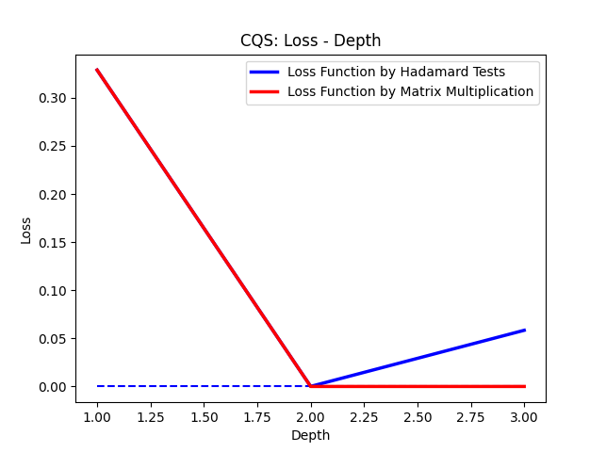
1.00 | 0.33
2.00 | 0.00
3.00 | 0.06

Overall Shots | 6996=11*636
636 Hadamard Tests, with 11 shots each.

Comments: 1. This is a benchmark for the shot frugal method.

Hadamard Test, Error-Shots
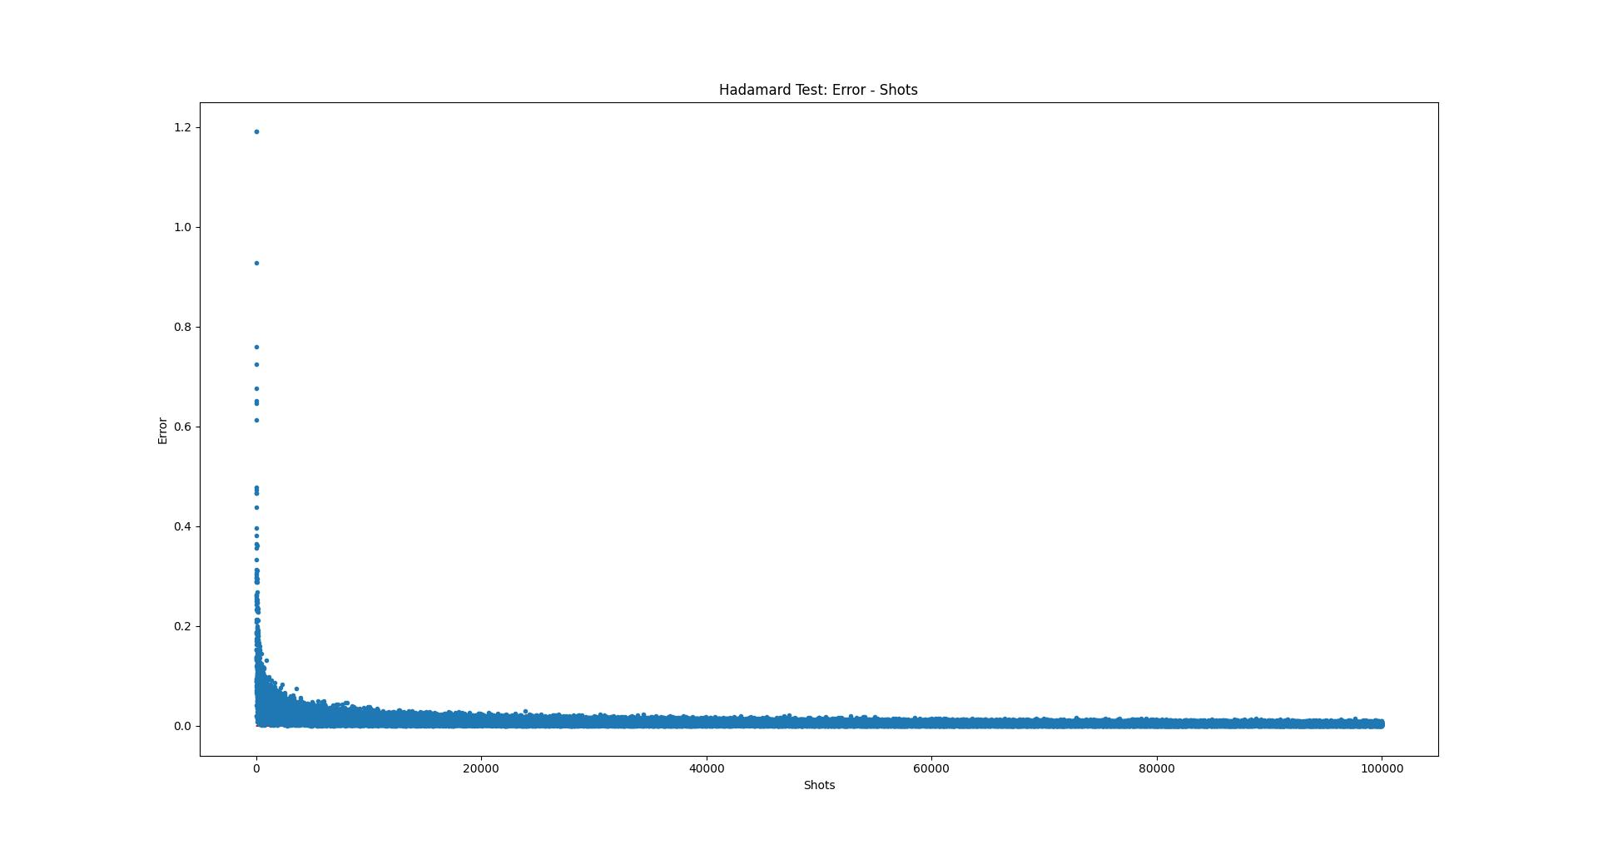
Experiment of Hadamard Test: Relationship between Error and Shots
Description: In this experiment, I performed Hadamard test to a randomly customized unitary with different shots. The expectation values were estimated by Hadamard test results. Then the experimental results are compared with the standard results obtained by matrices multiplication. Eventually, a figure of the relationship between error and shots was plotted.
Quantum Circuit
Initial States | Quantum Gates | Quantum Gates | Quantum Gates | Quantum Gates | Measurements
|0> | H | Z | Y | X | Z
|0> | X | Y | Z | H | Z
|0> | H | Z | Y | X | Z

Total Shots: 300 Red Line: 0.10 Blue Line: 0.0
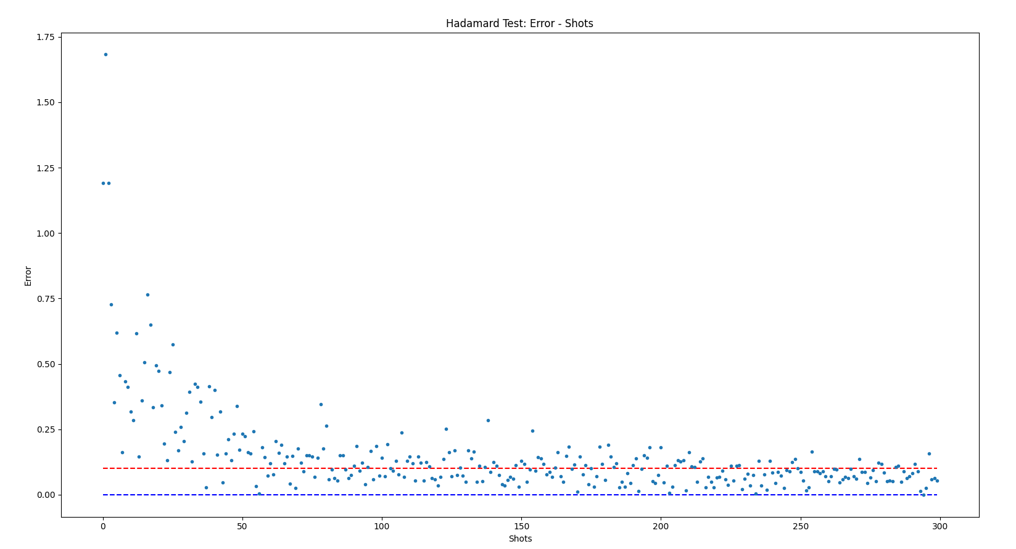

Total Shots: 1000 Red Line: 0.1 Blue Line: 0.0
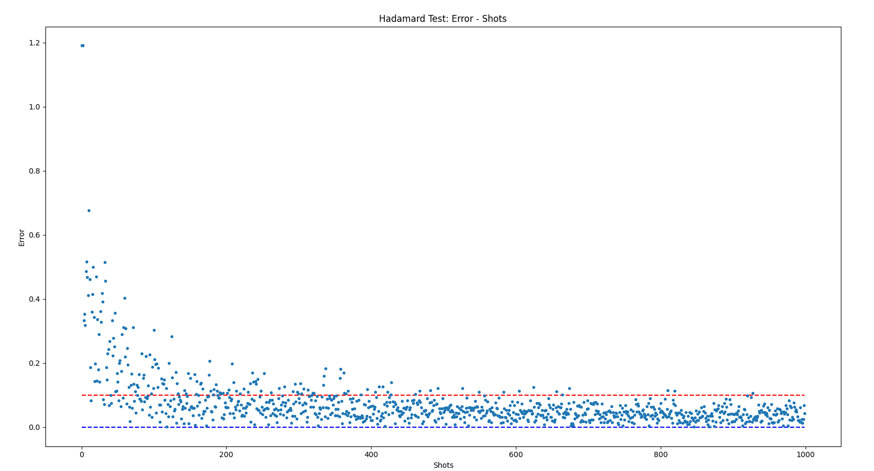

Total Shots: 5000 Red Line: 0.1 Yellow Line: 0.05 Blue Line: 0.0
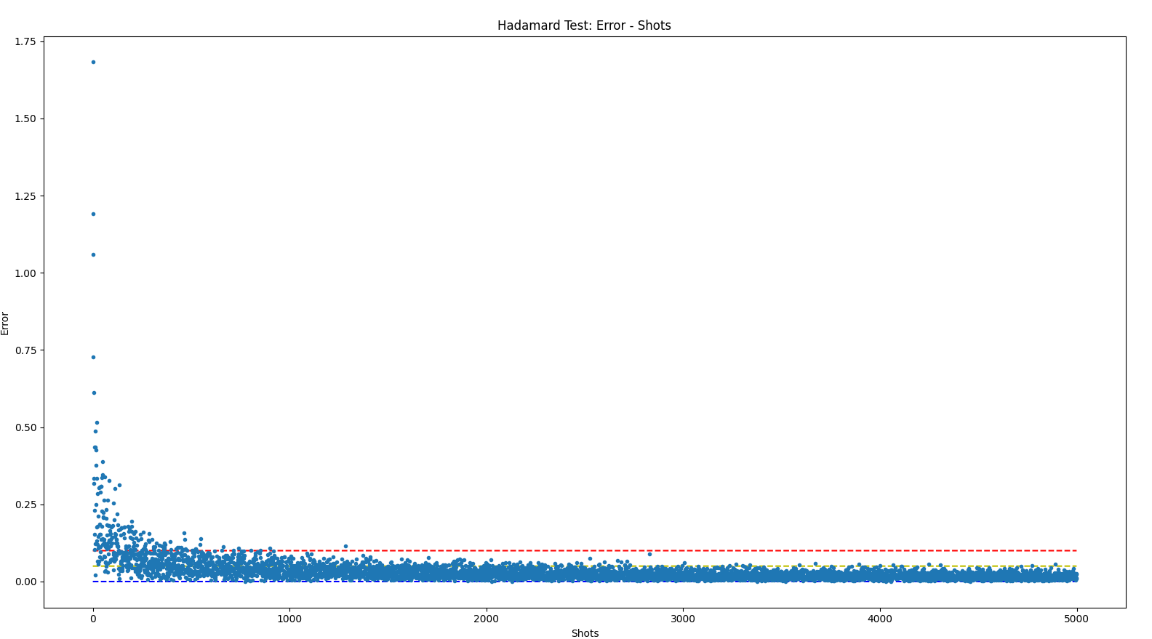

 |  |  |  |  |  | 1024 shots is a good choice for error below 0.1

Total Shots: 1000 - 5000 Red Line: 0.1 Yellow Line: 0.05 Green Line: 0.02 Blue Line: 0.0
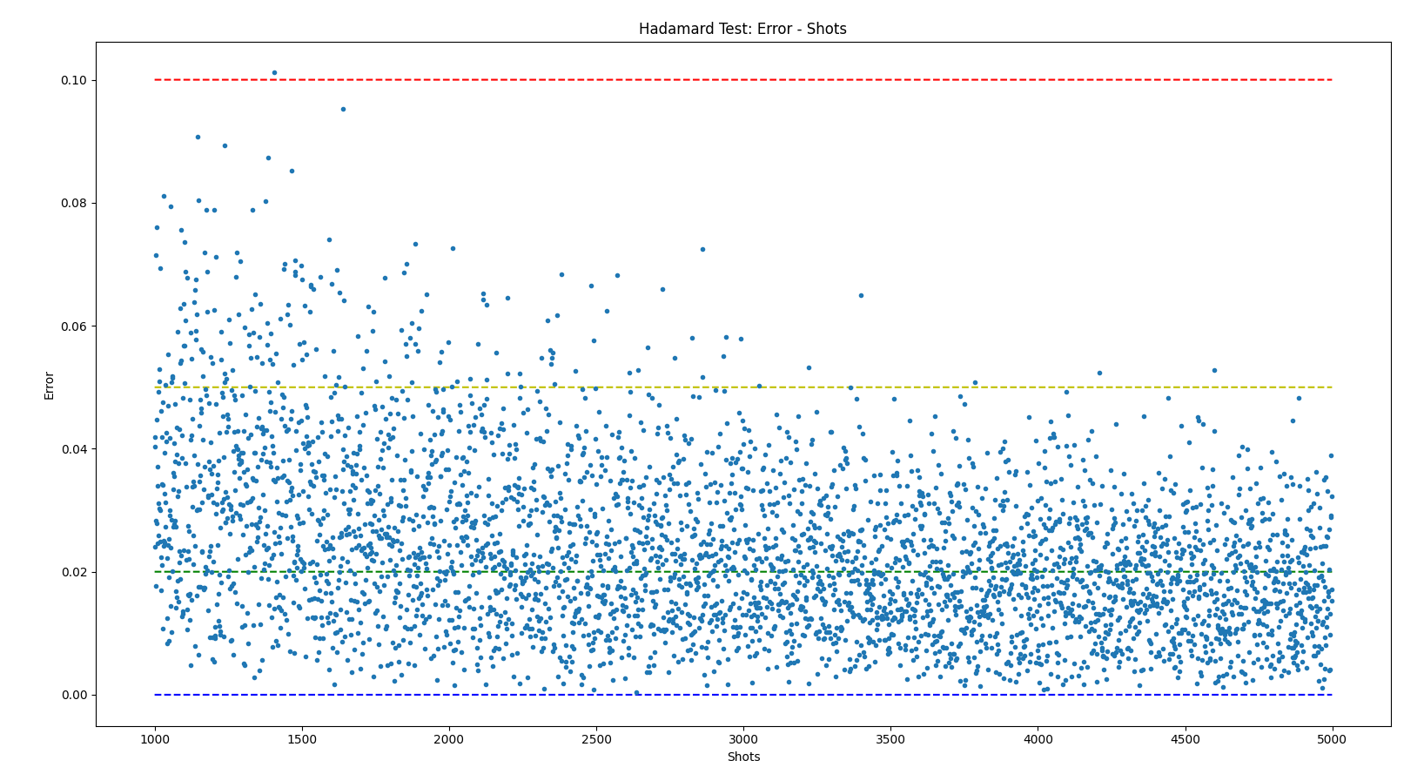

 |  |  |  |  |  | 2048 shots is a good choice for error below 0.05

Total Shots: 5000 - 10000 Red Line: 0.1 Yellow Line: 0.05 Green Line: 0.02 Blue Line: 0.0
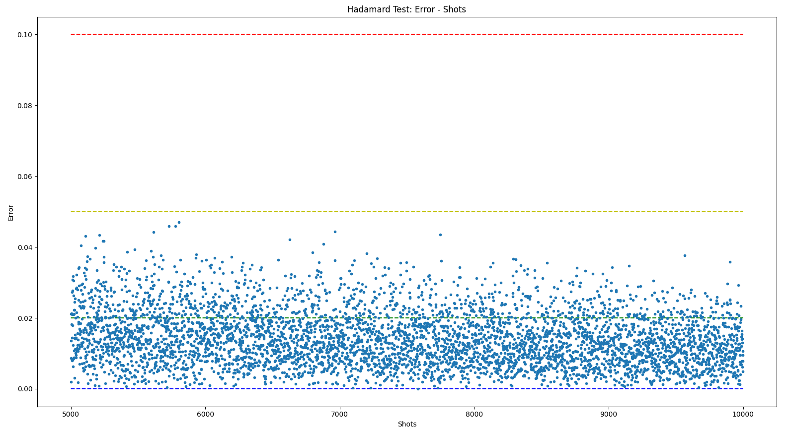

Total Shots: 10000 - 20000 Yellow Line: 0.05 Green Line: 0.02 Blue Line: 0.0

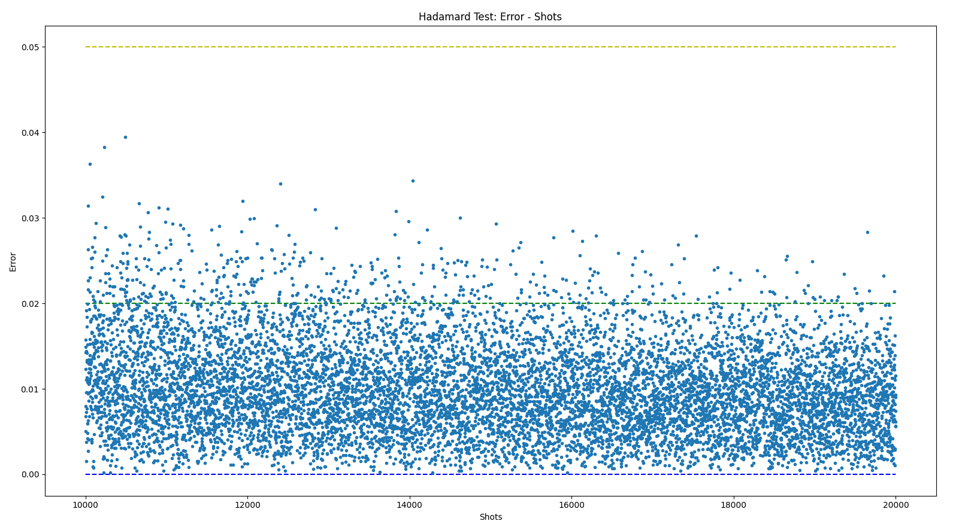

Total Shots: 100 - 1000000000 Red Line: 0.1 Purple Line: 0.05 Yellow Line: 0.01 Green Line: 0.001 Light Blue:0.0001 Blue Line: 0.0
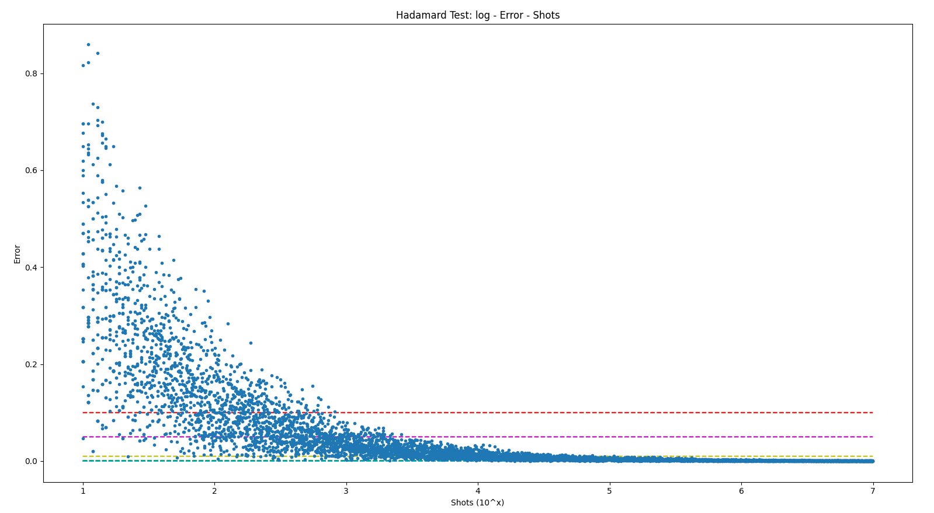

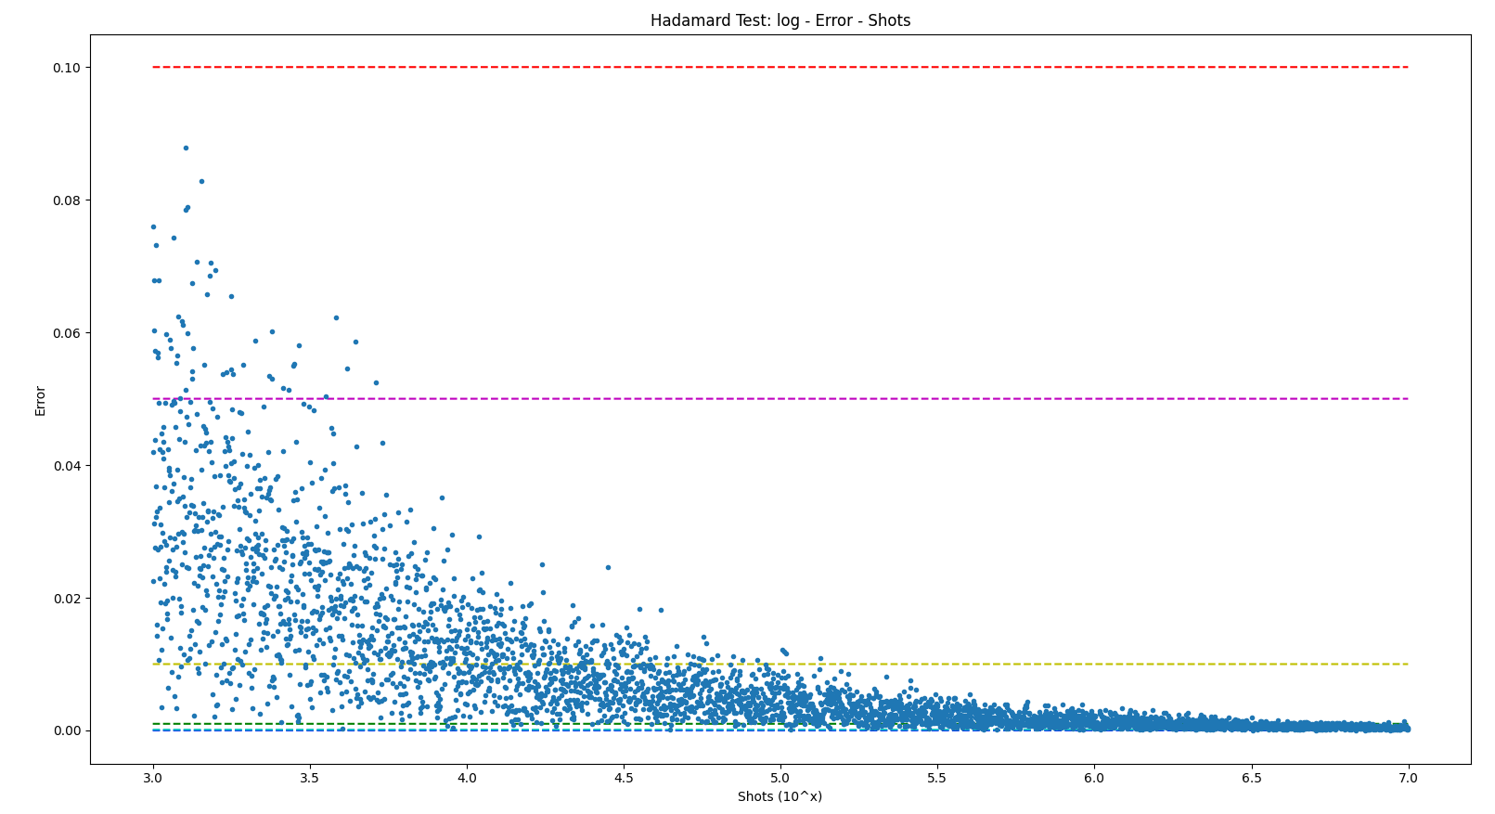

 |  |  |  |  |  | 10^5 shots is a good choice for error below 0.01

Total Shots: 100000

CQS-Loss-Depth-1
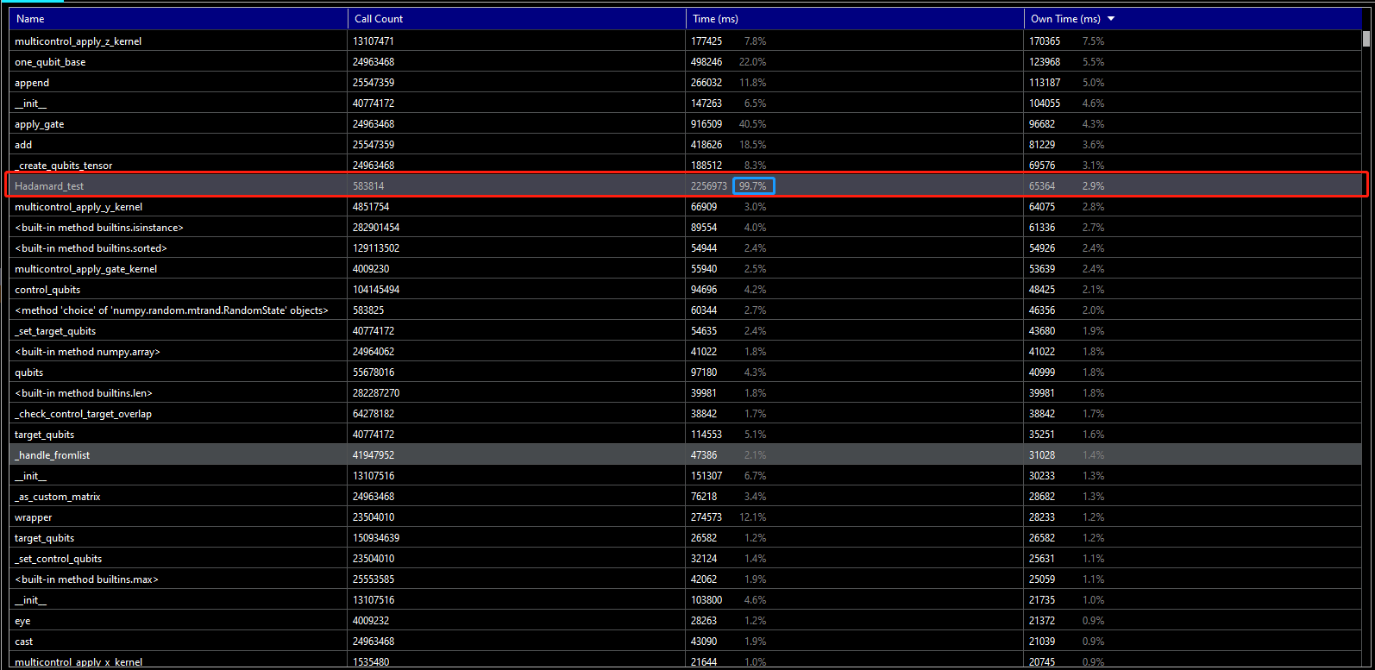
Experiment Result 1: Loss and Depth (Wrong)
Description: In this experiment, I am trying to find our the error impact of image part to the real part of loss function. I calculated the real part of the loss function twice to make a comparison, of which during the first computation I also recorded the image part. It's reasonable to regard the second call as a standard one.
Parameters:
Dimension of A | Shots | Number of Decomposition Terms | Expected Error
8 | 1000 | 10 | <=0.001
Qubits are tagged as: ['Q0', 'Q1', 'Q2'] Coefficients of the terms are: [-1.3800324369990604, 0.29427177352231215, 1.005669115783312, 1.0067412010231855, -1.2580353312196983, 0.7455067510574898, 1.3079369863069754, -1.495072802322572, -1.0945661151987345, 0.7330781351117293] Decomposed unitaries are: [[['I', 'Y', 'I']], [['Y', 'Y', 'Y']], [['Y', 'Y', 'Z']], [['Y', 'Z', 'X']], [['X', 'Y', 'X']], [['Z', 'X', 'Y']], [['I', 'I', 'Y']], [['Z', 'Z', 'Y']], [['Y', 'Z', 'Y']], [['Z', 'Z', 'Z']]] The vector on the right hand side of the equation is: [1 0 0 0 0 0 0 0]
Tree Depth / Iter | Real of First Call | Real of Second Call | Image of First Call
1 | 8.3642939155 | 7.1650407823 | -0.53879120781
2 | -0.17590734761 | 0.11967918697 | -1.7741589539
3 | 0.94758095177 | 7.8432899802 | -12.230144288
4 | 1.4096837678 | 1.5995687412 | -0.32246479036
5 | -0.18805768115 | 0.28898295453 | 0.11578872829
6 | 0.84862678653 | 0.68842029307 | -0.14339336445
7 | 612157.456 | 357120.04465 | -434171.60544
8 | -0.13220391552 | 0.44514633981 | 0.1477268462
9 | 0.43665986153 | 1.5794643718 | 0.0057464018636
10 | -6.0692116472 | 8.3037339012 | 10.266817422
11 | 0.96339884409 | 0.78847204864 | -0.013629812653
12 | 607.14408875 | -215.62346312 | 415.14172546

Reason: 1. Regularization constant is 1e^-15. Perhaps it's too low for this task. Better use 1e^-9 instead. 2. Shots number are not enough to estimate the probability. So the errors are large in each Hadamard test.

Time Cost

CQS-Loss_Depth-8
Experiment Result 8: Loss and Depth (Correct)
Description: In this experiment, both the loss function and the gradient overlaps are calculated by matrix calculations, in order to test the performance of the program in accurate case. Setting the 'mtd' to be 'Matrix', we can realize that. Things are always easy and ideal in terms of the matrix calculations. So we can set the problem to be a large one.
Parameters:
Dimension of A | Shots | Number of Decomposition Terms | Expected Error
32 | NA | 10 | <=0.01
Qubits are tagged as: ['Q0', 'Q1', 'Q2', 'Q3', 'Q4'] Coefficients of the terms are: [0.5865827048160173, 0.10181455222213054, 1.5812458232900393, 0.28474443370671776, 0.8926084419157305, 1.2985561007970572, 0.975803693998565, 1.07844555208316, 1.9899320747366414, 1.306639499314781] Decomposed unitaries are: [[['I', 'X', 'Z', 'Y', 'Z']], [['Z', 'I', 'I', 'I', 'I']], [['Y', 'Y', 'Z', 'Z', 'I']], [['I', 'I', 'Y', 'Z', 'I']], [['Z', 'I', 'Y', 'Y', 'Y']], [['Y', 'I', 'I', 'I', 'X']], [['X', 'Z', 'Y', 'I', 'Y']], [['Y', 'X', 'Y', 'I', 'Y']], [['I', 'Z', 'Z', 'X', 'X']], [['Y', 'X', 'I', 'Z', 'Y']]] The vector on the right hand side of the equation is: [1 0 0 0 0 0 0 0 0 0 0 0 0 0 0 0 0 0 0 0 0 0 0 0 0 0 0 0 0 0 0 0]
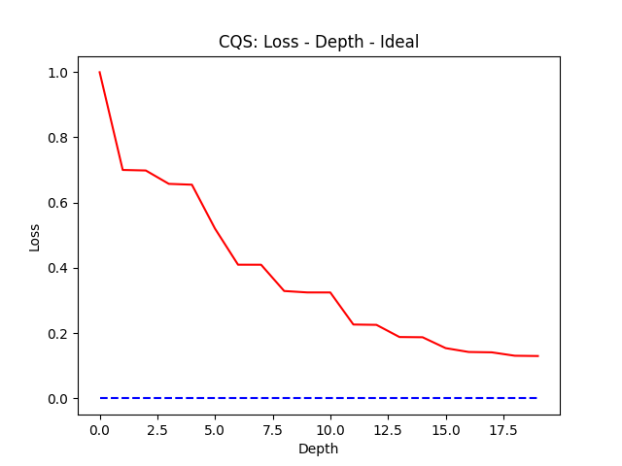
Tree Depth / Iter | Loss Calculated by Matrices Calculation
1 | 0.99921475506
2 | 0.69991516175
3 | 0.69825462124
4 | 0.65729307312
5 | 0.65471285588
6 | 0.5201973762
7 | 0.40961739223
8 | 0.40952928483
9 | 0.32905428639
10 | 0.32464786556
11 | 0.32456214339
12 | 0.22637942307
13 | 0.22538323155
14 | 0.18807030921
15 | 0.18743144252
16 | 0.15409488085
17 | 0.1422754207
18 | 0.14119707625
19 | 0.13075768431
20 | 0.12992169471

Comments: 1. The process is completed accurately without errors. So the stylish results of the previous experiments are all caused by the erroneous Hadamard tests.

CQS-Loss_Depth-10
Experiment Result 10: Loss and Depth (Correct)
Description: Actually, the matrix calculation is not required to calculate the expectations with the strong assumption that A is composed of tensor products of Pauli strings.
Parameters:
Dimension of A | Shots | Number of Decomposition Terms | Expected Error
2^10=1024 | NA | 20 | <=0.01
Qubits are tagged as: ['Q0', 'Q1', 'Q2', 'Q3', 'Q4', 'Q5', 'Q6', 'Q7', 'Q8', 'Q9'] Coefficients of the terms are: [1.8721448391405988, 1.293582370197468, 0.18074537058826068, 0.41681674932450496, 1.1156670445313384, 0.2060077549777335, 0.816501590713449, 0.02216244237378251, 0.021274348454935366, 0.012512510434180779, 1.3407986509869725, 0.8842171542584887, 1.404018066997142, 0.23117273232516022, 0.7533979791031837, 0.17657302925934637, 0.6723093808258775, 1.7382100262134212, 1.2209760210737246, 1.0708770565311396] Decomposed unitaries are: [[['X', 'I', 'Z', 'Z', 'Z', 'Z', 'X', 'Y', 'I', 'I']], [['Z', 'I', 'Y', 'Z', 'Y', 'X', 'Z', 'Y', 'X', 'I']], [['X', 'Z', 'X', 'I', 'I', 'X', 'X', 'X', 'I', 'Z']], [['X', 'I', 'X', 'I', 'Z', 'Z', 'X', 'Z', 'Z', 'Y']], [['X', 'Z', 'X', 'Z', 'Y', 'I', 'Z', 'I', 'X', 'Z']], [['Z', 'I', 'Y', 'I', 'Z', 'Y', 'X', 'I', 'Y', 'Y']], [['I', 'Y', 'Y', 'I', 'X', 'Y', 'Z', 'Z', 'X', 'I']], [['X', 'X', 'Z', 'I', 'Y', 'Y', 'X', 'Z', 'Z', 'Z']], [['I', 'Z', 'Z', 'X', 'Y', 'X', 'I', 'Z', 'Z', 'Y']], [['Y', 'Z', 'Z', 'Y', 'Z', 'Z', 'Y', 'X', 'I', 'X']], [['Z', 'X', 'X', 'X', 'X', 'I', 'I', 'Z', 'X', 'Y']], [['Y', 'Z', 'I', 'X', 'I', 'Y', 'I', 'X', 'X', 'Y']], [['I', 'X', 'I', 'I', 'I', 'X', 'Y', 'Y', 'Y', 'Y']], [['Y', 'X', 'I', 'Z', 'Z', 'Y', 'Z', 'Y', 'Y', 'Y']], [['X', 'Z', 'I', 'Z', 'Z', 'X', 'Y', 'I', 'Y', 'Z']], [['X', 'Y', 'X', 'X', 'I', 'X', 'I', 'Z', 'X', 'I']], [['X', 'X', 'I', 'X', 'Z', 'Y', 'Z', 'Z', 'X', 'Z']], [['Y', 'Z', 'Z', 'X', 'Z', 'X', 'X', 'X', 'Y', 'I']], [['Y', 'I', 'X', 'I', 'Y', 'X', 'X', 'I', 'X', 'I']], [['Z', 'Z', 'Y', 'I', 'Z', 'Y', 'Y', 'Z', 'Y', 'X']]] The vector on the right hand side of the equation is: [1 0 0 ... 0 0 0]
Tree Depth / Iter | Loss Calculated by Matrices Calculation
1 | 1
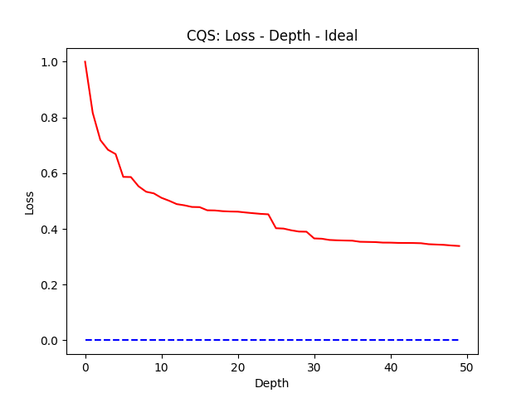
2 | 0.81644642904
3 | 0.71869144261
4 | 0.68380751287
5 | 0.66843704223
6 | 0.58657471182
7 | 0.58594900043
8 | 0.55283207824
9 | 0.53316650421
10 | 0.52738505262
11 | 0.51146400631
12 | 0.50095553926
13 | 0.48886759004
14 | 0.48452679842
15 | 0.47859423797
16 | 0.47796286173
17 | 0.46665874456
18 | 0.46607043313
19 | 0.46348962577
20 | 0.46224190854
21 | 0.46167512234
22 | 0.45877955053
23 | 0.45618824577
24 | 0.45379269605
25 | 0.45215291639
26 | 0.40226130014
27 | 0.40097235308
28 | 0.39482400254
29 | 0.39029804357
30 | 0.38973532013
31 | 0.36568090475
32 | 0.36457076386
33 | 0.36016420723
34 | 0.35888311498
35 | 0.3581193204
36 | 0.3575224206
37 | 0.3536214094
38 | 0.35306290131
39 | 0.35251006115
40 | 0.35065840671
41 | 0.3504920168
42 | 0.34958485208
43 | 0.34938240239
44 | 0.34914124124
45 | 0.34840114031
46 | 0.34491542176
47 | 0.34372053023
48 | 0.34254495744
49 | 0.3402496548
50 | 0.33852003476
51
52
53

Comments: 1. The process is completed accurately without errors. And the size could be extremely large.

CQS-Loss-Depth-11
Experiment Result 11: Loss and Depth (Correct)
Description: Benchmark 1: Hadamard tests work.
Parameters:
Dimension of A | Shots | Number of Decomposition Terms | Expected Error
16 | 5000 | 5 | <=0.01
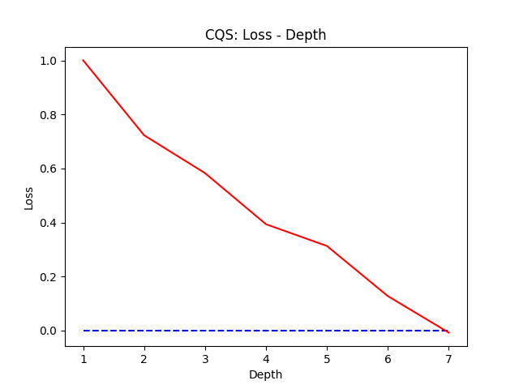
Qubits are tagged as: ['Q0', 'Q1', 'Q2', 'Q3'] Coefficients of the terms are: [1.205785077267388, 1.1572520680513245, 1.0139752750577355, 1.142182282518383, 0.7846229270858545] Decomposed unitaries are: [[['I', 'I', 'X', 'Z']], [['Z', 'Y', 'Y', 'I']], [['X', 'I', 'Y', 'Z']], [['I', 'Y', 'I', 'I']], [['Y', 'Z', 'Y', 'Z']]] The vector on the right hand side of the equation is: [1 0 0 0 0 0 0 0 0 0 0 0 0 0 0 0]
Tree Depth / Iter | Loss Calculated by Matrices Calculation
1 | 1.0005696831
2 | 0.72309717132
3 | 0.58275255713
4 | 0.39349212161
5 | 0.31302367606
6 | 0.12730615457
7 | -0.0078515521156

Comments: 1. This is a benchmark for the workable problem in terms of Hadamard tests.

CQS-Loss-Depth-12
Experiment Result 12: Loss and Depth (Correct)
Description: Benchmark 2: Hadamard tests work.
Parameters:
Dimension of A | Shots | Number of Decomposition Terms | Expected Error
2^7=128 | 1000000 | 5 | <=0.1
Qubits are tagged as: ['Q0', 'Q1', 'Q2', 'Q3', 'Q4', 'Q5', 'Q6'] Coefficients of the terms are: [0.9483505495439435, 0.7129968235071862, 1.9523691447805445, 0.6973944801504397, 0.525039412558481] Decomposed unitaries are: [[['Z', 'Y', 'I', 'Z', 'Y', 'Y', 'Y']], [['I', 'X', 'Z', 'Z', 'X', 'I', 'I']], [['Y', 'Y', 'Y', 'Y', 'Y', 'Y', 'I']], [['Y', 'Z', 'X', 'X', 'Z', 'Z', 'X']], [['Y', 'Z', 'I', 'Y', 'Z', 'I', 'Z']]] The vector on the right hand side of the equation is: [1 0 0 0 0 0 0 0 0 0 0 0 0 0 0 0 0 0 0 0 0 0 0 0 0 0 0 0 0 0 0 0 0 0 0 0 0 0 0 0 0 0 0 0 0 0 0 0 0 0 0 0 0 0 0 0 0 0 0 0 0 0 0 0 0 0 0 0 0 0 0 0 0 0 0 0 0 0 0 0 0 0 0 0 0 0 0 0 0 0 0 0 0 0 0 0 0 0 0 0 0 0 0 0 0 0 0 0 0 0 0 0 0 0 0 0 0 0 0 0 0 0 0 0 0 0 0 0]
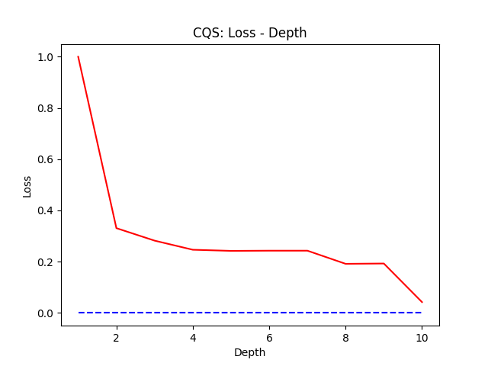
Tree Depth / Iter | Loss Calculated by Matrices Calculation
1 | 0.99999875458
2 | 0.33092654308
3 | 0.28218127612
4 | 0.24660417998
5 | 0.24224897461
6 | 0.24296917592
7 | 0.24297238356
8 | 0.19172222366
9 | 0.19289397482
10 | 0.042366306063

Comments: 1. This is a benchmark for the workable problem in terms of Hadamard tests.

CQS-Loss-Depth-15
Experiment Result 15: Loss and Depth (Correct)
Description: Benchmark 5: Hadamard tests work.
Parameters:
Dimension of A | Shots | Number of Decomposition Terms | Expected Error
2^7=128 | 100000 | 5 | <=0.2
Qubits are tagged as: ['Q0', 'Q1', 'Q2', 'Q3', 'Q4', 'Q5', 'Q6'] Coefficients of the terms are: [1.423674376436618, 0.5788003037890421, 1.7368252690727974, 1.6660186975242612, 1.1814000196931385] Decomposed unitaries are: [[['X', 'Z', 'X', 'Y', 'I', 'X', 'X']], [['Y', 'Z', 'I', 'Z', 'Z', 'X', 'Z']], [['I', 'X', 'I', 'Z', 'X', 'X', 'Y']], [['Y', 'X', 'I', 'Y', 'X', 'I', 'Y']], [['Z', 'I', 'X', 'X', 'X', 'Y', 'Z']]] The vector on the right hand side of the equation is: [1 0 0 0 0 0 0 0 0 0 0 0 0 0 0 0 0 0 0 0 0 0 0 0 0 0 0 0 0 0 0 0 0 0 0 0 0 0 0 0 0 0 0 0 0 0 0 0 0 0 0 0 0 0 0 0 0 0 0 0 0 0 0 0 0 0 0 0 0 0 0 0 0 0 0 0 0 0 0 0 0 0 0 0 0 0 0 0 0 0 0 0 0 0 0 0 0 0 0 0 0 0 0 0 0 0 0 0 0 0 0 0 0 0 0 0 0 0 0 0 0 0 0 0 0 0 0 0]
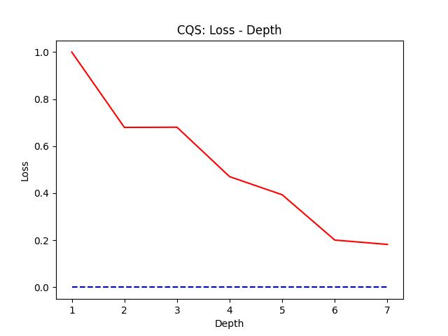
Tree Depth / Iter | Loss Calculated by Matrices Calculation
1 | 0.99999637974
2 | 0.67968307228
3 | 0.68048277956
4 | 0.47037364017
5 | 0.39329598816
6 | 0.20071214873
7 | 0.1822829869

Comments: 1. This is a benchmark for the workable problem in terms of Hadamard tests.

CQS-Loss-Depth-Large-Size
Experiment Result 16: Loss and Depth (Correct)
Description: Using the classical simulation of eigensolvers, this experiment is aiming to test the performance of the algorithm with a large system size.
Parameters:
Dimension of A | Shots | Number of Decomposition Terms | Expected Error
2^50 | NA | 6 | <=0.1
Qubits are tagged as: ['Q0', 'Q1', 'Q2', 'Q3', 'Q4', 'Q5', 'Q6', 'Q7', 'Q8', 'Q9', 'Q10', 'Q11', 'Q12', 'Q13', 'Q14', 'Q15', 'Q16', 'Q17', 'Q18', 'Q19', 'Q20', 'Q21', 'Q22', 'Q23', 'Q24', 'Q25', 'Q26', 'Q27', 'Q28', 'Q29', 'Q30', 'Q31', 'Q32', 'Q33', 'Q34', 'Q35', 'Q36', 'Q37', 'Q38', 'Q39', 'Q40', 'Q41', 'Q42', 'Q43', 'Q44', 'Q45', 'Q46', 'Q47', 'Q48', 'Q49'] Coefficients of the terms are: [1.7215599314985908, 1.8116446083211624, 1.7505719434555493, 0.34157910613161, 0.38111914834564553, 0.4072544855827229] Decomposed unitaries are: [[['X', 'X', 'I', 'Z', 'X', 'I', 'I', 'I', 'X', 'X', 'X', 'Y', 'Y', 'X', 'I', 'Y', 'Z', 'X', 'X', 'X', 'Y', 'X', 'Z', 'X', 'X', 'X', 'Y', 'I', 'Y', 'X', 'Z', 'Y', 'Y', 'X', 'I', 'Z', 'X', 'X', 'X', 'X', 'X', 'X', 'X', 'I', 'X', 'Y', 'Y', 'Y', 'Y', 'Z']], [['Z', 'Z', 'X', 'X', 'Y', 'Z', 'X', 'Z', 'I', 'Z', 'X', 'Y', 'Y', 'Z', 'I', 'I', 'Y', 'Z', 'I', 'Z', 'I', 'Y', 'I', 'Z', 'Z', 'I', 'X', 'I', 'Y', 'Y', 'Z', 'X', 'I', 'Z', 'Z', 'Z', 'Y', 'I', 'Z', 'I', 'Y', 'I', 'Z', 'Y', 'X', 'Z', 'Y', 'Z', 'Z', 'I']], [['Z', 'Y', 'X', 'X', 'I', 'I', 'I', 'X', 'Y', 'I', 'Z', 'Z', 'Z', 'Y', 'X', 'Y', 'Y', 'Y', 'X', 'I', 'Y', 'Z', 'I', 'Z', 'Z', 'Y', 'Z', 'Z', 'Y', 'X', 'X', 'I', 'I', 'Z', 'I', 'Y', 'X', 'Y', 'I', 'I', 'Z', 'I', 'X', 'I', 'Z', 'I', 'Y', 'Z', 'Z', 'Y']], [['Y', 'I', 'Z', 'Y', 'Z', 'X', 'Y', 'Y', 'Z', 'Z', 'X', 'Z', 'Z', 'X', 'I', 'Y', 'I', 'I', 'I', 'Y', 'X', 'Z', 'X', 'Y', 'I', 'I', 'X', 'X', 'Y', 'I', 'Y', 'Z', 'Y', 'I', 'X', 'Y', 'Y', 'Z', 'Y', 'Z', 'Z', 'X', 'Y', 'Y', 'X', 'I', 'X', 'X', 'I', 'X']], [['X', 'X', 'Y', 'X', 'Z', 'X', 'Z', 'I', 'Z', 'X', 'Z', 'Y', 'Y', 'I', 'I', 'X', 'Y', 'X', 'X', 'I', 'Z', 'Y', 'Y', 'Y', 'X', 'Z', 'Y', 'Z', 'Y', 'Y', 'Z', 'X', 'Z', 'Z', 'I', 'X', 'Y', 'X', 'X', 'X', 'Y', 'X', 'Y', 'Y', 'Y', 'Z', 'X', 'X', 'X', 'Y']], [['Y', 'Y', 'I', 'Z', 'Z', 'Y', 'Z', 'Y', 'X', 'I', 'Y', 'I', 'X', 'X', 'X', 'Y', 'I', 'X', 'X', 'I', 'Y', 'Z', 'Z', 'Z', 'X', 'Z', 'I', 'X', 'Z', 'I', 'Z', 'Z', 'X', 'X', 'I', 'Y', 'I', 'Z
Tree Depth / Iter | Loss Calculated by Matrices Calculation
1 | 1
2 | 0.66296788849
3 | 0.66296788849
4 | 0.35862051244
5 | 0.35862051244
6 | 0.35362383974
7 | 0.35362383974
8 | 0.35343641573
9 | 0.35343641573
10 | 0.35343250481
11 | 0.35343250481
12 | 0.35342961927
13 | 0.35342961927
14 | 0.20813575391
15 | 0.20813575391
16 | 0.1911040922
17 | 0.1911040922
18 | 0.18995257695
19 | 0.18995257695
20 | 0.18901943253
21 | 0.18901943253
22 | 0.14515030278

Parameters:
Dimension of A | Shots | Number of Decomposition Terms | Expected Error
2^100 | NA | 6 | <=0.1
Qubits are tagged as: ['Q0', 'Q1', 'Q2', 'Q3', 'Q4', 'Q5', 'Q6', 'Q7', 'Q8', 'Q9', 'Q10', 'Q11', 'Q12', 'Q13', 'Q14', 'Q15', 'Q16', 'Q17', 'Q18', 'Q19', 'Q20', 'Q21', 'Q22', 'Q23', 'Q24', 'Q25', 'Q26', 'Q27', 'Q28', 'Q29', 'Q30', 'Q31', 'Q32', 'Q33', 'Q34', 'Q35', 'Q36', 'Q37', 'Q38', 'Q39', 'Q40', 'Q41', 'Q42', 'Q43', 'Q44', 'Q45', 'Q46', 'Q47', 'Q48', 'Q49', 'Q50', 'Q51', 'Q52', 'Q53', 'Q54', 'Q55', 'Q56', 'Q57', 'Q58', 'Q59', 'Q60', 'Q61', 'Q62', 'Q63', 'Q64', 'Q65', 'Q66', 'Q67', 'Q68', 'Q69', 'Q70', 'Q71', 'Q72', 'Q73', 'Q74', 'Q75', 'Q76', 'Q77', 'Q78', 'Q79', 'Q80', 'Q81', 'Q82', 'Q83', 'Q84', 'Q85', 'Q86', 'Q87', 'Q88', 'Q89', 'Q90', 'Q91', 'Q92', 'Q93', 'Q94', 'Q95', 'Q96', 'Q97', 'Q98', 'Q99'] Coefficients of the terms are: [0.3161270244034833, 1.812306608015761, 0.017838044180901624, 1.769915222655833, 1.4793437766654434, 1.932173347714021] Decomposed unitaries are: [[['X', 'Y', 'Z', 'Z', 'I', 'Y', 'I', 'I', 'X', 'Z', 'Y', 'I', 'I', 'Z', 'I', 'X', 'I', 'I', 'I', 'Z', 'X', 'I', 'Y', 'X', 'X', 'X', 'Y', 'Z', 'Z', 'I', 'I', 'X', 'X', 'Y', 'I', 'I', 'Y', 'X', 'Z', 'Y', 'Y', 'X', 'X', 'Z', 'I', 'Y', 'I', 'X', 'Z', 'X', 'I', 'Y', 'Z', 'Y', 'X', 'X', 'Y', 'X', 'Z', 'Z', 'X', 'I', 'X', 'X', 'I', 'X', 'X', 'I', 'Y', 'X', 'Y', 'Z', 'X', 'Z', 'Y', 'I', 'Z', 'X', 'Z', 'Z', 'I', 'Y', 'Y', 'Y', 'I', 'X', 'I', 'Z', 'Y', 'I', 'X', 'Y', 'Z', 'Z', 'X', 'Z', 'Y', 'Z', 'X', 'Y']], [['Y', 'Y', 'Y', 'X', 'Y', 'Z', 'Y', 'Z', 'Y', 'I', 'I', 'Y', 'I', 'Y', 'Y', 'Y', 'Y', 'I', 'Y', 'X', 'Z', 'I', 'X', 'I', 'X', 'Z', 'I', 'X', 'I', 'Z', 'I', 'Z', 'Z', 'Z', 'Z', 'I', 'I', 'I', 'Z', 'Z', 'X', 'Y', 'Z', 'Y', 'I', 'I', 'I', 'Y', 'I', 'I', 'Z', 'I', 'X', 'I', 'Z', 'Y', 'X', 'X', 'X', 'I', 'X', 'Z', 'X', 'X', 'I', 'Y', 'Z', 'I', 'Z', 'X', 'Z', 'I', 'Z', 'Y', 'Z', 'Z', 'I', 'I', 'Y', 'I', 'I', 'X', 'I', 'I', 'X', 'I', 'Z', 'X', 'Y', 'Z', 'Y', 'X', 'Z', 'Z', 'Y', 'I', 'Y', 'I', 'Y', 'X']], [['X', 'X', 'X', 'Y', 'Z', 'Y', 'I', 'X', 'Z', 'I', 'Y', 'I', 'I', 'Z', 'I', 'Z', 'Y', 'I', 'Z', 'I',
Tree Depth / Iter | Loss Calculated by Matrices Calculation
1 | 1
2 | 0.69987335053
3 | 0.69987335053
4 | 0.43582969692
5 | 0.43582969692
6 | 0.18399398572
7 | 0.18399398572
8 | 0.12651861054
9 | 0.12651861054
10 | 0.018172509904

Parameters:
Dimension of A | Shots | Number of Decomposition Terms | Expected Error
2^1000 | NA | 6 | <=0.1
Coefficients of the terms are: [1.2251562158477518, 1.540086103822594, 1.5612303021883027, 1.5411002681253823, 1.7729517193910949, 1.2548552585075994, 1.7523550236140495, 1.602253770754116, 1.7046122806352715, 1.2357465843249567] Decomposed unitaries are: [[['X', 'Y', 'I', 'I', 'Z', 'X', 'I', 'Z', 'X', 'Z', 'I', 'Z', 'Y', 'Z', 'X', 'Y', 'Y', 'X', 'I', 'Y', 'X', 'X', 'I', 'Y', 'X', 'Z', 'Y', 'Z', 'X', 'Z', 'Z', 'X', 'Z', 'Z', 'Y', 'Z', 'Y', 'Y', 'I', 'I', 'I', 'Y', 'Y', 'Z', 'Z', 'Z', 'Z', 'Y', 'Z', 'X', 'Z', 'X', 'Y', 'Z', 'Y', 'I', 'X', 'I', 'Y', 'I', 'X', 'X', 'I', 'I', 'I', 'I', 'Y', 'X', 'Z', 'Z', 'X', 'X', 'Z', 'I', 'I', 'I', 'Z', 'Y', 'Z', 'I', 'Y', 'Y', 'X', 'Z', 'Z', 'Y', 'I', 'I', 'Y', 'Z', 'X', 'I', 'I', 'Y', 'I', 'Y', 'I', 'I', 'X', 'Z', 'X', 'X', 'X', 'Y', 'Y', 'X', 'I', 'I', 'X', 'I', 'I', 'X', 'Y', 'Y', 'X', 'Y', 'X', 'Z', 'Y', 'X', 'Y', 'Y', 'X', 'Z', 'Z', 'I', 'I', 'X', 'Z', 'Y', 'X', 'Z', 'Z', 'X', 'X', 'I', 'I', 'I', 'Y', 'Y', 'I', 'Y', 'X', 'Y', 'X', 'X', 'X', 'X', 'I', 'I', 'I', 'Z', 'X', 'I', 'Z', 'Z', 'I', 'Y', 'Z', 'I', 'Z', 'Z', 'I', 'I', 'Z', 'X', 'I', 'Y', 'I', 'Z', 'Z', 'Z', 'Y', 'Y', 'X', 'I', 'X', 'X', 'Y', 'I', 'Z', 'X', 'Y', 'Y', 'X', 'Z', 'I', 'Z', 'Y', 'I', 'Y', 'I', 'X', 'I', 'Y', 'Y', 'Y', 'I', 'I', 'X', 'Z', 'Y', 'Z', 'X', 'I', 'I', 'I', 'X', 'X', 'Z', 'X', 'I', 'Y', 'I', 'I', 'X', 'X', 'I', 'I', 'X', 'Z', 'Z', 'X', 'I', 'X', 'Y', 'Z', 'Y', 'X', 'I', 'Z', 'Y', 'I', 'I', 'Y', 'Z', 'I', 'I', 'I', 'X', 'I', 'I', 'Z', 'X', 'X', 'I', 'Y', 'X', 'I', 'X', 'X', 'Y', 'Z', 'I', 'I', 'X', 'X', 'I', 'Z', 'I', 'Z', 'X', 'Y', 'I', 'I', 'Z', 'I', 'Z', 'Y', 'Y', 'I', 'X', 'Y', 'Z', 'I', 'Y', 'X', 'Y', 'Z', 'Z', 'Z', 'I', 'Z', 'I', 'X', 'Z', 'Y', 'Z', 'I', 'Y', 'X', 'X', 'Y', 'I', 'Z', 'X', 'Y', 'Z', 'Z', 'X', 'I', 'Z', 'Y', 'Z', 'Z', 'Z', 'X', 'X', 'I', 'Z', 'Y', 'Y', 'I', 'I', 'X', 'I', 'I', 'I', 'Z', 'X', 'Y', 'Z', 'Y', 'X', 'I', 'I', 'Y', 'Z', 'Y', 'Y', 'X', 'Z', 'I', 'X', 'Y', 'Y', 'Z', 'X', 'X', 'Z', 'Z', 'Z', 'Y', 'X', 'I', 'X', 'Y', 'X', '
Tree Depth / Iter | Loss Calculated by Matrices Calculation
1 | 1
2 | 0.63181359623
3 | 0.63181359623
4 | 0.62268673719
5 | 0.62268673719
6 | 0.61362086696
7 | 0.61362086696
8 | 0.59474605163
9 | 0.59474605163
10 | 0.57269310052

Parameters:
Dimension of A | Shots | Number of Decomposition Terms | Expected Error
2^300 | NA | 6 | <=0.001

Tree Depth / Iter | Loss Calculated by Matrices Calculation
1 | 1
2 | 0.69197259384
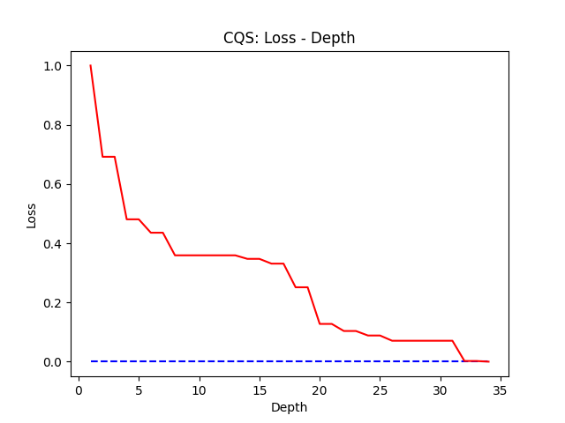
3 | 0.69197259384
4 | 0.48075271922
5 | 0.48075271922
6 | 0.43550465284
7 | 0.43550465284
8 | 0.35912530212
9 | 0.35912530212
10 | 0.35912462498
11 | 0.35912462498
12 | 0.35912398278
13 | 0.35912398278
14 | 0.34720972759
15 | 0.34720972759
16 | 0.33108748039
17 | 0.33108748039
18 | 0.25122341342
19 | 0.25122341342
20 | 0.12747798243
21 | 0.12747798243
22 | 0.10359092604
23 | 0.10359092604
24 | 0.088344929445
25 | 0.088344929445
26 | 0.070671134514
27 | 0.070671134514
28 | 0.070670766607
29 | 0.070670766607
30 | 0.070670766607
31 | 0.070670766607
32 | 0.0022328443066
33 | 0.0022328443066
34 | 7.81E-06

7 | 0.1822829869

Parameters:
Dimension of A | Shots | Number of Decomposition Terms | Expected Error
2^7=128 | NA | 6 | <=0.1
Qubits are tagged as: ['Q0', 'Q1', 'Q2', 'Q3', 'Q4', 'Q5', 'Q6', 'Q7', 'Q8', 'Q9', 'Q10', 'Q11', 'Q12', 'Q13', 'Q14', 'Q15', 'Q16', 'Q17', 'Q18', 'Q19', 'Q20', 'Q21', 'Q22', 'Q23', 'Q24', 'Q25', 'Q26', 'Q27', 'Q28', 'Q29', 'Q30', 'Q31', 'Q32', 'Q33', 'Q34', 'Q35', 'Q36', 'Q37', 'Q38', 'Q39', 'Q40', 'Q41', 'Q42', 'Q43', 'Q44', 'Q45', 'Q46', 'Q47', 'Q48', 'Q49'] Coefficients of the terms are: [1.7215599314985908, 1.8116446083211624, 1.7505719434555493, 0.34157910613161, 0.38111914834564553, 0.4072544855827229] Decomposed unitaries are: [[['X', 'X', 'I', 'Z', 'X', 'I', 'I', 'I', 'X', 'X', 'X', 'Y', 'Y', 'X', 'I', 'Y', 'Z', 'X', 'X', 'X', 'Y', 'X', 'Z', 'X', 'X', 'X', 'Y', 'I', 'Y', 'X', 'Z', 'Y', 'Y', 'X', 'I', 'Z', 'X', 'X', 'X', 'X', 'X', 'X', 'X', 'I', 'X', 'Y', 'Y', 'Y', 'Y', 'Z']], [['Z', 'Z', 'X', 'X', 'Y', 'Z', 'X', 'Z', 'I', 'Z', 'X', 'Y', 'Y', 'Z', 'I', 'I', 'Y', 'Z', 'I', 'Z', 'I', 'Y', 'I', 'Z', 'Z', 'I', 'X', 'I', 'Y', 'Y', 'Z', 'X', 'I', 'Z', 'Z', 'Z', 'Y', 'I', 'Z', 'I', 'Y', 'I', 'Z', 'Y', 'X', 'Z', 'Y', 'Z', 'Z', 'I']], [['Z', 'Y', 'X', 'X', 'I', 'I', 'I', 'X', 'Y', 'I', 'Z', 'Z', 'Z', 'Y', 'X', 'Y', 'Y', 'Y', 'X', 'I', 'Y', 'Z', 'I', 'Z', 'Z', 'Y', 'Z', 'Z', 'Y', 'X', 'X', 'I', 'I', 'Z', 'I', 'Y', 'X', 'Y', 'I', 'I', 'Z', 'I', 'X', 'I', 'Z', 'I', 'Y', 'Z', 'Z', 'Y']], [['Y', 'I', 'Z', 'Y', 'Z', 'X', 'Y', 'Y', 'Z', 'Z', 'X', 'Z', 'Z', 'X', 'I', 'Y', 'I', 'I', 'I', 'Y', 'X', 'Z', 'X', 'Y', 'I', 'I', 'X', 'X', 'Y', 'I', 'Y', 'Z', 'Y', 'I', 'X', 'Y', 'Y', 'Z', 'Y', 'Z', 'Z', 'X', 'Y', 'Y', 'X', 'I', 'X', 'X', 'I', 'X']], [['X', 'X', 'Y', 'X', 'Z', 'X', 'Z', 'I', 'Z', 'X', 'Z', 'Y', 'Y', 'I', 'I', 'X', 'Y', 'X', 'X', 'I', 'Z', 'Y', 'Y', 'Y', 'X', 'Z', 'Y', 'Z', 'Y', 'Y', 'Z', 'X', 'Z', 'Z', 'I', 'X', 'Y', 'X', 'X', 'X', 'Y', 'X', 'Y', 'Y', 'Y', 'Z', 'X', 'X', 'X', 'Y']], [['Y', 'Y', 'I', 'Z', 'Z', 'Y', 'Z', 'Y', 'X', 'I', 'Y', 'I', 'X', 'X', 'X', 'Y', 'I', 'X', 'X', 'I', 'Y', 'Z', 'Z', 'Z', 'X', 'Z', 'I', 'X', 'Z', 'I', 'Z', 'Z', 'X', 'X', 'I', 'Y', 'I', 'Z
Tree Depth / Iter | Loss Calculated by Matrices Calculation
1 | 0.99999637974
2 | 0.67968307228
3 | 0.68048277956
4 | 0.47037364017
5 | 0.39329598816
6 | 0.20071214873
7 | 0.1822829869

CQS-Shots-K_A_Demo
Experiment Result 19: Shots and K_A (Correct)
Description: This experiment is to test the relationship between shots and K_A with various sampling methods: - a. Uniform Sampling in [0, 2] - b. Uniform Sampling in [-1, 1] - c. Binary Sampling from {-1, 1} - d. Normal Sampling u = 0, sigma = 2
Parameters:
K_A Sampling Repeated Times | Shot Repeated Times | Expected Error of Matrix Q
10 | 20 | < 0.1

Dimension of A | K_A | shots (a) | shots (b) | shots (c) | shots (d)
1 | 1 | [464, 4641, 100, 215, 10000, 4641, 100, 100, 215, 1000] | [100, 100, 100, 100, 464, 464, 100, 100, 100, 464] | [464, 1000, 1000, 1000, 1000, 1000, 1000, 1000, 1000, 1000] | [46415, 46415, 46415, 464, 100, 215, 46415, 10000, 464, 100]
2 | 2 | [4641, 1000, 10000, 21544, 4641, 4641, 10000, 215, 21544, 215] | [100, 215, 100, 215, 215, 464, 1000, 100, 464, 100] | [4641, 4641, 4641, 4641, 4641, 4641, 4641, 4641, 4641, 4641] | [10000, 2154, 4641, 10000, 215443, 10000, 100000, 100000, 464, 2154]
3 | 3 | [46415, 46415, 100000, 21544, 21544, 46415, 1000, 10000, 46415, 10000] | [2154, 1000, 4641, 464, 100, 2154, 4641, 4641, 100, 464] | [10000, 10000, 21544, 10000, 10000, 10000, 10000, 10000, 10000, 21544] | [21544, 215443, 46415, 100000, 464158, 215443, 215443, 100000, 1000000, 100]
4 | 4 | [21544, 46415, 46415, 21544, 100000, 46415, 46415, 46415, 21544, 10000] | [2154, 4641, 2154, 4641, 2154, 2154, 1000, 1000, 21544, 4641] | [21544, 21544, 21544, 21544, 21544, 21544, 21544, 21544, 21544, 21544] | [1000000, 2154, 215443, 100000, 4641, 46415, 215443, 464158, 1000000, 464158]

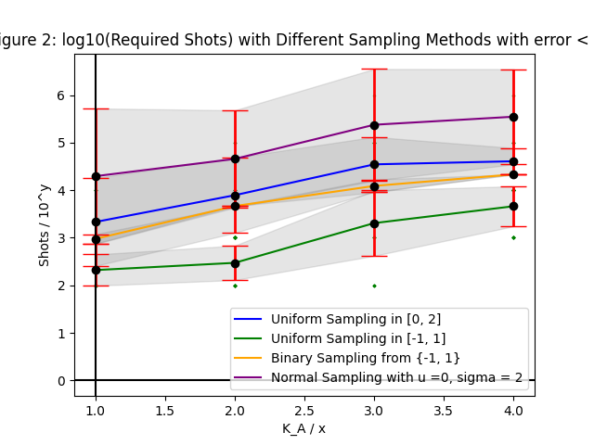

This is a demo example.

CQS-Shots-K_A
Experiment Result 19: Shots and K_A (Correct)
Description: This experiment is to test the relationship between shots and K_A with various sampling methods: - a. Uniform Sampling in [0, 2] - b. Uniform Sampling in [-1, 1] - c. Binary Sampling from {-1, 1} - d. Normal Sampling u = 0, sigma = 2
Parameters:
K_A Sampling Repeated Times | Shot Repeated Times | Expected Error of Matrix Q
10 | 20 | < 0.1

Dimension of A | K_A | shots (a) | shots (b) | shots (c) | shots (d)
1 | 1 | [100, 100, 100, 2154, 10000, 100, 100, 215, 464, 100] | [100, 100, 1000, 215, 100, 100, 100, 100, 464, 215] | [1000, 464, 464, 1000, 1000, 464, 1000, 1000, 1000, 464] | [100, 100, 215443, 21544, 2154, 100000, 215443, 215443, 2154, 4641]
2 | 2 | [2154, 10000, 464, 21544, 21544, 215, 21544, 21544, 1000, 464] | [215, 100, 1000, 215, 1000, 464, 215, 2154, 215, 100] | [2154, 2154, 10000, 2154, 4641, 4641, 4641, 4641, 4641, 4641] | [21544, 215443, 2154, 2154, 464, 21544, 100000, 1000, 100000, 464158]
3 | 3 | [10000, 10000, 2154, 100, 10000, 2154, 21544, 21544, 2154, 10000] | [100, 2154, 464, 1000, 1000, 2154, 1000, 2154, 2154, 4641] | [10000, 10000, 21544, 10000, 10000, 10000, 21544, 10000, 10000, 10000] | [1000, 21544, 464158, 464158, 2154434, 1000000, 1000000, 10000, 2154, 1000000]
4 | 4 | [46415, 21544, 46415, 21544, 21544, 21544, 100000, 21544, 46415, 46415] | [2154, 4641, 4641, 4641, 4641, 1000, 10000, 464, 1000, 2154] | [21544, 21544, 21544, 21544, 21544, 21544, 21544, 21544, 21544, 21544] | [100000, 1000000, 215443, 46415, 1000000, 464158, 46415, 21544, 100000, 464158]
5 | 5 | [46415, 46415, 46415, 10000, 100000, 21544, 215443, 21544, 215443, 215443] | [4641, 4641, 4641, 464, 4641, 21544, 2154, 4641, 21544, 215] | [21544, 46415, 46415, 46415, 46415, 46415, 46415, 46415, 46415, 46415] | [1000000, 215443, 1000000, 215443, 464158, 100000, 2154434, 1000000, 464158, 46415]
6 | 6 | [100000, 100000, 100000, 215443, 100000, 46415, 464158, 100000, 100000, 100000] | [10000, 2154, 4641, 10000, 21544, 10000, 21544, 10000, 4641, 4641] | [46415, 100000, 46415, 46415, 46415, 46415, 46415, 100000, 46415, 46415] | [464158, 464158, 100000, 215443, 2154434, 100000, 1000000, 215443, 2154434, 4641588]
7 | 7 | [215443, 100000, 100000, 215443, 215443, 215443, 215443, 46415, 46415, 215443], | [10000, 4641, 4641, 10000, 1000, 21544, 4641, 10000, 21544, 2154] | [100000, 100000, 100000, 100000, 100000, 100000, 100000, 100000, 46415, 100000], | [215443, 1000000, 464158, 215443, 46415, 1000000, 2154434, 215443, 1000000, 4641588]
8 | 8 | [215443, 215443, 464158, 100000, 464158, 215443, 46415, 215443, 464158, 46415] | [10000, 10000, 21544, 1000, 2154, 10000, 10000, 21544, 10000, 21544] | [100000, 100000, 100000, 100000, 100000, 215443, 100000, 100000, 100000, 100000] | [1000000, 2154434, 10000000, 2154434, 2154434, 2154434, 1000000, 464158, 4641588, 4641588]
9 | 9 | [464158, 215443, 215443, 464158, 215443, 215443, 215443, 464158, 215443, 215443] | [4641, 4641, 21544, 10000, 10000, 21544, 4641, 21544, 4641, 21544] | [215443, 100000, 100000, 100000, 100000, 100000, 100000, 100000, 215443, 215443] | [2154434, 4641588, 10000000, 1000000, 1000000, 215443, 464158, 4641588, 2154434, 1000000]
10 | 10 | [215443, 100000, 215443, 215443, 1000000, 215443, 215443, 215443, 464158, 215443] | [46415, 21544, 21544, 21544, 21544, 10000, 21544, 100000, 46415, 21544] | [215443, 100000, 215443, 215443, 215443, 215443, 215443, 215443, 215443, 100000] | [4641588, 4641588, 10000000, 1000000, 2154434, 4641588, 4641588, 4641588, 215443, 2154434]

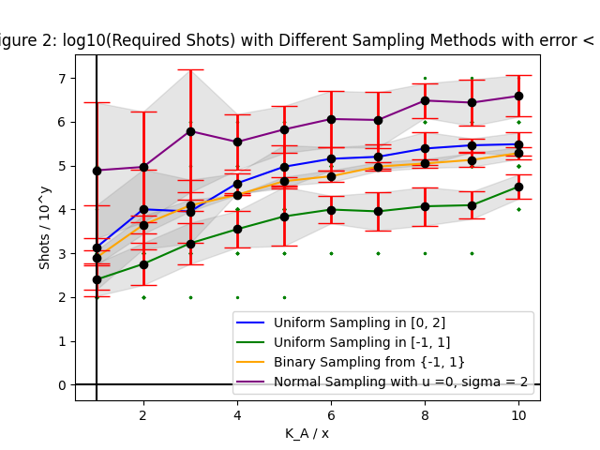

This is the comparison between different sampling heuristics and their effects to the required shots to get an error less than 0.1.

CQS-Loss-Depth-22
Experiment Result 22: Loss and Depth (Correct)
Description: Benchmark 9: CQS works. The difference between Hadamard tests and matrix multiplication is low.
Parameters:
Dimension of A | Shots | Number of Decomposition Terms | Expected Error
2^5 | 10^4 | 3 | <=0.1
Qubits are tagged as: ['Q0', 'Q1', 'Q2', 'Q3', 'Q4'] Coefficients of the terms are: [1, 0.2, 0.2] Decomposed unitaries are: [[['I', 'I', 'I', 'I', 'I']], [['X', 'Z', 'I', 'I', 'I']], [['X', 'I', 'I', 'I', 'I']]]
Tree Depth / Iter | Loss (Hadamard Test) | Loss (Matrix Multiplication)
1 | 0.14557820106 | 0.13793103448
2 | 0.012157797685 | 4.44E-16
3 | 0.0073845821437 | -2.22E-16

Overall Shots | 10000*954=9540000=9.54*10^6

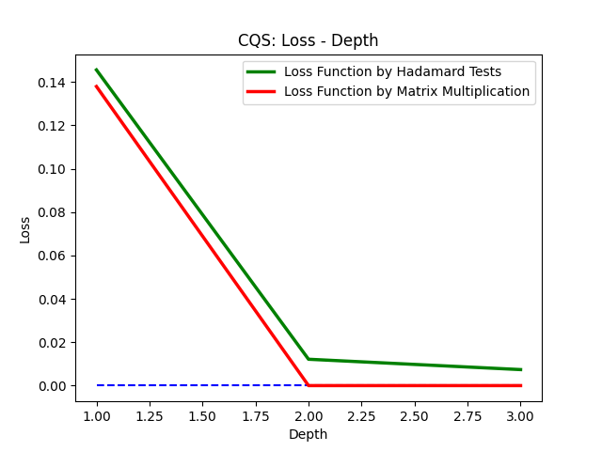

Comments: 1. This is a benchmark for the workable problem in terms of Hadamard tests.

CQS-Loss-Depth-Frugal-Shots
Experiment Result 23: Loss and Depth (Correct)
Description: Benchmark 10: CQS works with shot frugal method.
Parameters:
Dimension of A | Shots Budget | Number of Decomposition Terms | Expected Error
2^5 | 3 * 10^5 | 3 | <=0.1
Qubits are tagged as: ['Q0', 'Q1', 'Q2', 'Q3', 'Q4'] Coefficients of the terms are: [1, 0.2, 0.2] Decomposed unitaries are: [[['I', 'Z', 'I', 'X', 'I']], [['X', 'Z', 'I', 'I', 'Z']], [['X', 'I', 'I', 'Y', 'I']]]
Tree Depth / Iter | Loss (Hadamard Test with Shot Frugal Method) | Loss (Hadamard Test) | Loss (Matrix Multiplication)
1 | 1.0020437697 | 1.000110787 | 1.00E+00
2 | 0.065187990996 | 3.94E-02 | 0.068965517241
3 | 0.093091159392 | 3.49E-02 | 0.037037037037
4 | -0.010760356867 | 1.7535642854 | 0
5 | -0.037779972527 | 0.32368398208 | -2.22E-16

Overall Shots | 3 * 10^5
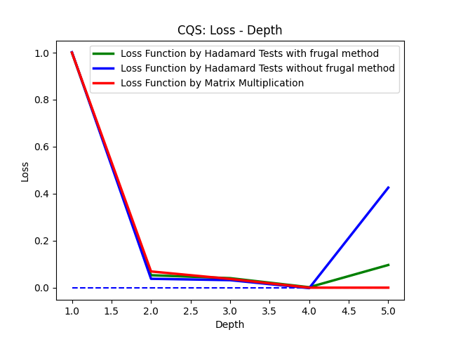
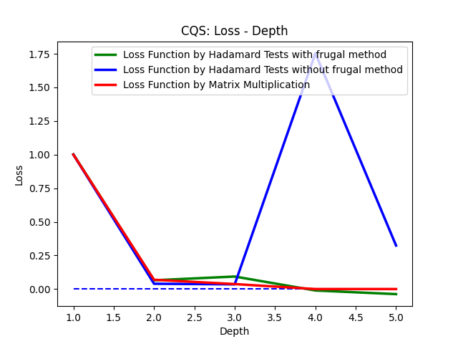

Comments: 1. This is a benchmark for the shot frugal method.

CQS-Loss-Depth-Frugal-Shots-2
Experiment Result 24: Loss and Depth (Correct)
Description: Benchmark 11: CQS works with shot frugal method.
Parameters:
Dimension of A | Shots Budget | Number of Decomposition Terms | Expected Error
2^5 | 10^6 | 3 | <=0.1
Qubits are tagged as: ['Q0', 'Q1', 'Q2', 'Q3', 'Q4'] Coefficients of the terms are: [1, 0.2, 0.2] Decomposed unitaries are: [[['I', 'I', 'I', 'I', 'I']], [['X', 'Z', 'I', 'I', 'I']], [['X', 'I', 'I', 'I', 'I']]]
Tree Depth / Iter | Loss (Hadamard Test with Shot Frugal Method) | Loss (Hadamard Test) | Loss (Matrix Multiplication)
1 | 0.16785860764 | 0.12242764342 | 1.38E-01
2 | 0.027970664535 | 9.11E-02 | 4.44E-16
3 | -0.0021083294789 | 8.28E-02 | -2.22E-16

Overall Shots | 10^5
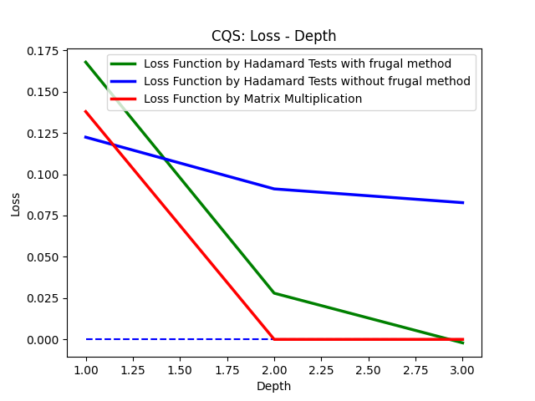

Comments: 1. This is a benchmark for the shot frugal method.

SGD-Loss-Depth-1
SGD Experiment Result 1: Loss and Depth (Correct)
Description: In this experiment, the problem is efficiently solved by the stochastic gradient descend method with l1 sampling heuristics.
Parameters:
Dimension of A | Shots | Number of Decomposition Terms | Expected Error
16 | 5000 | 3 | <=0.1
Qubits are tagged as: ['Q0', 'Q1', 'Q2', 'Q3'] Coefficients of the terms are: [0.7014609255684336, 1.8406591141337538, 1.486197103450586] Decomposed unitaries are: [[['I', 'Y', 'Z', 'X']], [['Z', 'I', 'I', 'I']], [['X', 'X', 'I', 'X']]] The vector on the right hand side of the equation is: [1 0 0 0 0 0 0 0 0 0 0 0 0 0 0 0]

Number of Steps: 100 10 Samples for Each Step Left: Loss - Step; Right: Average Loss - Step
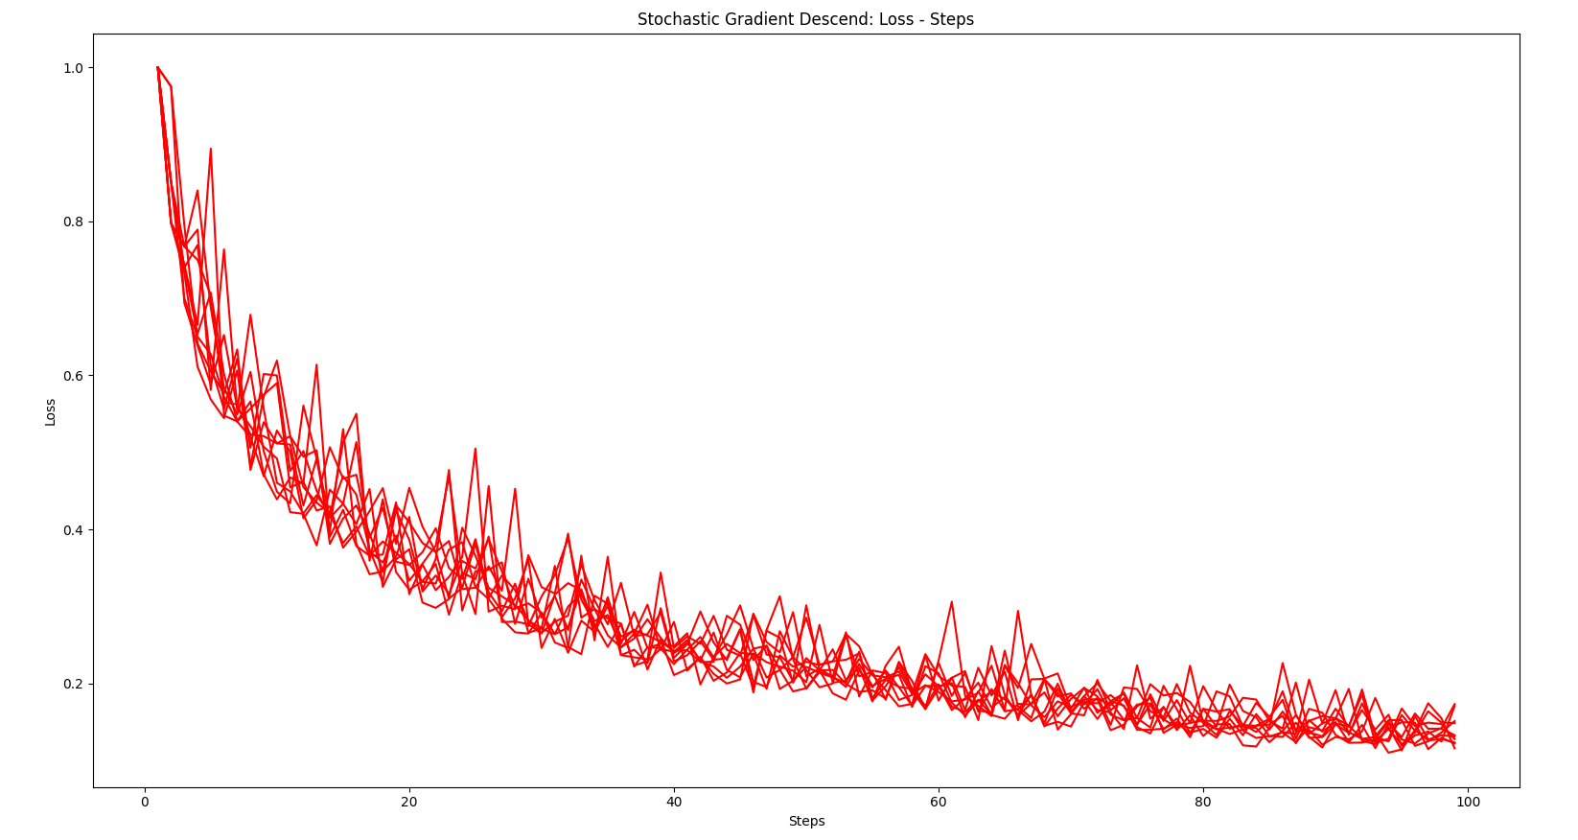
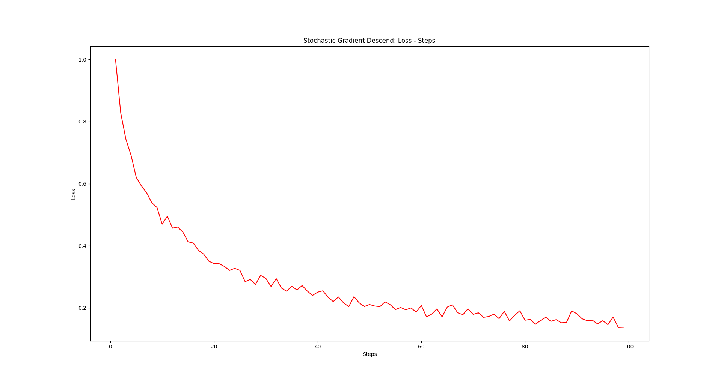

Comments: 1. The problem is efficiently solvable with the stochastic gradient descent method with l1 sampling heuristics. But the condition is that in order to find a proper learning rate, the optimal solution to the problem should be pre-known to us. eta? --> L2 --> |x(t) - x*| <= L2 2. When eta = L2 / (B * \sqrt(N)), the upper bound in the reference has the minimum value of (L2 * B) / sqrt(N). So it is intuitively converged when N grows larger. 3. And for our problem, the epsilon equals 0. 4. This method is based on E(W1 W2) = E(W1) * E(W2). Since W1 and W2 are independent samplings, it should be correct.

SGD-Loss-Depth-2
SGD Experiment Result 2: Loss and Depth (Wrong)
Description: In this experiment, the number of decomposition terms is set to be larger and the depth is also set to be larger, so as to test the performace when the problem is much more complex.
Parameters:
Dimension of A | Shots | Number of Decomposition Terms | Expected Error
16 | 5000 | 50 | <=0.1
Qubits are tagged as: ['Q0', 'Q1', 'Q2', 'Q3'] Coefficients of the terms are: [0.15429960660580466, 1.333798117863104, 0.9518965414859735, 0.1694670537290317, 1.3619945744804836, 1.0999345379870193, 1.6221989126432153, 1.0788440668620527, 1.9849284479444542, 1.1908908584078373, 1.2485187685057266, 1.0922371533173627, 0.6106436202040169, 1.3131623586522785, 1.5999302469266101, 0.07860866385451071, 1.3950591738989244, 0.5428657882649355, 0.41109079058149445, 1.4955563443734419, 0.9944613626621632, 0.8698587425042084, 0.5625510012639294, 0.5882935766784261, 0.07643651883512348, 0.6387689837643593, 1.6713144331933243, 1.5737820918995604, 0.7458725642586201, 0.5762004307462623, 0.4390452512596259, 0.11315438098815567, 0.43920520529886087, 1.9382577910829426, 0.21231109335108966, 1.1649147371627322, 1.1171139455377102, 1.7204730895387577, 1.0732986043778734, 0.8013997316405204, 1.0667289593936375, 1.1399472241206272, 0.32330480649116833, 1.5921157368556818, 1.3372154356366053, 0.09615841396875147, 1.0409298578246564, 0.1318623895834976, 0.07370433601965876, 1.4938929166800752] Decomposed unitaries are: [[['I', 'I', 'Z', 'Y']], [['X', 'Y', 'Z', 'I']], [['I', 'X', 'Y', 'Y']], [['Y', 'Y', 'Z', 'I']], [['Z', 'Y', 'I', 'I']], [['I', 'X', 'I', 'I']], [['Z', 'Y', 'I', 'Y']], [['Y', 'Z', 'X', 'Z']], [['Z', 'Z', 'I', 'I']], [['Z', 'Z', 'Z', 'I']], [['X', 'Y', 'Z', 'I']], [['I', 'I', 'I', 'Y']], [['X', 'Y', 'Z', 'I']], [['Z', 'X', 'Y', 'Z']], [['Y', 'X', 'Y', 'Z']], [['Z', 'X', 'X', 'Z']], [['I', 'Y', 'X', 'I']], [['I', 'X', 'Z', 'Y']], [['Y', 'I', 'Z', 'Z']], [['X', 'X', 'X', 'I']], [['Z', 'I', 'Z', 'Y']], [['Y', 'Y', 'Y', 'I']], [['Z', 'X', 'Z', 'I']], [['Y', 'Z', 'I', 'Y']], [['Y', 'I', 'X', 'Y']], [['X', 'Z', 'Z', 'Y']], [['X', 'Y', 'Z', 'Y']], [['I', 'X', 'Z', 'Y']], [['Y', 'Y', 'Y', 'Z']], [['Z', 'X', 'I', 'X']], [['Y', 'Y', 'Z', 'I']], [['I', 'Z', 'I', 'X']], [['X', 'Y', 'I', 'Y']], [['X', 'Z', 'I', 'X']], [['Z', 'I', 'I', 'Z']], [['I', 'Z', 'Z', 'I']], [['I', 'I', 'Z',

Number of Steps: 1000 1 Sample for Each Step Loss-Depth
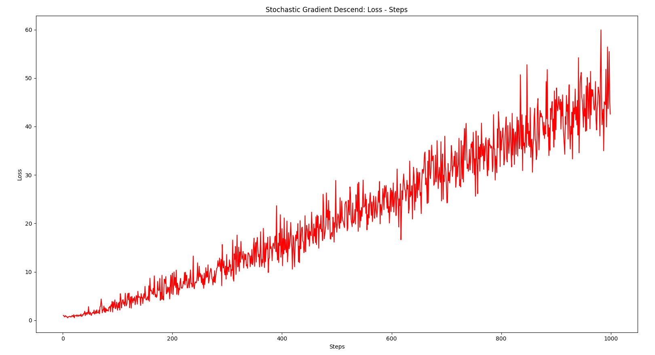

Comments: 1. Due to the large number of decomposition terms, the probability for each unitary is quite small. And the differences are also small. 2. So due to lack of enough sampling for each step, the error is quite large.

SGD-Loss-Depth-3
SGD Experiment Result 3: Loss and Depth (Correct)
Description: In this experiment, the sampling for each step is set to be large enough to obtain the average loss (20 samples for each step).
Parameters:
Dimension of A | Shots | Number of Decomposition Terms | Expected Error
16 | 5000 | 50 | <=0.1
Qubits are tagged as: ['Q0', 'Q1', 'Q2', 'Q3'] Coefficients of the terms are: [0.005443042796637654, 1.2269314466113315, 0.6076537766675654, 0.32177722978790446, 0.654320916725559, 1.6833997406293593, 0.7909895565123546, 1.6121669856836645, 0.20901295837543898, 1.2019686037871407, 0.4777284451971857, 1.810962553168292, 1.9772119324666433, 1.0107495877516306, 0.7982129656576022, 0.2459430238619087, 0.5301500017140408, 1.681769040069303, 0.3158779056559533, 1.3424982480962928, 0.7974835474100457, 1.4518727274841705, 1.9361903124878272, 0.1613233356929511, 1.4105231903130635, 0.4234066422960985, 1.6589299675318887, 0.6246799930662694, 1.2717995762278238, 0.06341017484288591, 0.6310202930149031, 0.8636778365067035, 0.3021601925496855, 1.3681255233488268, 0.2618835935490993, 0.1956570484081661, 1.1120924891577935, 0.07516857923516951, 1.2390081436626281, 1.1733629298706596, 0.8861247663449718, 1.9005017714765735, 1.9661684784746278, 1.9949676649727, 1.5675785335191381, 0.1975210675260204, 1.8138700750277892, 0.9171773644675931, 0.4524190582855365, 1.1694440236813586] Decomposed unitaries are: [[['Y', 'Y', 'I', 'Z']], [['I', 'Y', 'I', 'Z']], [['I', 'I', 'I', 'X']], [['Y', 'Z', 'Z', 'I']], [['Y', 'Z', 'X', 'I']], [['Y', 'I', 'Y', 'Z']], [['Y', 'I', 'I', 'I']], [['X', 'Y', 'X', 'Y']], [['Y', 'I', 'Z', 'Y']], [['I', 'X', 'Y', 'Y']], [['X', 'Y', 'X', 'I']], [['Y', 'Y', 'X', 'Y']], [['I', 'I', 'Y', 'I']], [['I', 'Y', 'X', 'Y']], [['X', 'Y', 'X', 'I']], [['Y', 'I', 'Z', 'X']], [['Z', 'X', 'I', 'Z']], [['X', 'Z', 'Z', 'X']], [['Y', 'I', 'Y', 'Y']], [['X', 'X', 'Y', 'Y']], [['Z', 'I', 'X', 'X']], [['X', 'Y', 'X', 'X']], [['Z', 'Z', 'Z', 'I']], [['I', 'Y', 'Z', 'X']], [['X', 'I', 'X', 'X']], [['Y', 'Z', 'I', 'Y']], [['X', 'I', 'Z', 'I']], [['I', 'Y', 'X', 'Y']], [['Y', 'I', 'X', 'X']], [['X', 'X', 'I', 'X']], [['Z', 'Y', 'Y', 'Y']], [['X', 'I', 'I', 'Y']], [['X', 'Z', 'X', 'Z']], [['I', 'X', 'I', 'X']], [['Y', 'I', 'Y', 'I']], [['I', 'X', 'Y', 'X']], [['Z', 'Z', 'I', 'Y']], [[

Number of Steps: 25 400 Sample for Each Step Average Loss - Step
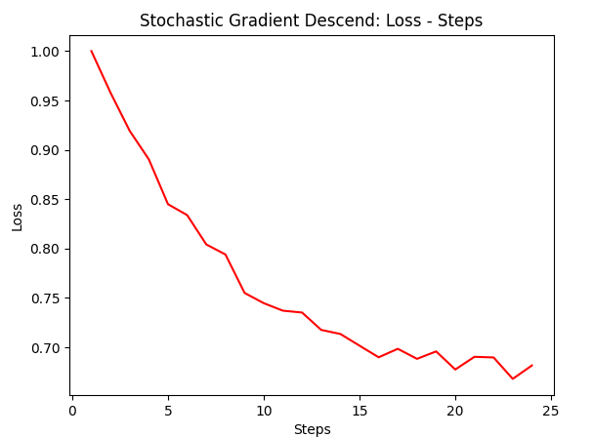

Comments: 1. Although the Depth is not enough to arrive at a lower error, the gradient descend tendency is correct. 2. Be mindful that the proposition 4.2 in the reference is the expectation of loss function. So for each N, we need to repeatedly execute the program to calculate the loss function and then we can obtain the average of loss function as expectation.

SGD-Loss_Depth-4
SGD Experiment Result 4: Loss and Depth (Correct)
Description: This is a standard experiment for benchmark as the criterion. Parameters are well selected.
Parameters:
Dimension of A | Shots | Number of Decomposition Terms | Expected Error
64 | 5000 | 20 | <=0.1
Qubits are tagged as: ['Q0', 'Q1', 'Q2', 'Q3', 'Q4', 'Q5'] Coefficients of the terms are: [1.9877938788928537, 1.1912622847680985, 0.33363440842532377, 1.3287771591497692, 0.3417267818451277, 1.1543020191223765, 0.5161157668908152, 1.4486276002851493, 0.526539086729398, 1.3368160781544272, 0.8609268125913512, 0.3507110714092174, 1.0398500164815465, 1.7871768117732163, 0.9190028766853167, 1.6456111475794233, 1.5967890125547888, 1.3114785969176637, 0.2234998256064229, 1.0623197810638703] Decomposed unitaries are: [[['Z', 'Z', 'Z', 'Z', 'I', 'Y']], [['Y', 'X', 'I', 'Y', 'I', 'X']], [['I', 'X', 'Y', 'Y', 'X', 'Y']], [['I', 'X', 'I', 'I', 'Z', 'Z']], [['X', 'Z', 'X', 'X', 'I', 'Y']], [['X', 'Z', 'X', 'Z', 'I', 'I']], [['I', 'Y', 'I', 'X', 'X', 'I']], [['X', 'X', 'I', 'X', 'Z', 'Z']], [['X', 'Y', 'I', 'Z', 'X', 'I']], [['Y', 'X', 'I', 'Y', 'X', 'Z']], [['Y', 'Y', 'I', 'X', 'I', 'Y']], [['Y', 'Z', 'Z', 'Z', 'Y', 'Z']], [['Y', 'Z', 'I', 'Y', 'Z', 'X']], [['I', 'I', 'Y', 'I', 'Z', 'Y']], [['I', 'X', 'Z', 'X', 'Y', 'X']], [['Y', 'Y', 'Z', 'Z', 'X', 'Z']], [['Z', 'Y', 'I', 'I', 'Z', 'Z']], [['Y', 'I', 'Y', 'Z', 'Z', 'X']], [['Z', 'I', 'Y', 'X', 'I', 'Y']], [['X', 'I', 'X', 'Z', 'Y', 'Y']]] The vector on the right hand side of the equation is: [1 0 0 0 0 0 0 0 0 0 0 0 0 0 0 0 0 0 0 0 0 0 0 0 0 0 0 0 0 0 0 0 0 0 0 0 0 0 0 0 0 0 0 0 0 0 0 0 0 0 0 0 0 0 0 0 0 0 0 0 0 0 0 0]

Number of Steps: 25 200 Sample for Each Step Average Loss - Step
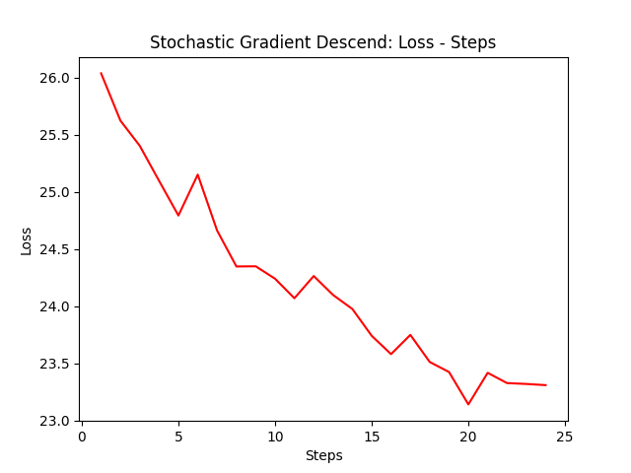

Comments:

