Sheet4
hcc | 0.2

Trial 1 (h1) Didn’t complete |  |  | Trial 2 (h2) |  |  | Trial 3 (h3)
N_cells | 10 |  | N_cells | 20 |  | N_cells | 40
h_1 | 0.02 |  | h_2 | 0.01 |  | h_3 | #REF!
m_dot_primary | -6.11528451E-09 |  | m_dot_primary | -1.389489157E-09 |  | m_dot_primary
m_dot_secondary RHS | -2.54709288E-10 |  | m_dot_secondary RHS | -5.83656055E-11 |  | m_dot_secondary RHS
m_dot_secondary_LHS | -2.597098121E-10 |  | m_dot_secondary_LHS | -5.9287112934E-11 |  | m_dot_secondary_LHS
m_dot_outlet RHS | -5.01032127E-09 |  | m_dot_outlet RHS | -1.07193485E-08 |  | m_dot_outlet RHS
m_dot_outlet LHS | -3.570578854E-09 |  | m_dot_outlet LHS | -1.048612233E-08 |  | m_dot_outlet LHS
m_dot_net | 1.9511965139E-09 |  | m_dot_net | 1.9698328955E-08 |  | m_dot_net

Caubel flow rates
Cubic feet /min | cubic ft /s | cubic m /s |  | Trial 4 (h4)
0.75 | 0.0125 | 0.0003539605824 |  | N_cells | 5
1 | 0.016666666667 | 0.0004719474432 |  | h_1 | 0.04
1.25 | 0.020833333333 | 0.000589934304 |  | m_dot_primary | -2.219995541E-08
 |  |  |  | m_dot_secondary RHS | -1.044652537E-09
 |  |  |  | m_dot_secondary_LHS | -1.044652537E-09
 |  |  |  | m_dot_outlet RHS | 1.7237E-09
 |  |  |  | m_dot_outlet LHS | 1.7237E-09
 |  |  |  | m_dot_net | -2.7736660484E-08

 | GCI Trend
0.04 | -2.7736660484E-08
0.02 | 1.9511965139E-09
0.01 | 1.9698328955E-08

 |  |  | v | A (prim) | rho | m_dot_primary
 |  |  | 0.567 | 0.0013 | 1.0125 | 0.00074631375

 |  |  | 0.0007371

 |  | v_second_y | v_second_x | A second | Qx |  | angle | deg
 |  | 3.86 | -2.2281 | 7.853981634E-05 | -0.00017499456479 |  | -1.0472892735 | -60.0052553

Sheet2
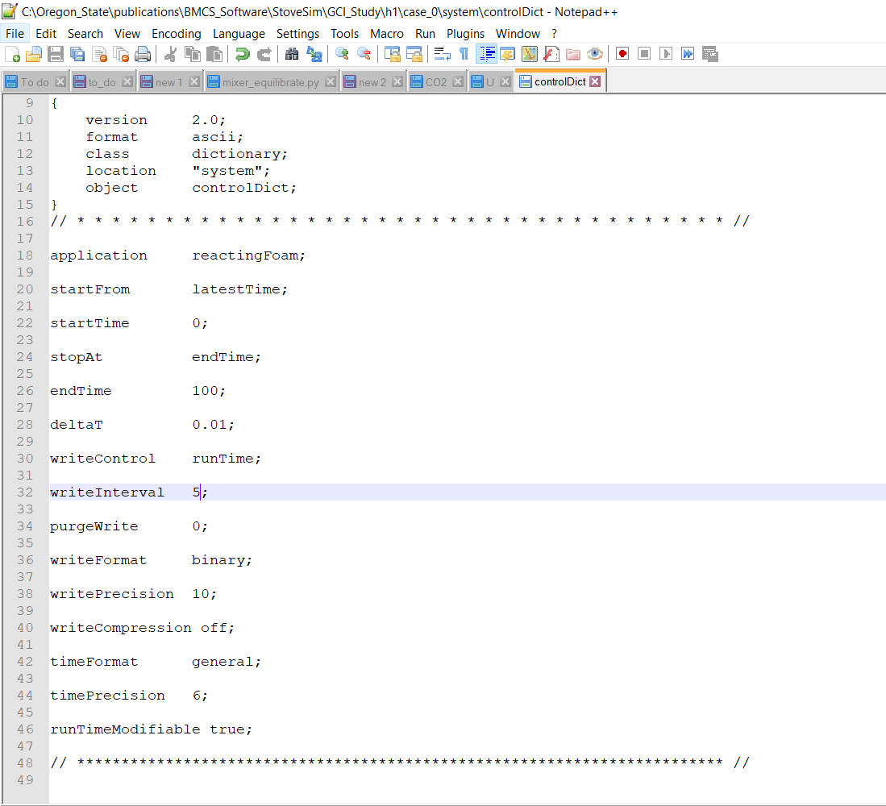

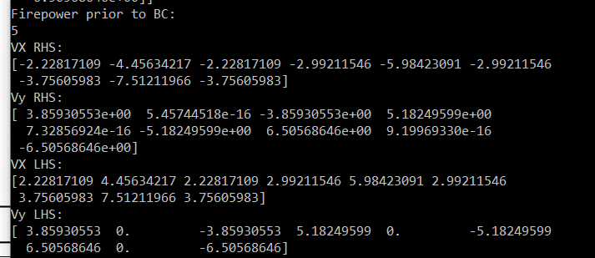

Simulation for GCI | m/s
Vx_rhs | -2.2281
Vy_rhs | 3.86
Vx_lhs | 2.23E+00
Vy_lhs | 3.86

