Literature
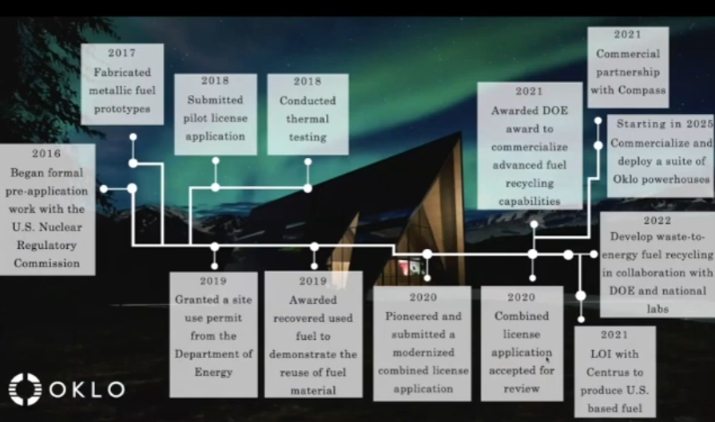
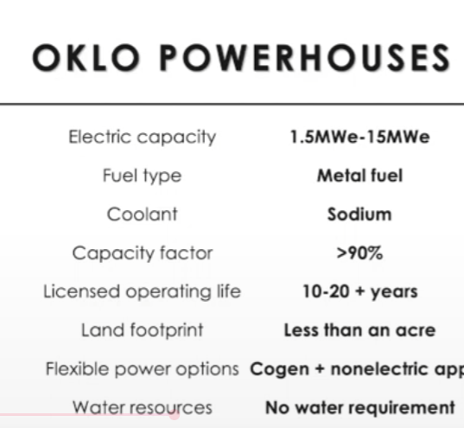
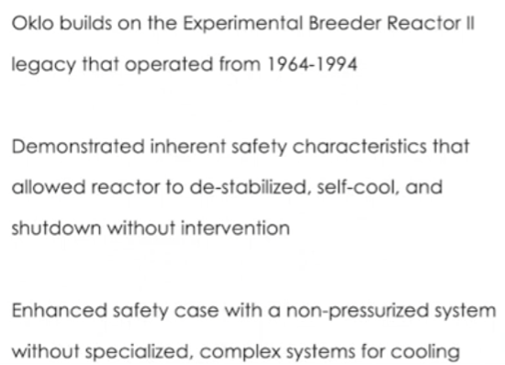
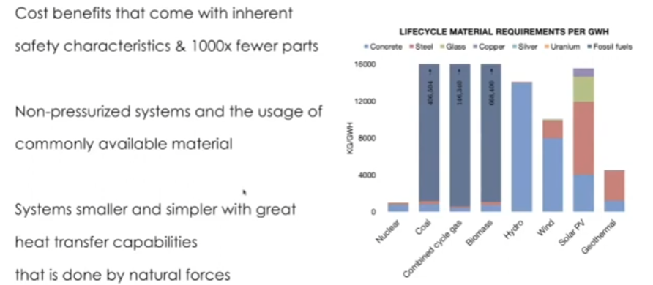
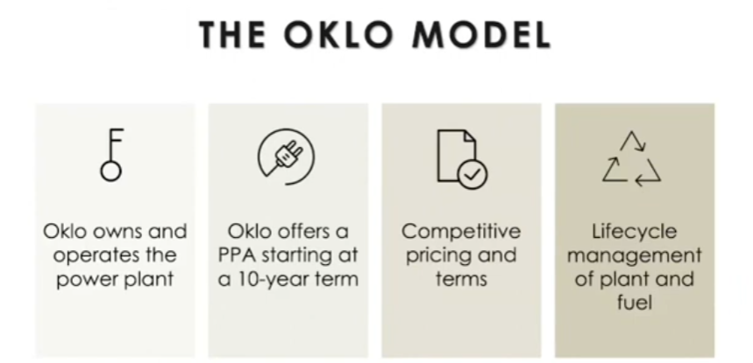
Main
 | HALEU Risky
 | OKLO uses fast reactors, liquid sodium coolant, sodium operates at high temperatures without being pressurized (simplier, smaller, cheaper)
 | compatible with commonly avaliable alloys
 | self-cooling, self-stabilizing, fuel recycling; thermal expansion, thermal conduction, thermal convection
 | operating capicity factors, low dose rates

 | energy transition will take decades
 | 95% of nuclear waste can be recycled
 | 2022 interview w/ CEO Jacob DeWitte

 | 30-40m per reactor 15mW
 | 10-20 years lifespan
 | <4-5c / kWh price; compared to ~13.63c / kWh as of June 2025 on average for commerical 9c / kWh for industrial

 | 80% | Industrial energy cost vs. OKLO reactors
 | 172% | Commerical energy cost vs. OKLO reactors
 |  | energy margins are likely low? So OKLO reactors are ~2x or more on average more cost effective, more space effective, green energy, no pollution?

 | Naturally stops itself from being critical? And naturally cools?
 | AURORA reuse fuel
 | "over 100 years of powering the US stored in nuclear waste that can be recycled"

 | Fast vs. Slow reactor
 | Slow reactors: bounce off hydrogen in water easier to be caught by atoms (need less fuel)
 | Fast: carry more energy, split more (transuranicactonites) = use more waste efficiently

 | Safest form of energy

 | "10-100x" less land to use
 | Other clean energies? Solar: way too much space used, dams: too little areas where you can build one, windmills?

 | Big thing is building out manufacturing capabilities

 | NRC denied application 2022; Since the NRC was founded in 1974 no plant that has submitted its initial original plant application has come online
 | Atomic Energy Commission (AEC) 1946-1974 disbanded
 | ERDA: Nuclear R&D
 | Atomic Energy Act of 1946
 | Atomic Energy Act of 1954: Permitted private ownership of nuclear power plants, gave regulatory and licensing authority to AEC
 | Energy Reorginization Act of 1974: Abolished AEC, formed NRC
 | NRC: President and senate appoint spots

 | Research:
 | EBR2 reactor in 1960s in Idaho; ran for 30 years April 3rd 1986 full-scale safety tests
 | 3c/kWh, removed its own waste |  |  |  | didn’t get to market because of "regulatory side"

 | Government nuclear regulations?
 | OKLO patents?
 | Trump BBB / AI new regulatory approach to promote nuclear energy

 | Current energy demand

 | AI/Cloud Server Energy demand expansion
 | Main growth factor: Datacenters (low space, lots of cheap energy, unmet energy demand by local providers) datacenters also need full 100% energy input 24/7 unlike grids which lack during some hours

 | Enrico Fermi - Fast reactors

 | Literature
 |  | Read | Topic | Title
 |  |  | Energy Pricing | https://www.eia.gov/electricity/monthly/update/end-use.php
 |  |  | CEO Interview | https://www.youtube.com/watch?v=tXbWC1mDrl4
 |  |  |  | https://www.nrc.gov/about-nrc.html

