Blarcamesine
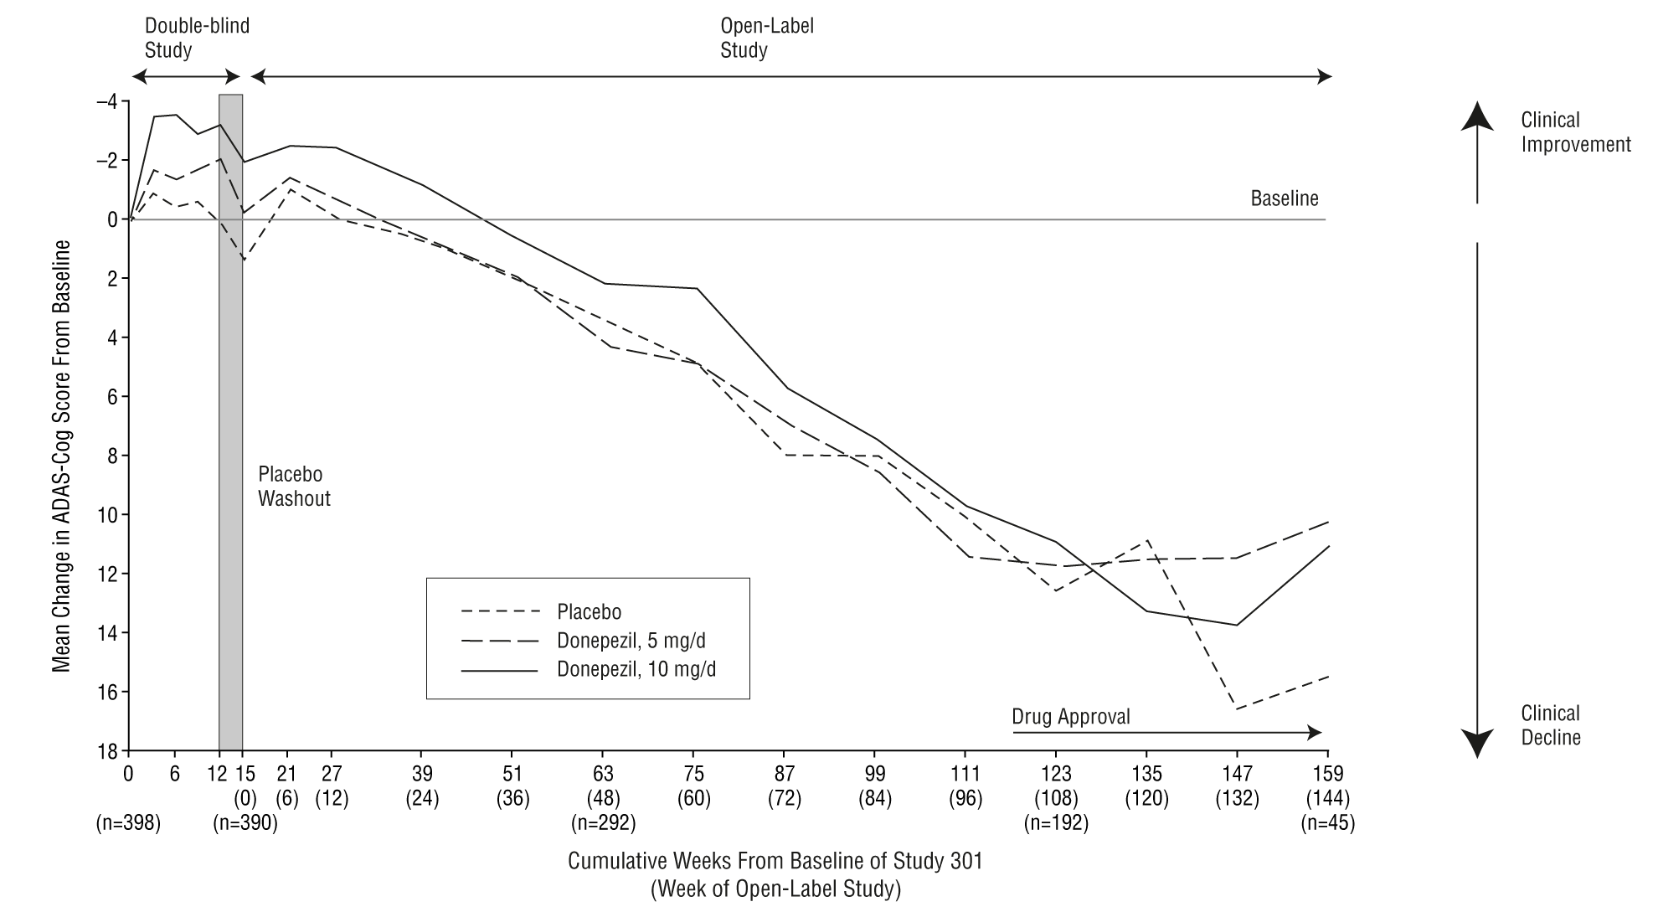
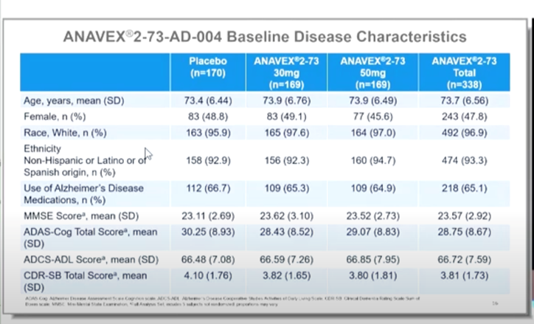
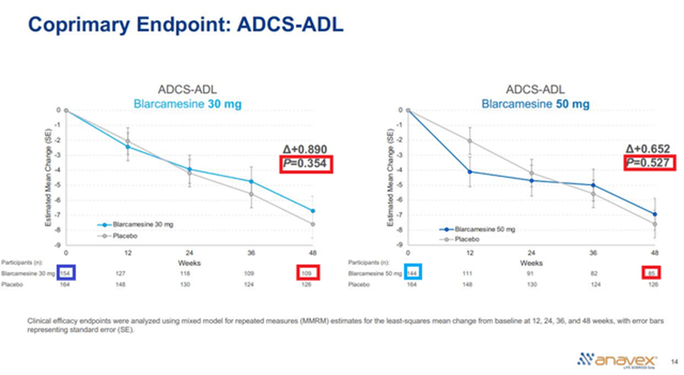
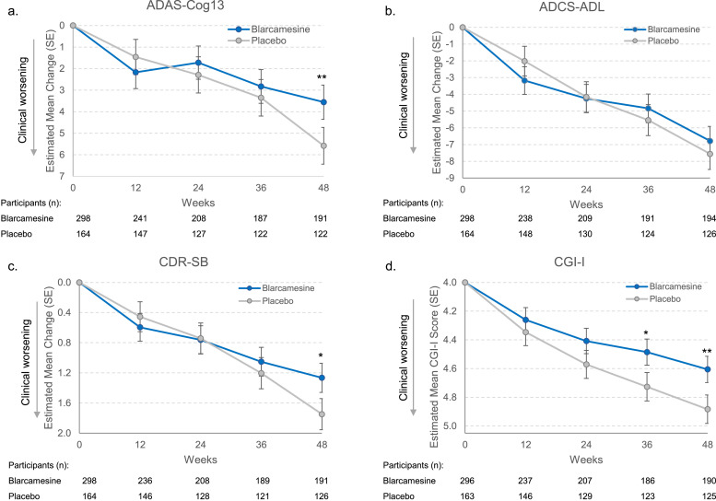
Main
 | Brand | ANAVEX 2-73
 | Generic | Blarcamesine
 | Indication | AD, PD, Rett Syndrome
 | MOA | SIGMA-1 agonist
 | Regulatory | EMA filed; not filed FDA yet
 | Clinical Trials
 |  | Phase IIB/III OLE "ATTENTION-AD" in Alzheimer's n=300 NCT:NCT04314934

 |  | Phase IIB/III "" in Alzheimer's n=509 NCT:NCT03790709
 |  | blarcamesine 50mg vs. blarcamesine 30mg vs. placebo
 |  | Co-primary endpoint changed from ADAS-Cog13+ADCS-ADL to ADAS-Cog+CDR-SB
 |  | ADCS-ADL failed blamed sensitivity of scale

 |  | S.S. in ADAS-Cog at week 48 but not 12-36; Failed to meet co-primary endpoint ADCS-ADL
 |  | "Most enrolled participants would be characterized as early AD (Stage 3) [38] with base- line MMSE score 20–28, and the majority were on background ther- apy of cholinesterase inhibitors (ChEIs) and/or memantine to treat AD "
 |  | "For the primary analysis, the model assumed the missing data to be missing at random without imputation"
 |  | Tipping point analysis assumed MNAR and claimed "robustness" for a worsening of 1.9 points which is plausible since it is still performing better than placebo
 |  | Author declined to post SAP or protocol for statistical analysis and assumptions

 |  |  | ADAS-COG (higher is worse) |  |  | ADCS-ADL (lower is worse) |  |  | CDR-SB (higher is worse) |  |  | CGI-I (higher is worse)
 |  |  | Week 48 |  |  | Week 48 |  |  | Week 48 |  |  | Week 48
 |  | Placebo | 5.582 |  |  | -7.560 |  |  | 1.749 |  |  | 4.883
 |  | 30mg blarcamesine | 3.650 | p=0.026 |  | -6.702 | p=0.354 |  | 1.253 | p=0.020 |  | 4.634 | p=0.024
 |  | 50mg blarcamesine | 3.436 | p=0.021 |  | -6.940 | p=0.527 |  | 1.290 | p=0.045 |  | 4.568 | p=0.008

 |  | biomarker Abeta42/40 ratio S.S. p=0.048; other biomarkers not S.S. (p-Tau 181;231, and Nf-L plasma levels)

 |  | high AE, large missing data mITT 462 vs ITT 508; imputed to be MAR
 |  |  | TEAE discont. | n
 |  | 50mg | 67 | 168 | 40%
 |  | 30mg | 41 | 167 | 25%
 |  | placebo | 12 | 168 | 7%

 |  | FDA may consider approval with only one co-primary endpoint in Early stages 1 and 2 and early 3 with robust evidence
 |  | Lecanemab was approved with primary endpoint of CDR-SB but had very strong data and early significance
 |  | NO USA sites, most in Australia??? |  | "5 months until database lock even cassava didn’t need that"

 |  | https://www.sciencedirect.com/science/article/pii/S2274580724006083?via%3Dihub
 |  | Phase II/III "EXCELLENCE"in Rett Syndrome n=92 NCT:NCT04304482
 |  | Failed PE

 |  | Phase II "ANAVEX2-73-PDD-001" in PD w/ Dementia n=132 NCT:NCT04575259

 |  |  | 2025 | 2026 | 2027 | 2028 | 2029 | 2030 | 2031 | 2032 | 2033 | 2034 | 2035 | 2036 | 2037 | 2038 | 2039 | 2040 | 2041 | 2042
 |  | US Patient Pool | 2,000 | 2,100 | 2,205 | 2,315 | 2,431 | 2,553 | 2,680 | 2,814 | 2,955 | 3,103 | 3,258 | 3,421 | 3,592 | 3,771 | 3,960 | 4,158 | 4,366 | 4,584
 |  | Treated | 2,000 | 2,100 | 2,205 | 2,315 | 2,431 | 2,553 | 2,680 | 2,814 | 2,955 | 3,103 | 3,258 | 3,421 | 3,592 | 3,771 | 3,960 | 4,158 | 4,366 | 4,584
 |  | Price | 32 | 32 | 32 | 32 | 32 | 32 | 32 | 32 | 32 | 32 | 32 | 32 | 32 | 32 | 32 | 32 | 32 | 32
 |  | Revenue | 0 | 67,200 | 70,560 | 74,088 | 77,792 | 81,682 | 85,766 | 90,054 | 94,557 | 99,285 | 104,249 | 109,462 | 114,935 | 120,682 | 126,716 | 133,051 | 139,704 | 146,689

 |  | Discount | 8%
 |  | NPV | 789

 | Studies:
 | https://pmc.ncbi.nlm.nih.gov/articles/PMC9661329/
 | https://www.thelancet.com/journals/eclinm/article/PIIS2589-5370(21)00268-6/fulltext
 | https://www.sciencedirect.com/science/article/pii/S2274580725000810?via%3Dihub

 |  | higher AB1-42 is longer and tends to aggregate and form plaques worsening AD
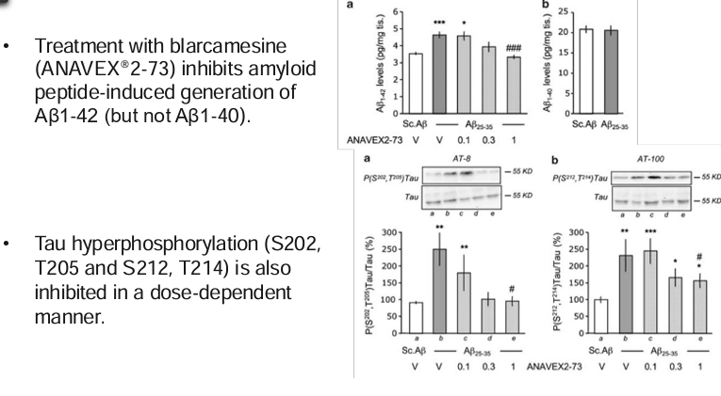

 |  |  |  | Blarcamine 30mg |  | Blarcamine 50mg |  | Blarcamine Group |  | Placebo

Supplemental
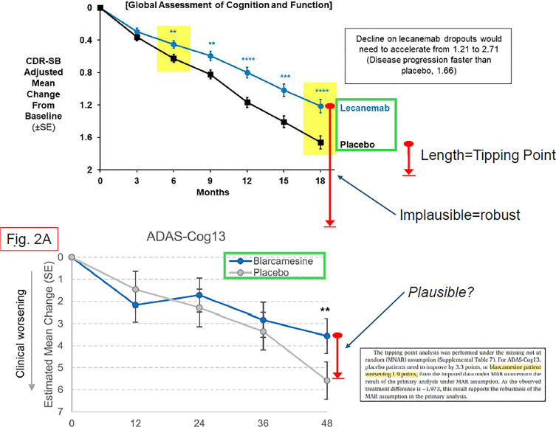
Main
 | SIGMAR1 not proven to be effective in many cases
 | drug only filed in EMA? And not filed in the biggest market USA

 | Tipping point analysis non-plausibility

 | https://doi.org/10.1080/10543406.2022.2058525
 | https://phuse.s3.eu-central-1.amazonaws.com/Archive/2024/Connect/EU/Strasbourg/PAP_AS08.pdf
 | https://ww2.amstat.org/meetings/biop/2019/onlineprogram/ViewPresentation.cfm?file=301002.pdf
 | https://cdn.clinicaltrials.gov/large-docs/92/NCT03759392/SAP_001.pdf

 | ITT population discrepentcies:
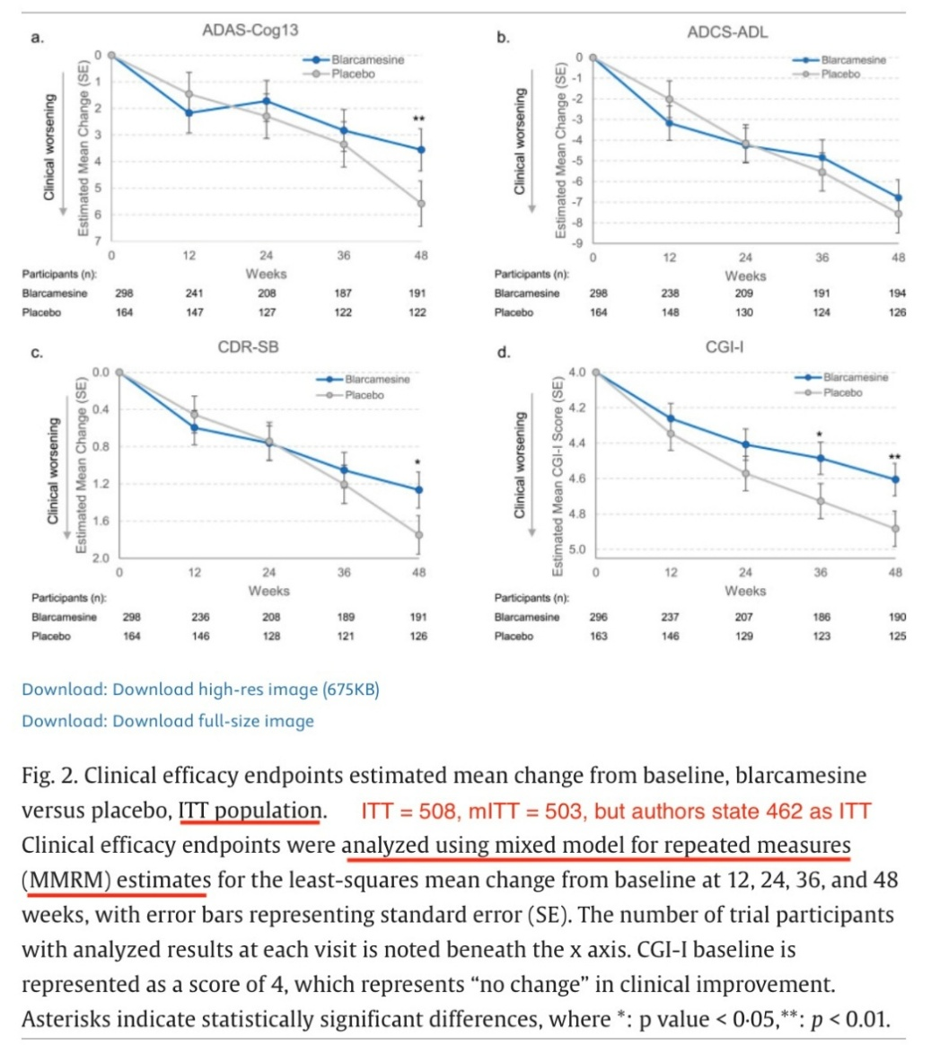

 | Criticisim:
 | https://www.sciencedirect.com/science/article/pii/S2274580725000810

 | Response to criticism:
 | Marwan Noel Sabbagh a leading "Scientific Advisor" for ANAVEX and part of the Phase IIB/III trial:
 | https://www.sciencedirect.com/science/article/pii/S2274580725000809

 | According to regulations 42 CFR 11.44 and 42 CFR 11.52 the SAP should be made public but they havent
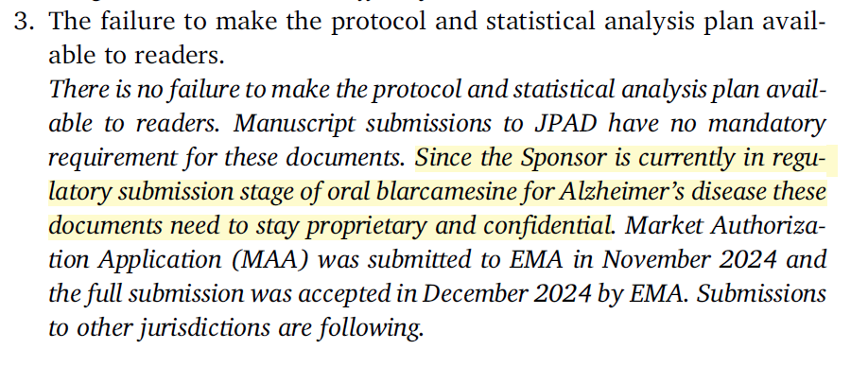

 | However there is no regulation saying you cannot make the SAP and protocol public
 | EMA does not require public disclosure of SAP however FDA does alongside protocols

 | Author response:
 | "Preliminary data present previously were not final and are outside the scope of this publication"
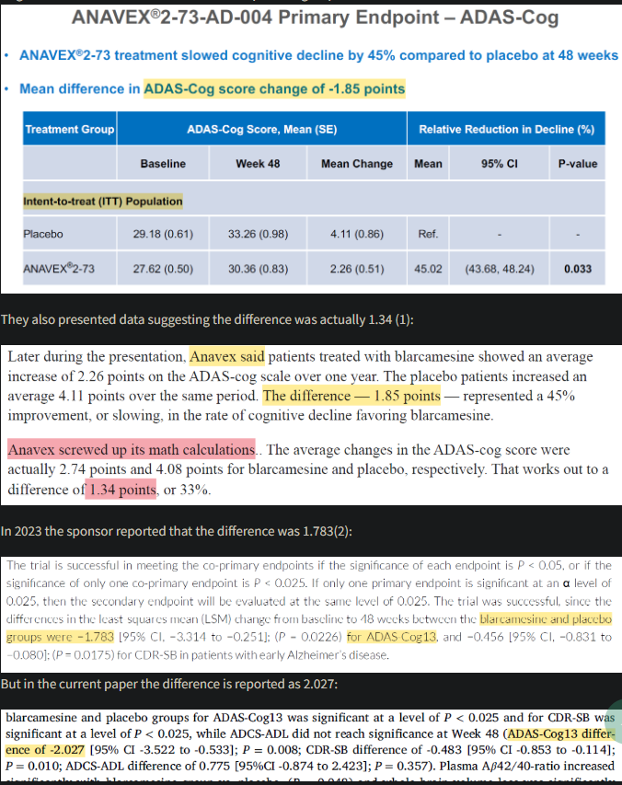

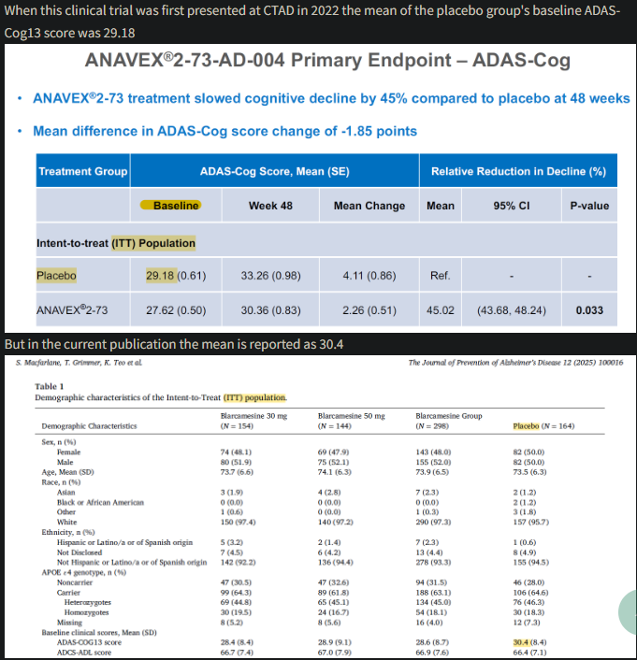

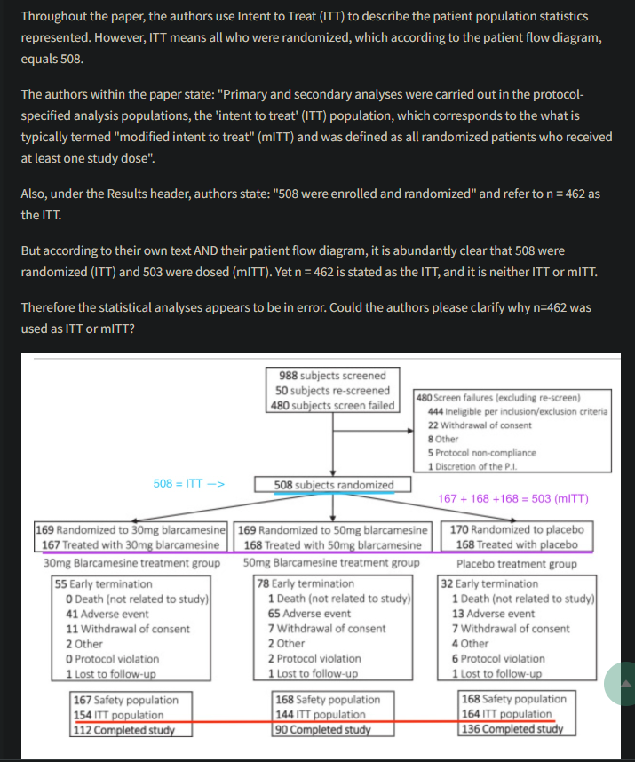

 | Author declined to post SAP or protocol
 | Without access to the SAP the discrepentcies could or could not be valid we wouldn’t know
 | It also goes against standard practice
 | mITT 462 vs 508 randomized (high missing data unclear due to no transparency)
 | High missingness reduces reliability
 | Tipping point analysis only done for ADAS-Cog

 | AVXL claims "current regulatory guidance from the FDA suggests that a sole cognitive endpoint is sufficient for demonstrating significance in early AD study populations"
 | https://www.fda.gov/regulatory-information/search-fda-guidance-documents/early-alzheimers-disease-developing-drugs-treatment

