Literature
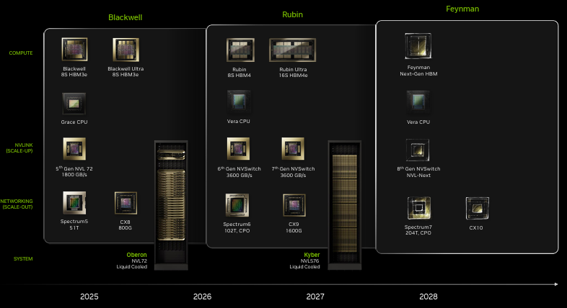
Main
 | Read | Relevance | Topic | Title

