orforglipron
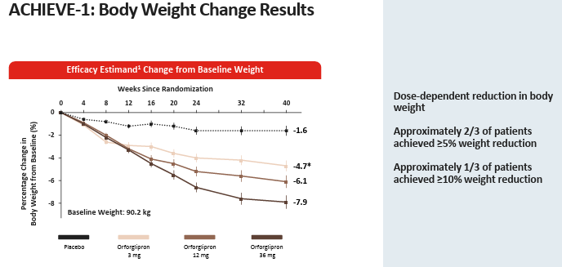
Main
 | Brand
 | Generic | orforglipron
 | Indication | Obesity, Type 2 Diabetes, OSA
 | MOA | GLP-1
 | Regulatory
 | Physiochemistry
 | Dosing | Oral
 | Economics
 | Clinical Trials
 |  | Phase III "ACHIEVE-1" in Obesity? n= NCT:
 |  | S.S?

 |  | Phase III "ATTAIN-1"
 |  | Results Q325

