Main
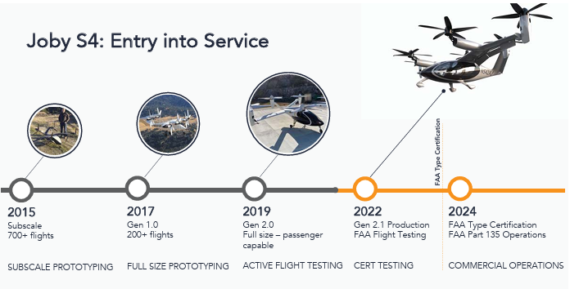
Plane | Regulatory | Price | Range |  | Price | 14.27
Joby S2 |  |  |  |  | Shares | 856 | Q225
Joby S4 (flagship) |  |  |  |  | MC | 12,215
Joby Monarch |  |  |  |  | Cash | 991 | Q225
Joby Lotus |  |  |  |  | Debt | 268 | Q225 | PP&E | 135
 |  |  |  |  | EV | 11,492

 |  |  |  |  | CEO: JoeBen Bevirt
 |  |  |  |  | Founded: 2009

Planned Acquisition of Blade Air Mobility: https://ir.jobyaviation.com/news-events/press-releases/detail/136/joby-to-acquire-blades-passenger-business-accelerating |  |  |  | Problems
Began building of plane for TIA Flight Testing |  |  |  | Regulations for aircrafts and expansion (lots of VTOLS in the sky how will they prevent collisions?)
Goal of FAA certification in late 2025 or 2026? |  |  |  | Energy cost-effectiveness
Defense Applications?:https://ir.jobyaviation.com/news-events/press-releases/detail/135/joby-collaborates-with-l3harris-to-pursue-defense |  |  |  | urban effectiveness vs. rural
Autonomous flying? |  |  |  | limited use cases vs cars or normal taxis
 |  |  |  | Do drivers have to be pilot certified? And it would cost a lot per hour for them

"Joby’s flight time from OAR to MRY was approximately 12 minutes over 10 nautical miles, including 5 minutes in a hold pattern at MRY for air traffic spacing."

2020: Uber Elevate acquired by Joby

2025: Potential Blade Air Mobility acquisition

 |  |  | Management underestimate FAA certification time

