Literature
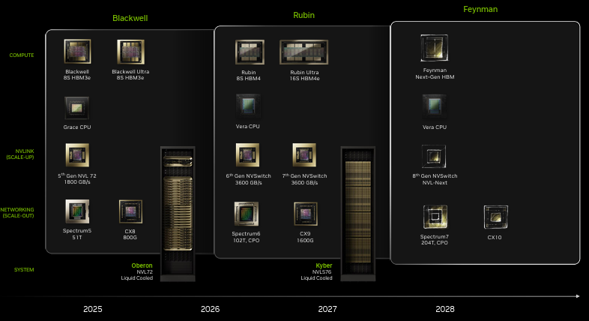
Main
 | Read | Relevance | Topic | Title

 |  | 5 | Economics of AI | https://economics.mit.edu/sites/default/files/2024-04/The%20Simple%20Macroeconomics%20of%20AI.pdf

