Blarcamesine
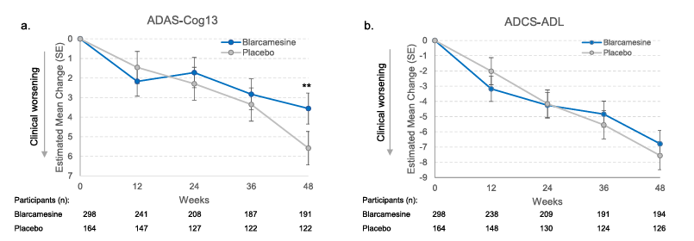
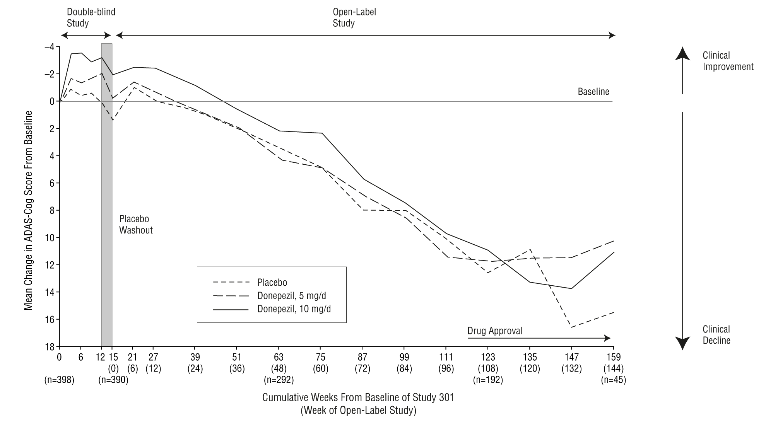
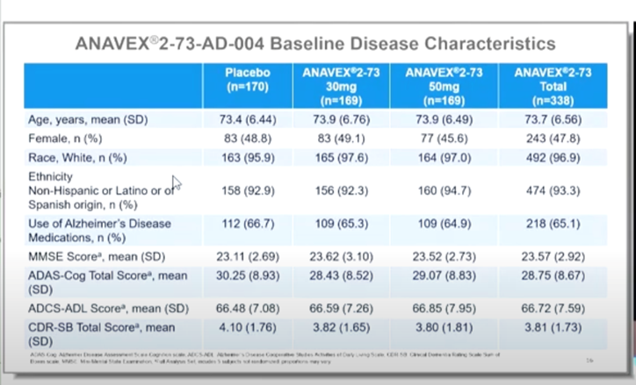
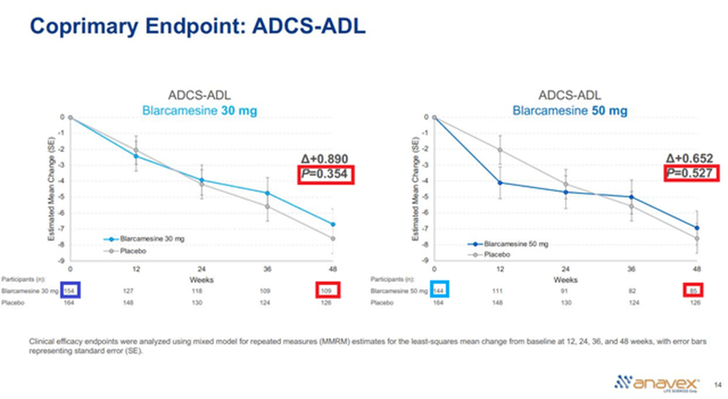
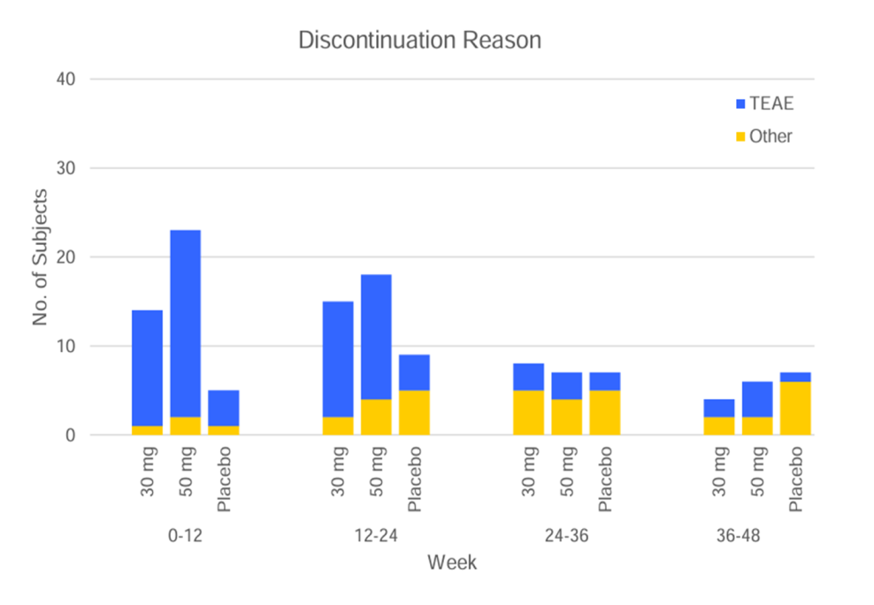
Main
 | Brand | ANAVEX 2-73
 | Generic | Blarcamesine
 | Indication | AD, PD, Dementia, Rett Syndrome, Fragile X Syndrome, Infantile Spasms, Angelman Syndrome
 | MOA | SIGMA-1 agonist
 | Regulatory | EMA filed
 | Clinical Trials
 |  | Phase 2b/3 "ATTENTION-AD AD-004" n=508
 |  | 48-week double-blind
 |  | OLE, 96/144-week trial
 |  | once-daily oral
 |  | Co-primary endpoint changed from ADAS-Cog13+ADCS-ADL to ADAS-Cog+CDR-SB
 |  | ADCS-ADL failed blamed sensitivity of scale
 |  | Blarcamesine and placebo groups had 72 (75%) and 16 (57.2%) patient discontinuations in this early titration phase on or before Week 24, primarily due to TEAEs (Supplemental Table 2, Supplemental Figure 2). 40 (41.7%) blarcamesine patients and 5 (17.9%) placebo patients dropped out on or before the ﬁrst analysis visit (Week 12).

 |  | Significance only at 48-week in ADAS-Cog but not in co-primary endpoint ADCS-ADL
 |  | "Most enrolled partic- ipants would be characterized as early AD (Stage 3) [38] with base- line MMSE score 20–28, and the majority were on background ther- apy of cholinesterase inhibitors (ChEIs) and/or memantine to treat AD "
 |  | "For the primary analysis, the model assumed the missing data to be missing at random without imputation"
 |  | AE | n
 | 50mg | 65 | 168 | 39%
 | 30mg | 41 | 167 | 25%
 | placebo | 13 | 168 | 8%

 |  | biomarker Abeta42 only significance
 |  | FDA may consider approval with only one co-primary endpoint in Early stages 1 and 2 and early 3 with robust evidence

 |  | Phase 2/3 Rett Syndrome "EXCELLENCE"
 |  | Failed

 |  | Phase 2 OLE Study PD w/ Dementia "ANAVEX2-73-PDD-001"

 |  | 2025 | 2026 | 2027 | 2028 | 2029 | 2030 | 2031 | 2032 | 2033 | 2034 | 2035 | 2036 | 2037 | 2038 | 2039 | 2040 | 2041 | 2042
 | US Patient Pool | 2,000 | 2,100 | 2,205 | 2,315 | 2,431 | 2,553 | 2,680 | 2,814 | 2,955 | 3,103 | 3,258 | 3,421 | 3,592 | 3,771 | 3,960 | 4,158 | 4,366 | 4,584
 | Treated | 2,400 | 2,520 | 2,646 | 2,778 | 2,917 | 3,063 | 3,216 | 3,377 | 3,546 | 3,723 | 3,909 | 4,105 | 4,310 | 4,526 | 4,752 | 4,989 | 5,239 | 5,501
 | Price | 32 | 32 | 32 | 32 | 32 | 32 | 32 | 32 | 32 | 32 | 32 | 32 | 32 | 32 | 32 | 32 | 32 | 32
 | Revenue | 0 | 80,640 | 84,672 | 88,906 | 93,351 | 98,018 | 102,919 | 108,065 | 113,469 | 119,142 | 125,099 | 131,354 | 137,922 | 144,818 | 152,059 | 159,662 | 167,645 | 176,027

 |  | Discount | 8%
 |  | NPV | 947

 | Studies:
 | https://pmc.ncbi.nlm.nih.gov/articles/PMC9661329/ | high Aβ42 predicts preserved cognition and a lower risk of progression to dementia24
 | https://www.thelancet.com/journals/eclinm/article/PIIS2589-5370(21)00268-6/fulltext

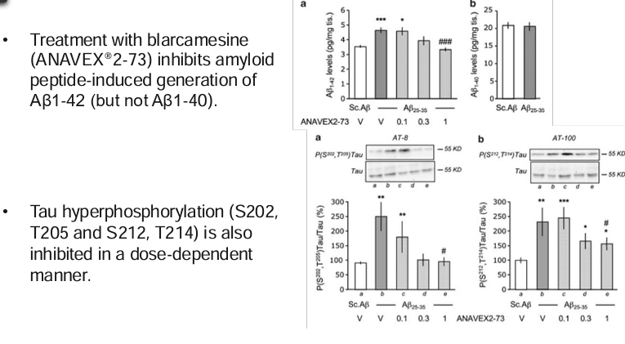

 |  |  |  | Blarcamine 30mg |  | Blarcamine 50mg |  | Blarcamine Group |  | Placebo

