blarcamesine
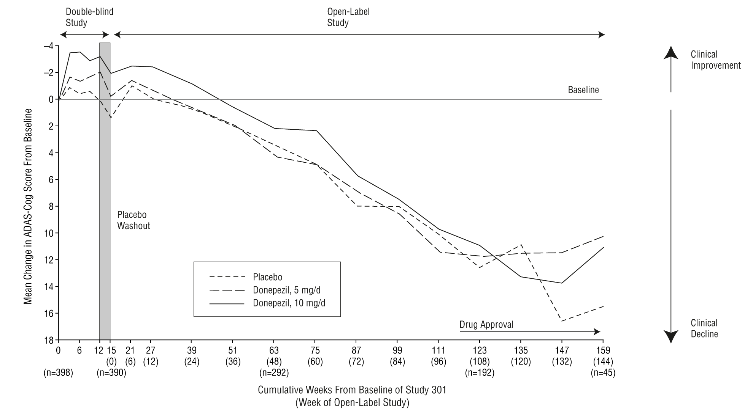
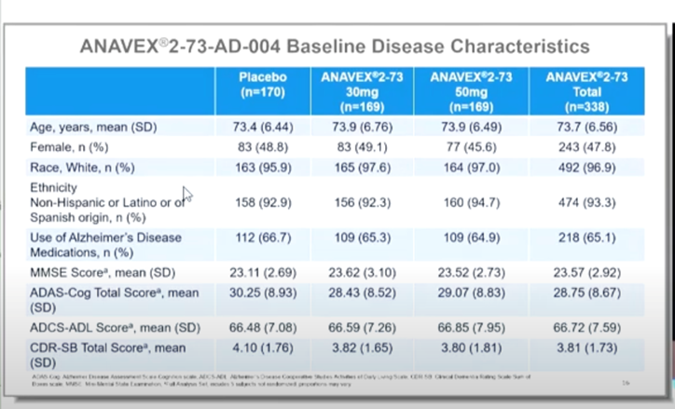
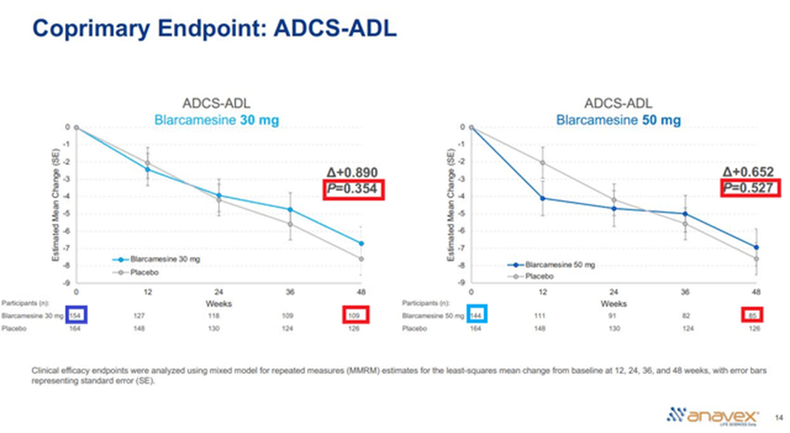
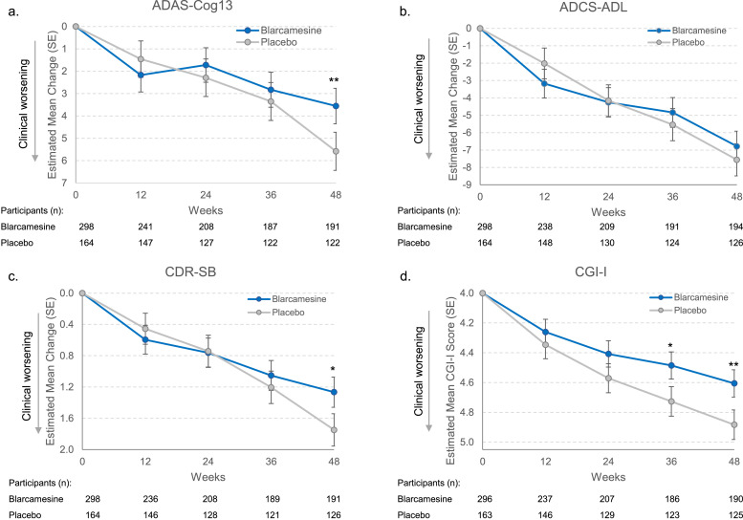
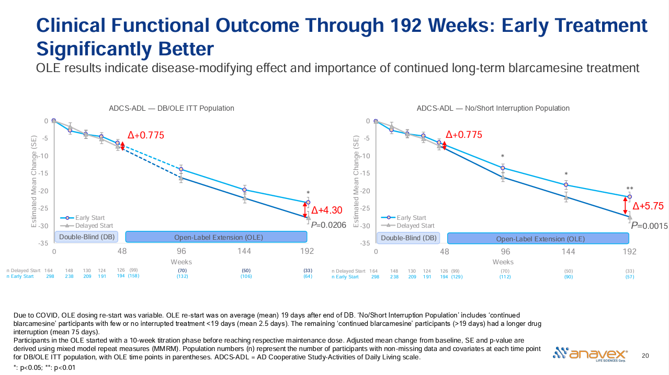
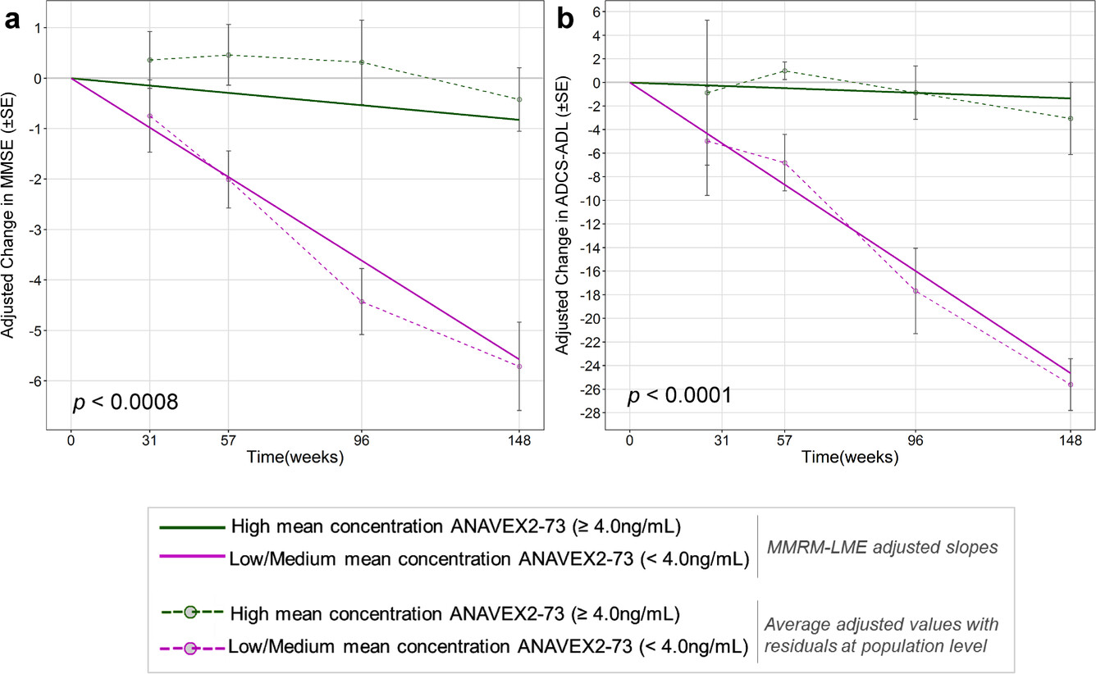
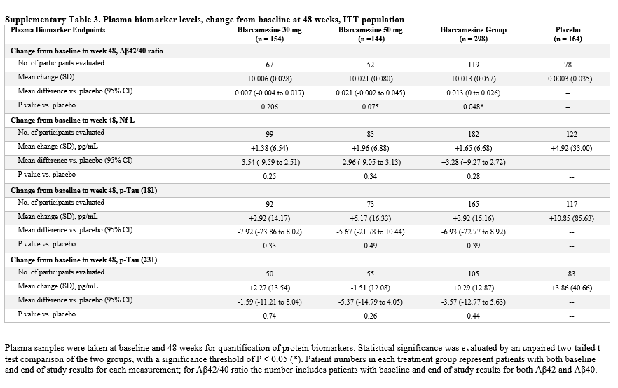
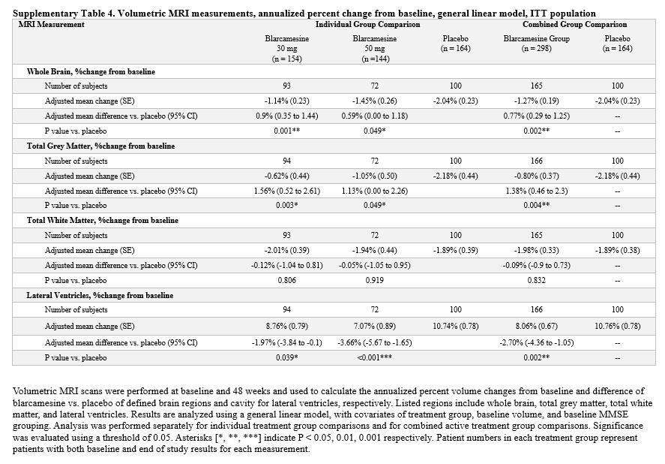
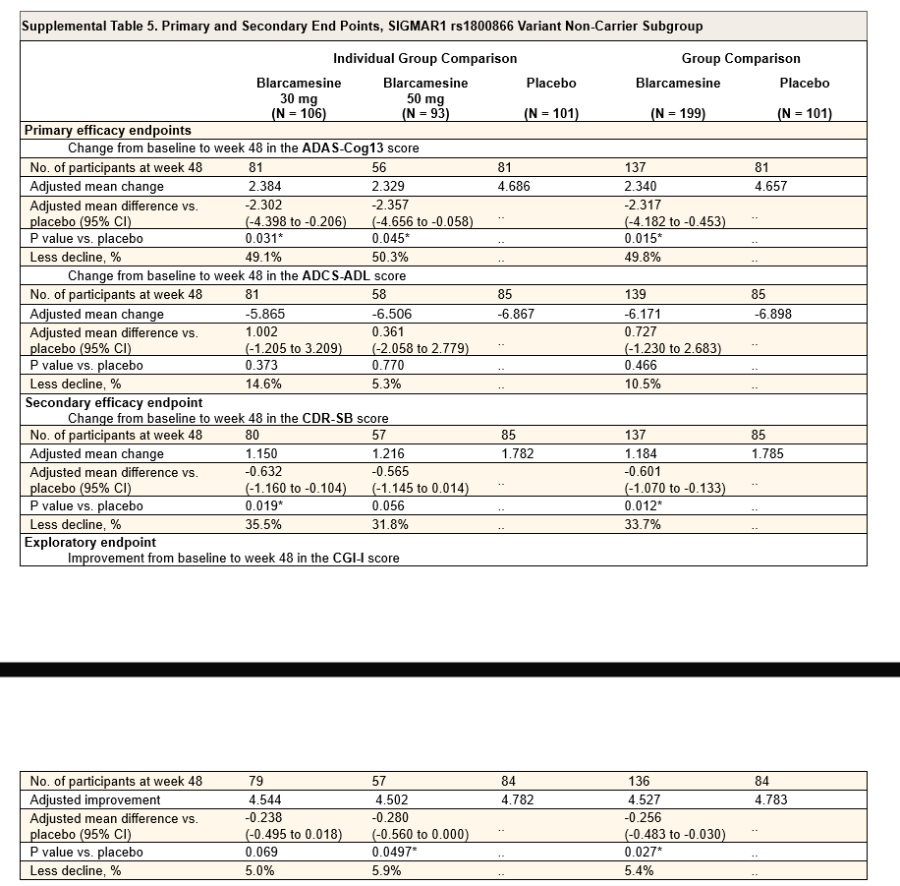
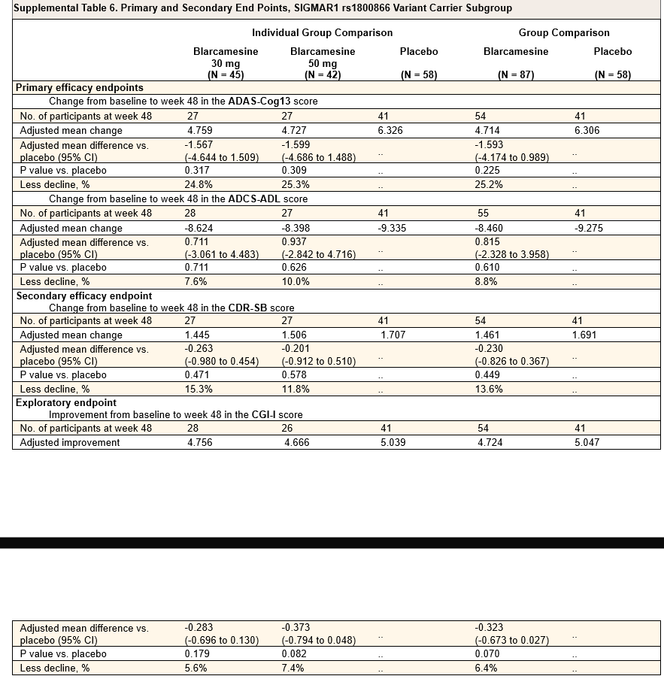
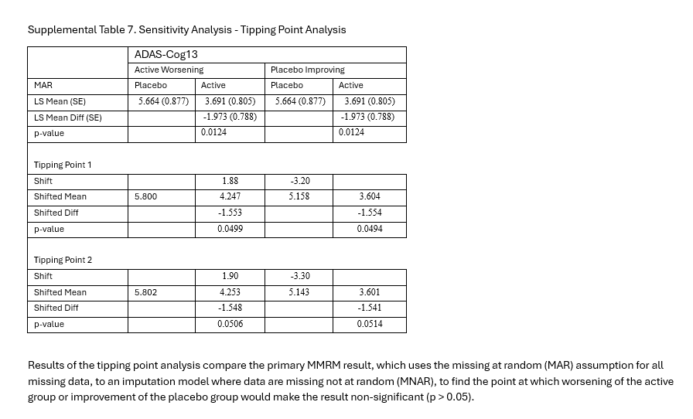
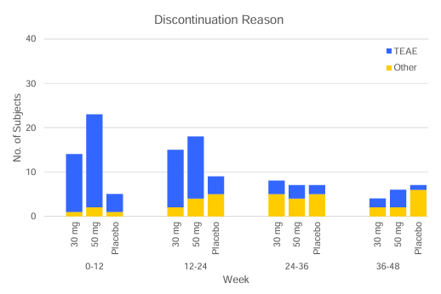
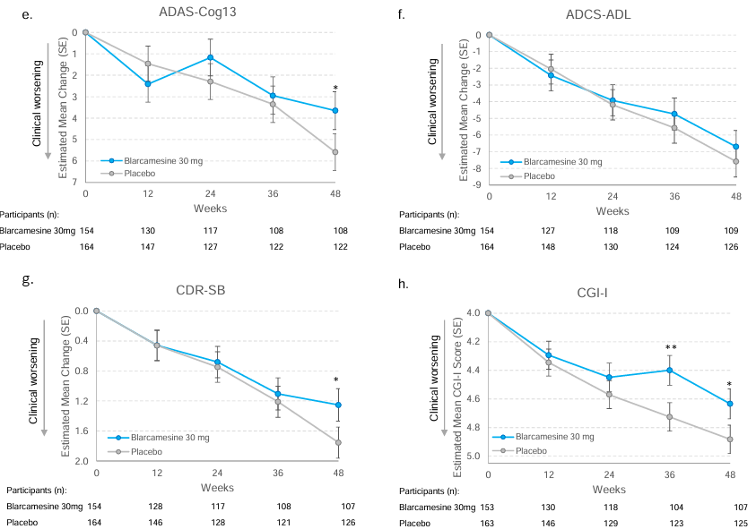
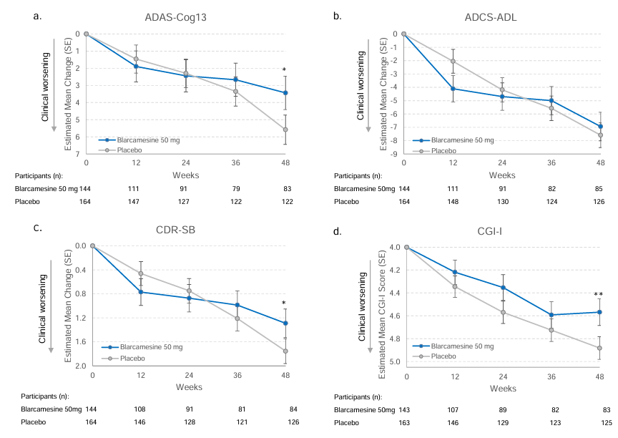
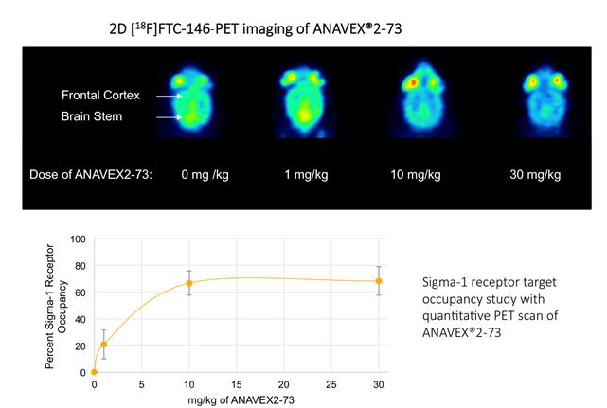
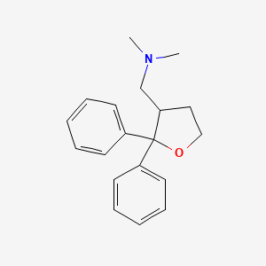
Main
 | Brand | ANAVEX 2-73
 | Generic | blarcamesine, 1-(2,2-diphenyloxolan-3-yl)-N,N-dimethylmethanamine
 | Indication | AD, PD, Rett Syndrome
 | MOA | SIGMA-1 agonist, Ki 860nM? as per Reyes ST et al. 2021
 | Competition
 | Physiochemistry | 281MW, logP 3.5, 0 HBD, 2 HBA, 4 RB
 | Economics | 100%
 | Regulatory | EMA filed; not filed FDA yet
 | Clinical Trials
 |  | Phase IIB/III OLE "ATTENTION-AD" in Alzheimer's n=300 NCT:NCT04314934

 |  | Phase IIB/III "" in Alzheimer's n=509 NCT:NCT03790709
 |  | blarcamesine 50mg vs. blarcamesine 30mg vs. placebo
 |  | Co-primary endpoint changed from ADAS-Cog13+ADCS-ADL to ADAS-Cog+CDR-SB
 |  | ADCS-ADL failed blamed sensitivity of scale

 |  | S.S. in ADAS-Cog at week 48 but not 12-36; Failed to meet co-primary endpoint ADCS-ADL
 |  | "Most enrolled participants would be characterized as early AD (Stage 3) [38] with base- line MMSE score 20–28, and the majority were on background ther- apy of cholinesterase inhibitors (ChEIs) and/or memantine to treat AD "
 |  | "For the primary analysis, the model assumed the missing data to be missing at random without imputation"
 |  | Tipping point analysis assumed MNAR and claimed "robustness" for a worsening of 1.9 points which is plausible since it is still performing better than placebo
 |  | Author declined to post SAP or protocol for statistical analysis and assumptions

 |  |  | ADAS-COG (higher is worse) |  |  | ADCS-ADL (lower is worse) |  |  | CDR-SB (higher is worse) |  |  | CGI-I (higher is worse)
 |  |  | Week 48 |  |  | Week 48 |  |  | Week 48 |  |  | Week 48
 |  | Placebo baseline | 30.4
 |  | 30mg baseline | 28.4
 |  | 50mg baseline | 28.9

n=164 |  | Placebo change | 5.582 |  |  | -7.560 |  |  | 1.749 |  |  | 4.883
n=154 | 0.87 | 30mg blarcamesine | 3.650 | -1.932 | p=0.026 | -6.702 | 0.858 | p=0.354 | 1.253 | -0.496 | p=0.020 | 4.634 | -0.249 | p=0.024
n=144 | 0.93 | 50mg blarcamesine | 3.436 | -2.146 | p=0.021 | -6.940 | 0.620 | p=0.527 | 1.290 | -0.459 | p=0.045 | 4.568 | -0.315 | p=0.008

 |  | biomarker Abeta42/40 ratio S.S. p=0.048; other biomarkers not S.S. (p-Tau 181;231, and Nf-L plasma levels)

 |  | high AE, large missing data mITT 462 vs ITT 508; imputed to be MAR
 |  |  | TEAE discont. | n
 |  | 50mg | 67 | 168 | 40%
 |  | 30mg | 41 | 167 | 25%
 |  | placebo | 12 | 168 | 7%

 |  | FDA may consider approval with only one co-primary endpoint in Early stages 1 and 2 and early 3 with robust evidence
 |  | Lecanemab was approved with primary endpoint of CDR-SB but had very strong data and early significance
 |  | NO USA sites, most in Australia??? |  | "5 months until database lock even cassava didn’t need that"
 |  | "All statistical analyses were performed by outside consultancy companies"
 |  | "Under the multiplicity control rule, a trial is successful in meeting the co-primary endpoints if the significance of each endpoint is P < 0.05, or if the significance of only one co-primary endpoint is P < 0.025. If only one primary endpoint is significant at an α level of 0.025, then the secondary endpoint will be evaluated at the same level of 0.025. The trial was successful, the differences in the least-squares mean (LSM) change from baseline to 48 weeks between the ANAVEX®2-73 and placebo groups for ADAS-Cog13 was significant at a level of P < 0.025 and for CDR-SB was significant at a level of P < 0.025, in the patients with early Alzheimer’s disease"

 |  | Phase II/III "EXCELLENCE"in Rett Syndrome n=92 NCT:NCT04304482
 |  | Failed PE

 |  | Phase IIa in Alzheimer's n= NCT:NCT02244541

 |  | Phase IIa OLE in Alzheimer's n= NCT:NCT02756858

 |  | https://alz-journals.onlinelibrary.wiley.com/doi/10.1002/trc2.12013
 |  | Phase II "ANAVEX2-73-PDD-001" in PD w/ Dementia n=132 NCT:NCT04575259

 |  |  | 2025 | 2026 | 2027 | 2028 | 2029 | 2030 | 2031 | 2032 | 2033 | 2034 | 2035 | 2036 | 2037 | 2038 | 2039 | 2040 | 2041 | 2042
 |  | US Patient Pool | 42 | 43 | 45 | 46 | 47 | 49 | 50 | 52 | 53 | 55 | 56 | 58 | 60 | 62 | 64 | 65 | 67 | 69
 |  | Treated | 42 | 43 | 45 | 46 | 47 | 49 | 50 | 52 | 53 | 55 | 56 | 58 | 60 | 62 | 64 | 65 | 67 | 69
 |  | Price | 8 | 8 | 8 | 8 | 8 | 8 | 8 | 8 | 8 | 8 | 8 | 8 | 8 | 8 | 8 | 8 | 8 | 8
 |  | Revenue | 0 | 346 | 356 | 367 | 378 | 390 | 401 | 413 | 426 | 438 | 452 | 465 | 479 | 493 | 508 | 523 | 539 | 555

 |  | Discount | 8%
 |  | NPV | 3,546

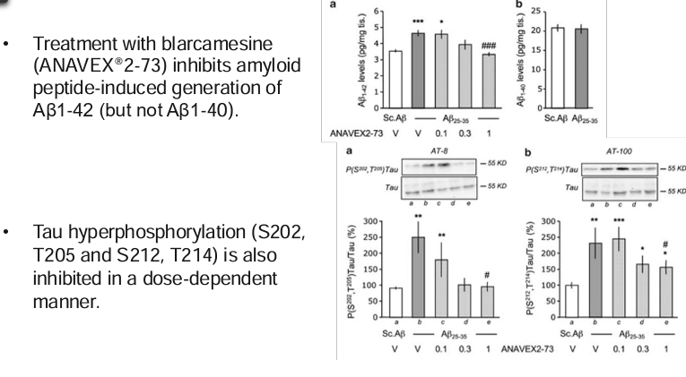

 |  |  |  | Blarcamine 30mg |  | Blarcamine 50mg |  | Blarcamine Group |  | Placebo

Supplemental
Main
 | SIGMAR1 not proven to be effective in many cases
 | drug only filed in EMA? And not filed in the biggest market USA

 | Tipping point analysis non-plausibility

 | https://doi.org/10.1080/10543406.2022.2058525
 | https://phuse.s3.eu-central-1.amazonaws.com/Archive/2024/Connect/EU/Strasbourg/PAP_AS08.pdf
 | https://ww2.amstat.org/meetings/biop/2019/onlineprogram/ViewPresentation.cfm?file=301002.pdf
 | https://cdn.clinicaltrials.gov/large-docs/92/NCT03759392/SAP_001.pdf

 | ITT population discrepentcies:
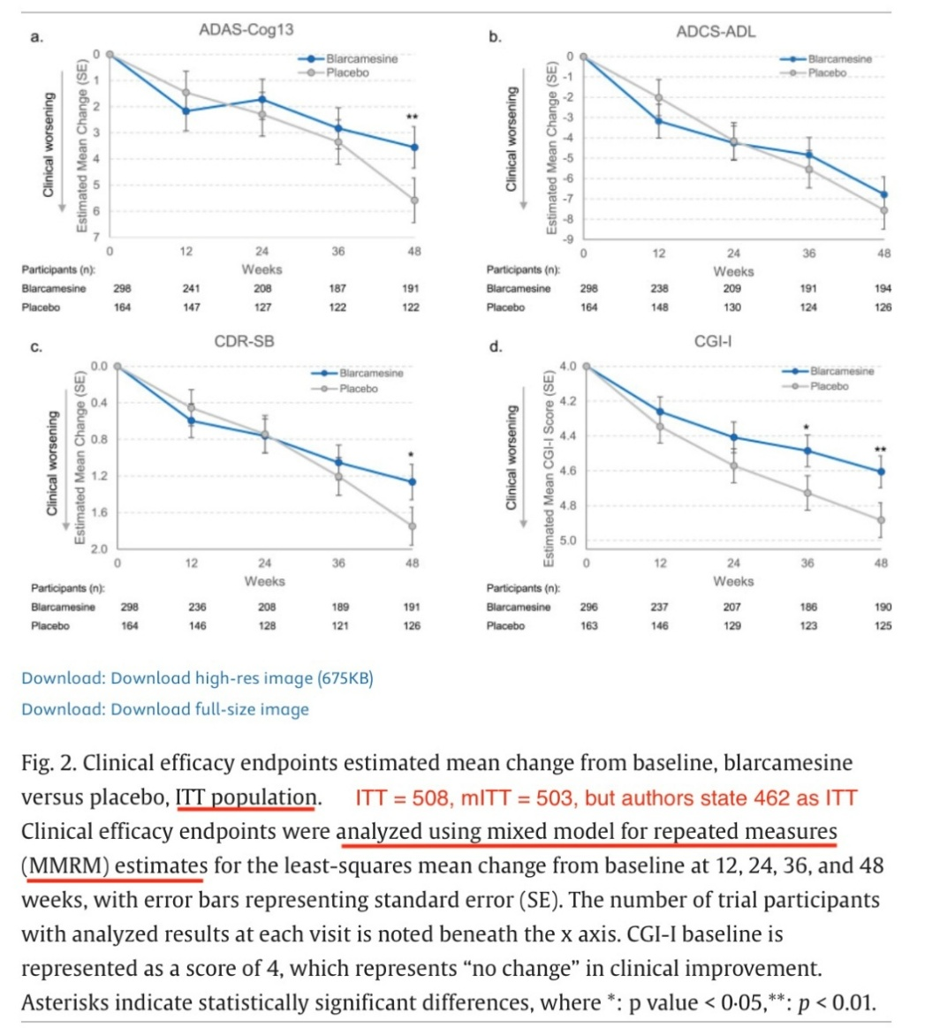

 | Criticisim:
 | https://www.sciencedirect.com/science/article/pii/S2274580725000810

 | Response to criticism:
 | Marwan Noel Sabbagh a leading "Scientific Advisor" for ANAVEX and part of the Phase IIB/III trial:
 | https://www.sciencedirect.com/science/article/pii/S2274580725000809

 | According to regulations 42 CFR 11.44 and 42 CFR 11.52 the SAP should be made public but they havent
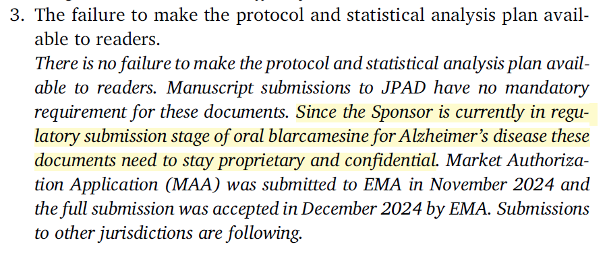

 | However there is no regulation saying you cannot make the SAP and protocol public
 | EMA does not require public disclosure of SAP however FDA does alongside protocols

 | Author response:
 | "Preliminary data present previously were not final and are outside the scope of this publication"
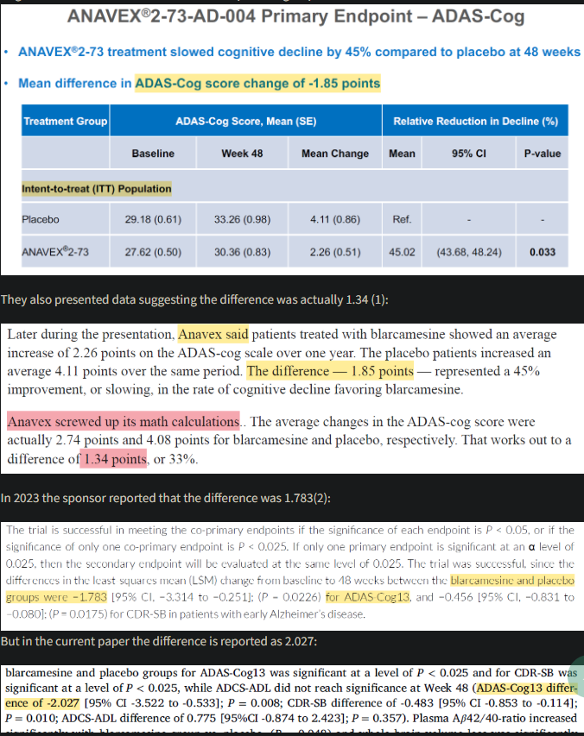

 |  |  |  | ADAS-Cog (higher is worse)
 |  |  |  | Baseline | SE | Week 48 | SE | Mean Change
 |  | n=168 | Placebo | 29.18 | 0.61 | 33.26 | 0.98 | 4.08
 |  | n=336 | Blarcamesine | 27.62 | 0.5 | 30.36 | 0.83 | 2.74 | p=0.19
 |  |  |  |  |  |  |  | Mean Change Listed
 |  | upaired t test |  |  |  |  |  | 4.11
 |  |  |  |  |  |  |  | 2.26 | p=0.033 | <- calculator 0.0513

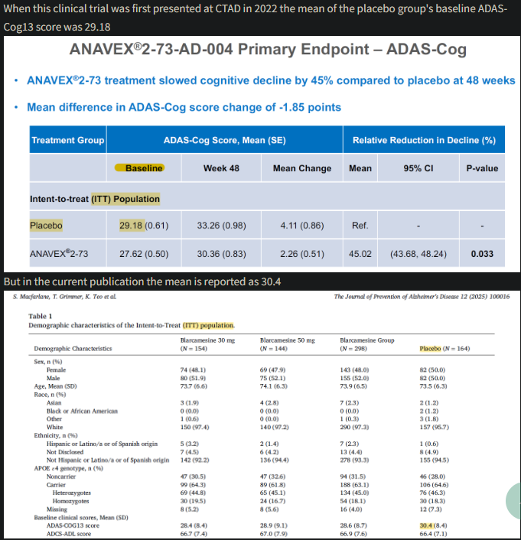

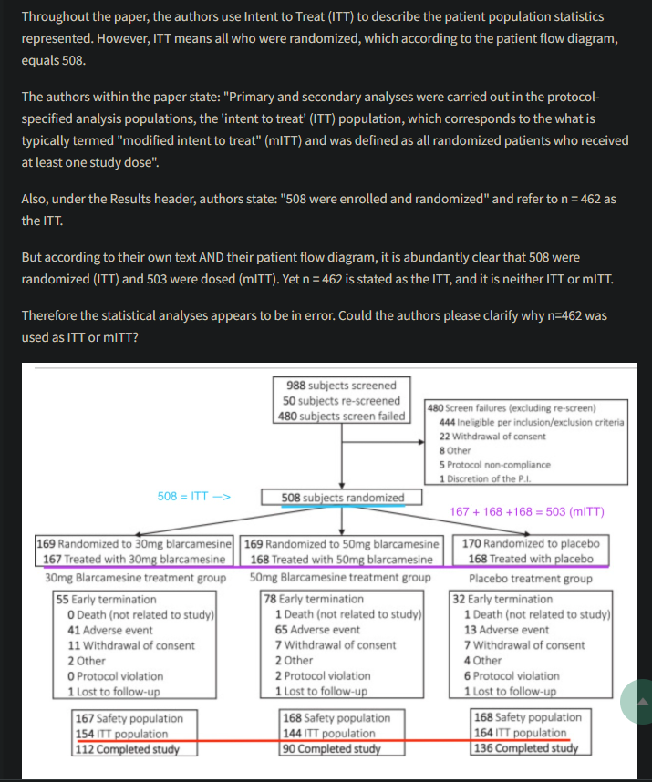

 | Author declined to post SAP or protocol
 | Without access to the SAP the discrepentcies could or could not be valid we wouldn’t know
 | It also goes against standard practice
 | mITT 462 vs 508 randomized (high missing data unclear due to no transparency)
 | High missingness reduces reliability
 | Tipping point analysis only done for ADAS-Cog

 | AVXL claims "current regulatory guidance from the FDA suggests that a sole cognitive endpoint is sufficient for demonstrating significance in early AD study populations"
 | https://www.fda.gov/regulatory-information/search-fda-guidance-documents/early-alzheimers-disease-developing-drugs-treatment
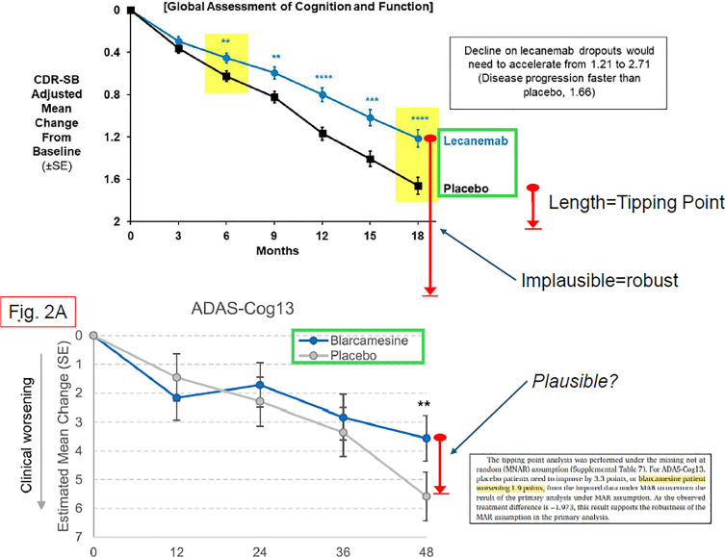

 | the company says that lecanemab and doenamab were approved with failed co-primary but they were DENIED in EMA
 | timing of S.S at only 48 week and placebo performing better than blarcamesine suggests random statistical noise, post-hoc data mining, or survivorship bias (high dropout rates ~35%)
 | open label bias
 | EMA will likely scrutinize the methodologies
 | https://excidium.co.uk/anavex

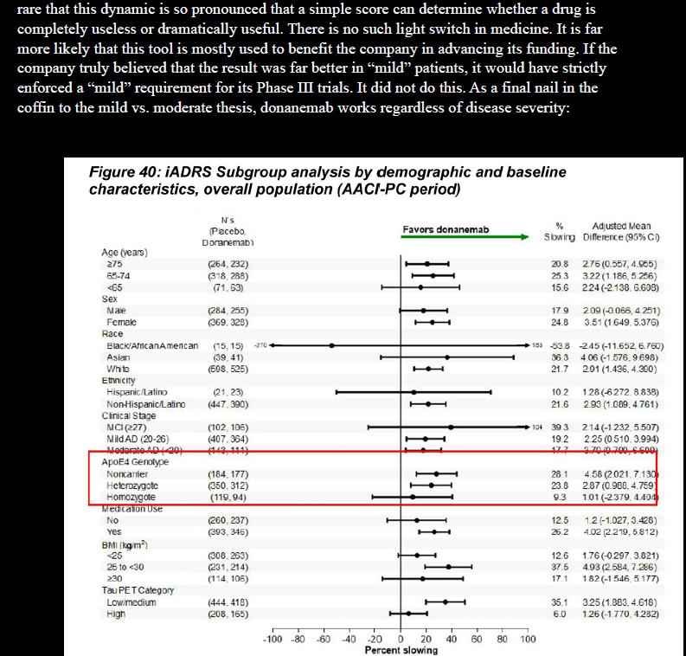

 | https://pubmed.ncbi.nlm.nih.gov/16914835/
 | Marwan Sabbagh in previous work (2006) states: "These findings suggest that the ADAS-Cog and MMSE reflect different aspects of the underlying brain changes observed in AD. The ADAS-Cog was more specific to gray matter integrity whereas the MMSE reflected a more global reduction in both gray and white matter"
 | However phase III blarcamesine showed no change in white matter and only significance in grey matter
 | https://pubmed.ncbi.nlm.nih.gov/18726544/
 | https://pubmed.ncbi.nlm.nih.gov/18798705/
 | https://pubmed.ncbi.nlm.nih.gov/26386305/
 | https://doi.org/10.1177/0269881110379286

