Literature
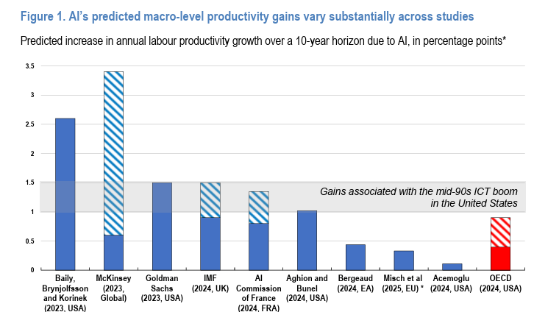
Main
 | Read | Relevance | Topic | Title
 |  |  | Search terms="AI productivity growth effect on gdp"; Year: Since 2025; Google Scholar
 |  | 4 |  | Filippucci, F., Gal, P., Laengle, K. and Schief, M., 2025. Macroeconomic productivity gains from Artificial Intelligence in G7 economies. INTELLIGENCE, (41).

 |  |  | Search terms="corporate profit share"; Year: Since 2025; Google Scholar
 |  |  |  | Bennett, Elizabeth A., and Janina Grabs. "How can sustainable business models distribute value more equitably in global value chains? Introducing “value chain profit sharing” as an emerging alternative to fair trade, direct trade, or solidarity trade." Business Ethics, the Environment & Responsibility 34, no. 2 (2025): 581-601.

 |  | 5 | AI Economics Study | https://economics.mit.edu/sites/default/files/2024-04/The%20Simple%20Macroeconomics%20of%20AI.pdf

 |  | 3 | Cost of Capital Study | https://kpmg.com/de/en/home/insights/overview/cost-of-capital.study.html#:~:text=In%20the%20survey%20period%2C%20the,details%20in%20the%20current%20study.

 |  |  |  | https://fred.stlouisfed.org/

