onvansertib
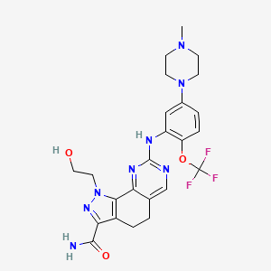
Main
 | Brand | NMS-1286937, NMS-P937, PCM-075
 | Generic | onvansertib, 1-(2-hydroxyethyl)-8-[5-(4-methylpiperazin-1-yl)-2-(trifluoromethoxy)anilino]-4,5-dihydropyrazolo[4,3-h]quinazoline-3-carboxamide
 | Indication | RAS-mutated mCRC; mPDAC; SCLC; TNBC
 | MOA | PLK1 inhibitor, Ki 2nM?
 | Competition | cetuximab, panitumumab
 | Physiochemistry | 532.5MW, 2 logP, 3 HBD, 12 HBA, 7 RB
 | PK | Efflux ratio 5.6 (P-gp), PPB 95% at 10uM 91% at 50uM, 22% oral bioavaliability, Mean Cmax 163-191ng/ml, AUC0-24 ~ 2000+-700 as per (Beria, 2011)
 | ADME
 | Economics | co-developed w/ pfizer; 100% economics; Bought from NMS
 | Clinical Trials
 |  | Phase II "ONSEMBLE/CRDF-003" in RAS-mutated mCRC n=23 NCT:NCT05593328
 |  | onvansertib 20mg+SoC vs. onvansertib 30mg+SoC vs. SoC alone
 |  | Failed P.E (26% ORR)
 |  | Used post-hoc analysis (n=4; wide SD prob not S.S) to say bev-naiive patients responded better (they should respond better anyways?)
 |  | grade 3/4 AE 62%

 |  | Phase II "CRDF-004" in RAS-mut mCRC n=113 NCT:NCT06106308
 |  | onvansertib 20mg+SoC vs. onvansertib 30mg+SoC vs. SoC alone
 |  | interim data: |  |  |  |  |  | control | 20mg | 30mg
 |  |  |  |  |  | prior |  | 3 | 5 | 7
 |  | PFS not S.S |  |  |  |  |  | 9 | 10 | 11
 |  |  |  |  |  |  | ORR | 33% | 50% | 64% | 30%

 |  |  |  |  |  | now |  | 16 | 18 | 22
 |  |  |  |  |  |  |  | 37 | 36 | 37
 |  |  |  |  |  |  | ORR | 43% | 50% | 59% | 16%

 |  |  |  |  |  | delta |  | 13 | 13 | 15
 |  |  |  |  |  |  |  | 28 | 26 | 26
 |  |  |  |  |  |  | ORR | 46% | 50% | 58% | 11%

 |  |  |  |  |  |  |  |  |  |  |  |  | control | 30mg
 |  | more interim data 7/29/2025 |  |  |  |  |  |  |  |  | Confirmed ORR |  | 11 | 18
 |  |  |  |  |  |  |  |  |  |  |  |  | 26 | 19
 |  | Phase Ib/II "TROV-054" in RAS-mut mCRC n=68 NCT:NCT03829410 |  |  |  |  |  |  |  |  |  |  | 37 | 37
 |  | Not S.S? |  |  |  |  |  |  |  |  |  | fischer's exact p=0.15
 |  | DLTs 50% in 18mg/m^2, 14% in 15mg, 11% in 12mg |  |  |  |  |  |  |  |  |  | chi square p=0.1
 |  | TEAEs related to onvansertib 57%; Serious TEAE related to onvansertib 2%
 |  | 15mg ORR | 26.4% | n=53
 |  | 15mg DCR | 92.5% | n=53
 |  | 15mg PFS | 8 months | n=53
 |  | 15mg DOR | 12 months | n=53
 |  | 15mg OS | ? | n=53
 |  | 15mg MAF | -75% | n=47
 |  | Plasma PK (SD) | 0.34ng/mL (0.345) |  | n=10
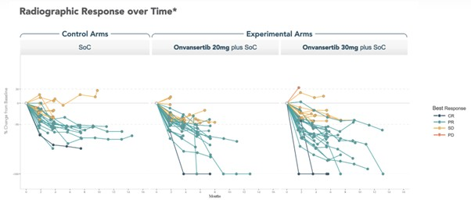
 |  | 15mg ORR (2L) | 77% | n=13
 |  | 15mg ORR (1L) | 10% | n=40

 |  | Phase II "TROV-053" in mCRPC n=72 NCT03414034
 |  | Interim data

 |  | Phase II "CRDF-001" in PDAC n=43 NCT:NCT04752696
 |  | ongoing recruitment

 |  | Phase II "22-008" in TNBC n=50 NCT:NCT05383196
 |  | ongoing recruitment

 |  | Phase I "" in metastatic solid tumor n=21 NCT:NCT01014429
 |  | P.E. MTD and DLTS; S.E. PK/PD
 |  | Nerviano Medical Sciences 2011 study

 |  |  | RAS-mut mCRC 1L
 |  |  | 2025 | 2026 | 2027 | 2028 | 2029 | 2030 | 2031 | 2032 | 2033 | 2034 | 2035 | 2036 | 2037 | 2038 | 2039 | 2040 | 2041 | 2042 | 2043
 |  | US Patient Pool | 48,000 | 48,480 | 48,965 | 49,454 | 49,949 | 50,448 | 50,953 | 51,462 | 51,977 | 52,497 | 53,022 | 53,552 | 54,088 | 54,628 | 55,175 | 55,727 | 56,284 | 56,847 | 57,415
 |  | Treated | 9,600 | 9,696 | 9,793 | 9,891 | 9,990 | 10,090 | 10,191 | 10,292 | 10,395 | 10,499 | 10,604 | 10,710 | 10,818 | 10,926 | 11,035 | 11,145 | 11,257 | 11,369 | 11,483
 |  | Price | 30,000 | 30,000 | 30,000 | 30,000 | 30,000 | 30,000 | 30,000 | 30,000 | 30,000 | 30,000 | 30,000 | 30,000 | 30,000 | 30,000 | 30,000 | 30,000 | 30,000 | 30,000 | 30,000
 |  | Revenue |  |  | 294 | 297 | 300 | 303 | 306 | 309 | 312 | 315 | 318 | 321 | 325 | 328 | 331 | 334 | 338 | 341 | 344
 |  |  | Discount | 8%
 |  |  | NPV | 1,427 |  | Price per competition
 |  |  | Share | 21.45 |  | https://doi.org/10.3111/13696998.2015.1105230
 |  |  | EV | 190 |  | Extra Cost to finish drug:
 |  | Market Prob of Drug Success: |  | 13%

 |  | multiple failures of Plk1 inhibitors in oncology
 |  | it failed its previous phase 2 so theyre doing another with just the subgroup
 |  | Bev naive pts historically respond better when given bev and bev exposed show NO ORR.
 |  | Is it bev driving the ORR because they didn’t have it before?

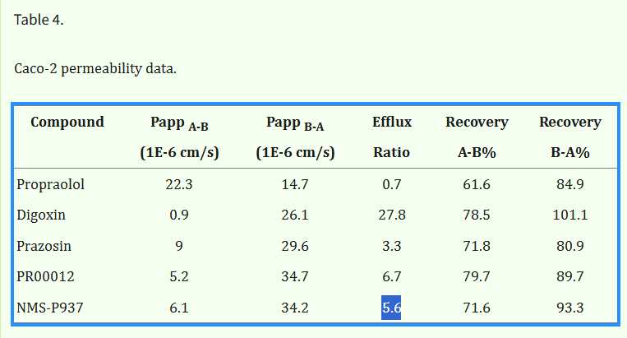

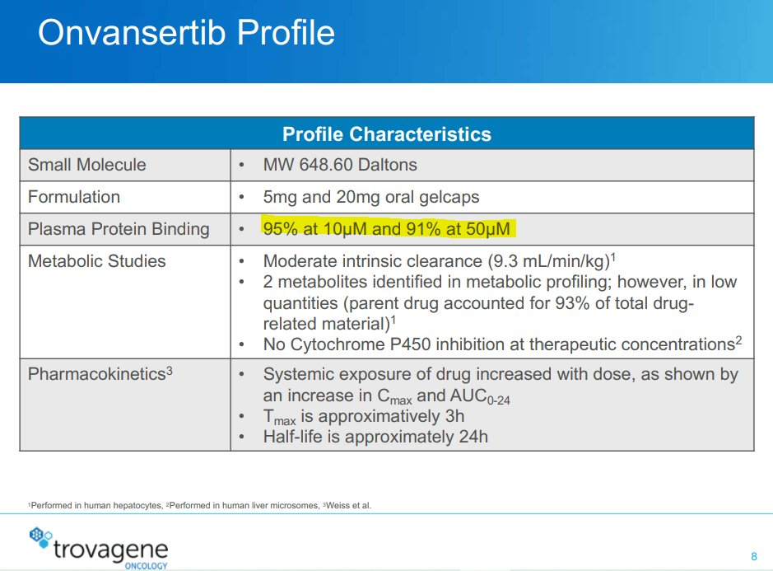

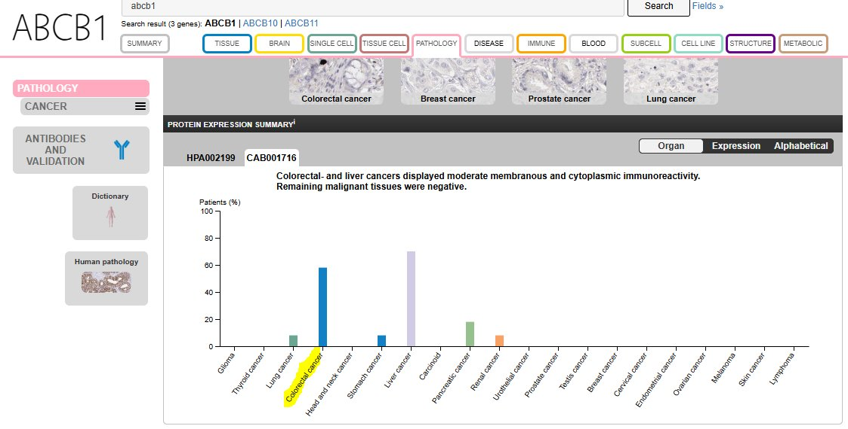

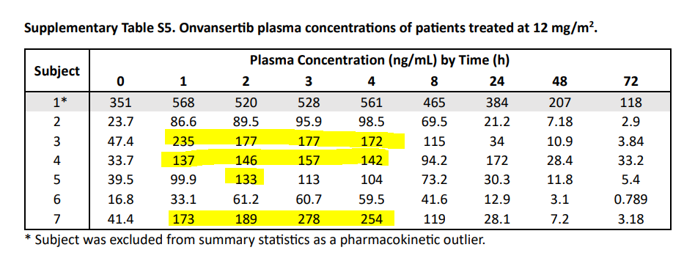

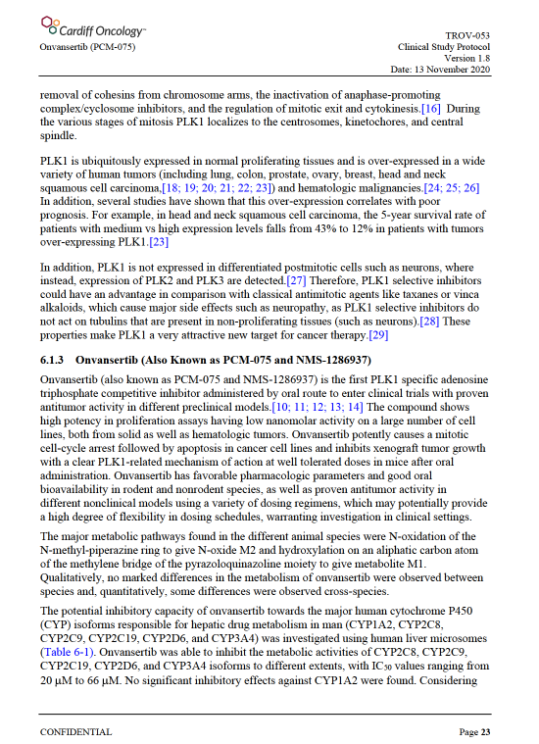

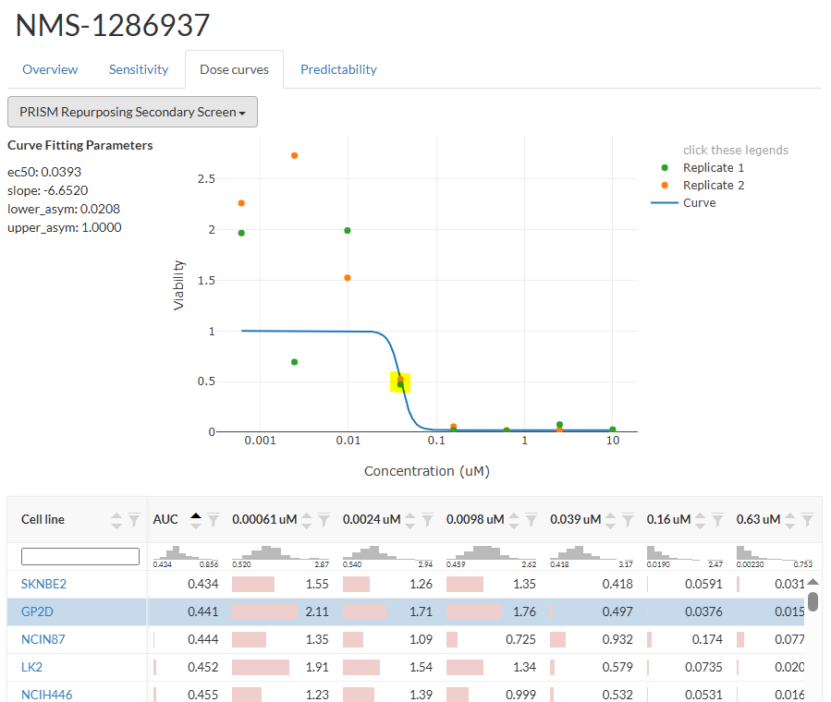

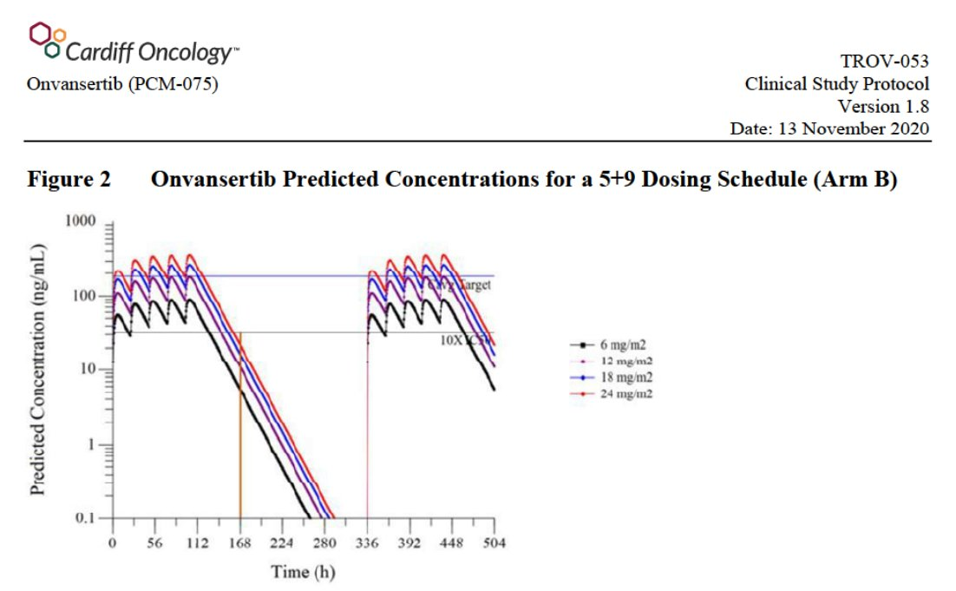

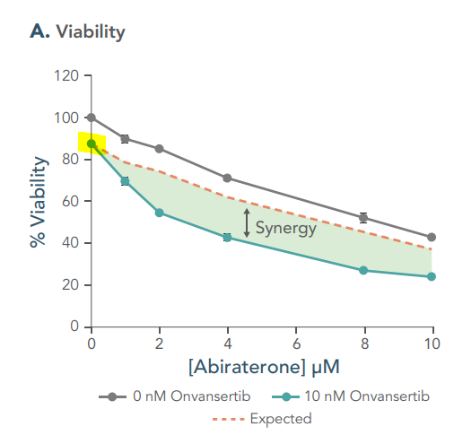

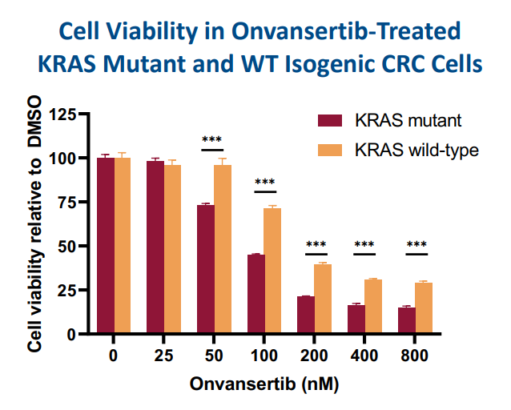

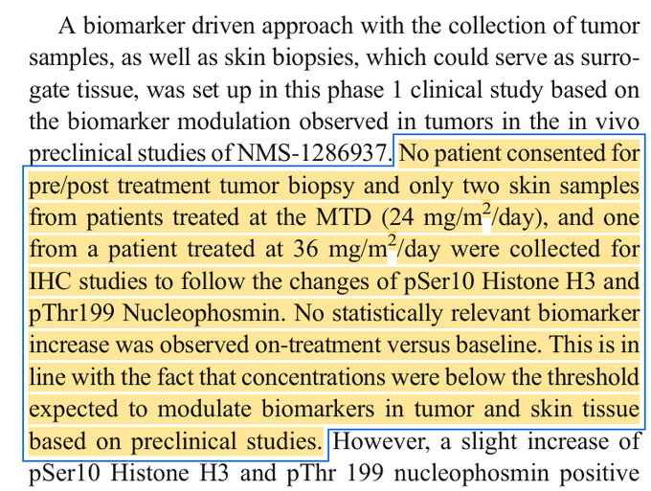

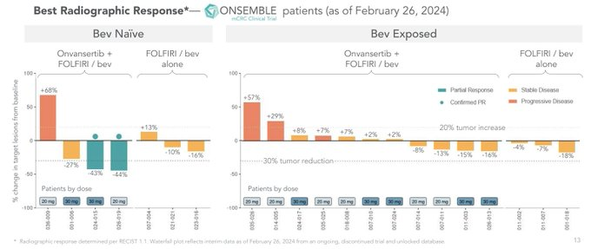

 | t-test P value = 0.8344 for Bev Naiive group
 | 30mg only p value =0.1 for bev naiive

competitors
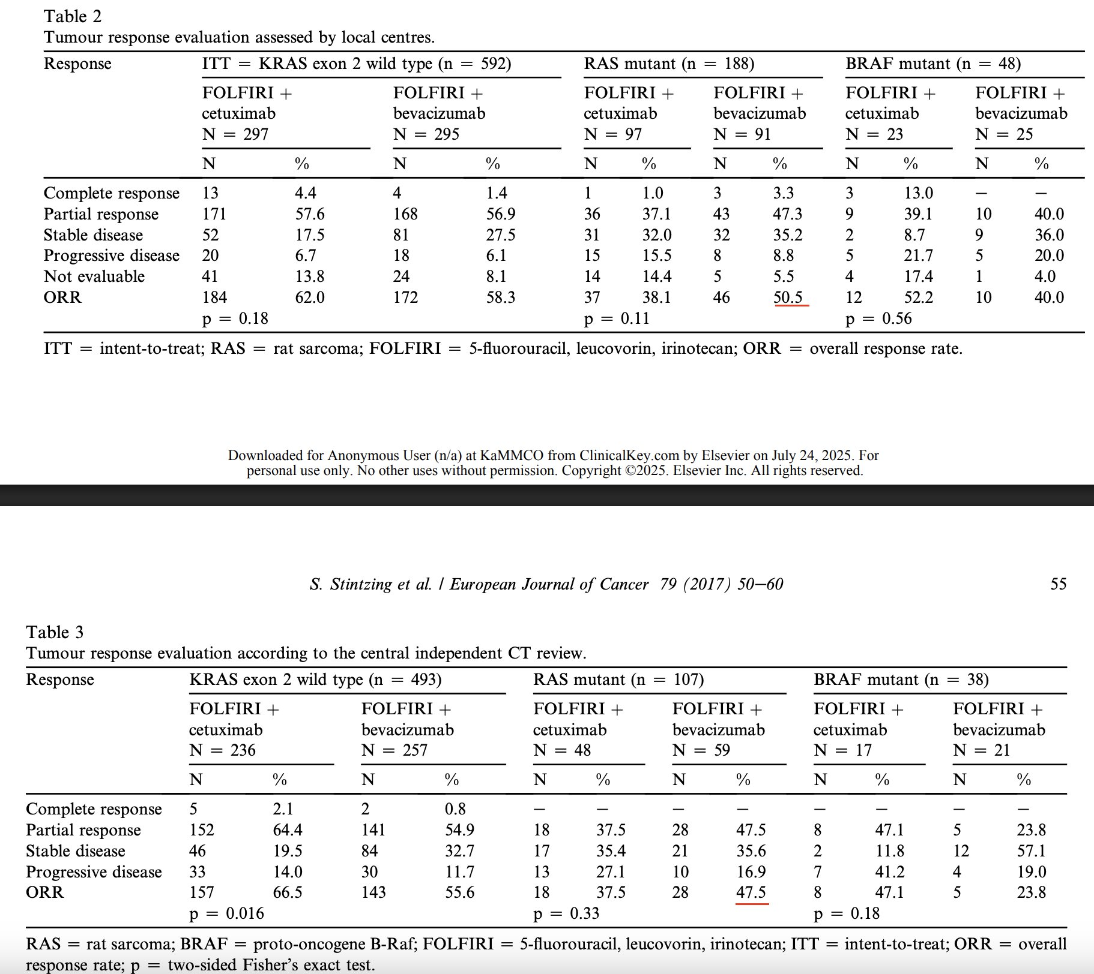
Main
 | Brand
 | Generic | cetuximab
 | Indication
 | MOA | mAb
 | Competition
 | Physiochemistry
 | PK
 | ADME
 | Economics
 | Clinical Trials

