Literature
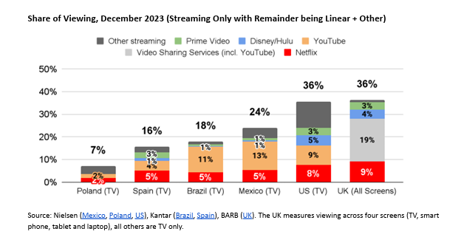
Main
 | Read | Relevance | Topic | Title
 |  |  |  |  | https://www.statista.com/topics/3359/cable-tv/#topicOverview
 |  |  |  |  | https://www.statista.com/outlook/amo/media/tv-video/ott-video/video-streaming-svod/worldwide?currency=USD
 |  |  |  |  | https://cdr.lib.unc.edu/concern/honors_theses/kd17d4923
 |  |  |  |  | https://bibliotekanauki.pl/articles/59251420.pdf

