LSGAN
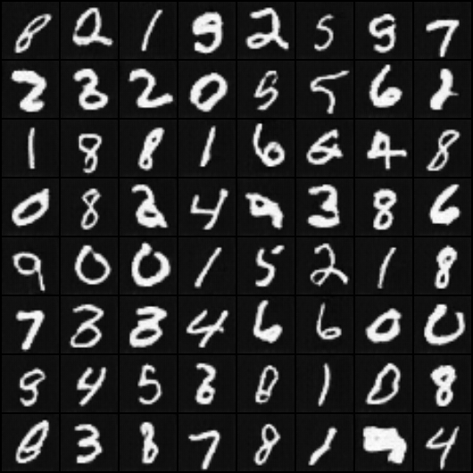
alpha | gamma | eta | lr_G&D | lr_E | if pretrain | if add term | np | nz
0.5 | 0.5 | 0.25 | 0.0002 | 0.01 | No | Yes | 4 | 100

epoch | 0 | 50 | 100
noise | 3.00E-02 | 1.00E-02 | 5.00E-03

 | G | D | E
architecture | 5*deconv | 5*conv | 5*conv

epoch | fid
10 | 132.6465782
20 | 85.532050444
30 | 77.058000867
40 | 76.014778436
50 | 73.191660127
60 | 75.429314291
70 | 71.652577706
80 | 72.810668981
90 | 74.344637486
100 | 71.509447629
110 | 70.387953344
120 | 407.80117804 | 崩掉，产生噪音图片
130 | 516.40489507
140 | 535.86297295
150 | 234.19335018

epoch 110

