LSGAN
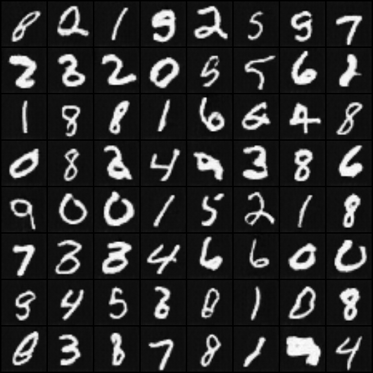
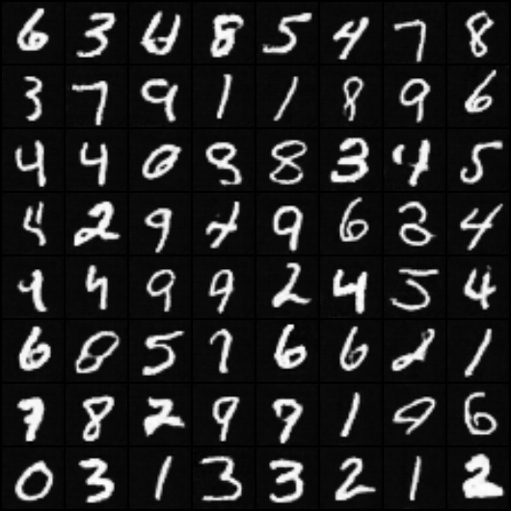
alpha | gamma | eta | lr_G&D | lr_E | if pretrain | if add term | np | nz | alpha | gamma | eta | lr_G&D | lr_E | if pretrain | if add term | np | nz
0.5 | 0.5 | 0.25 | 0.0002 | 0.01 | No | Yes | 4 | 100 | 0.5 | 0.5 | 0.25 | 0.0001 | 0.005 | No | Yes | 4 | 100

epoch | 0 | 50 | 100 |  |  |  |  |  | epoch | 0 | 50 | 100
noise | 3.00E-02 | 1.00E-02 | 5.00E-03 |  |  |  |  |  | noise | 3.00E-02 | 1.00E-02 | 5.00E-03

 | G | D | E |  |  |  |  |  |  | G | D | E
architecture | 5*deconv | 5*conv | 5*conv |  |  |  |  |  | architecture | 5*deconv | 5*conv | 5*conv

epoch | fid |  |  |  |  |  |  |  | epoch | fid
10 | 132.6465782 |  |  |  |  |  |  |  | 10 | 162.22016221
20 | 85.532050444 |  |  |  |  |  |  |  | 20 | 95.9005677
30 | 77.058000867 |  |  |  |  |  |  |  | 30 | 89.554260092
40 | 76.014778436 |  |  |  |  |  |  |  | 40 | 81.78380042
50 | 73.191660127 |  |  |  |  |  |  |  | 50 | 81.048245534
60 | 75.429314291 |  |  |  |  |  |  |  | 60 | 79.905425891
70 | 71.652577706 |  |  |  |  |  |  |  | 70 | 73.13288314
80 | 72.810668981 |  |  |  |  |  |  |  | 80 | 74.36259506
90 | 74.344637486 |  |  |  |  |  |  |  | 90 | 71.043403697
100 | 71.509447629 |  |  |  |  |  |  |  | 100 | 70.440528962
110 | 70.387953344 |  |  |  |  |  |  |  | 110 | 69.117508367
120 | 407.80117804 | 崩掉，产生噪音图片 |  |  |  |  |  |  | 120 | 74.626330485
130 | 516.40489507 |  |  |  |  |  |  |  | 130 | 72.953902903
140 | 535.86297295 |  |  |  |  |  |  |  | 140 | 75.055262984
150 | 234.19335018 |  |  |  |  |  |  |  | 150 | 72.118444587

epoch 110 |  |  |  |  |  |  |  |  | epoch150

