LSGAN
alpha | gamma | eta | lr_G&D | lr_E | if pretrain | if add term | np | nz | alpha | gamma | eta | lr_G&D | lr_E | if pretrain | if add term | np | nz
0.2 | 0.5 | 0.25 | 0.0002 | 0.01 | No | Yes | 4 | 100 | 0.5 | 0.5 | 0.5 | 0.0002 | 0.01 | No | No | 4 | 100

epoch | 0 | 50 | 100 |  |  |  |  |  | epoch | 0 | 50 | 100
noise | 3.00E-02 | 1.00E-02 | 5.00E-03 |  |  |  |  |  | noise | 3.00E-02 | 1.00E-02 | 5.00E-03

 | G | D | E |  |  |  |  |  |  | G | D | E
architecture | 5*deconv | 5*conv | 5*conv |  |  |  |  |  | architecture | 5*deconv | 5*conv | 5*conv

epoch | KL score | covered targets |  |  |  |  |  |  | epoch | KL score | covered targets
10 | 0.11 | 1000 |  |  |  |  |  |  | 10 | 0.11 | 1000
20 | 0.1 | 1000 |  |  |  |  |  |  | 20 | 0.15 | 998
30 | 2.98 | 228 | 崩掉，产生噪音图片 |  |  |  |  |  | 30 | 0.13 | 1000
40 | FAILED | FAILED |  |  |  |  |  |  | 40 | FAILED | FAILED | 崩掉，产生噪音图片
50 | … | … |  |  |  |  |  |  | 50 | … | …
60 |  |  |  |  |  |  |  |  | 60
70 |  |  |  |  |  |  |  |  | 70
80 |  |  |  |  |  |  |  |  | 80
90 |  |  |  |  |  |  |  |  | 90
100 |  |  |  |  |  |  |  |  | 100
110 |  |  |  |  |  |  |  |  | 110
120 |  |  |  |  |  |  |  |  | 120
130 |  |  |  |  |  |  |  |  | 130
140 |  |  |  |  |  |  |  |  | 140
150 |  |  |  |  |  |  |  |  | 150

alpha | gamma | eta | lr_G&D | lr_E | if pretrain | if add term | np | nz | alpha | gamma | eta | lr_G&D | lr_E | if pretrain | if add term | np | nz
0.5 | 0.5 | 0.25 | 0.0001 | 0.005 | No | Yes | 4 | 100 | 0.5 | 0.5 | 0.25 | 0.0001 | 1.00E-03 | No | Yes | 4 | 100

epoch | 0 | 50 | 100 | epoch60: |  |  |  |  | epoch | 0 | 50 | 100
noise | 3.00E-02 | 1.00E-02 | 5.00E-03 |  |  |  |  |  | noise | 3.00E-02 | 1.00E-02 | 5.00E-03
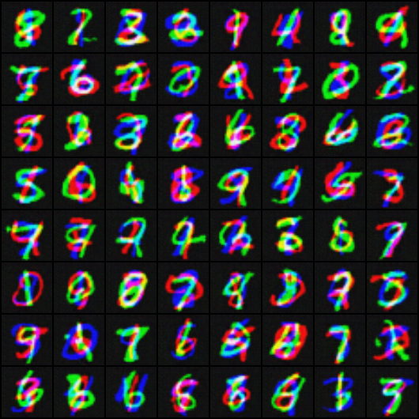
 | G | D | E |  |  |  |  |  |  | G | D | E
architecture | 5*deconv | 5*conv | 5*conv |  |  |  |  |  | architecture | 5*deconv | 5*conv | 5*conv

epoch | KL score | covered targets |  |  |  |  |  |  | epoch | KL score | covered targets
10 | 0.214 | 999 |  |  |  |  |  |  | 10 | 0.165 | 1000
20 | 0.107 | 1000 |  |  |  |  |  |  | 20 | 0.112 | 1000
30 | 0.092 | 1000 |  |  |  |  |  |  | 30 | 0.105 | 1000
40 | 0.087 | 1000 |  |  |  |  |  |  | 40 | 0.12 | 1000
50 | 0.086 | 1000 |  |  |  |  |  |  | 50 | FAILED | FAILED | 崩掉，产生噪音图片
60 | 0.084 | 1000 |  |  |  |  |  |  | 60
70 | FAILED | FAILED | 崩掉，产生噪音图片 |  |  |  |  |  | 70
80 |  |  |  |  |  |  |  |  | 80
90 |  |  |  |  |  |  |  |  | 90
100 |  |  |  |  |  |  |  |  | 100
110 |  |  |  |  |  |  |  |  | 110
120 |  |  |  |  |  |  |  |  | 120
130 |  |  |  |  |  |  |  |  | 130
140 |  |  |  |  |  |  |  |  | 140
150 |  |  |  |  |  |  |  |  | 150

