DA_algorithm
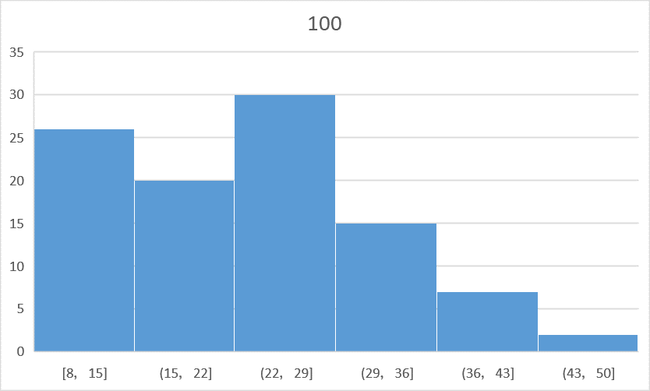
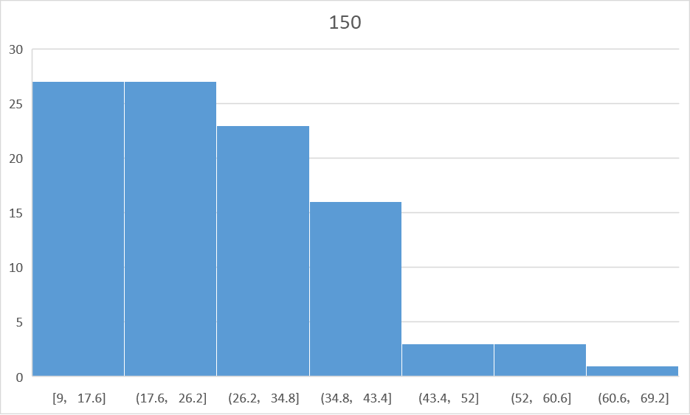
 | 0 | 1 | 2 | 3 | 4 | 5 | 6 | 7 | 8 | 9 | 10 | 11 | 12 | 13 | 14 | 15 | 16 | 17 | 18 | 19 | 20 | 21 | 22 | 23 | 24 | 25 | 26 | 27 | 28 | 29 | 30 | 31 | 32 | 33 | 34 | 35 | 36 | 37 | 38 | 39 | 40 | 41 | 42 | 43 | 44 | 45 | 46 | 47 | 48 | 49 | 50 | 51 | 52 | 53 | 54 | 55 | 56 | 57 | 58 | 59 | 60 | 61 | 62 | 63 | 64 | 65 | 66 | 67 | 68 | 69 | 70 | 71 | 72 | 73 | 74 | 75 | 76 | 77 | 78 | 79 | 80 | 81 | 82 | 83 | 84 | 85 | 86 | 87 | 88 | 89 | 90 | 91 | 92 | 93 | 94 | 95 | 96 | 97 | 98 | 99 | average
10 | 9 | 16 | 33 | 17 | 26 | 33 | 7 | 22 | 21 | 12 | 11 | 35 | 28 | 17 | 15 | 7 | 13 | 14 | 15 | 11 | 19 | 12 | 43 | 29 | 39 | 32 | 10 | 38 | 7 | 34 | 27 | 14 | 25 | 10 | 22 | 17 | 44 | 10 | 20 | 8 | 26 | 9 | 15 | 7 | 10 | 16 | 26 | 36 | 18 | 9 | 20 | 16 | 12 | 9 | 16 | 13 | 24 | 32 | 8 | 18 | 10 | 20 | 22 | 15 | 15 | 16 | 11 | 21 | 25 | 14 | 12 | 16 | 14 | 28 | 8 | 11 | 15 | 21 | 14 | 15 | 11 | 13 | 11 | 22 | 8 | 19 | 9 | 14 | 13 | 23 | 11 | 12 | 20 | 16 | 24 | 13 | 13 | 9 | 39 | 5 | 17.82
50 | 26 | 16 | 20 | 22 | 15 | 35 | 13 | 18 | 37 | 44 | 14 | 15 | 34 | 15 | 28 | 32 | 23 | 20 | 19 | 52 | 33 | 11 | 38 | 20 | 22 | 21 | 23 | 14 | 17 | 29 | 24 | 39 | 18 | 21 | 41 | 38 | 41 | 15 | 38 | 13 | 17 | 26 | 23 | 17 | 22 | 21 | 15 | 30 | 24 | 21 | 26 | 31 | 28 | 60 | 22 | 20 | 18 | 7 | 23 | 22 | 30 | 28 | 9 | 18 | 34 | 31 | 17 | 22 | 20 | 34 | 16 | 27 | 27 | 46 | 25 | 42 | 20 | 23 | 22 | 11 | 26 | 20 | 28 | 13 | 19 | 13 | 18 | 20 | 18 | 22 | 19 | 14 | 31 | 28 | 14 | 25 | 12 | 28 | 9 | 14 | 24.05
100 | 38 | 8 | 32 | 14 | 25 | 14 | 24 | 21 | 18 | 17 | 11 | 20 | 14 | 38 | 17 | 9 | 33 | 44 | 25 | 12 | 15 | 29 | 31 | 16 | 28 | 23 | 41 | 24 | 10 | 13 | 20 | 35 | 25 | 38 | 23 | 13 | 15 | 18 | 17 | 34 | 29 | 28 | 10 | 42 | 16 | 35 | 31 | 9 | 23 | 21 | 12 | 24 | 8 | 25 | 43 | 18 | 14 | 29 | 10 | 14 | 25 | 15 | 24 | 29 | 34 | 16 | 35 | 48 | 31 | 29 | 30 | 41 | 19 | 20 | 15 | 20 | 24 | 14 | 26 | 33 | 28 | 12 | 35 | 17 | 18 | 14 | 28 | 31 | 21 | 23 | 27 | 20 | 29 | 14 | 12 | 34 | 26 | 27 | 26 | 23 | 24.11
150 | 22 | 31 | 47 | 14 | 35 | 36 | 39 | 36 | 14 | 9 | 28 | 24 | 45 | 21 | 13 | 19 | 29 | 41 | 19 | 28 | 12 | 53 | 37 | 33 | 66 | 29 | 16 | 28 | 30 | 13 | 37 | 20 | 27 | 19 | 23 | 25 | 13 | 14 | 12 | 35 | 13 | 31 | 30 | 25 | 35 | 42 | 25 | 22 | 22 | 24 | 32 | 19 | 29 | 12 | 13 | 29 | 15 | 23 | 17 | 54 | 26 | 21 | 15 | 34 | 25 | 18 | 23 | 41 | 26 | 47 | 18 | 30 | 28 | 16 | 27 | 12 | 38 | 24 | 38 | 31 | 27 | 20 | 17 | 9 | 18 | 23 | 14 | 15 | 56 | 36 | 43 | 11 | 16 | 11 | 33 | 33 | 35 | 17 | 15 | 28 | 27.41
200 | 10 | 34 | 26 | 35 | 17 | 19 | 12 | 23 | 20 | 11 | 16 | 24 | 34 | 27 | 28 | 16 | 25 | 19 | 13 | 20 | 36 | 32 | 24 | 28 | 40 | 37 | 32 | 24 | 21 | 15 | 40 | 10 | 24 | 42 | 26 | 24 | 30 | 43 | 23 | 47 | 35 | 42 | 24 | 18 | 19 | 12 | 25 | 27 | 26 | 11 | 19 | 26 | 34 | 29 | 29 | 20 | 32 | 9 | 27 | 34 | 35 | 28 | 23 | 33 | 19 | 25 | 65 | 17 | 27 | 18 | 22 | 25 | 17 | 44 | 19 | 21 | 25 | 30 | 20 | 18 | 23 | 26 | 18 | 26 | 37 | 43 | 23 | 19 | 30 | 35 | 23 | 11 | 31 | 43 | 21 | 33 | 17 | 36 | 23 | 16 | 27.62

