Fst
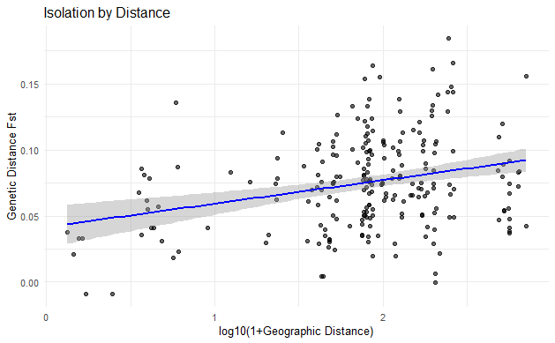
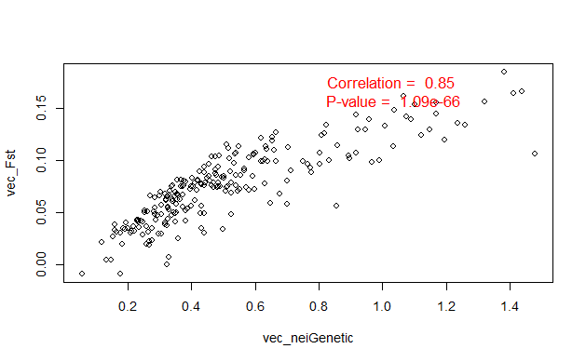
cc_truffles.matFst_minusBar
Calculated with mat_pw_fst() from graph4lg

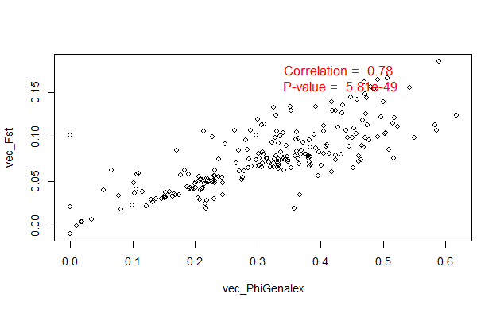
 | ALD | BOB | BOH | BRU | BUR | FRB | FRE | FRI | GEN | HAN | KON | LIM | NEU | RIE | SCD | SCG | SCL | SCS | TRO | UEB | UST | WSL
ALD | 0 | 0.04288366894 | 0.069451641735 | 0.053407185324 | 0.16588207292 | 0.1236738163 | 0.090266010076 | 0.055373771732 | 0.070514169189 | 0.084749168944 | 0.074906782527 | 0.056455693034 | 0.0679870266 | 0.041097282195 | 0.082816574132 | 0.11270408341 | 0.11814840149 | 0.085585854842 | 0.087435974691 | 0.081177945459 | 0.042302239768 | 0.04820407815
BOB | 0.04288366894 | 0 | 0.033162698246 | 0.032289474948 | 0.12896898587 | 0.096642627099 | 0.068371836816 | 0.035622937986 | 0.048817673626 | 0.054128963027 | 0.074719577001 | 0.032000710409 | 0.050317533555 | 0.031220576912 | 0.05022571786 | 0.075475962669 | 0.096715988972 | 0.071180352985 | 0.075468277204 | 0.067935103159 | 0.034826632121 | 0.061610761199
BOH | 0.069451641735 | 0.033162698246 | 0 | 0.03012479687 | 0.143688296 | 0.11437413985 | 0.073914638219 | 0.03501207285 | 0.073487053365 | 0.05406389217 | 0.065476415083 | 0.026637165572 | 0.05137636587 | 0.06118543898 | 0.075079522479 | 0.1024518357 | 0.10654912099 | 0.064585224453 | 0.091320557215 | 0.081147832027 | 0.039640526267 | 0.079864668462
BRU | 0.053407185324 | 0.032289474948 | 0.03012479687 | 0 | 0.074383373663 | 0.058196051443 | 0.030552449117 | 0.0045498325026 | -0.00012476606363 | 0.036935323703 | 0.066869968883 | -0.0092189668074 | 0.051510260549 | 0.043837407463 | 0.03601030856 | 0.041065482797 | 0.061896583174 | 0.028791593695 | 0.07006973123 | 0.074897887801 | 0.036006935296 | 0.0185540627
BUR | 0.16588207292 | 0.12896898587 | 0.143688296 | 0.074383373663 | 0 | 0.10470612223 | 0.098137378871 | 0.099336133092 | 0.13593699758 | 0.15580468093 | 0.15554176211 | 0.084465748423 | 0.15364377562 | 0.14420109397 | 0.13384089932 | 0.12591034336 | 0.16097194468 | 0.13866840761 | 0.14796820379 | 0.18456448958 | 0.14181391094 | 0.12961243373
FRB | 0.1236738163 | 0.096642627099 | 0.11437413985 | 0.058196051443 | 0.10470612223 | 0 | -0.0090719933417 | 0.047603606332 | 0.10640422194 | 0.119789008 | 0.13887125838 | 0.058500691509 | 0.12922974263 | 0.10155948452 | 0.10687350408 | 0.092966248533 | 0.13320632033 | 0.1133373229 | 0.13353714413 | 0.16413433614 | 0.1072164401 | 0.099804417034
FRE | 0.090266010076 | 0.068371836816 | 0.073914638219 | 0.030552449117 | 0.098137378871 | -0.0090719933417 | 0 | 0.024654436498 | 0.055802007938 | 0.079925769502 | 0.099251746954 | 0.034312830809 | 0.096349319971 | 0.077294073058 | 0.078012644552 | 0.071698113208 | 0.098649054037 | 0.088510638298 | 0.10021321962 | 0.12390339491 | 0.074115502586 | 0.067379679144
FRI | 0.055373771732 | 0.035622937986 | 0.03501207285 | 0.0045498325026 | 0.099336133092 | 0.047603606332 | 0.024654436498 | 0 | 0.034121577559 | 0.055966629127 | 0.077758735721 | 0.0046214459059 | 0.073825209143 | 0.050123390926 | 0.058285552412 | 0.071996388087 | 0.10061844231 | 0.034875605465 | 0.075894351338 | 0.080135052932 | 0.042481928066 | 0.028934539336
GEN | 0.070514169189 | 0.048817673626 | 0.073487053365 | -0.00012476606363 | 0.13593699758 | 0.10640422194 | 0.055802007938 | 0.034121577559 | 0 | 0.042126755281 | 0.062088281631 | 0.0065290064083 | 0.09907120743 | 0.049243552545 | 0.039847484799 | 0.029052402932 | 0.052603984621 | 0.019842348464 | 0.099307159353 | 0.066362093327 | 0.021890763139 | 0.071057192374
HAN | 0.084749168944 | 0.054128963027 | 0.05406389217 | 0.036935323703 | 0.15580468093 | 0.119789008 | 0.079925769502 | 0.055966629127 | 0.042126755281 | 0 | 0.083048409831 | 0.038272439542 | 0.072253728208 | 0.047172068091 | 0.041358389007 | 0.091900851607 | 0.066898709797 | 0.083906581741 | 0.10971340514 | 0.089139094742 | 0.047778462115 | 0.07440925088
KON | 0.074906782527 | 0.074719577001 | 0.065476415083 | 0.066869968883 | 0.15554176211 | 0.13887125838 | 0.099251746954 | 0.077758735721 | 0.062088281631 | 0.083048409831 | 0 | 0.064641243602 | 0.069831849654 | 0.07034812627 | 0.093679725799 | 0.10563207006 | 0.10354742136 | 0.075798694495 | 0.12097557332 | 0.11492593218 | 0.065792153866 | 0.075264480241
LIM | 0.056455693034 | 0.032000710409 | 0.026637165572 | -0.0092189668074 | 0.084465748423 | 0.058500691509 | 0.034312830809 | 0.0046214459059 | 0.0065290064083 | 0.038272439542 | 0.064641243602 | 0 | 0.048997040447 | 0.046895135697 | 0.041287885474 | 0.031040547607 | 0.057228519829 | 0.019654251491 | 0.053133027166 | 0.074771868337 | 0.029740645954 | 0.022891381165
NEU | 0.0679870266 | 0.050317533555 | 0.05137636587 | 0.051510260549 | 0.15364377562 | 0.12922974263 | 0.096349319971 | 0.073825209143 | 0.09907120743 | 0.072253728208 | 0.069831849654 | 0.048997040447 | 0 | 0.041831634344 | 0.080523664387 | 0.10642201835 | 0.080239984382 | 0.11335849057 | 0.065048543689 | 0.10374874871 | 0.065766423142 | 0.078558771412
RIE | 0.041097282195 | 0.031220576912 | 0.06118543898 | 0.043837407463 | 0.14420109397 | 0.10155948452 | 0.077294073058 | 0.050123390926 | 0.049243552545 | 0.047172068091 | 0.07034812627 | 0.046895135697 | 0.041831634344 | 0 | 0.050673065726 | 0.085879535168 | 0.081195745679 | 0.090009403622 | 0.082864622962 | 0.087784613512 | 0.050292414097 | 0.049396595757
SCD | 0.082816574132 | 0.05022571786 | 0.075079522479 | 0.03601030856 | 0.13384089932 | 0.10687350408 | 0.078012644552 | 0.058285552412 | 0.039847484799 | 0.041358389007 | 0.093679725799 | 0.041287885474 | 0.080523664387 | 0.050673065726 | 0 | 0.033320093561 | 0.037786252489 | 0.084324394859 | 0.10496872624 | 0.096075466969 | 0.062223392284 | 0.054889352776
SCG | 0.11270408341 | 0.075475962669 | 0.1024518357 | 0.041065482797 | 0.12591034336 | 0.092966248533 | 0.071698113208 | 0.071996388087 | 0.029052402932 | 0.091900851607 | 0.10563207006 | 0.031040547607 | 0.10642201835 | 0.085879535168 | 0.033320093561 | 0 | 0.021105296292 | 0.062470495673 | 0.11047040971 | 0.12628276796 | 0.078636674511 | 0.085516844227
SCL | 0.11814840149 | 0.096715988972 | 0.10654912099 | 0.061896583174 | 0.16097194468 | 0.13320632033 | 0.098649054037 | 0.10061844231 | 0.052603984621 | 0.066898709797 | 0.10354742136 | 0.057228519829 | 0.080239984382 | 0.081195745679 | 0.037786252489 | 0.021105296292 | 0 | 0.10182127569 | 0.12207247658 | 0.11162540429 | 0.093523612008 | 0.078171379271
SCS | 0.085585854842 | 0.071180352985 | 0.064585224453 | 0.028791593695 | 0.13866840761 | 0.1133373229 | 0.088510638298 | 0.034875605465 | 0.019842348464 | 0.083906581741 | 0.075798694495 | 0.019654251491 | 0.11335849057 | 0.090009403622 | 0.084324394859 | 0.062470495673 | 0.10182127569 | 0 | 0.10727272727 | 0.11293414054 | 0.060775468082 | 0.078298485941
TRO | 0.087435974691 | 0.075468277204 | 0.091320557215 | 0.07006973123 | 0.14796820379 | 0.13353714413 | 0.10021321962 | 0.075894351338 | 0.099307159353 | 0.10971340514 | 0.12097557332 | 0.053133027166 | 0.065048543689 | 0.082864622962 | 0.10496872624 | 0.11047040971 | 0.12207247658 | 0.10727272727 | 0 | 0.10467548672 | 0.07669560602 | 0.089402529437
UEB | 0.081177945459 | 0.067935103159 | 0.081147832027 | 0.074897887801 | 0.18456448958 | 0.16413433614 | 0.12390339491 | 0.080135052932 | 0.066362093327 | 0.089139094742 | 0.11492593218 | 0.074771868337 | 0.10374874871 | 0.087784613512 | 0.096075466969 | 0.12628276796 | 0.11162540429 | 0.11293414054 | 0.10467548672 | 0 | 0.064384350519 | 0.079551064044
UST | 0.042302239768 | 0.034826632121 | 0.039640526267 | 0.036006935296 | 0.14181391094 | 0.1072164401 | 0.074115502586 | 0.042481928066 | 0.021890763139 | 0.047778462115 | 0.065792153866 | 0.029740645954 | 0.065766423142 | 0.050292414097 | 0.062223392284 | 0.078636674511 | 0.093523612008 | 0.060775468082 | 0.07669560602 | 0.064384350519 | 0 | 0.074736434026
WSL | 0.04820407815 | 0.061610761199 | 0.079864668462 | 0.0185540627 | 0.12961243373 | 0.099804417034 | 0.067379679144 | 0.028934539336 | 0.071057192374 | 0.07440925088 | 0.075264480241 | 0.022891381165 | 0.078558771412 | 0.049396595757 | 0.054889352776 | 0.085516844227 | 0.078171379271 | 0.078298485941 | 0.089402529437 | 0.079551064044 | 0.074736434026 | 0

Nei distance
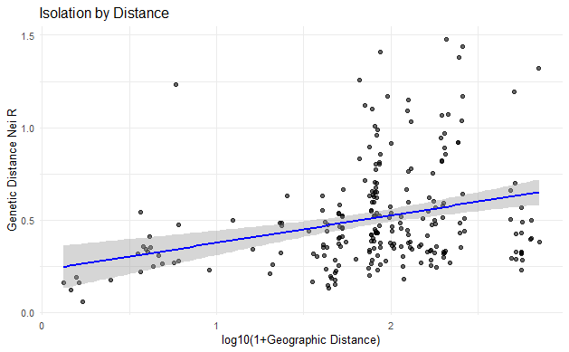
cc_genetic_dist_minusBar
Calculated with dist.genpop() and method = 1 = Neis from adegenet

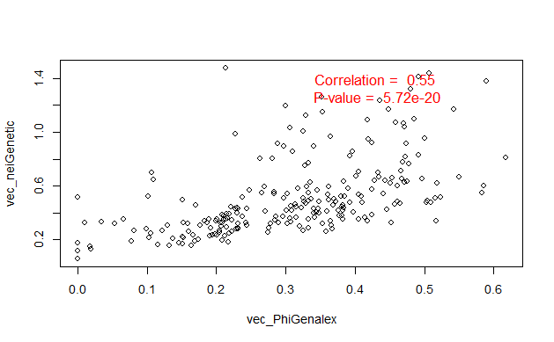
 | ALD | BOB | BOH | BRU | BUR | FRB | FRE | FRI | GEN | HAN | KON | LIM | NEU | RIE | SCD | SCG | SCL | SCS | TRO | UEB | UST | WSL
ALD | 0 | 0.23384517637 | 0.35089718579 | 0.38840182288 | 1.4370764485 | 1.1217464354 | 0.71186550389 | 0.37406596827 | 0.50645680849 | 0.5023078168 | 0.33660581308 | 0.39912208874 | 0.35468976984 | 0.23171743988 | 0.44771416061 | 0.70355150138 | 0.65289068642 | 0.47854755194 | 0.4763708356 | 0.36716109612 | 0.23029464095 | 0.30660990324
BOB | 0.23384517637 | 0 | 0.15918838839 | 0.22229051383 | 0.92180122252 | 0.80132744669 | 0.52561273298 | 0.23701996077 | 0.42814992392 | 0.32771049754 | 0.36626623852 | 0.21268691967 | 0.28126594898 | 0.16657380066 | 0.25323016228 | 0.46515872136 | 0.53397984078 | 0.41614016041 | 0.44065590978 | 0.3169320411 | 0.18651158692 | 0.41228603398
BOH | 0.35089718579 | 0.15918838839 | 0 | 0.17612262229 | 0.91784817884 | 0.85857310828 | 0.46992592766 | 0.2015469626 | 0.48256295573 | 0.28627259198 | 0.26964584528 | 0.15358307696 | 0.25235210196 | 0.31995086685 | 0.37247988112 | 0.58133742283 | 0.53979165083 | 0.32517035109 | 0.4762103621 | 0.35487605105 | 0.19365967738 | 0.45734710202
BRU | 0.38840182288 | 0.22229051383 | 0.17612262229 | 0 | 0.51471470506 | 0.69941810999 | 0.43990349791 | 0.14715426971 | 0.32312993407 | 0.32415040988 | 0.37196590742 | 0.056891859607 | 0.38240563351 | 0.32679698918 | 0.21776941841 | 0.34973108138 | 0.34174117178 | 0.2484001287 | 0.54605876668 | 0.4038363611 | 0.25806030417 | 0.26830635469
BUR | 1.4370764485 | 0.92180122252 | 0.91784817884 | 0.51471470506 | 0 | 0.8928253799 | 0.96686229826 | 0.75155007413 | 1.2342007181 | 1.3199577048 | 1.1680076085 | 0.5919903333 | 1.0999536858 | 1.1694099263 | 0.82264130895 | 0.81622597258 | 1.0670932453 | 0.95688971624 | 1.036199049 | 1.3813644002 | 1.0736125354 | 0.94607729318
FRB | 1.1217464354 | 0.80132744669 | 0.85857310828 | 0.69941810999 | 0.8928253799 | 0 | 0.17694224934 | 0.5243393069 | 1.4772956753 | 1.1933482178 | 1.0901646297 | 0.64875800595 | 1.1477945165 | 0.89689199984 | 0.80317761176 | 0.77346636897 | 1.0070175586 | 1.0324401283 | 1.2598796531 | 1.4095321078 | 0.9169371608 | 0.98908415749
FRE | 0.71186550389 | 0.52561273298 | 0.46992592766 | 0.43990349791 | 0.96686229826 | 0.17694224934 | 0 | 0.35929016107 | 0.8542633871 | 0.69920694266 | 0.66613919076 | 0.43255975145 | 0.764216029 | 0.63143820205 | 0.52390058353 | 0.59823901823 | 0.62544575206 | 0.77684555258 | 0.83100337928 | 0.81003031699 | 0.57296033081 | 0.67598811478
FRI | 0.37406596827 | 0.23701996077 | 0.2015469626 | 0.14715426971 | 0.75155007413 | 0.5243393069 | 0.35929016107 | 0 | 0.49801120305 | 0.43147662214 | 0.43096356822 | 0.13233571912 | 0.511781958 | 0.3524159439 | 0.3537615942 | 0.55076875208 | 0.62924860225 | 0.27773702209 | 0.54005629364 | 0.42002004486 | 0.28739719757 | 0.3061065043
GEN | 0.50645680849 | 0.42814992392 | 0.48256295573 | 0.32312993407 | 1.2342007181 | 1.4772956753 | 0.8542633871 | 0.49801120305 | 0 | 0.38081843051 | 0.36404999262 | 0.33069924112 | 0.6189208512 | 0.44156634406 | 0.31845373112 | 0.29696068923 | 0.32860737259 | 0.25844400499 | 0.64003420959 | 0.35416148942 | 0.26708429256 | 0.57953412287
HAN | 0.5023078168 | 0.32771049754 | 0.28627259198 | 0.32415040988 | 1.3199577048 | 1.1933482178 | 0.69920694266 | 0.43147662214 | 0.38081843051 | 0 | 0.40196807438 | 0.31815297046 | 0.39684879741 | 0.29487681351 | 0.22961760533 | 0.56717795393 | 0.32893482921 | 0.49729836229 | 0.66024366174 | 0.42537152488 | 0.28526181574 | 0.48903371132
KON | 0.33660581308 | 0.36626623852 | 0.26964584528 | 0.37196590742 | 1.1680076085 | 1.0901646297 | 0.66613919076 | 0.43096356822 | 0.36404999262 | 0.40196807438 | 0 | 0.34772561904 | 0.30425189129 | 0.3315979033 | 0.44046622306 | 0.53713579551 | 0.46424366792 | 0.34206723101 | 0.61973047936 | 0.51049608656 | 0.30135412852 | 0.37676410756
LIM | 0.39912208874 | 0.21268691967 | 0.15358307696 | 0.056891859607 | 0.5919903333 | 0.64875800595 | 0.43255975145 | 0.13233571912 | 0.33069924112 | 0.31815297046 | 0.34772561904 | 0 | 0.34999896978 | 0.33893762719 | 0.24687581061 | 0.26615794567 | 0.30609328566 | 0.18197890225 | 0.38827139393 | 0.39945916079 | 0.20824478327 | 0.27737841368
NEU | 0.35468976984 | 0.28126594898 | 0.25235210196 | 0.38240563351 | 1.0999536858 | 1.1477945165 | 0.764216029 | 0.511781958 | 0.6189208512 | 0.39684879741 | 0.30425189129 | 0.34999896978 | 0 | 0.24183430411 | 0.42020010761 | 0.59466664788 | 0.37541166742 | 0.63333311827 | 0.32236750839 | 0.47611078495 | 0.35807886678 | 0.44400398169
RIE | 0.23171743988 | 0.16657380066 | 0.31995086685 | 0.32679698918 | 1.1694099263 | 0.89689199984 | 0.63143820205 | 0.3524159439 | 0.44156634406 | 0.29487681351 | 0.3315979033 | 0.33893762719 | 0.24183430411 | 0 | 0.26278785512 | 0.5544687112 | 0.41950632333 | 0.564947328 | 0.50025835237 | 0.44041077723 | 0.28257883058 | 0.34471242631
SCD | 0.44771416061 | 0.25323016228 | 0.37247988112 | 0.21776941841 | 0.82264130895 | 0.80317761176 | 0.52390058353 | 0.3537615942 | 0.31845373112 | 0.22961760533 | 0.44046622306 | 0.24687581061 | 0.42020010761 | 0.26278785512 | 0 | 0.19052548244 | 0.16041627814 | 0.45584466861 | 0.59529831575 | 0.45612498613 | 0.32136862502 | 0.32703835954
SCG | 0.70355150138 | 0.46515872136 | 0.58133742283 | 0.34973108138 | 0.81622597258 | 0.77346636897 | 0.59823901823 | 0.55076875208 | 0.29696068923 | 0.56717795393 | 0.53713579551 | 0.26615794567 | 0.59466664788 | 0.5544687112 | 0.19052548244 | 0 | 0.11975332014 | 0.3553925434 | 0.63705430417 | 0.66401508629 | 0.46909657864 | 0.54057833991
SCL | 0.65289068642 | 0.53397984078 | 0.53979165083 | 0.34174117178 | 1.0670932453 | 1.0070175586 | 0.62544575206 | 0.62924860225 | 0.32860737259 | 0.32893482921 | 0.46424366792 | 0.30609328566 | 0.37541166742 | 0.41950632333 | 0.16041627814 | 0.11975332014 | 0 | 0.51835108911 | 0.65441278442 | 0.51697682312 | 0.48311175752 | 0.4101051716
SCS | 0.47854755194 | 0.41614016041 | 0.32517035109 | 0.2484001287 | 0.95688971624 | 1.0324401283 | 0.77684555258 | 0.27773702209 | 0.25844400499 | 0.49729836229 | 0.34206723101 | 0.18197890225 | 0.63333311827 | 0.564947328 | 0.45584466861 | 0.3553925434 | 0.51835108911 | 0 | 0.60064377067 | 0.54802629724 | 0.34090022226 | 0.48495726837
TRO | 0.4763708356 | 0.44065590978 | 0.4762103621 | 0.54605876668 | 1.036199049 | 1.2598796531 | 0.83100337928 | 0.54005629364 | 0.64003420959 | 0.66024366174 | 0.61973047936 | 0.38827139393 | 0.32236750839 | 0.50025835237 | 0.59529831575 | 0.63705430417 | 0.65441278442 | 0.60064377067 | 0 | 0.48758637465 | 0.43043637831 | 0.52142738372
UEB | 0.36716109612 | 0.3169320411 | 0.35487605105 | 0.4038363611 | 1.3813644002 | 1.4095321078 | 0.81003031699 | 0.42002004486 | 0.35416148942 | 0.42537152488 | 0.51049608656 | 0.39945916079 | 0.47611078495 | 0.44041077723 | 0.45612498613 | 0.66401508629 | 0.51697682312 | 0.54802629724 | 0.48758637465 | 0 | 0.28490391885 | 0.38219262715
UST | 0.23029464095 | 0.18651158692 | 0.19365967738 | 0.25806030417 | 1.0736125354 | 0.9169371608 | 0.57296033081 | 0.28739719757 | 0.26708429256 | 0.28526181574 | 0.30135412852 | 0.20824478327 | 0.35807886678 | 0.28257883058 | 0.32136862502 | 0.46909657864 | 0.48311175752 | 0.34090022226 | 0.43043637831 | 0.28490391885 | 0 | 0.48393643442
WSL | 0.30660990324 | 0.41228603398 | 0.45734710202 | 0.26830635469 | 0.94607729318 | 0.98908415749 | 0.67598811478 | 0.3061065043 | 0.57953412287 | 0.48903371132 | 0.37676410756 | 0.27737841368 | 0.44400398169 | 0.34471242631 | 0.32703835954 | 0.54057833991 | 0.4101051716 | 0.48495726837 | 0.52142738372 | 0.38219262715 | 0.48393643442 | 0

PhiPT Genalex
PhiPT Genalex (data from Genalex)

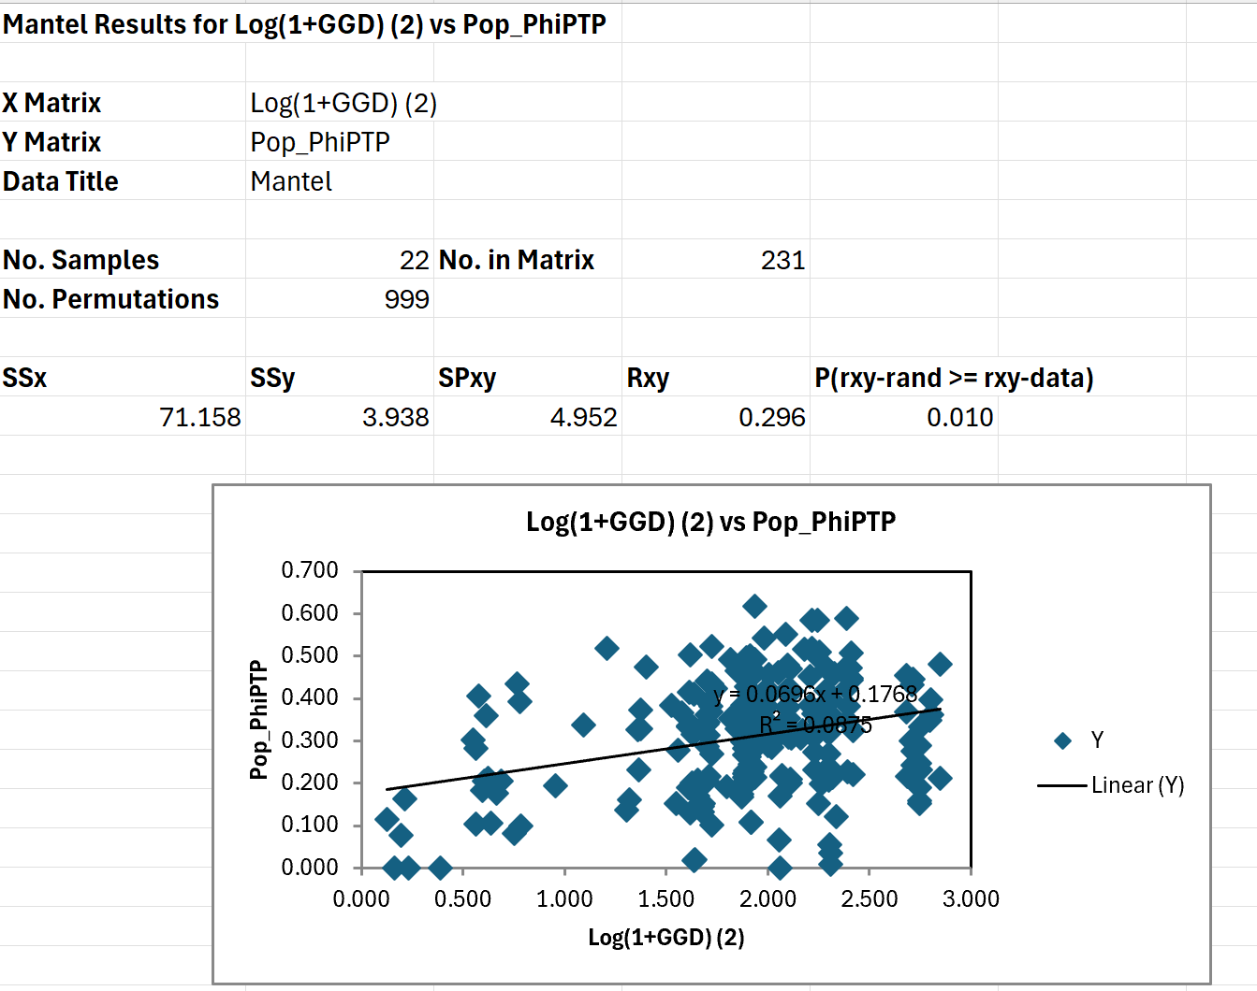
 | 1 | 22
 | MLGAllmarkersonly_incdoublepop | MLG_Allmarkero_Genalex_ohneBAR | Pairwise Population PhiPT Values
 | ALD | BOB | BOH | BRU | BUR | FRB | FRE | FRI | GEN | HAN | KON | LIM | NEU | RIE | SCD | SCG | SCL | SCS | TRO | UEB | UST | WSL
ALD | 0.000 | 0.201 | 0.333 | 0.219 | 0.507 | 0.330 | 0.466 | 0.238 | 0.325 | 0.369 | 0.364 | 0.230 | 0.333 | 0.195 | 0.308 | 0.405 | 0.467 | 0.510 | 0.393 | 0.414 | 0.212 | 0.244
BOB | 0.201 | 0.000 | 0.164 | 0.151 | 0.424 | 0.280 | 0.385 | 0.167 | 0.227 | 0.243 | 0.315 | 0.152 | 0.231 | 0.151 | 0.205 | 0.314 | 0.361 | 0.383 | 0.316 | 0.302 | 0.170 | 0.270
BOH | 0.333 | 0.164 | 0.000 | 0.146 | 0.473 | 0.311 | 0.464 | 0.174 | 0.349 | 0.276 | 0.325 | 0.132 | 0.274 | 0.278 | 0.286 | 0.389 | 0.440 | 0.452 | 0.410 | 0.406 | 0.208 | 0.369
BRU | 0.219 | 0.151 | 0.146 | 0.000 | 0.237 | 0.107 | 0.230 | 0.018 | 0.010 | 0.152 | 0.296 | 0.000 | 0.208 | 0.187 | 0.103 | 0.211 | 0.183 | 0.218 | 0.266 | 0.344 | 0.160 | 0.081
BUR | 0.507 | 0.424 | 0.473 | 0.237 | 0.000 | 0.341 | 0.364 | 0.328 | 0.435 | 0.480 | 0.542 | 0.269 | 0.485 | 0.449 | 0.392 | 0.473 | 0.470 | 0.500 | 0.471 | 0.590 | 0.459 | 0.419
FRB | 0.330 | 0.280 | 0.311 | 0.107 | 0.341 | 0.000 | 0.000 | 0.102 | 0.214 | 0.300 | 0.418 | 0.109 | 0.354 | 0.297 | 0.263 | 0.333 | 0.326 | 0.307 | 0.352 | 0.492 | 0.289 | 0.228
FRE | 0.466 | 0.385 | 0.464 | 0.230 | 0.364 | 0.000 | 0.000 | 0.216 | 0.396 | 0.433 | 0.550 | 0.244 | 0.477 | 0.383 | 0.379 | 0.460 | 0.471 | 0.469 | 0.491 | 0.617 | 0.424 | 0.401
FRI | 0.238 | 0.167 | 0.174 | 0.018 | 0.328 | 0.102 | 0.216 | 0.000 | 0.151 | 0.231 | 0.347 | 0.019 | 0.297 | 0.214 | 0.189 | 0.333 | 0.336 | 0.367 | 0.302 | 0.376 | 0.192 | 0.130
GEN | 0.325 | 0.227 | 0.349 | 0.010 | 0.435 | 0.214 | 0.396 | 0.151 | 0.000 | 0.211 | 0.342 | 0.035 | 0.451 | 0.221 | 0.054 | 0.207 | 0.209 | 0.358 | 0.443 | 0.382 | 0.122 | 0.318
HAN | 0.369 | 0.243 | 0.276 | 0.152 | 0.480 | 0.300 | 0.433 | 0.231 | 0.211 | 0.000 | 0.398 | 0.159 | 0.348 | 0.215 | 0.190 | 0.247 | 0.289 | 0.362 | 0.454 | 0.446 | 0.232 | 0.332
KON | 0.364 | 0.315 | 0.325 | 0.296 | 0.542 | 0.418 | 0.550 | 0.347 | 0.342 | 0.398 | 0.000 | 0.285 | 0.366 | 0.308 | 0.322 | 0.405 | 0.457 | 0.517 | 0.518 | 0.515 | 0.320 | 0.381
LIM | 0.230 | 0.152 | 0.132 | 0.000 | 0.269 | 0.109 | 0.244 | 0.019 | 0.035 | 0.159 | 0.285 | 0.000 | 0.201 | 0.200 | 0.106 | 0.204 | 0.177 | 0.217 | 0.214 | 0.341 | 0.137 | 0.099
NEU | 0.333 | 0.231 | 0.274 | 0.208 | 0.485 | 0.354 | 0.477 | 0.297 | 0.451 | 0.348 | 0.366 | 0.201 | 0.000 | 0.198 | 0.308 | 0.330 | 0.377 | 0.475 | 0.353 | 0.503 | 0.306 | 0.381
RIE | 0.195 | 0.151 | 0.278 | 0.187 | 0.449 | 0.297 | 0.383 | 0.214 | 0.221 | 0.215 | 0.308 | 0.200 | 0.198 | 0.000 | 0.222 | 0.283 | 0.302 | 0.346 | 0.337 | 0.383 | 0.229 | 0.223
SCD | 0.308 | 0.205 | 0.286 | 0.103 | 0.392 | 0.263 | 0.379 | 0.189 | 0.054 | 0.190 | 0.322 | 0.106 | 0.308 | 0.222 | 0.000 | 0.078 | 0.116 | 0.170 | 0.362 | 0.382 | 0.231 | 0.206
SCG | 0.405 | 0.314 | 0.389 | 0.211 | 0.473 | 0.333 | 0.460 | 0.333 | 0.207 | 0.247 | 0.405 | 0.204 | 0.330 | 0.283 | 0.078 | 0.000 | 0.000 | 0.066 | 0.428 | 0.434 | 0.330 | 0.283
SCL | 0.467 | 0.361 | 0.440 | 0.183 | 0.470 | 0.326 | 0.471 | 0.336 | 0.209 | 0.289 | 0.457 | 0.177 | 0.377 | 0.302 | 0.116 | 0.000 | 0.000 | 0.000 | 0.497 | 0.523 | 0.373 | 0.360
SCS | 0.510 | 0.383 | 0.452 | 0.218 | 0.500 | 0.307 | 0.469 | 0.367 | 0.358 | 0.362 | 0.517 | 0.217 | 0.475 | 0.346 | 0.170 | 0.066 | 0.000 | 0.000 | 0.585 | 0.583 | 0.418 | 0.461
TRO | 0.393 | 0.316 | 0.410 | 0.266 | 0.471 | 0.352 | 0.491 | 0.302 | 0.443 | 0.454 | 0.518 | 0.214 | 0.353 | 0.337 | 0.362 | 0.428 | 0.497 | 0.585 | 0.000 | 0.504 | 0.341 | 0.409
UEB | 0.414 | 0.302 | 0.406 | 0.344 | 0.590 | 0.492 | 0.617 | 0.376 | 0.382 | 0.446 | 0.515 | 0.341 | 0.503 | 0.383 | 0.382 | 0.434 | 0.523 | 0.583 | 0.504 | 0.000 | 0.333 | 0.424
UST | 0.212 | 0.170 | 0.208 | 0.160 | 0.459 | 0.289 | 0.424 | 0.192 | 0.122 | 0.232 | 0.320 | 0.137 | 0.306 | 0.229 | 0.231 | 0.330 | 0.373 | 0.418 | 0.341 | 0.333 | 0.000 | 0.327
WSL | 0.244 | 0.270 | 0.369 | 0.081 | 0.419 | 0.228 | 0.401 | 0.130 | 0.318 | 0.332 | 0.381 | 0.099 | 0.381 | 0.223 | 0.206 | 0.283 | 0.360 | 0.461 | 0.409 | 0.424 | 0.327 | 0.000

