Sheet1
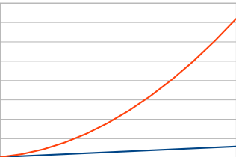
1 | 1
2 | 4
3 | 9
4 | 16
5 | 25
6 | 36
7 | 49
8 | 64
9 | 81
10 | 100
11 | 121
12 | 144

