Chromium cDNA Agilent
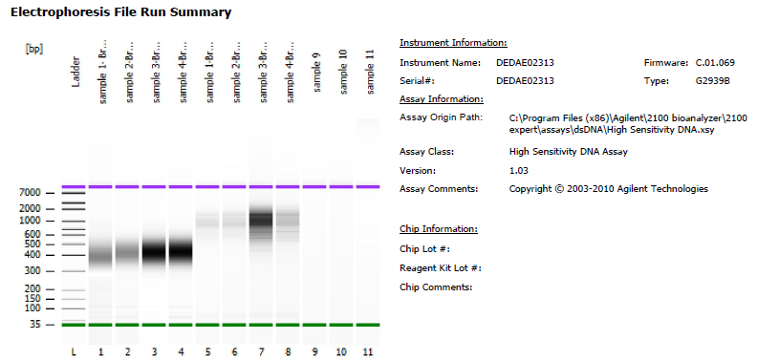
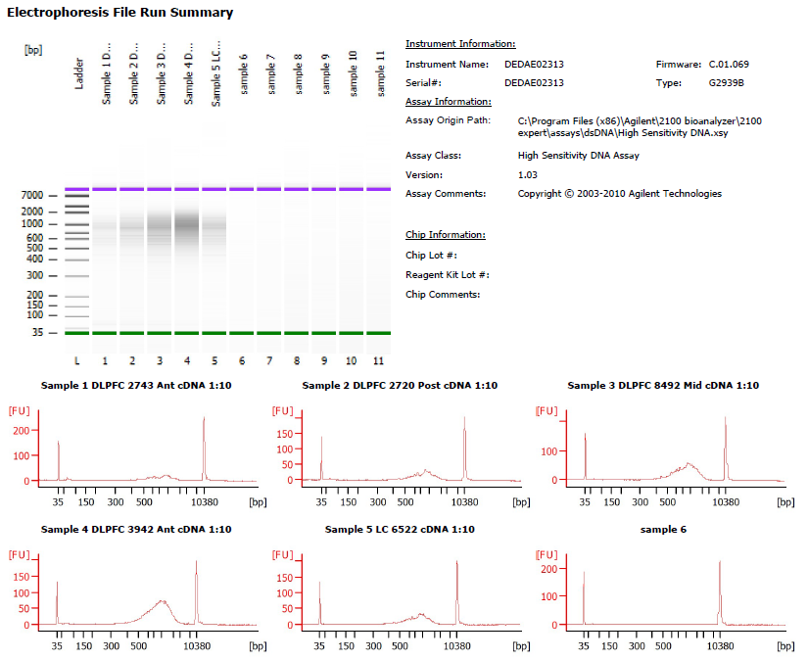
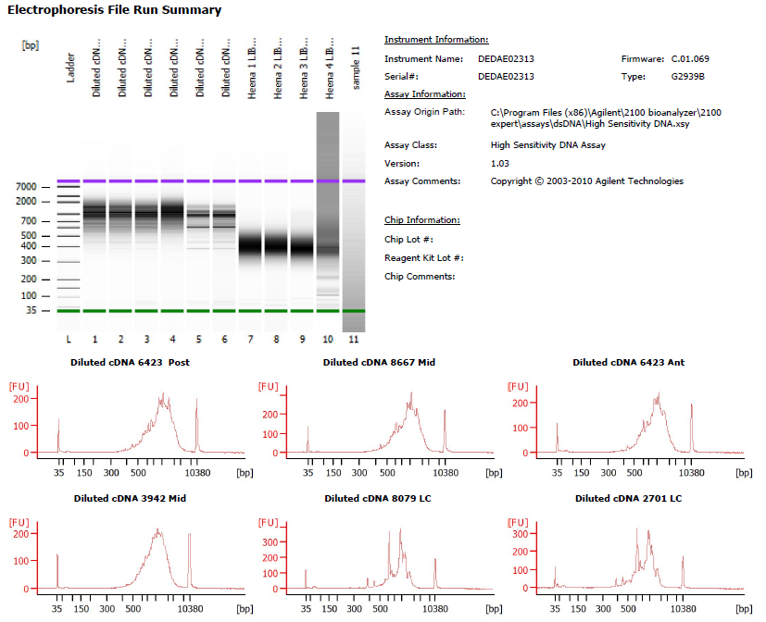

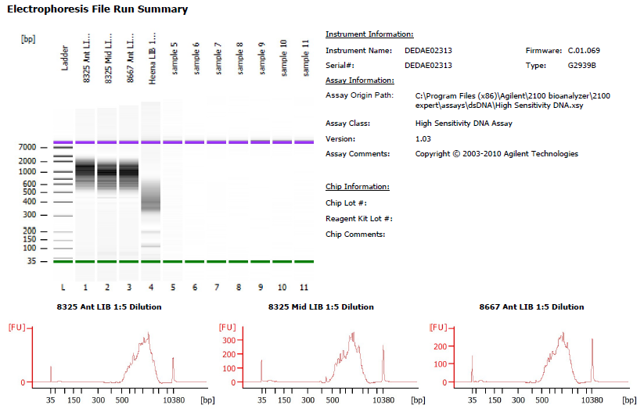

Deconvolution Round 2 |  |  |  |  |  |  |  |  | Deconvolution Round 3 |  |  |  |  |  |  |  |  | Deconvolution Round 4 |  |  |  |  |  |  |  |  | Deconvolution Round 5
Sample # | Tissue | Brain | Nuclei Sorted | Nuclei Targeted | cDNA Amp Cycle | [cDNA] pg/ul | Dilution Factor | Total cDNA ng | Sample # | Tissue | Brain | Nuclei Sorted | Nuclei Targeted | cDNA Amp Cycle | [cDNA] pg/ul | Dilution Factor | Total cDNA ng | Sample # | Tissue | Brain | Nuclei Sorted | Nuclei Targeted | cDNA Amp Cycle | [cDNA] pg/ul | Dilution Factor | Total cDNA ng | Sample # | Tissue | Brain | Nuclei Sorted | Nuclei Targeted | cDNA Amp Cycle | [cDNA] pg/ul | Dilution Factor | Total cDNA ng
4c_k | DLPFC Mid | 6522 | 9000 | 6000 | 12 | 3440 | 1 | 137.6 | 8c_k | DLPFC Ant | 2743 | 9000 | 6000 | 12 | 119.88 | 10 | 47.952 | 12c_k | DLPFC Post | 6423 | 9000 | 6000 | 12 | 1535.17 | 6.04 | 370.897072 | 16c_k | DLPFC Ant | 8325 | 9000 | 6000 | 12 | 2745.53 | 5 | 549.106
5c_k | DLPFC Post | 6522 | 9000 | 6000 | 12 | 2900 | 1 | 116 | 9c_k | DLPFC Post | 2720 | 9000 | 6000 | 12 | 210.8 | 10 | 84.32 | 13c_k | DLPFC Mid | 8667 | 9000 | 6000 | 12 | 1609.53 | 8.08 | 520.200096 | 17c_k | DLPFC Mid | 8325 | 9000 | 6000 | 12 | 1961.25 | 5 | 392.25
6c_k | DLPFC Mid | 6471 | 9000 | 6000 | 12 | 24800 | 1 | 992 | 10c_k | DLPFC Mid | 8492 | 9000 | 6000 | 12 | 432.82 | 10 | 173.128 | 14c_k | DLPFC Ant | 6423 | 9000 | 6000 | 12 | 1368.98 | 2.32 | 127.041344 | 18c_k | DLPFC Ant | 8667 | 9000 | 6000 | 12 | 1648.53 | 5 | 329.706
7c_k | DLPFC Post | 8492 | 4310 | 4000 | 12 | 7840 | 1 | 313.6 | 11c_k | DLPFC Ant | 3942 | 9000 | 6000 | 12 | 568.24 | 10 | 227.296 | 15c_k | DLPFC Mid | 3942 | 9000 | 6000 | 12 | 1439.28 | 9.56 | 550.380672
 |  |  |  |  |  |  |  |  | 1c_m | LC | 6522 | 5637 | 4000 | 12 | 228.72 | 10 | 91.488 | 2c_m | LC | 8079 | 8900 | 6000 | 12 | 1409.71 | 2.8 | 157.88752
 |  |  |  |  |  |  |  |  |  |  |  |  |  |  |  |  |  | 3c_m | LC | 2701 | 8900 | 6000 | 12 | 1835.65 | 0.84 | 61.67784

Chromium Library Agilent
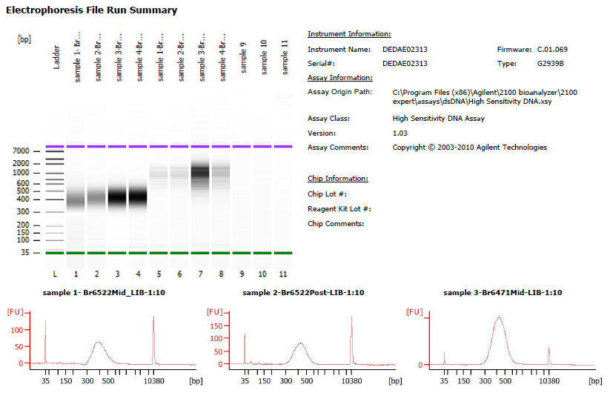
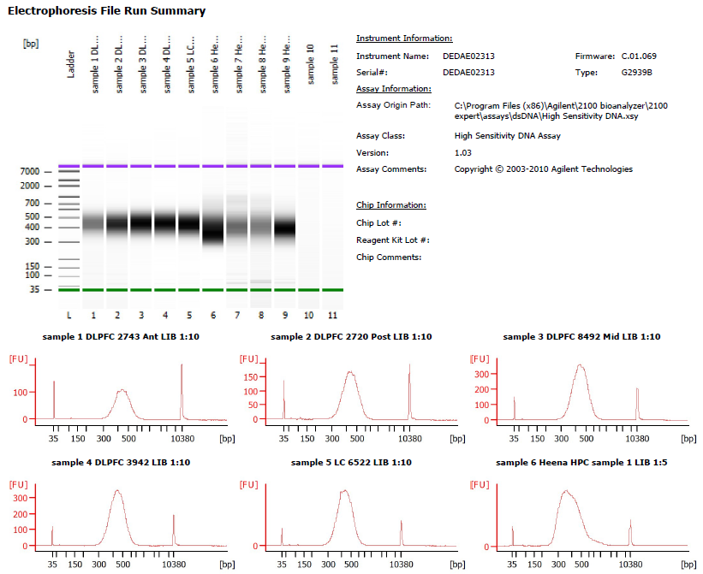
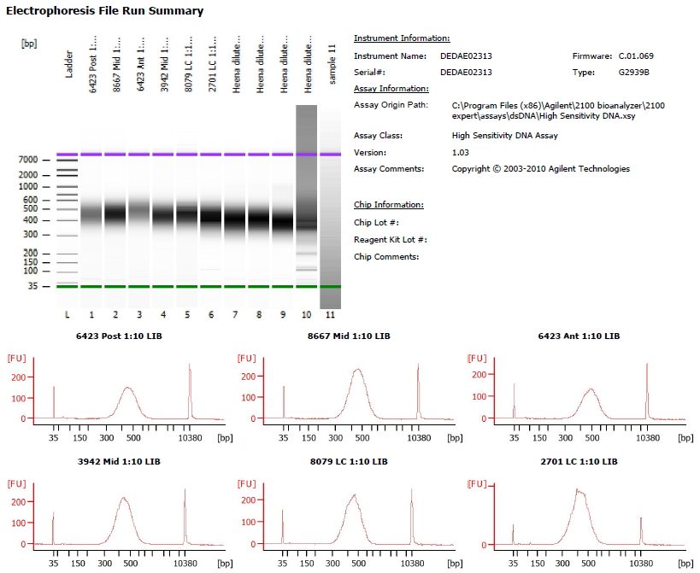

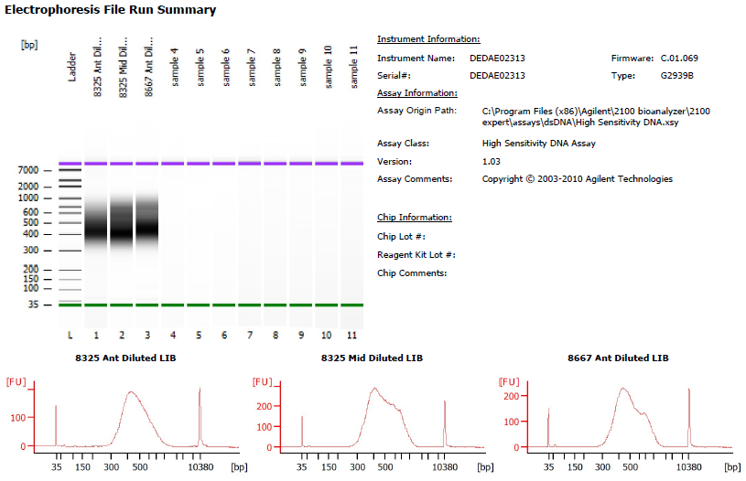

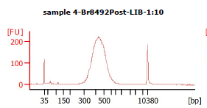

Deconvolution Round 2 |  |  |  |  |  |  |  |  |  |  |  | Deconvolution Round 3 |  |  |  |  |  |  |  |  |  |  |  | Deconvolution Round 4 |  |  |  |  |  |  |  |  |  |  |  | Deconvolution Round 5
Sample # | Tissue | Brain | Nuclei Sorted | Nuclei Targeted | cDNA Input | SI cycles | Ave frag length | Agilent [pg/ul] | Dilution (1:10) | Agilent [pg/ul] | index_name | Sample # | Tissue | Brain | Nuclei Sorted | Nuclei Targeted | cDNA Input | SI cycles | Ave frag length | Agilent [pg/ul] | Dilution (1:10) | Agilent [pg/ul] | index_name | Sample # | Tissue | Brain | Nuclei Sorted | Nuclei Targeted | cDNA Input | SI cycles | Ave frag length | Agilent [pg/ul] | Dilution (1:10) | Agilent [pg/ul] | index_name | Sample # | Tissue | Brain | Nuclei Sorted | Nuclei Targeted | cDNA Input | SI cycles | Ave frag length | Agilent [pg/ul] | Dilution (1:10) | Agilent [pg/ul] | index_name
4c_k | DLPFC Mid | 6522 | 9000 | 6000 | 34.4 | 14 | 436 | 728.24 | 10 | 7282.4 | SI-TT-B12 | 8c_k | DLPFC Ant | 2743 | 9000 | 6000 | 11.988 | 14 | 447 | 838.48 | 10 | 8384.8 | SI-TT-B1 | 12c_k | DLPFC Post | 6423 | 9000 | 6000 | 92.724268 | 13 | 514 | 1017.21 | 10 | 10172.1 | SI-TT-C2 | 16c_k | DLPFC Ant | 8325 | 9000 | 6000 | 137.2765 | 13 | 483 | 2143.28 | 8.8 | 18860.864 | SI-TT-A3
5c_k | DLPFC Post | 6522 | 9000 | 6000 | 29 | 14 | 442 | 696.17 | 10 | 6961.7 | SI-TT-C12 | 9c_k | DLPFC Post | 2720 | 9000 | 6000 | 21.08 | 14 | 441 | 1397.23 | 10 | 13972.3 | SI-TT-C1 | 13c_k | DLPFC Mid | 8667 | 9000 | 6000 | 130.050024 | 13 | 470 | 1596.63 | 10 | 15966.3 | SI-TT-D2 | 17c_k | DLPFC Mid | 8325 | 9000 | 6000 | 98.0625 | 13 | 504 | 3242.34 | 7.2 | 23344.848 | SI-TT-B3
6c_k | DLPFC Mid | 6471 | 9000 | 6000 | 248 | 14 | 464 | 4702.55 | 10 | 47025.5 | SI-TT-D12 | 10c_k | DLPFC Mid | 8492 | 9000 | 6000 | 43.282 | 13 | 449 | 2867.69 | 10 | 28676.9 | SI-TT-D1 | 14c_k | DLPFC Ant | 6423 | 9000 | 6000 | 31.760336 | 13 | 498 | 815.88 | 10 | 8158.8 | SI-TT-E2 | 18c_k | DLPFC Ant | 8667 | 9000 | 6000 | 82.4265 | 13 | 519 | 2461.75 | 6.68 | 16444.49 | SI-TT-C3
7c_k | DLPFC Post | 8492 | 4310 | 4000 | 78.4 | 14 | 451 | 1931.65 | 10 | 19316.5 | SI-TT-E12 | 11c_k | DLPFC Ant | 3942 | 9000 | 6000 | 56.824 | 13 | 449 | 2917.64 | 10 | 29176.4 | SI-TT-E1 | 15c_k | DLPFC Mid | 3942 | 9000 | 6000 | 137.595168 | 13 | 481 | 1417.8 | 10 | 14178 | SI-TT-F2
 |  |  |  |  |  |  |  |  |  |  |  | 1c_m | LC | 6522 | 5637 | 4000 | 22.872 | 14 | 442 | 3610.95 | 10 | 36109.5 | SI-TT-F1 | 2c_m | LC | 8079 | 8900 | 6000 | 39.47188 | 13 | 477 | 1445.59 | 10 | 14455.9 | SI-TT-G2
 |  |  |  |  |  |  |  |  |  |  |  |  |  |  |  |  |  |  |  |  |  |  |  | 3c_m | LC | 2701 | 8900 | 6000 | 15.41946 | 15 | 456 | 3606.68 | 10 | 36066.8 | SI-TT-H2

