Summary
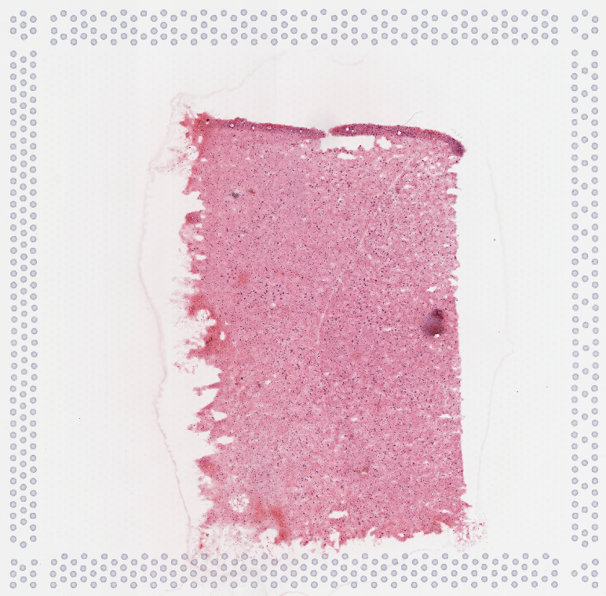
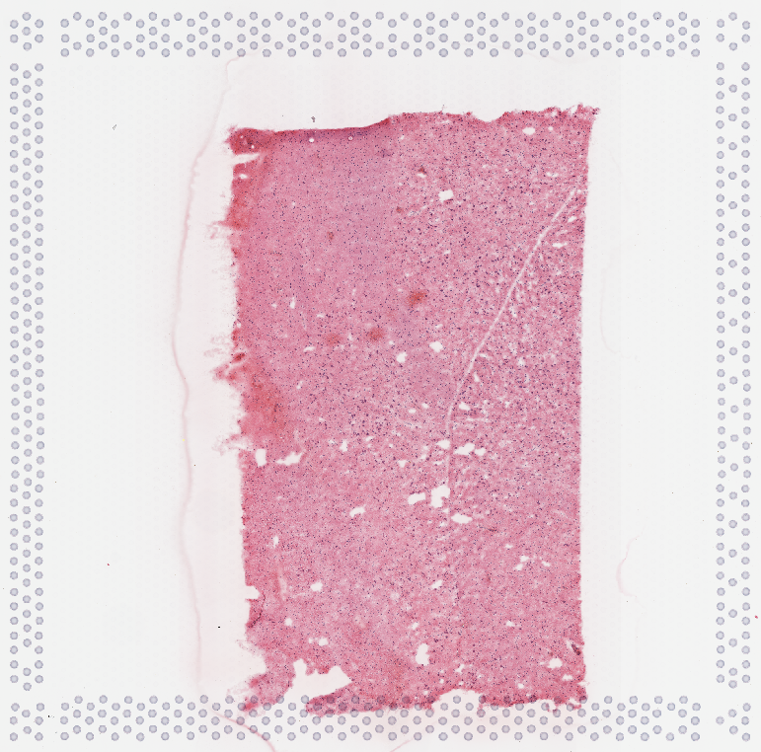
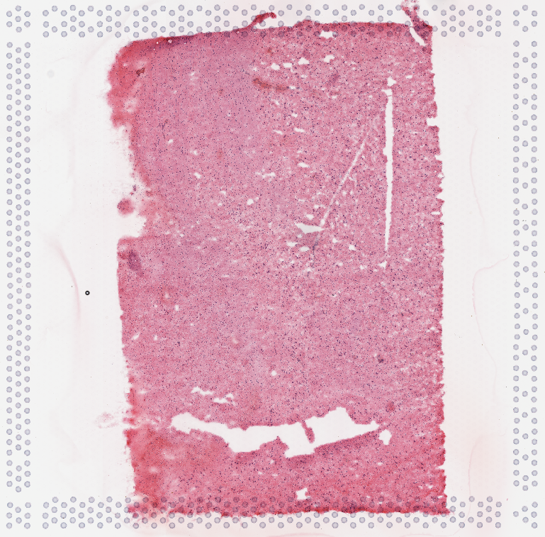
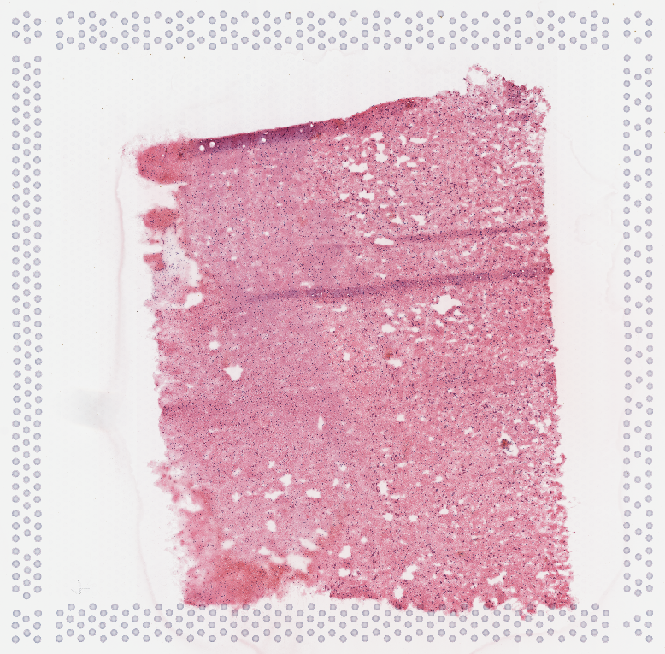
Sample # | Tissue | Brain | Slide # | Array # | Ct | cDNA Amp Cycle | Agilent [cDNA] pg/ul | Dilution Factor | Final [cDNA] pg/ul | Total cDNA ng yield | cDNA Input | SI cycles | Ave frag length | Agilent [lib] pg/ul | Dilution Factor | Final [lib] pg/ul | Agilent [lib] Molarity pmol/l | FINAL Agilent [lib] pmol/L | index_name | index(i7) | index2_workflow_a(i5) | index2_workflow_b(i5) | % Coverage Array | Est Read Pairs
6v_Hb_KDM | Hb | Br6522 | V13B23-281 | A1 | 17.73 | 18 | 4207.19 | 3.00 | 12621.57 | 504.86 | 126.22 | 16 | 496 | 2489.85 | 6.00 | 14,939.10 | 7,894.20 | 47,365.20 | SI-TT-G9 | CCGGAGGAAG | TGCGGATGTT | AACATCCGCA | 50 | 150000000
7v_Hb_KDM | Hb | Br6522 | V13B23-281 | B1 | 18.18 | 18 | 2371.78 | 2.00 | 4743.56 | 189.74 | 47.44 | 16 | 468 | 1910.88 | 5.00 | 9,554.40 | 6,421.30 | 32,106.50 | SI-TT-H9 | AGAACTTAGA | CGAGTCCTTT | AAAGGACTCG | 50 | 150000000
8v_Hb_KDM | Hb | Br6522 | V13B23-281 | C1 | 17.23 | 17 | 5224.23 | 3.00 | 15672.69 | 626.91 | 156.73 | 16 | 500 | 1196.09 | 7.00 | 8,372.63 | 3,787.40 | 26,511.80 | SI-TT-A10 | CGTGACATGC | ATGGTCTAAA | TTTAGACCAT | 70 | 210000000
9v_Hb_KDM | Hb | Br6522 | V13B23-281 | D1 | 16.55 | 17 | 5140.73 | 3.00 | 15422.19 | 616.89 | 154.22 | 16 | 441 | 1983.41 | 8.00 | 15,867.28 | 7,104.60 | 56,836.80 | SI-TT-B10 | GCCCGATGGA | AATCGTCTAG | CTAGACGATT | 70 | 210000000

 | 6v_Hb_KDM |  |  |  | 7v_Hb_KDM |  |  |  | 8v_Hb_KDM |  |  |  | 9v_Hb_KDM

qPCR
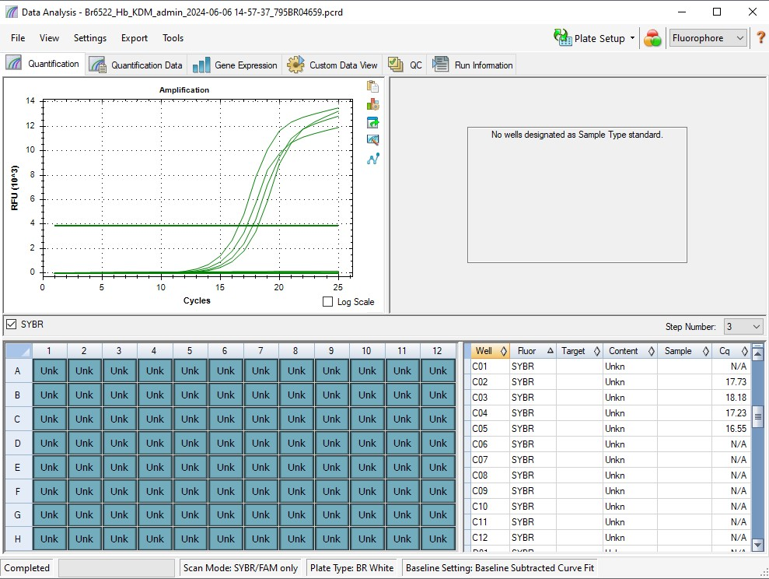
Pos | Name | Ct FAM | Note
A1 | 6v_Hb_KDM | 17.73 | ~33% of the peak fluorescence value
B1 | 7v_Hb_KDM | 18.18 | ~33% of the peak fluorescence value
C1 | 8v_Hb_KDM | 17.23 | ~33% of the peak fluorescence value
D1 | 9v_Hb_KDM | 16.55 | ~33% of the peak fluorescence value
E1 | negative control | N/A

Lib Agilent
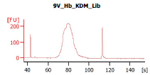
Sample # | Tissue | Brain | Slide # | Array # | Ave frag length | Agilent [lib] pg/ul | Dilution Factor | Final [lib] pg/ul | index_name
HYP_1v_hrd | HYP | Hs_Br6197 | V12N28-334 | A1 | 443 | 3119.47 | 5.00 | 15,597.35 | SI-TT-G9
6v_Hb_KDM | Hb | Hs_Br6522_PR6 | V13B23-281 | A1 | 496 | 4207.19 | 3.00 | 12621.57 | SI-TT-G9
7v_Hb_KDM | Hb | Hs_Br6522_PR6 | V13B23-281 | B1 | 468 | 2371.78 | 2.00 | 4743.56 | SI-TT-H9
8v_Hb_KDM | Hb | Hs_Br6522_PR6 | V13B23-281 | C1 | 500 | 5224.23 | 3.00 | 15672.69 | SI-TT-A10
9v_Hb_KDM | Hb | Hs_Br6522_PR6 | V13B23-281 | D1 | 441 | 5140.73 | 3.00 | 15422.19 | SI-TT-B10

