Notes

Location of Data on BioA Report

To calculate primer-dimer peaks conc. (pg/uL) , select "from [bp]" to ~40bp and "to [bp]" to around 170bp (adjust according to individual sample)

Summary
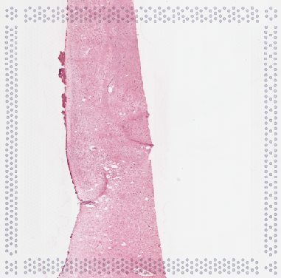
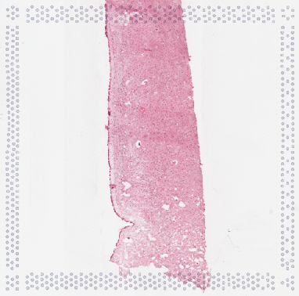
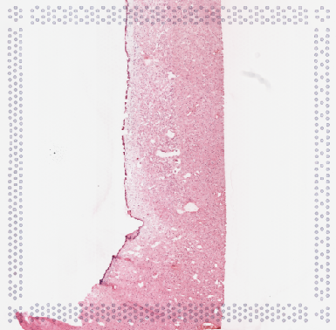
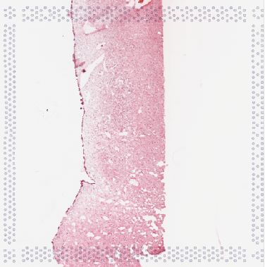
Sample # | Tissue | Brain | Slide # | Array # | Ct | cDNA Amp Cycle | Agilent [cDNA] pg/ul | Dilution Factor | Final [cDNA] pg/ul | Total cDNA ng yield | cDNA Input | SI cycles | Ave frag length | Agilent Lib Conc. (pg/ul) | Agilent Lib Molarity (pmol/L) | Agilent primer-dimer peaks Conc. pg/uL. (~40-170bp) | Dilution Factor | FINAL Lib Conc. (pg/ul) | FINAL Lib Molarity (pmol/L) | FINAL primer-dimer peaks Conc. pg/uL | % primer-dimer/sample | index_name | index(i7) | index2_workflow_a(i5) | index2_workflow_b(i5) | % Coverage Array | Est Read Pairs
10v_Hb_KDM | Hb | Br9090 | V14F07-340 | A1 | 17.29 | 17 | 2606.41 | 1.00 | 2606.41 | 104.26 | 26.06 | 17 | 467 | 5045.29 | 16994.8 | 9.05 | 1.00 | 5,045.29 | 16,994.80 | 9.05 | 0.18 | SI-TT-F1 | AAGATTGGAT | AGCGGGATTT | AAATCCCGCT | 30 | 90000000
11v_Hb_KDM | Hb | Br9090 | V14F07-340 | B1 | 17.08 | 17 | 2777.98 | 1.00 | 2777.98 | 111.12 | 27.78 | 17 | 466 | 2226.69 | 7545.7 | 27.84 | 8.00 | 17,813.52 | 60,365.60 | 222.72 | 1.23 | SI-TT-G1 | TGTAGTCATT | CTTGATCGTA | TACGATCAAG | 50 | 150000000
12v_Hb_KDM | Hb | Br9090 | V14F07-340 | C1 | 17.02 | 17 | 4217.06 | 1.00 | 4217.06 | 168.68 | 42.17 | 16 | 492 | 2196.24 | 7012 | 0.00 | 2.00 | 4,392.48 | 14,024.00 | 0.00 | 0.00 | SI-TT-H1 | ACAATGTGAA | CGTACCGTTA | TAACGGTACG | 50 | 150000000
13v_Hb_KDM | Hb | Br9090 | V14F07-340 | D1 | 17.76 | 18 | 4504.73 | 1.00 | 4504.73 | 180.19 | 45.05 | 16 | 484 | 1412.93 | 4604.40 | 25.17 | 7 | 9,890.51 | 32,230.80 | 176.19 | 1.75 | SI-TT-A2 | GTGGATCAAA | GCCAACCCTG | CAGGGTTGGC | 50 | 150000000

 | Array A |  |  |  | Array B |  |  |  | Array C |  |  |  | Array D

qPCR
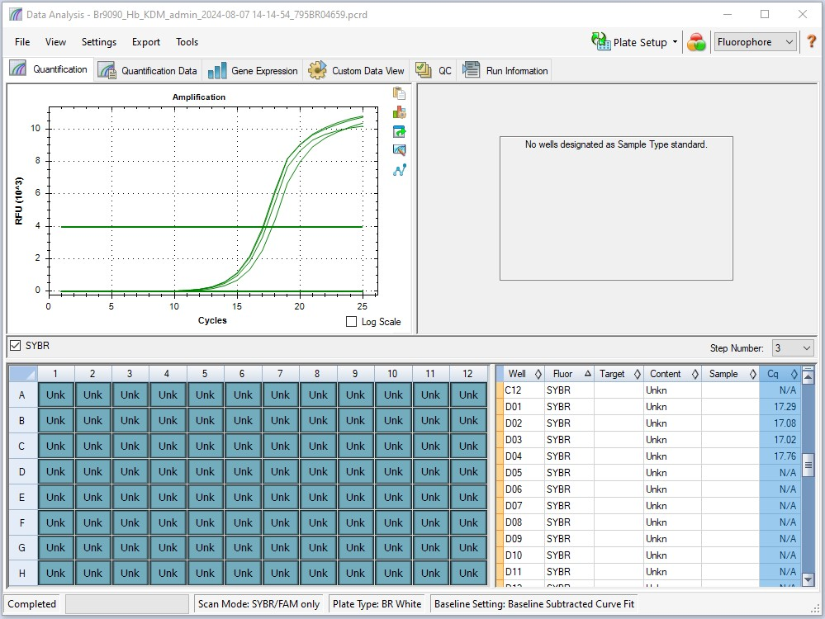
Pos | Name | Ct FAM | Note
A1 | 10v_Hb_KDM | 17.29 | ~33% of the peak fluorescence value
B1 | 11v_Hb_KDM | 17.08 | ~33% of the peak fluorescence value
C1 | 12v_Hb_KDM | 17.02 | ~33% of the peak fluorescence value
D1 | 13v_Hb_KDM | 17.76 | ~33% of the peak fluorescence value
E1 | negative control | N/A

cDNA Agilent
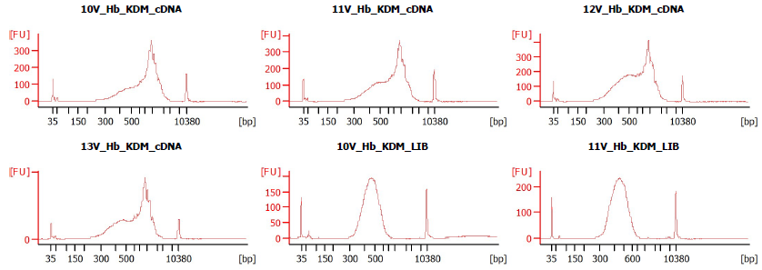
Sample # | Tissue | Brain | Slide # | Array # | Ct | cDNA Amp Cycle | Agilent [cDNA] pg/ul | Dilution Factor | Final [cDNA] pg/ul | Total cDNA ng yield
HYP_1v_hrd | HYP | Hs_Br6197 | V12N28-334 | A1 | 15.91 | 16 | 1950.02 | 9.00 | 17550.18 | 702.01
10v_Hb_KDM | Hb | Hs_Br9090 | V14F07-340 | A1 | 17.29 | 17 | 2606.41 | 1.00 | 2606.41 | 104.26
11v_Hb_KDM | Hb | Hs_Br9090 | V14F07-340 | B1 | 17.08 | 17 | 2777.98 | 1.00 | 2777.98 | 111.12
12v_Hb_KDM | Hb | Hs_Br9090 | V14F07-340 | C1 | 17.02 | 17 | 4217.06 | 1.00 | 4217.06 | 168.68
13v_Hb_KDM | Hb | Hs_Br9090 | V14F07-340 | D1 | 17.76 | 18 | 4504.73 | 1.00 | 4504.73 | 180.19

Lib Agilent
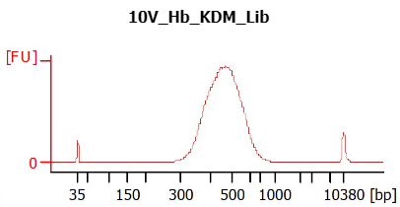
10v_Hb_KDM | 1
11v_Hb_KDM | 1;8
12v_Hb_KDM | 1;2
13v_Hb_KDM | 1;7

