qPCR
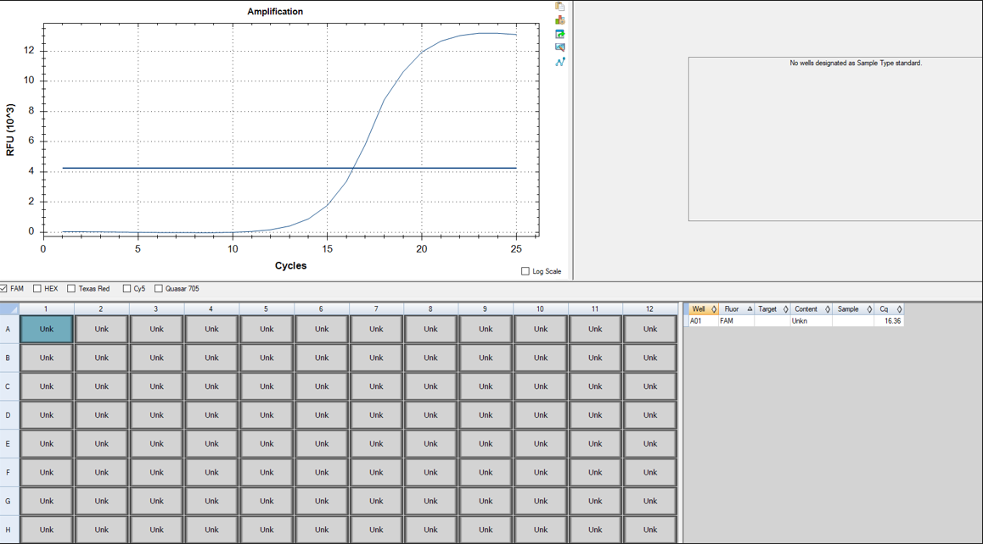
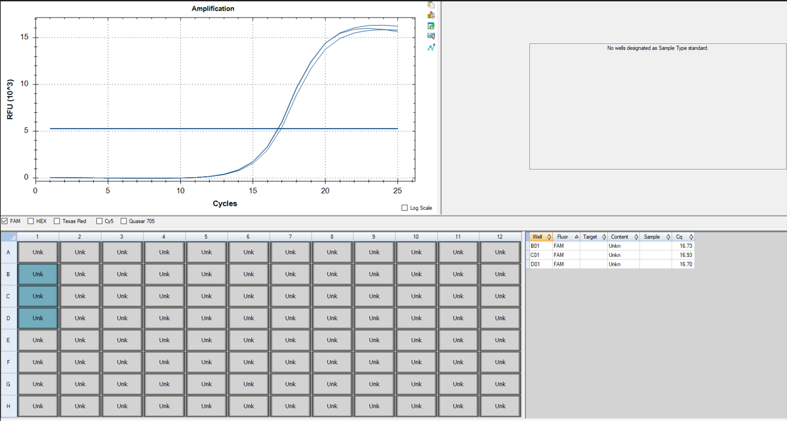
Pos | Name | Ct FAM | Note
A1 | 2v_Hb_KDM | 16.36 | ~33% of the peak fluorescence value
B1 | 3v_Hb_KDM | 16.73 | ~33% of the peak fluorescence value
C1 | 4v_Hb_KDM | 16.93 | ~33% of the peak fluorescence value
D1 | 5v_Hb_KDM | 16.7 | ~33% of the peak fluorescence value
E1 | negative control | N/A

cDNA Agilent
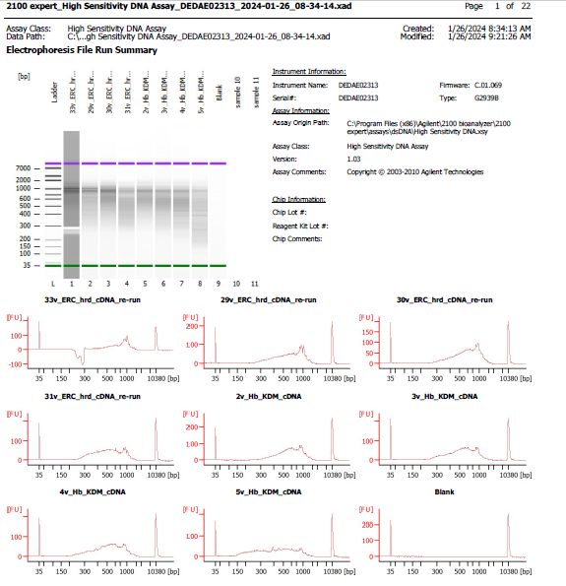
Sample # | Tissue | Brain | Slide # | Array # | Ct | cDNA Amp Cycle | Agilent [cDNA] pg/ul | Dilution Factor | Final [cDNA] pg/ul | Total cDNA ng yield
HYP_1v_hrd | HYP | Hs_Br6197 | V12N28-334 | A1 | 15.91 | 16 | 1950.02 | 9.00 | 17550.18 | 702.01
2v_Hb_KDM | Hb | Hs_Br8518_PR5 | V13B23-285 | A1 | 16.36 | 16 | 997.39 | 7.00 | 6981.73 | 279.27
3v_Hb_KDM | Hb | Hs_Br8518_AR6 | V13B23-285 | B1 | 16.73 | 17 | 624.49 | 8.00 | 4995.92 | 199.84
4v_Hb_KDM | Hb | Hs_Br8518_AR6 | V13B23-285 | C1 | 16.93 | 17 | 550.98 | 9.00 | 4958.82 | 198.35
5v_Hb_KDM | Hb | Hs_Br8518_AR6 | V13B23-285 | D1 | 16.7 | 17 | 374.39 | 10.00 | 3743.90 | 149.76

Lib Agilent
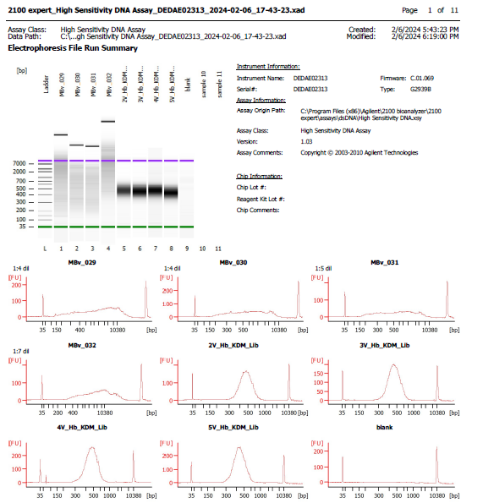
Sample # | Tissue | Brain | Slide # | Array # | Ave frag length | Agilent [lib] pg/ul | Dilution Factor | Final [lib] pg/ul | index_name
HYP_1v_hrd | HYP | Hs_Br6197 | V12N28-334 | A1 | 443 | 3119.47 | 5.00 | 15,597.35 | SI-TT-G9
2v_Hb_KDM | Hb | Hs_Br8518_PR5 | V13B23-285 | A1 | 478 | 1491.85 | 5.00 | 7,459.25 | SI-TT-E7
3v_Hb_KDM | Hb | Hs_Br8518_AR6 | V13B23-285 | B1 | 465 | 1856.13 | 11.00 | 20,417.43 | SI-TT-F7
4v_Hb_KDM | Hb | Hs_Br8518_AR6 | V13B23-285 | C1 | 474 | 1948.84 | 14.00 | 27,283.76 | SI-TT-G7
5v_Hb_KDM | Hb | Hs_Br8518_AR6 | V13B23-285 | D1 | 443 | 2259.1 | 19.00 | 42,922.90 | SI-TT-H7

