qPCR
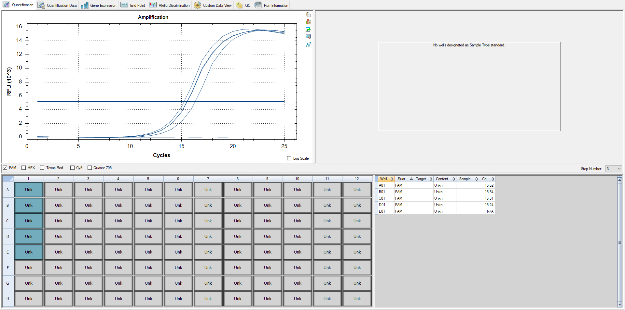
Pos | Name | Ct FAM | Note
A1 | HYP_4v_HRD | 15.52 | ~33% of the peak fluorescence value
B1 | HYP_5v_HRD | 15.54 | ~33% of the peak fluorescence value
C1 | HB_1v_HRD | 16.31 | ~33% of the peak fluorescence value
D1 | HYP_6v_HRD | 15.24 | ~33% of the peak fluorescence value
E1 | negative control | N/A

Lib Agilent
HYP_4v_HRD | #1 1:2 dilution
HYP_5v_HRD | #2 1:2 dilution
HB_1v_HRD | #3 1:2 dilution
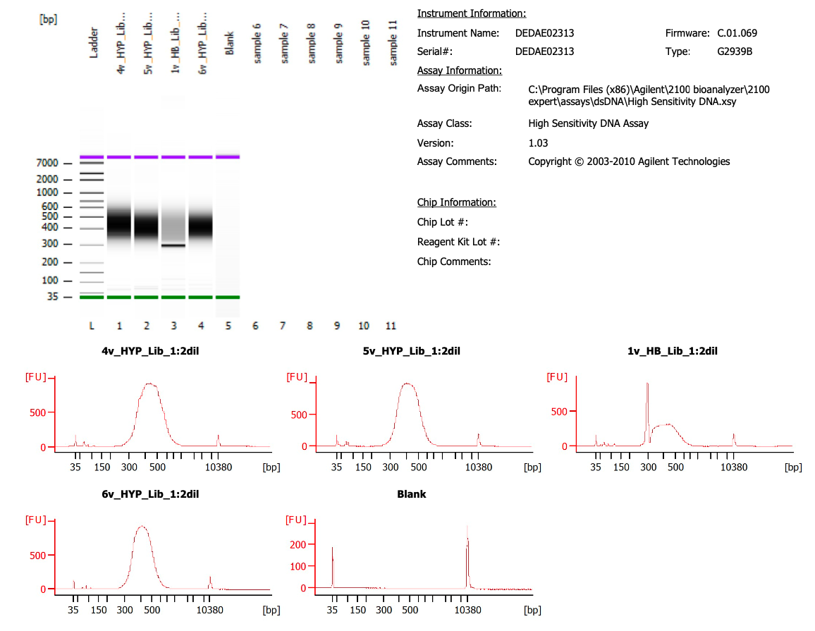
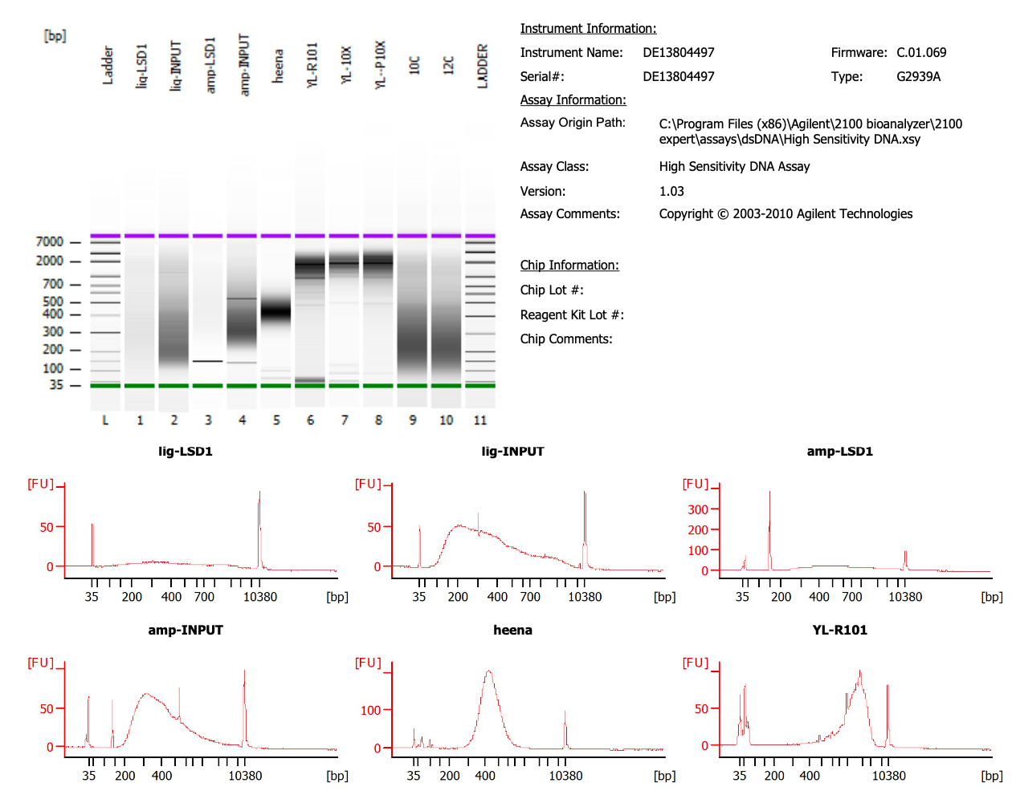
HYP_6v_HRD | #4 1:2 dilution

 |  | Sample 3 (1v_HB)

