qPCR
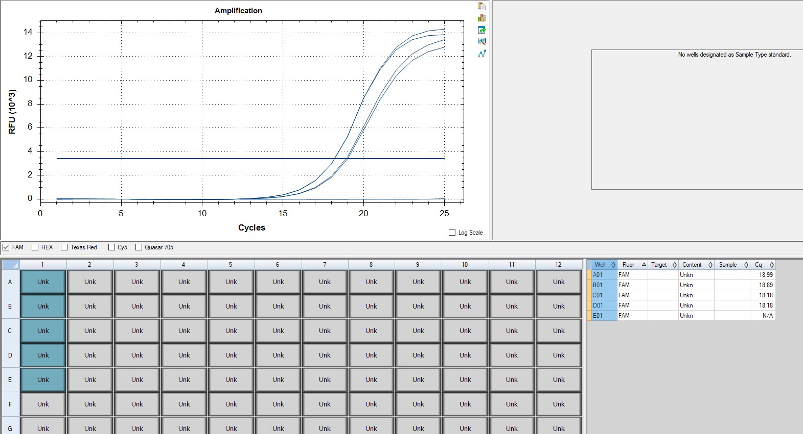
Pos | Name | Ct FAM | Note
A1 | 14V_Hb_KDM | 18.99 | ~25% of the peak fluorescence value
B1 | 15V_Hb_KDM | 18.91 | ~25% of the peak fluorescence value
C1 | 16V_Hb_KDM | 18.36 | ~25% of the peak fluorescence value
D1 | 17V_Hb_KDM | 18.64 | ~25% of the peak fluorescence value
E1 | negative control | N/A

cDNA Agilent
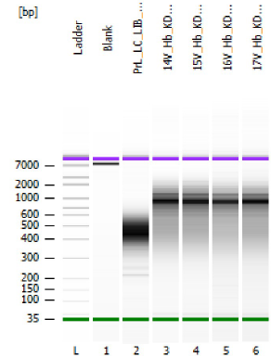
Sample # | Tissue | Brain | Slide # | Array # | Ct | cDNA Amp Cycle | Agilent [cDNA] pg/ul | Dilution Factor | Final [cDNA] pg/ul | Total cDNA ng yield
HYP_1v_hrd | HYP | Hs_Br6197 | V12N28-334 | A1 | 15.91 | 16 | 1950.02 | 9.00 | 17550.18 | 702.01
14V_Hb_KDM | Hb | Hs_Br9037 | V13B23-280 | A1 | 18.99 | 19 | 2596.73 | 2.00 | 5193.46 | 207.74
15V_Hb_KDM | Hb | Hs_Br9037 | V13B23-280 | B1 | 18.91 | 19 | 1696.89 | 2.00 | 3393.78 | 135.75
16V_Hb_KDM | Hb | Hs_Br9037 | V13B23-280 | C1 | 18.36 | 18 | 1356.52 | 2.00 | 2713.04 | 108.52
17V_Hb_KDM | Hb | Hs_Br9037 | V13B23-280 | D1 | 18.69 | 18 | 1620.77 | 2.00 | 3241.54 | 129.66

Lib Agilent
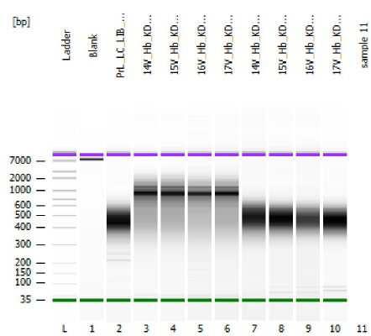
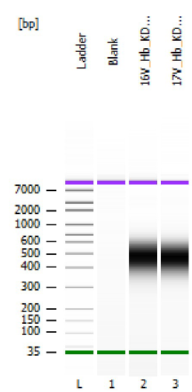

14V_Hb_KDM | #1 1:15 dilution
15V_Hb_KDM | #2 1:8 dilution
16V_Hb_KDM | #3 1:5 dilution
17V_Hb_KDM | #4 1:2 dilution

