Meta-DataSR
Lieber Institute for Brain Development
Metadata for Habenula 10x Visium samples S01 to S17
CSC. Sep 2024

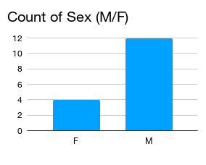
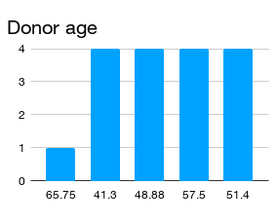
Donor info | S01_vp | S02_v | S03_v | S04_v | S05_v | S06_v | S07_v | S08_v | S09_v | S10_v | S11_v | S12_v | S13_v | S14_v | S15_v | S16_v | S17_v
Diagnosis | Pilot | Control | Control | Control | Control | Control | Control | Control | Control | Control | Control | Control | Control | Control | Control | Control | Control
Sample # (ID.KDM) | HB_1v_HRD | 2v_Hb_KDM | 3v_Hb_KDM | 4v_Hb_KDM | 5v_Hb_KDM | 6v_Hb_KDM | 7v_Hb_KDM | 8v_Hb_KDM | 9v_Hb_KDM | 10v_Hb_KDM | 11v_Hb_KDM | 12v_Hb_KDM | 12v_Hb_KDM | 14V_Hb_KDM | 15V_Hb_KDM | 16V_Hb_KDM | 17V_Hb_KDM
Brain ID | Hs_Br8112 | Br8518 | Br8518 | Br8518 | Br8518 | Br6522 | Br6522 | Br6522 | Br6522 | Br9090 | Br9090 | Br9090 | Br9090 | Br9037 | Br9037 | Br9037 | Br9037
Brain area(*) | AL6 | PR5 | AR6 | AR6 | AR6 | PR6 | PR6 | PR6 | PR6 | PL6 | PL6 | PL6 | PL6
Slide # | V12D07-075 | V13B23-285 | V13B23-285 | V13B23-285 | V13B23-285 | V13B23-281 | V13B23-281 | V13B23-281 | V13B23-281 | V14F07-340 | V14F07-340 | V14F07-340 | V14F07-340 | V13B23-280 | V13B23-280 | V13B23-280 | V13B23-280
Array # | C1 | A1 | B1 | C1 | D1 | A1 | B1 | C1 | D1 | A1 | B1 | C1 | D1 | A1 | B1 | C1 | D1
Ethnicity | EA/CAUC | EA/CAUC | EA/CAUC | EA/CAUC | EA/CAUC | EA/CAUC | EA/CAUC | EA/CAUC | EA/CAUC | EA/CAUC | EA/CAUC | EA/CAUC | EA/CAUC | AA | AA | AA | AA
Sex | F | F | F | F | F | M | M | M | M | M | M | M | M | M | M | M | M
Age | 65.75 | 41.3 | 41.3 | 41.3 | 41.3 | 48.88 | 48.88 | 48.88 | 48.88 | 57.5 | 57.5 | 57.5 | 57.5 | 51.4 | 51.4 | 51.4 | 51.4
PMI | 31.5 | 10.5 | 10.5 | 10.5 | 10.5 | 30.5 | 30.5 | 30.5 | 30.5 | 26.5 | 26.5 | 26.5 | 26.5 | 18.5 | 18.5 | 18.5 | 18.5
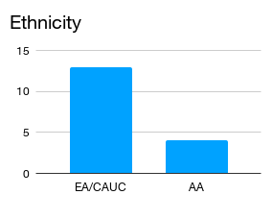
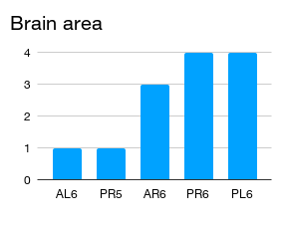
RIN | 7 | 6.3 | 6.3 | 6.3 | 6.3 | 7.4 | 7.4 | 7.4 | 7.4 | 6.1 | 6.1 | 6.1 | 6.1 | 7.8 | 7.8 | 7.8 | 7.8
Ct | 16.31 | 16.36 | 16.73 | 16.93 | 16.7 | 17.73 | 18.18 | 17.23 | 16.55 | 17.29 | 17.08 | 17.02 | 17.76 | 18.99 | 18.91 | 18.36 | 18.69
cDNA Amp Cycle | 16 | 16 | 17 | 17 | 17 | 18 | 18 | 17 | 17 | 17 | 17 | 17 | 18 | 19 | 19 | 18 | 18
Agilent [cDNA] pg/ul | 3572.77 | 997.39 | 624.49 | 550.98 | 374.39 | 4207.19 | 2371.78 | 5224.23 | 5140.73 | 2606.41 | 2777.98 | 4217.06 | 4504.73 | 2596.73 | 1696.89 | 1356.52 | 1620.77
Dilution Factor | 2 | 7 | 8 | 9 | 10 | 3 | 2 | 3 | 3 | 1 | 1 | 1 | 1 | 2 | 2 | 2 | 2
Final [cDNA] pg/ul | 7145.54 | 6981.73 | 4995.92 | 4958.82 | 3743.9 | 12621.57 | 4743.56 | 15672.69 | 15422.19 | 2606.41 | 2777.98 | 4217.06 | 4504.73 | 5193.46 | 3393.78 | 2713.04 | 3241.54
Total cDNA ng yield | 285.8216 | 279.27 | 199.84 | 198.35 | 149.76 | 504.86 | 189.74 | 626.91 | 616.89 | 104.26 | 111.12 | 168.6824 | 180.19 | 207.74 | 135.75 | 108.52 | 129.66
cDNA Input | 71.4554 | 69.82 | 49.96 | 49.59 | 37.44 | 126.22 | 47.44 | 156.73 | 154.22 | 26.06 | 27.78 | 42.1706 | 45.05 | 51.93 | 33.94 | 27.13 | 32.42
SI cycles | 16 | 16 | 17 | 17 | 17 | 16 | 16 | 16 | 16 | 17 | 17 | 16 | 16 | 16 | 16 | 16 | 16
Ave frag length | 447 | 478 | 465 | 474 | 443 | 496 | 468 | 500 | 441 | 467 | 466 | 492 | 484 | 488 | 474 | 478 | 471
Agilent [lib] pg/ul | 3269.89 | 1491.85 | 1856.13 | 1948.84 | 2259.1 | 2489.85 | 1910.88 | 1196.09 | 1983.41 | 5045.29 | 2226.69 | 2196.24 | 1412.93 | 1685.32 | 2080.98 | 1835.34 | 2775.73
Agilent Lib Molarity (pmol/L) |  |  |  |  |  |  |  |  |  |  |  |  |  | 5544.6 | 6982.5 | 6046.1 | 9263.2
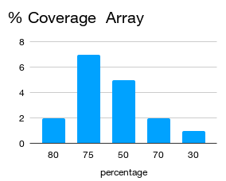
Agilent primer-dimer peaks Conc. pg/uL. (~40-170bp) |  |  |  |  |  |  |  |  |  |  |  |  |  | 10.8 | 57.63 | 3.29 | 17.36
Dilution Factor | 2 | 5 | 11 | 14 | 19 | 6 | 5 | 7 | 8 | 1 | 8 | 2 | 7 | 15 | 8 | 5 | 2
Final [lib] pg/ul | 6,539.78 | 7,459.25 | 20,417.43 | 27,283.76 | 42,922.90 | 14,939.10 | 9,554.40 | 8,372.63 | 15,867.28 | 5,045.29 | 17,813.52 | 4,392.48 | 9,890.51 | 25,279.80 | 16,647.84 | 9,176.70 | 5,551.46
Agilent [lib] Molarity pmol/l | NA | NA | NA | NA | NA | 7,894.20 | 6,421.30 | 3,787.40 | 7,104.60 | 16,994.80 | 60,365.60 | 14,024.00 | 32,230.80 | 83,169.00 | 55,860.00 | 30,230.50 | 18,526.40
FINAL Agilent [lib] pmol/L | NA | NA | NA | NA | NA | 47,365.20 | 32,106.50 | 26,511.80 | 56,836.80 | 9.05 | 222.72 | 0.00 | 176.19 | 162.00 | 461.04 | 16.45 | 34.72
% primer-dimer/sample |  |  |  |  |  |  |  |  |  |  |  |  |  | 0.64 | 2.69 | 0.18 | 0.62
index_name | SI-TT-A1 | SI-TT-E7 | SI-TT-F7 | SI-TT-G7 | SI-TT-H7 | SI-TT-G9 | SI-TT-H9 | SI-TT-A10 | SI-TT-B10 | SI-TT-F1 | SI-TT-G1 | SI-TT-H1 | SI-TT-A2 | SI-TT-C4 | SI-TT-D4 | SI-TT-E4 | SI-TT-F4
index(i7) | GTAACATGCG | GTCCTTCGGC | AATGTATCCA | GTTTCACGAT | ACCTCGAGCT | CCGGAGGAAG | AGAACTTAGA | CGTGACATGC | GCCCGATGGA | AAGATTGGAT | TGTAGTCATT | ACAATGTGAA | GTGGATCAAA | TTCTCGATGA | GCAGTATAGG | AACCACGCAT | CCCACCACAA
index2_workflow_a(i5) | AGTGTTACCT | TCATGCACAG | AATGAGCTTA | TTCGGCCAAA | TGTGTTCGAT | TGCGGATGTT | CGAGTCCTTT | ATGGTCTAAA | AATCGTCTAG | AGCGGGATTT | CTTGATCGTA | CGTACCGTTA | GCCAACCCTG | TGTCGGGCAC | TTCCGTGCAC | ATTCAGGTTA | ACCTCCGCTT
index2_workflow_b(i5) | AGGTAACACT | CTGTGCATGA | TAAGCTCATT | TTTGGCCGAA | ATCGAACACA | AACATCCGCA | AAAGGACTCG | TTTAGACCAT | CTAGACGATT | AAATCCCGCT | TACGATCAAG | TAACGGTACG | CAGGGTTGGC | GTGCCCGACA | GTGCACGGAA | TAACCTGAAT | AAGCGGAGGT
% Coverage Array | 80 | 80 | 75 | 75 | 75 | 50 | 50 | 70 | 70 | 30 | 50 | 50 | 50 | 75 | 75 | 75 | 75
Est Read Pairs | 240000000 | 240000000 | 225000000 | 225000000 | 225000000 | 150000000 | 150000000 | 210000000 | 210000000 | 90000000 | 150000000.00 | 150000000.00 | 150000000 | 225000000 | 225000000 | 225000000 | 225000000

Ethnicity:
European / Caucasic (EA/CAUC)
African American (AA)

*Brain area: File name nomenclature: V = visium , P = posterior, A = anterior. Posterior and anterior do not refer to brain areas in this case, they refer to direction of cutting for the blocks. This slide is from a single donor but the habenula was split across 2 blocks during the brain slabbing process. PR5 means cutting from posterior to anterior, block is from the right hemisphere from the 5th slab. AR6 means cutting from anterior to posterior, block from right hemisphere from the 6th slab.

Data processed on:
Rocky Linux 9.4 (Blue Onyx)
Linux version 5.14.0-427.13.1.el9_4.x86_64

References for cellranger-arc:
Software version | spaceranger-2.1.0
 | "martian": "v4.0.5",
Referemce path | refdata-gex-GRCh38-2020-A; Transcriptome GRCh38-2020-A
Chemistry | Chemistry Visium V1 Slide - 3'

Transcriptome | GRCh38-2020-A
Pipeline Version | spaceranger-2.1.0
Image Reorientation | On

For visualization purposes:
SpatialLIBD_raw: https://libd.shinyapps.io/Habenula_Visium_raw/,
SpatialLIBD_BayesSpace: https://libd.shinyapps.io/Habenula_Visium/
SpatialLIBD_Sp16 in review: https://libd.shinyapps.io/Habenula_Visium_Sp16/

SpaceRanger-meta
SpaceRanger report

Sample ID | S01_vp | S02_v | S03_v | S04_v | S05_v | S06_v | S07_v | S08_v | S09_v | S10_v | S11_v | S12_v | S13_v | S14_v | S15_v | S16_v | S17_v
Capture slide ID | V12D07-075_C1 | V13B23-285_A1 | V13B23-285_B1 | V13B23-285_C1 | V13B23-285_D1 | V13B23-281_A1 | V13B23-281_B1 | V13B23-281_C1 | V13B23-281_D1 | V14F07-340_A1 | V14F07-340_B1 | V14F07-340_C1 | V14F07-340_D1 | V14F07-340_A1 | V14F07-340_B1 | V14F07-340_C1 | V14F07-340_D1
Number of Spots Under Tissue | 3615 | 3815 | 3147 | 3219 | 3132 | 2197 | 2439 | 3320 | 3139 | 1711 | 1720 | 1809 | 1905 | 1711 | 1720 | 1809 | 1905
Number of Reads | 312443967 | 153365595 | 475506645 | 755014150 | 298704453 | 152301105 | 111511069 | 232706641 | 231265413 | 140530403 | 290051172 | 244692550 | 176498571 | 140530403 | 290051172 | 244692550 | 176498571
Mean Reads per Spot | 86429.8664 | 40200.6802 | 151098.394 | 234549.285 | 95371.7921 | 69322.3054 | 45719.9955 | 70092.3617 | 73674.8687 | 82133.4909 | 168634.402 | 135263.986 | 92650.1685 | 82133.490941 | 168634.40233 | 135263.98563 | 92650.168504
Mean Reads Under Tissue per Spot | 75728.2194 | 35546.3206 | 109448.913 | 187368.891 | 69762.4294 | 49695.1152 | 28918.1144 | 53784.738 | 60070.8942 | 71292.4763 | 151998.706 | 116372.086 | 78208.8178 | 71292.47633 | 151998.7064 | 116372.08624 | 78208.817848
Fraction of Spots Under Tissue | 0.72415865 | 0.76422276 | 0.63040865 | 0.64483173 | 0.62740385 | 0.44010417 | 0.48858173 | 0.6650641 | 0.62880609 | 0.3427484 | 0.34455128 | 0.36237981 | 0.38161058 | 0.34274839744 | 0.34455128205 | 0.36237980769 | 0.38161057692
Median Genes per Spot | 1734 | 394 | 536 | 733 | 574 | 204 | 156 | 223.5 | 622 | 618 | 988 | 602 | 443 | 618 | 988 | 602 | 443
Median UMI Counts per Spot | 3873 | 1175 | 1419 | 2018 | 1603 | 331 | 227 | 356 | 1117 | 1011 | 1816.5 | 1177 | 783 | 1011 | 1816.5 | 1177 | 783
Valid Barcodes | 0.98119742 | 0.98208402 | 0.98291371 | 0.9831107 | 0.98309838 | 0.97365231 | 0.97247227 | 0.97465808 | 0.97297725 | 0.97440463 | 0.97752585 | 0.97660004 | 0.97539704 | 0.9744046347 | 0.97752584844 | 0.97660003952 | 0.97539703593
Valid UMIs | 0.99980893 | 0.99985686 | 0.99986178 | 0.9998559 | 0.99987097 | 0.9813935 | 0.98088693 | 0.98123354 | 0.98032256 | 0.99879007 | 0.99878887 | 0.99879157 | 0.9988053 | 0.99879006965 | 0.99878886888 | 0.99879157334 | 0.99880529911
Sequencing Saturation | 0.91018982 | 0.91222631 | 0.96818891 | 0.97379532 | 0.93484502 | 0.9790578 | 0.97146836 | 0.97409611 | 0.96063429 | 0.96872624 | 0.9773554 | 0.97764582 | 0.97533462 | 0.96872624116 | 0.97735539644 | 0.97764581606 | 0.97533461759
Q30 Bases in Barcode | 0.97060336 | 0.96364218 | 0.96462416 | 0.96339579 | 0.9650358 | 0.95119192 | 0.95480467 | 0.95242248 | 0.95776122 | 0.953993 | 0.95691876 | 0.9477687 | 0.94611243 | 0.95399300022 | 0.95691876445 | 0.94776870192 | 0.94611243184
Q30 Bases in RNA Read | 0.95282541 | 0.9306003 | 0.94204743 | 0.94383624 | 0.94977968 | 0.95072621 | 0.95421828 | 0.9543648 | 0.96236131 | 0.95674607 | 0.96136206 | 0.9521198 | 0.95031078 | 0.95674607452 | 0.96136205849 | 0.95211980485 | 0.95031077747
Q30 Bases in UMI | 0.96758101 | 0.96343372 | 0.96464289 | 0.96301254 | 0.96468342 | 0.96448349 | 0.96759389 | 0.96560335 | 0.96982341 | 0.97043796 | 0.97233712 | 0.96576702 | 0.96552699 | 0.97043796364 | 0.97233712056 | 0.96576701849 | 0.96552698629
Reads Mapped to Genome | 0.96828266 | 0.97374995 | 0.96840269 | 0.9673948 | 0.96197451 | 0.98092284 | 0.98007632 | 0.9827934 | 0.9800795 | 0.98598054 | 0.98496053 | 0.98473904 | 0.98165577 | 0.98598054259 | 0.98496052621 | 0.98473904498 | 0.98165577216
Reads Mapped Confidently to Genome | 0.86378423 | 0.87373741 | 0.79615511 | 0.81149785 | 0.7496713 | 0.74340993 | 0.73382306 | 0.79703483 | 0.80080249 | 0.71951505 | 0.79082779 | 0.74063622 | 0.69064764 | 0.71951505042 | 0.79082779228 | 0.7406362188 | 0.69064763703
Reads Mapped Confidently to Intergenic Regions | 0.17785273 | 0.19670637 | 0.21197734 | 0.2077175 | 0.21791754 | 0.17232036 | 0.16428252 | 0.1656854 | 0.16808463 | 0.11198868 | 0.11074108 | 0.1317288 | 0.13133109 | 0.11198868475 | 0.1107410833 | 0.13172879599 | 0.13133108596
Reads Mapped Confidently to Intronic Regions | 0.0359788 | 0.02096428 | 0.03318119 | 0.03359412 | 0.04987108 | 0.04627122 | 0.05108244 | 0.04483294 | 0.04287002 | 0.03601994 | 0.03483529 | 0.03602908 | 0.03473206 | 0.036019935131 | 0.034835294511 | 0.036029078123 | 0.034732060239
Reads Mapped Confidently to Exonic Regions | 0.64995269 | 0.65606676 | 0.55099657 | 0.57018624 | 0.48188268 | 0.52481835 | 0.5184581 | 0.58651649 | 0.58984784 | 0.57150643 | 0.64525141 | 0.57287834 | 0.52458449 | 0.57150643053 | 0.64525141446 | 0.57287834468 | 0.52458449083
Reads Mapped Confidently to Transcriptome | 0.63235755 | 0.63934036 | 0.53536943 | 0.553405 | 0.46646509 | 0.51418337 | 0.5082069 | 0.57516172 | 0.5783726 | 0.55765326 | 0.63168581 | 0.55982587 | 0.51311932 | 0.55765326454 | 0.63168581163 | 0.55982587128 | 0.51311931585
Reads Mapped Antisense to Gene | 0.00757072 | 0.00981028 | 0.00871022 | 0.00885501 | 0.00710774 | 0.00351646 | 0.00365386 | 0.00373655 | 0.00427002 | 0.00533365 | 0.00509714 | 0.00479481 | 0.00416861 | 0.0053336501141 | 0.0050971350669 | 0.0047948088326 | 0.0041686116541
Fraction Reads in Spots Under Tissue | 0.91030486 | 0.9581237 | 0.8730348 | 0.90039725 | 0.87287717 | 0.87362887 | 0.82356552 | 0.89690625 | 0.9154888 | 0.96987207 | 0.97814579 | 0.96550503 | 0.95530273 | 0.96987206569 | 0.97814579402 | 0.96550503249 | 0.95530272767
Total Genes Detected | 23185 | 20672 | 21211 | 22025 | 21683 | 17319 | 17240 | 19082 | 20224 | 19762 | 20895 | 20177 | 19440 | 19762 | 20895 | 20177 | 19440
Spots Under Tissue
Median Genes per Spot
Median UMI Counts per Spot
Total Genes Detected

Capture-areas
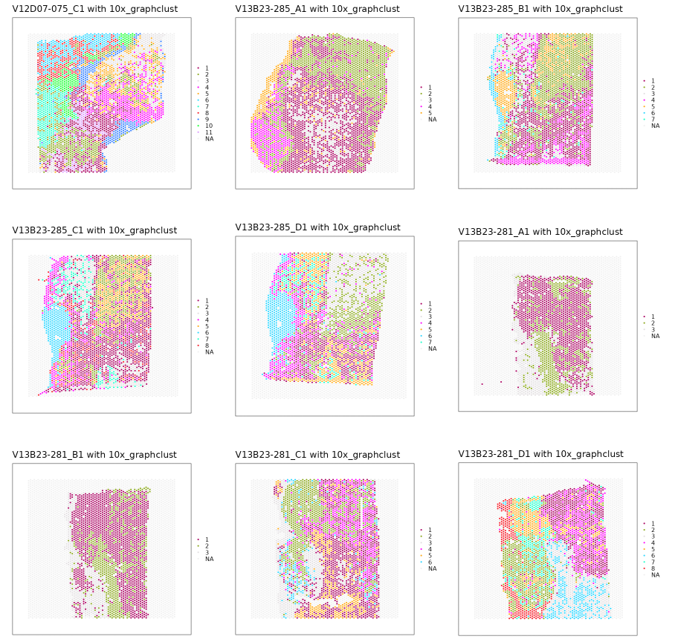
Sample ID | Slide # | Array # | Image
S01_vp | V12D07-075 | C1
S02_v | V13B23-285 | A1
S03_v | V13B23-285 | B1
S04_v | V13B23-285 | C1
S05_v | V13B23-285 | D1
S06_v | V13B23-281 | A1
S07_v | V13B23-281 | B1
S08_v | V13B23-281 | C1
S09_v | V13B23-281 | D1
S10_v | V14F07-340 | A1
S11_v | V14F07-340 | B1
S12_v | V14F07-340 | C1
S13_v | V14F07-340 | D1
S14_v | V13B23-280 | A1
S15_v | V13B23-280 | B1
S16_v | V13B23-280 | C1
S17_v | V13B23-280 | D1

