Chromium cDNA Agilent
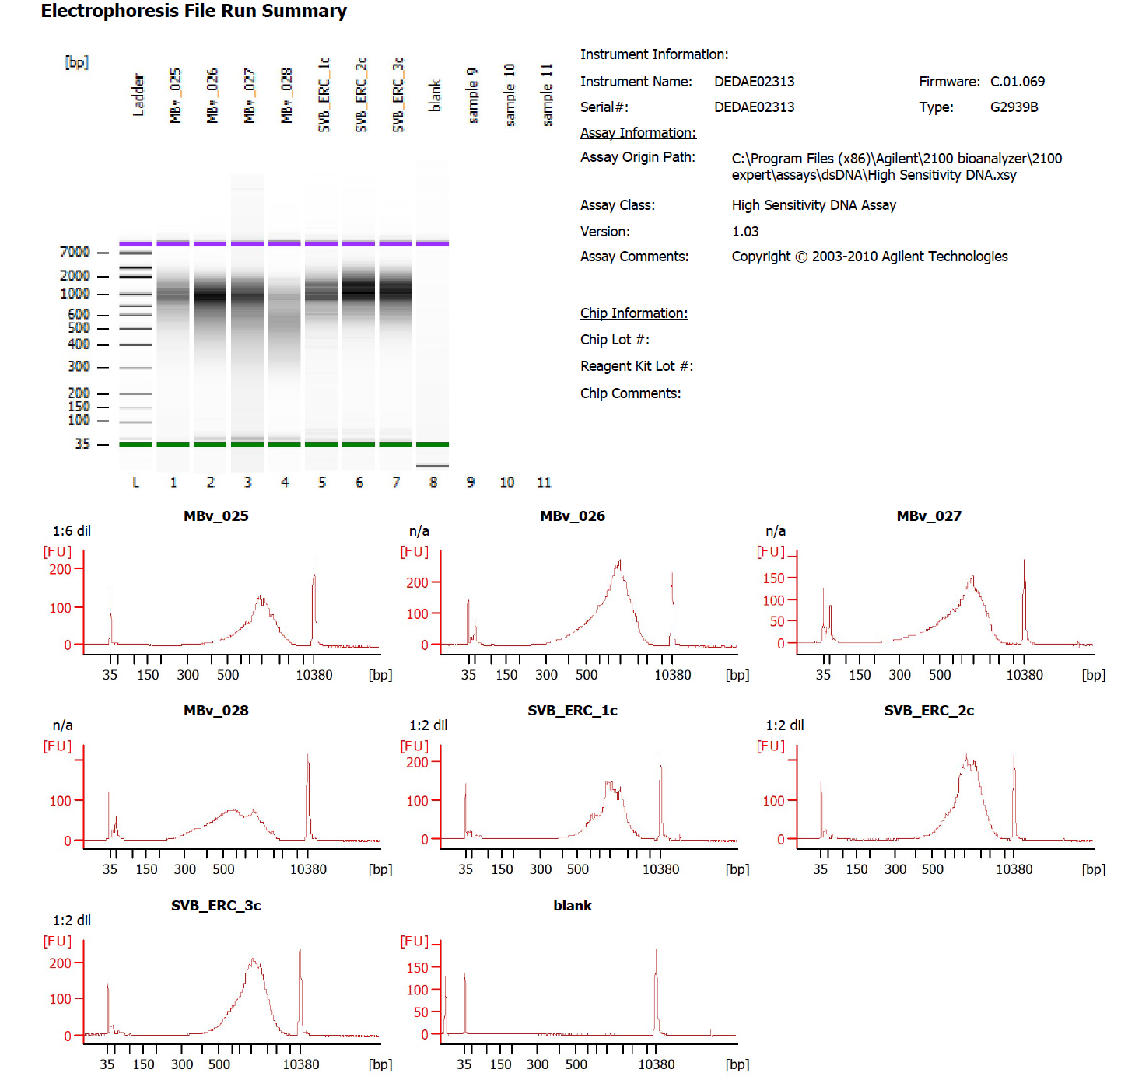

Sample # | Tissue | Brain | Round | PI/NeuN | Nuclei Sorted | Nuclei Targeted | cDNA Amp Cycle | Agilent [cDNA] pg/ul | Dilution Factor | Final [cDNA] pg/ul | Total cDNA ng
1c_ERC_SVB | ERC-PI+ | Br1039 | 1 | PI | 14000 | 9000 | 11 | 806.56 | 2 | 1613.12 | 64.52
2c_ERC_SVB | ERC-PI+ | Br1556 | 1 | PI | 14000 | 9000 | 11 | 1249.41 | 2 | 2498.82 | 99.95
3c_ERC_SVB | ERC-PI+ | Br5212 | 1 | PI | 14000 | 9000 | 11 | 1127.60 | 2 | 2255.2 | 90.21

Chromium Library Agilent
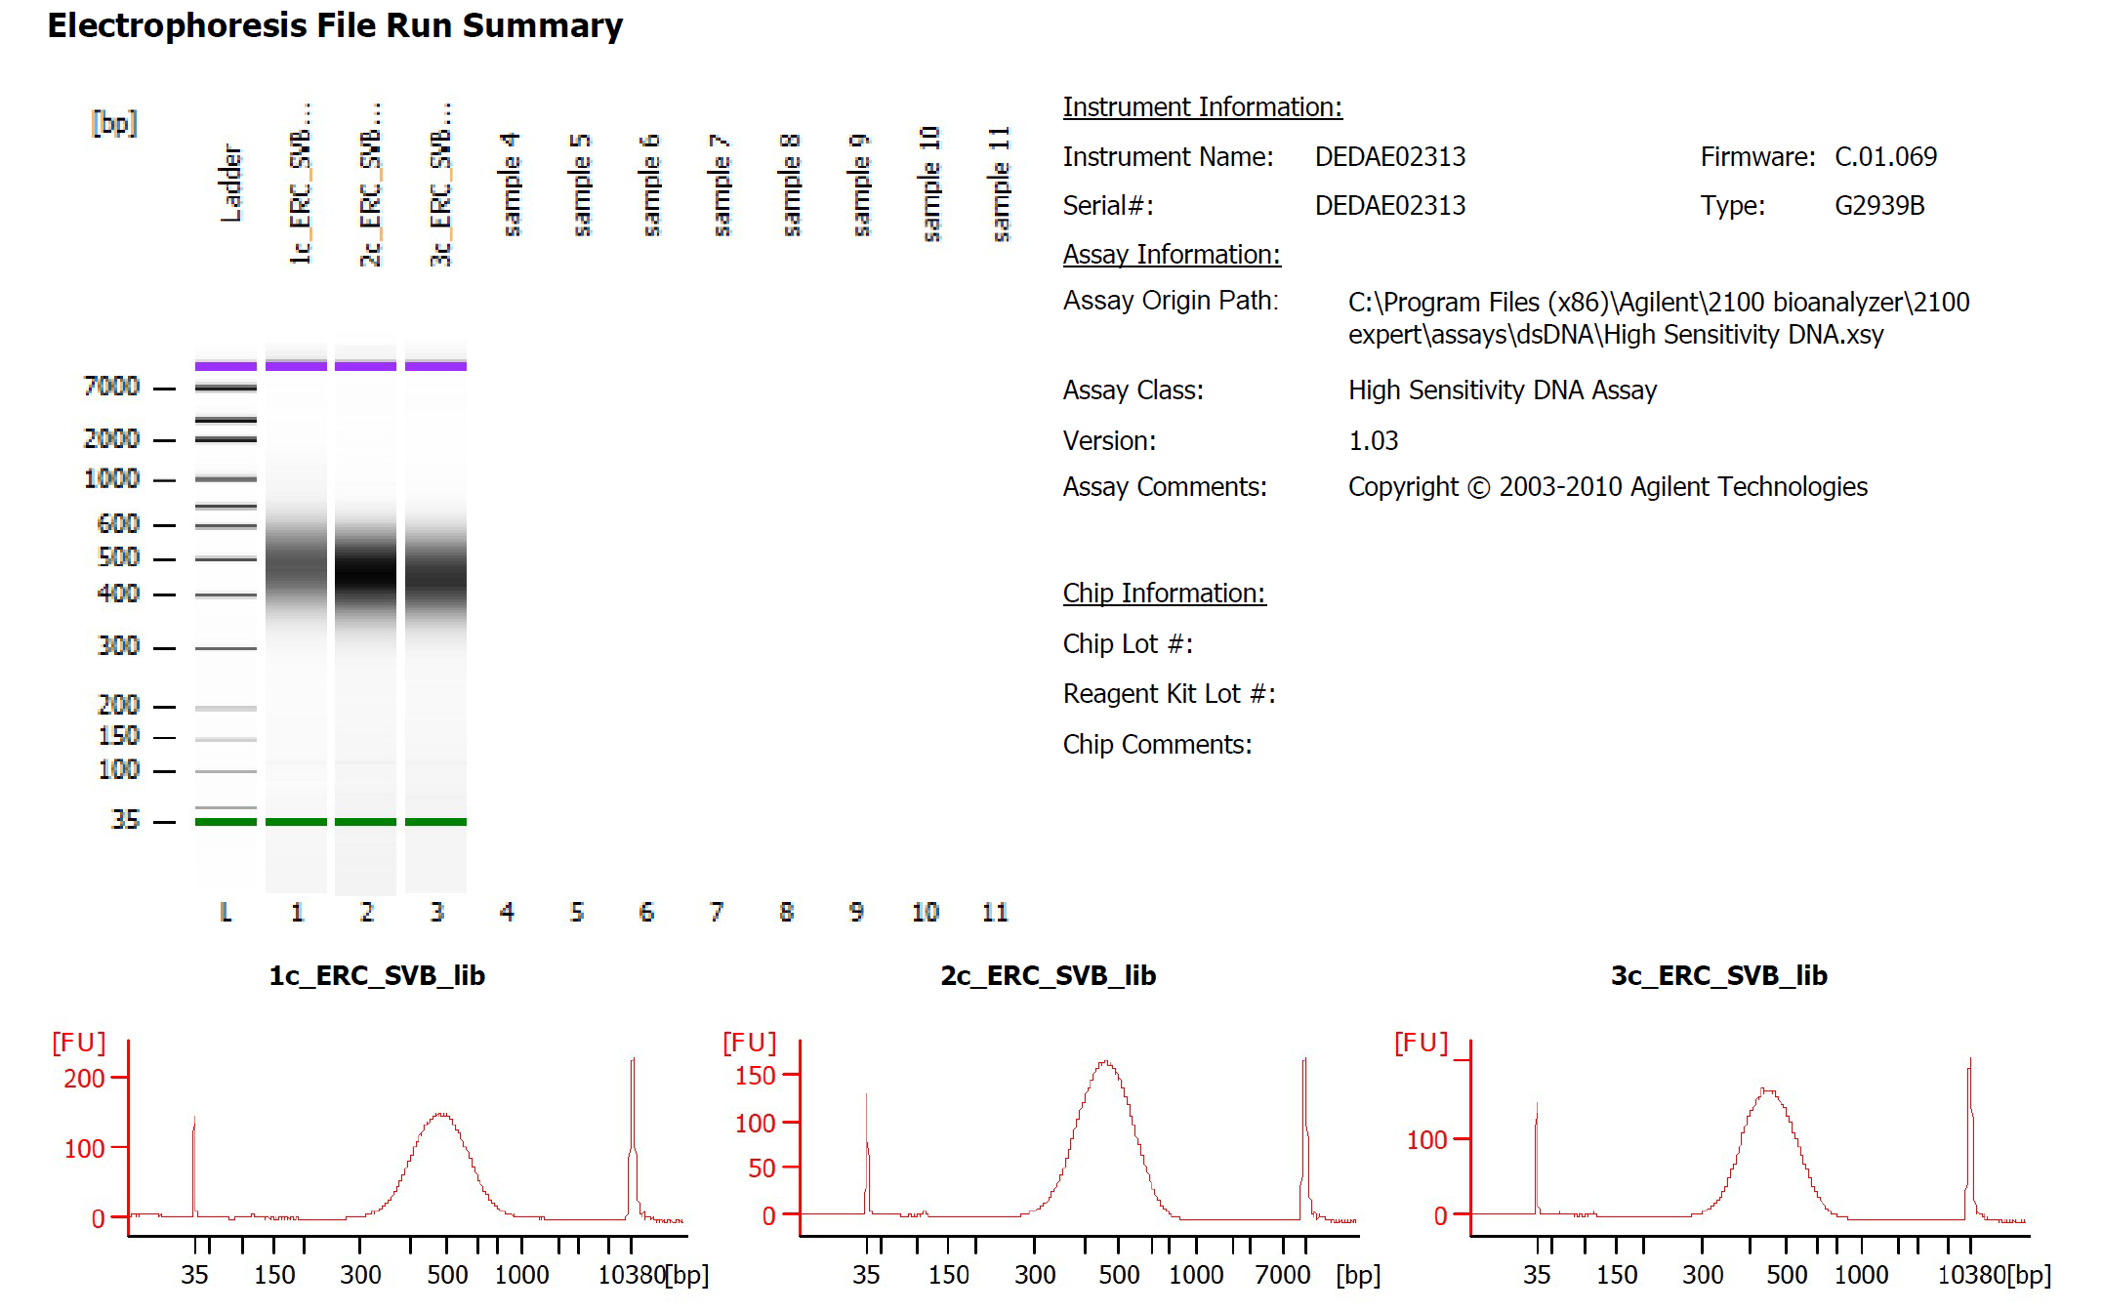
Sample # | Tissue | Brain | Round | PI/NeuN | Nuclei Sorted | Nuclei Targeted | cDNA Input | SI cycles | Ave frag length | Agilent [pg/ul] | Dilution Factor | Final Conc [pg/ul]
1c_ERC_SVB | ERC-PI+ | Br1039 | 1 | PI | 14000 | 9000 | 2250.00 | 15 | 490 | 1090.83 | 10 | 10908.30
2c_ERC_SVB | ERC-PI+ | Br1556 | 1 | PI | 14000 | 9000 | 2250.00 | 14 | 463 | 1698.92 | 13 | 22085.96
3c_ERC_SVB | ERC-PI+ | Br5212 | 1 | PI | 14000 | 9000 | 2250.00 | 14 | 456 | 1425.87 | 10 | 14258.70

