Chromium cDNA Agilent
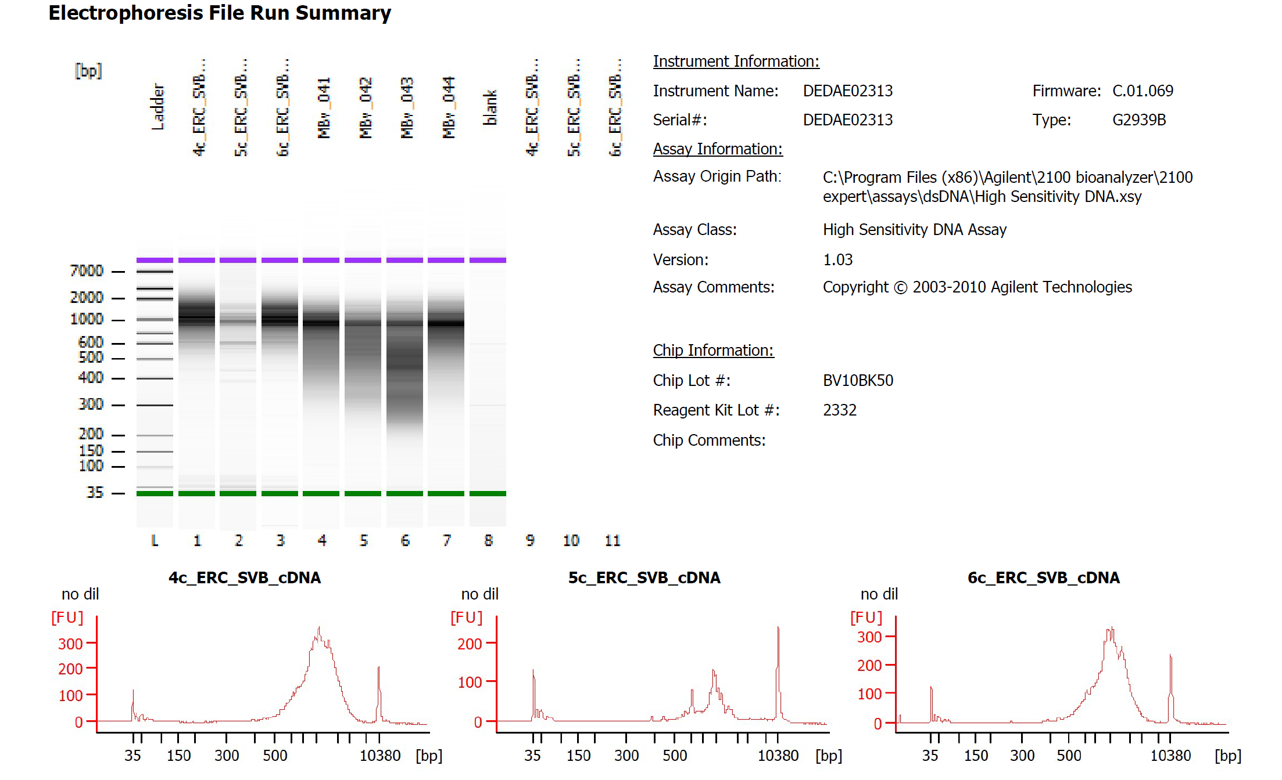

Sample # | Tissue | Brain | Round | PI/NeuN | Nuclei Sorted | Nuclei Targeted | cDNA Amp Cycle | Agilent [cDNA] pg/ul | Dilution Factor | Final [cDNA] pg/ul | Total cDNA ng
4c_ERC_SVB | ERC-PI+ | Br2582 | 2 | PI | 14000 | 9000 | 11 | 2042.58 | 1 | 2042.58 | 81.70
5c_ERC_SVB | ERC-PI+ | Br5276 | 2 | PI | 14000 | 9000 | 11 | 435.39 | 1 | 435.39 | 17.42
6c_ERC_SVB | ERC-PI+ | Br5415 | 2 | PI | 14000 | 9000 | 11 | 1593.35 | 1 | 1593.35 | 63.73

Chromium Library Agilent
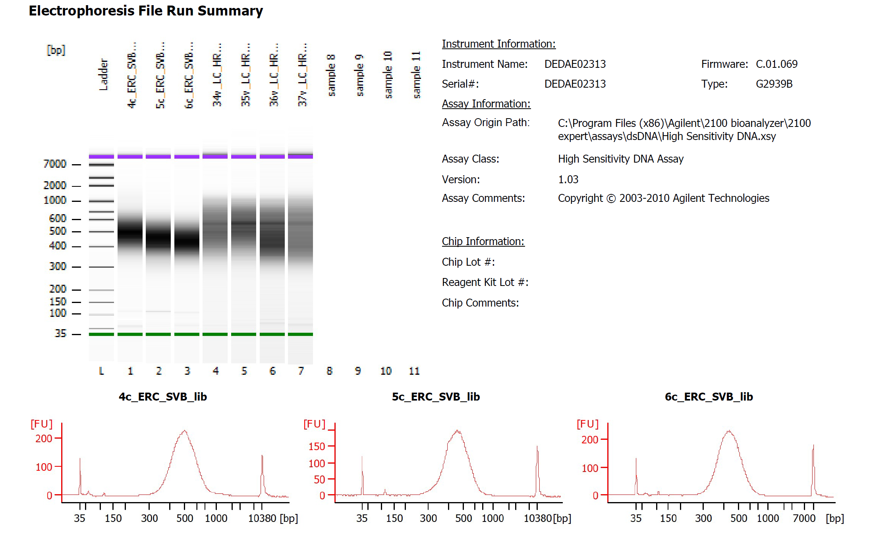
Sample # | Tissue | Brain | Round | PI/NeuN | Nuclei Sorted | Nuclei Targeted | cDNA Input | SI cycles | Ave frag length | Agilent [pg/ul] | Dilution Factor | Final Conc [pg/ul]
4c_ERC_SVB | ERC-PI+ | Br2582 | 2 | PI | 14000 | 9000 | 2250.00 | 14 | 502 | 2404.83 | 4.5 | 2404.83
5c_ERC_SVB | ERC-PI+ | Br5276 | 2 | PI | 14000 | 9000 | 2250.00 | 16 | 458 | 2354.99 | 7.5 | 2354.99
6c_ERC_SVB | ERC-PI+ | Br5415 | 2 | PI | 14000 | 9000 | 2250.00 | 15 | 447 | 2440.01 | 5.5 | 2440.01

