Chromium cDNA Agilent
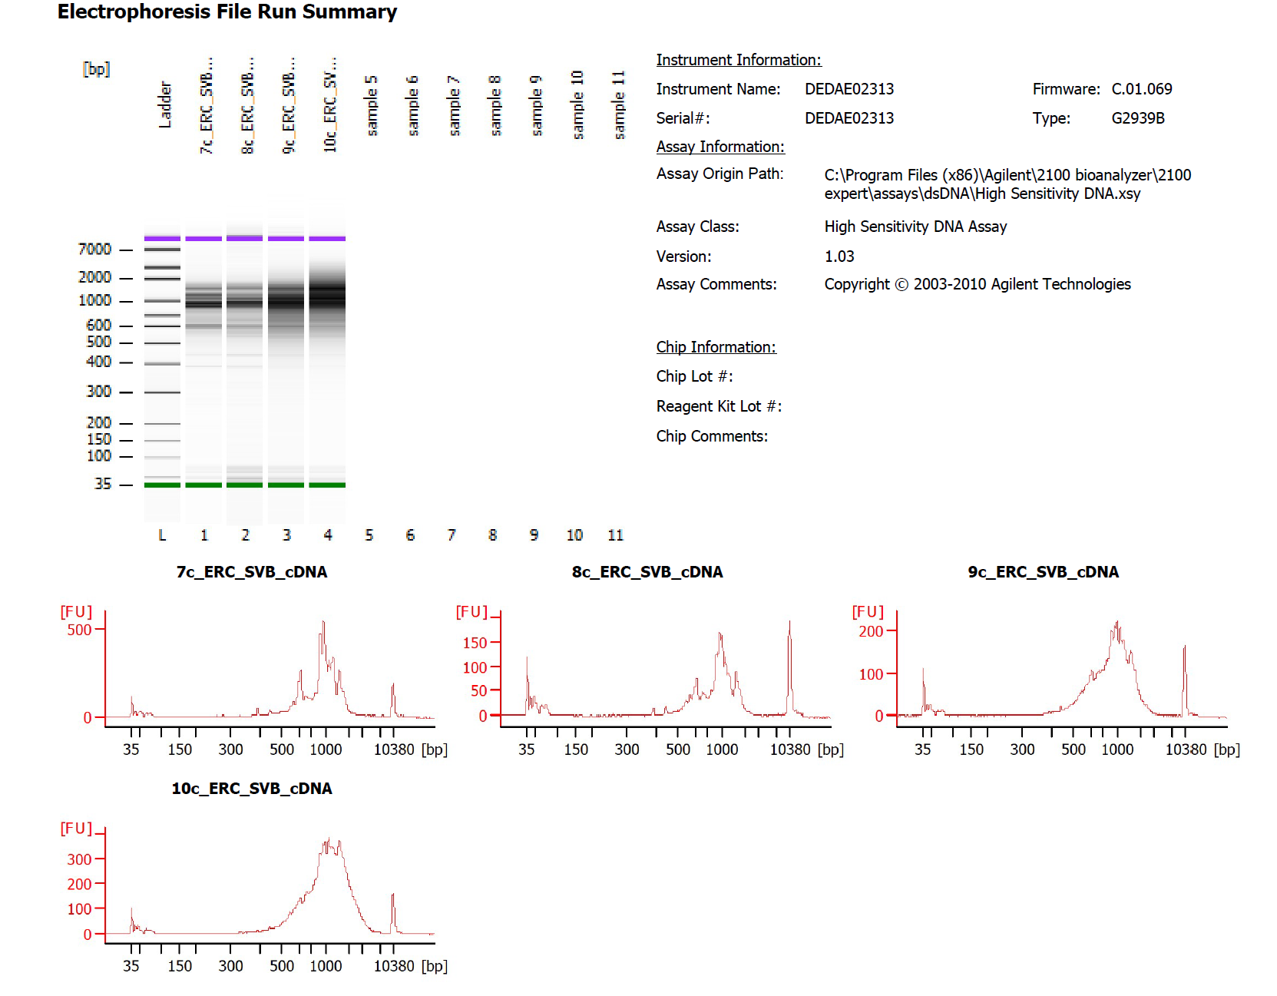

Sample # | Tissue | Brain | Round | PI/NeuN | Nuclei Sorted | Nuclei Targeted | cDNA Amp Cycle | Agilent [cDNA] pg/ul | Dilution Factor | Final [cDNA] pg/ul | Total cDNA ng
7c_ERC_SVB | ERC-PI+ | Br1691 | 3 | PI | 14000 | 9000 | 11 | 2266.77 | 1 | 2266.77 | 90.67
8c_ERC_SVB | ERC-PI+ | Br3974 | 3 | PI | 14000 | 9000 | 11 | 718.39 | 1 | 718.39 | 28.74
9c_ERC_SVB | ERC-PI+ | Br5426 | 3 | PI | 14000 | 9000 | 11 | 1736.59 | 1 | 1736.59 | 69.46
10c_ERC_SVB | ERC-PI+ | Br6476 | 3 | PI | 14000 | 9000 | 11 | 3304.65 | 1 | 3304.65 | 132.19

Chromium Library Agilent
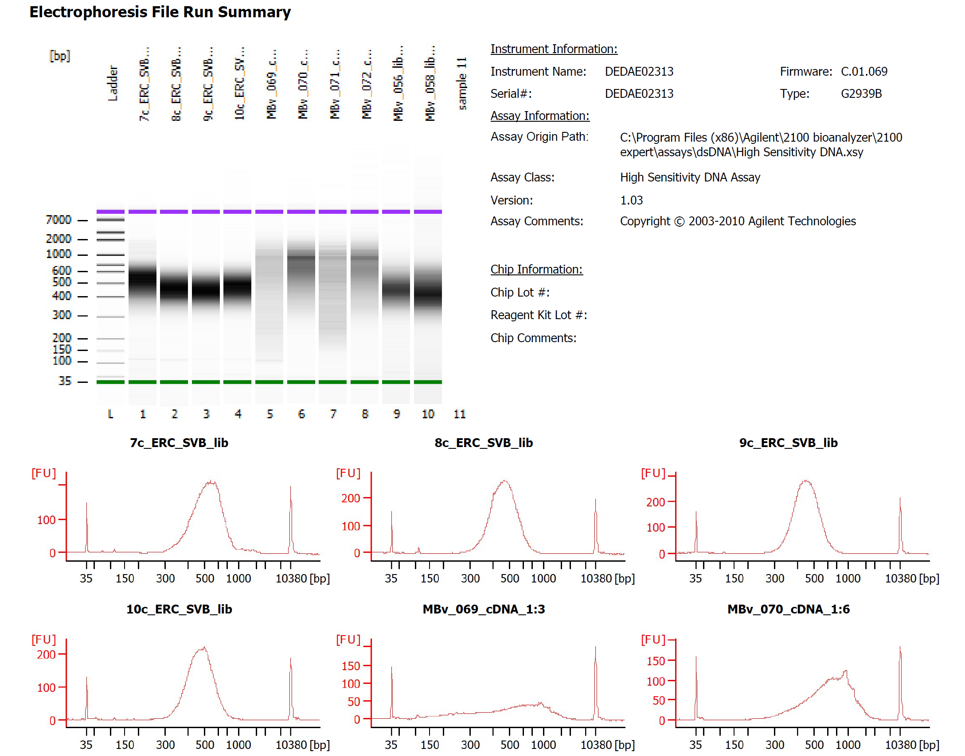

Sample # | Tissue | Brain | Round | PI/NeuN | Nuclei Sorted | Nuclei Targeted | cDNA Input | SI cycles | Ave frag length | Agilent [pg/ul] | Dilution Factor | Final Conc [pg/ul]
7c_ERC_SVB | ERC-PI+ | Br1691 | 3 | PI | 14000 | 9000 | 2250.00 | 14 | 523 | 2118.71 | 6 | 12712.26
8c_ERC_SVB | ERC-PI+ | Br3974 | 3 | PI | 14000 | 9000 | 2250.00 | 16 | 467 | 2569.34 | 6 | 15416.04
9c_ERC_SVB | ERC-PI+ | Br5426 | 3 | PI | 14000 | 9000 | 2250.00 | 14 | 454 | 2454.39 | 8 | 19635.12
10c_ERC_SVB | ERC-PI+ | Br6476 | 3 | PI | 14000 | 9000 | 2250.00 | 14 | 476 | 2167.03 | 4 | 8668.12

