Chromium cDNA Agilent
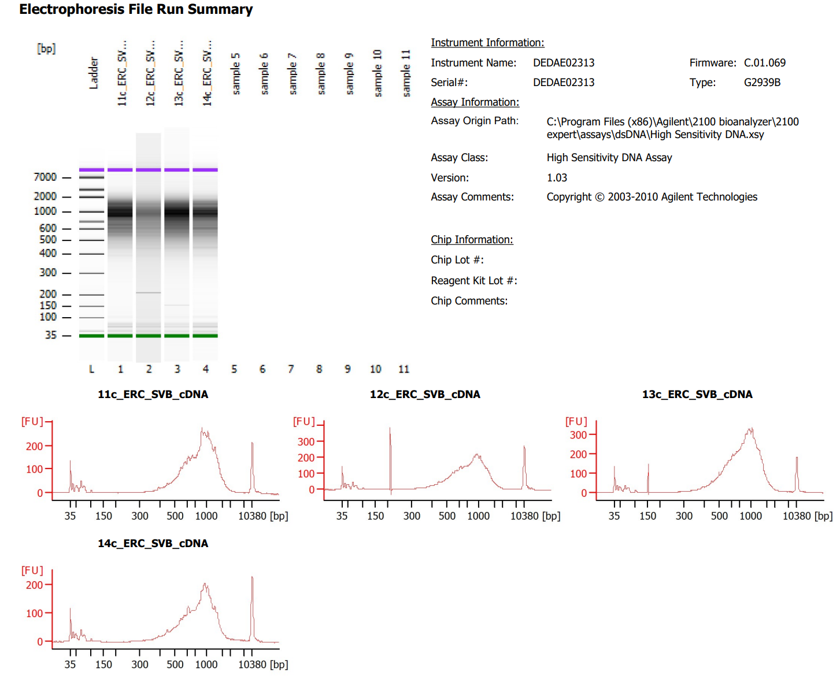
Sample # | Tissue | Brain | Round | PI/NeuN | Nuclei Sorted | Nuclei Targeted | cDNA Amp Cycle | Agilent [cDNA] pg/ul | Dilution Factor | Final [cDNA] pg/ul | Total cDNA ng
11c_ERC_SVB | ERC-PI+ | Br1706 | 4 | PI | 14000 | 9000 | 11 | 1,887.56 | 1 | 1887.56 | 75.50
12c_ERC_SVB | ERC-PI+ | Br2305 | 4 | PI | 14000 | 9000 | 11 | 1,352.27 | 1 | 1352.27 | 54.09
13c_ERC_SVB | ERC-PI+ | Br5460 | 4 | PI | 14000 | 9000 | 11 | 3,058.28 | 1 | 3058.28 | 122.33
14c_ERC_SVB | ERC-PI+ | Br5517 | 4 | PI | 14000 | 9000 | 11 | 1,322.63 | 1 | 1322.63 | 52.91

Chromium Library Agilent
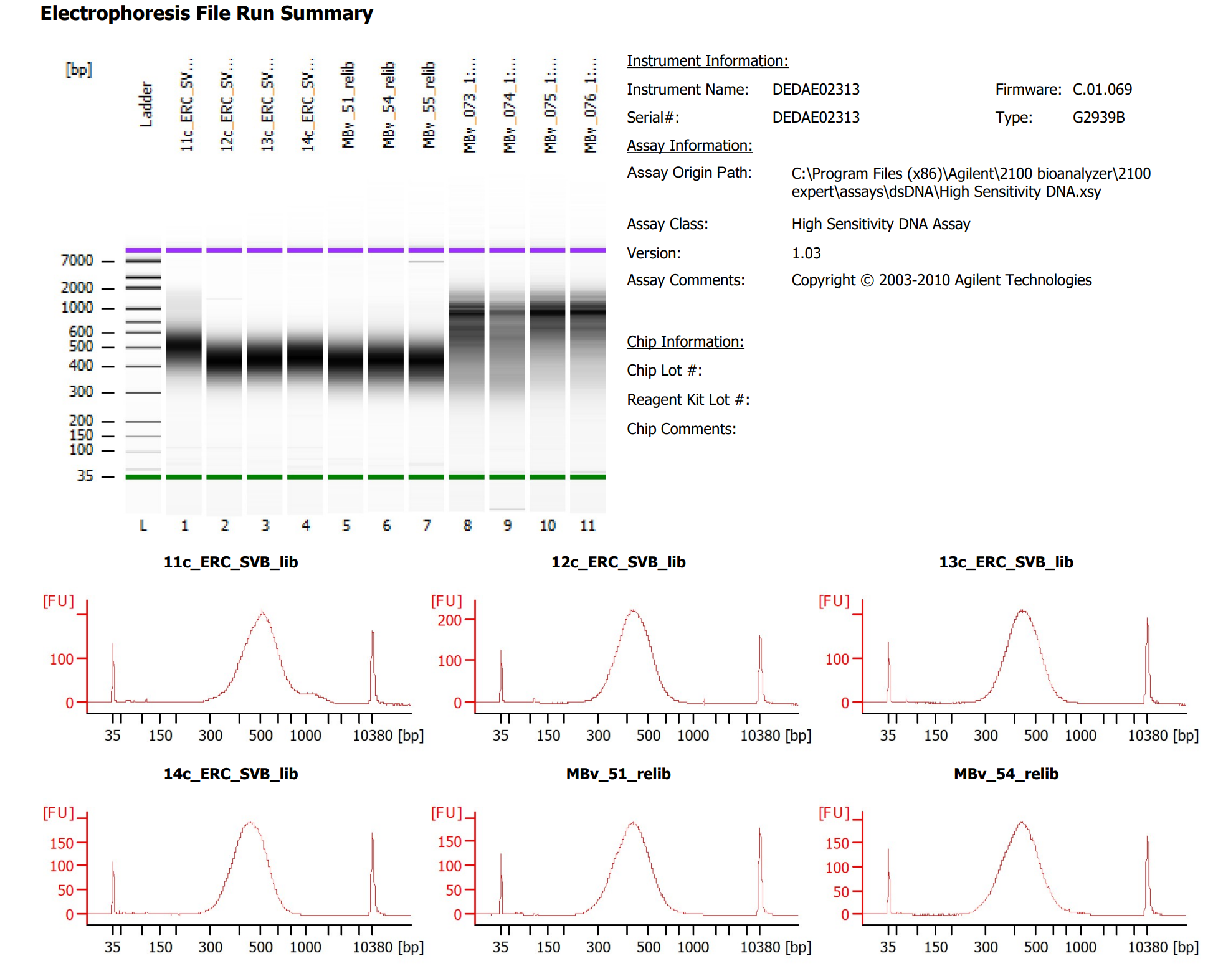
Sample # | Tissue | Brain | Round | PI/NeuN | Nuclei Sorted | Nuclei Targeted | cDNA Input | SI cycles | Ave frag length | Agilent [pg/ul] | Dilution Factor | Final Conc [pg/ul]
11c_ERC_SVB | ERC-PI+ | Br1706 | 4 | PI | 14000 | 9000 | 2250.00 | 14 | 513 | 2,083.10 | 9 | 18747.90
12c_ERC_SVB | ERC-PI+ | Br2305 | 4 | PI | 14000 | 9000 | 2250.00 | 15 | 438 | 2,473.89 | 18 | 44530.02
13c_ERC_SVB | ERC-PI+ | Br5460 | 4 | PI | 14000 | 9000 | 2250.00 | 14 | 446 | 1,972.85 | 24 | 47348.40
14c_ERC_SVB | ERC-PI+ | Br5517 | 4 | PI | 14000 | 9000 | 2250.00 | 15 | 453 | 2,090.01 | 14 | 29260.14

