qPCR
 | 1 | 2 | 3 | 4 | 5 | 6 | 7 | 8 | 9 | 10 | 11 | 12
A | 1 | 9
B | 2 | 10
C | 3 | 11
D | 4 | 12
E | 5 | Blank
F | 6
G | 7
H | 8

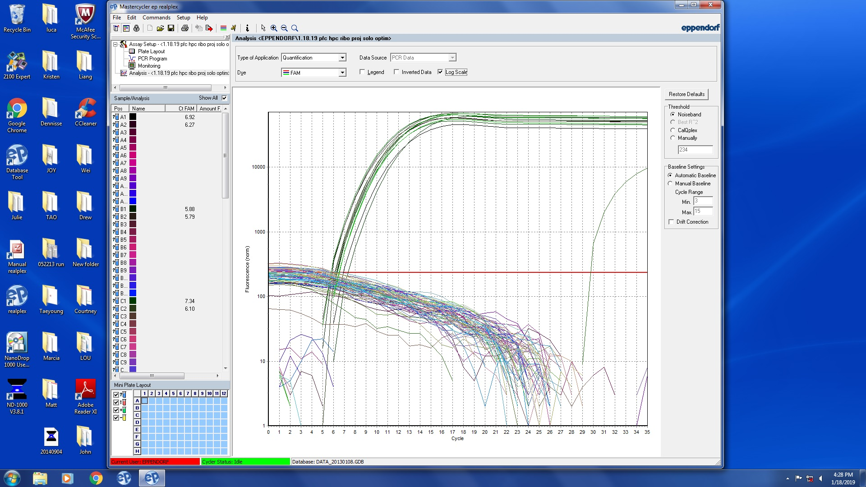

 |  |  |  | 13 cyles for Library Amp I
 |  |  |  | (cycle to 12 times…)

Bioanalyzer
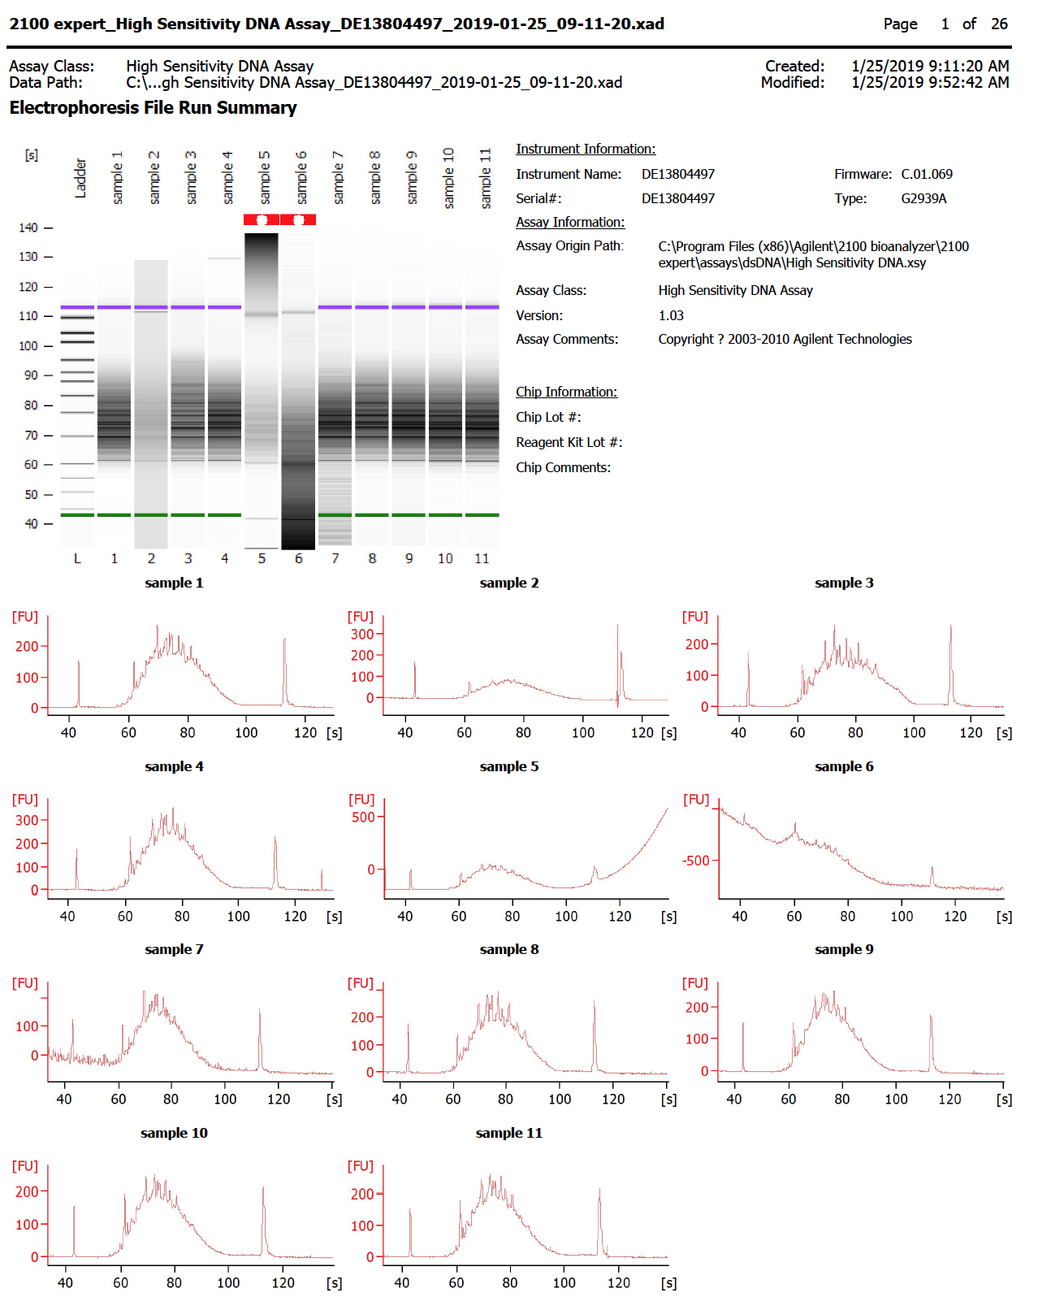
13
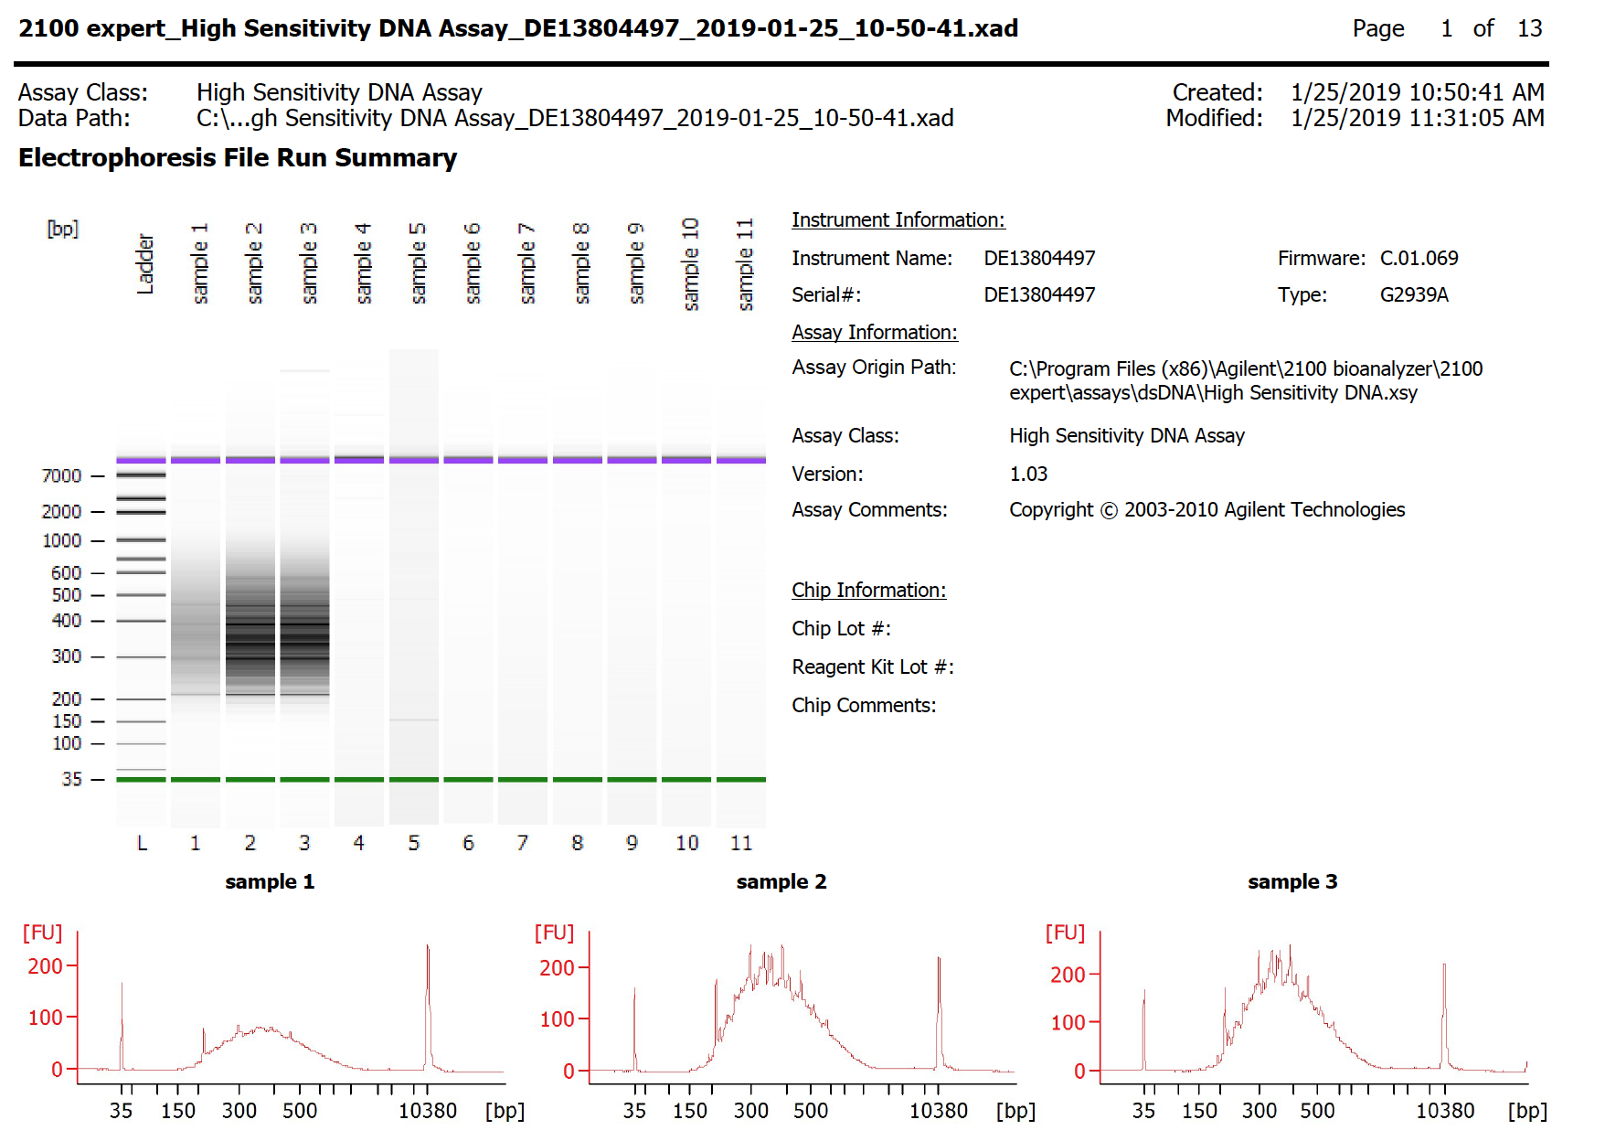

14
15
13

14
17
18

16
17
18

Note: Meant to run sample 24 on this run and totally forgot (just reran the bad samples from first run…)

19
20
21

 | Sample | Ave frag sizes
 | 13 | 399
 | 14 | 394
 | 15 | 429
 | 16 | 404
 | 17 | 393
22
23
 | 18 | 394
 | 19 | 393
 | 20 | 418
 | 21 | 399
 | 22 | 392
 | 23 | 392
 | 24 | Assume 400

