Chromium cDNA Agilent
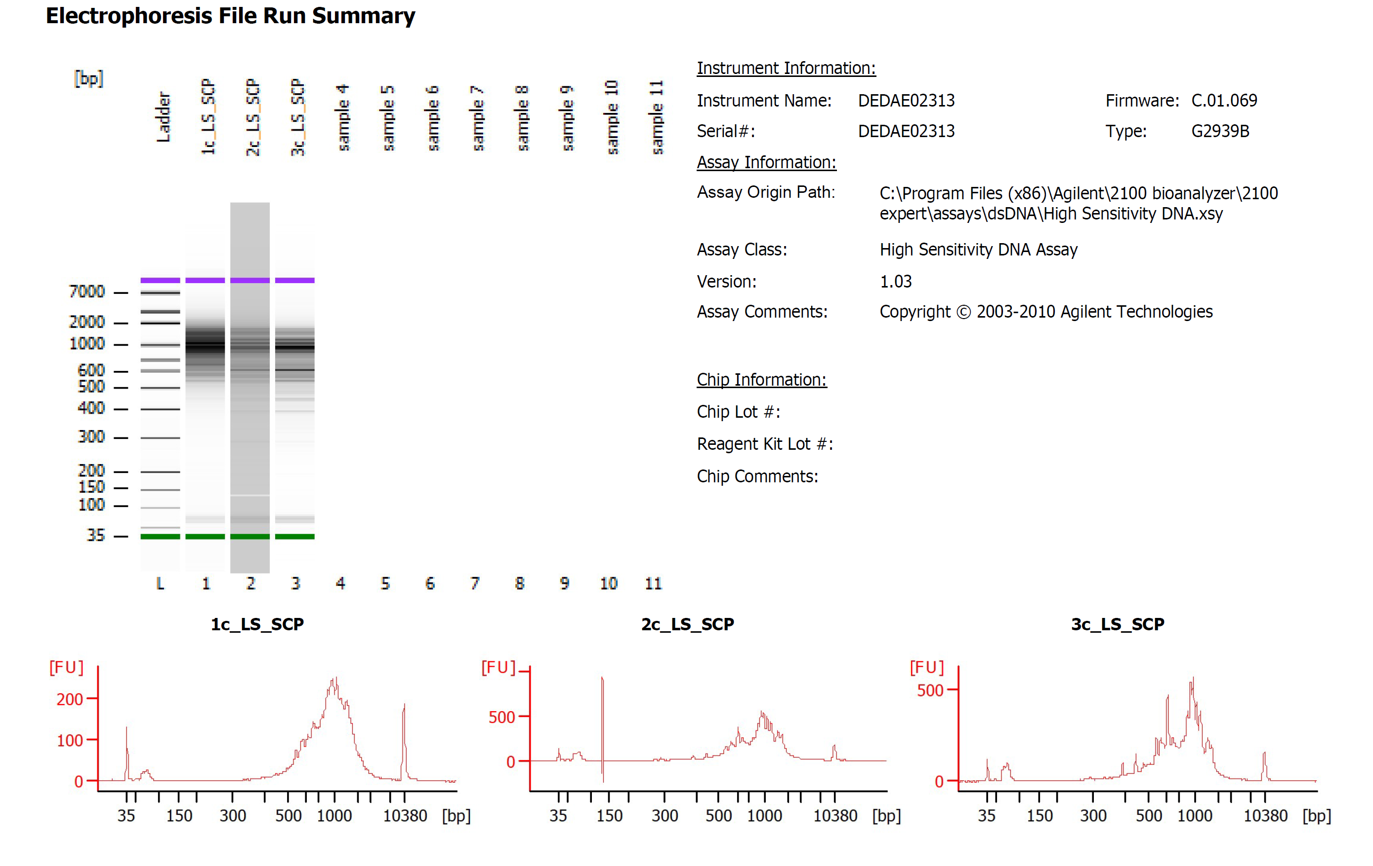

Sample # | Tissue | Brain | Round | PI/NeuN | Nuclei Sorted | Nuclei Targeted | cDNA Amp Cycle | Agilent [cDNA] pg/ul | Dilution Factor | Final [cDNA] pg/ul | Total cDNA ng
1c_LS_SCP | LS | Br8331 | 1 | PI+NeuN+ | 9000 | 6000 | 12 | 1896.83 | 2 | 3793.66 | 151.75
2c_LS_SCP | LS | Br8354 | 1 | PI+NeuN+ | 9000 | 6000 | 12 | 3709.15 | 1 | 3709.15 | 148.37
3c_LS_SCP | LS | Br9103 | 1 | PI+NeuN+ | 9000 | 6000 | 12 | 4068.52 | 1 | 4068.52 | 162.74

Chromium Library Agilent
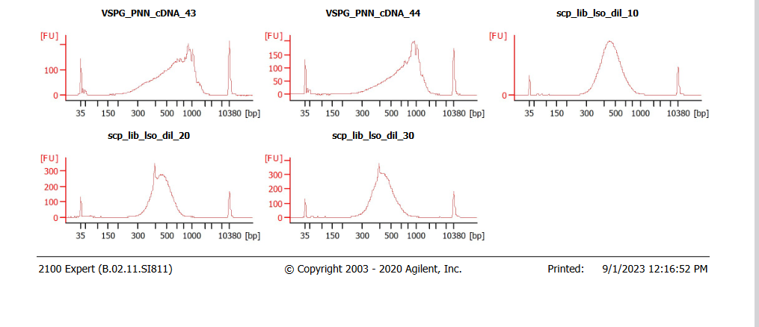
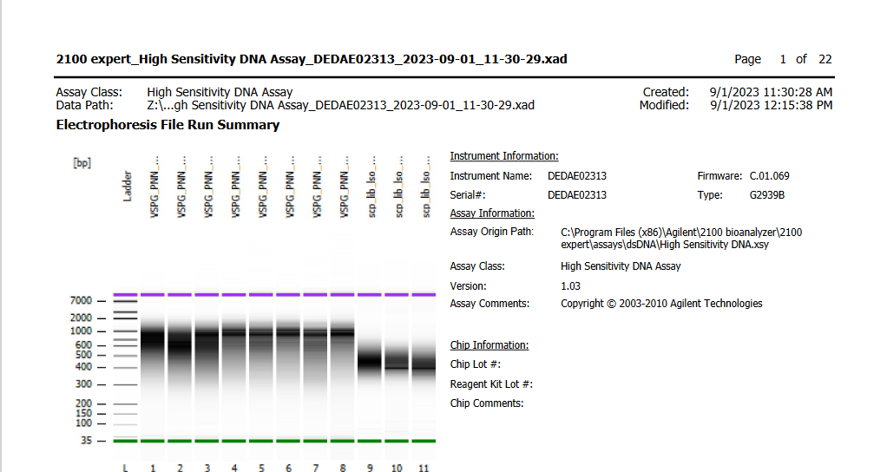
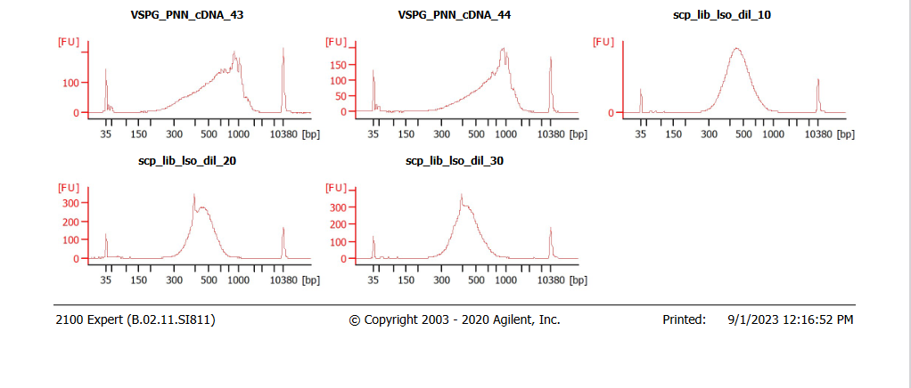

Sample # | Tissue | Brain | Round | PI/NeuN | Nuclei Sorted | Nuclei Targeted | cDNA Input | SI cycles | Ave frag length | Agilent [pg/ul] | Dilution Factor | Final Conc [pg/ul]
1c_LS_SCP | LS | Br8331 | 1 | PI+NeuN+ | 9000 | 6000 | 37.94 | 14 | 467 | 3304.03 | 12 | 39648.36
2c_LS_SCP | LS | Br8354 | 1 | PI+NeuN+ | 9000 | 6000 | 37.09 | 14 | 457 | 2901.02 | 8 | 23208.16
3c_LS_SCP | LS | Br9103 | 1 | PI+NeuN+ | 9000 | 6000 | 40.69 | 14 | 441 | 2990.53 | 5 | 14952.65

