Summary
 | Sample Sheet
Experiment # | Sample # | BrNumbr | Br_Region | Slide SN # | Array # | Will be Sequenced? | Ct | cDNA Amp Cycle | [cDNA] pg/ul | Total cDNA ng | cDNA Input | SI cycles | Ave Frag Size [bp] | Agilent Conc. [pg/ul] | Dilution | Final Conc. [pg/ul] | index_name | index(i7) | index2_workflow_a(i5) | index2_workflow_b(i5) | % Coverage Array | Est. Read Pairs | Total Volume [ul]
01262022_VIF_DLPFC_Real | 1 | 2720 | DLPFC_Ant | V10B01-087 | A1 | Yes | 15.69 | 16.00 | 11977.70 | 479.11 | 119.78 | 16 | 445 | 3,531.46 | 10.00 | 35,314.60 | SI-TT-F4 | CCCACCACAA | ACCTCCGCTT | AAGCGGAGGT | 65 | 162500000 | 39
 | 2 | 6432 | DLPFC_Ant | V10B01-087 | B1 | Yes | 15.06 | 15.00 | 7228.10 | 289.12 | 72.28 | 16 | 436 | 2,126.04 | 10.00 | 21,260.40 | SI-TT-G4 | GCGCTTATGG | GCCTGGCTAG | CTAGCCAGGC | 80 | 200000000 | 39
 | 3 | 6522 | DLPFC_Ant | V10B01-087 | C1 | Yes | 15.04 | 15.00 | 6083.70 | 243.35 | 60.84 | 16 | 450 | 2,900.14 | 10.00 | 29,001.40 | SI-TT-H4 | AGTTTCCTGG | TGCCACACAG | CTGTGTGGCA | 90 | 225000000 | 39
 | 4 | 8667 | DLPFC_Post | V10B01-087 | D1 | Yes | 14.51 | 15.00 | 11729.60 | 469.18 | 117.30 | 16 | 439 | 3,325.52 | 10.00 | 33,255.20 | SI-TT-A5 | GTAGCCCTGT | GAGCATCTAT | ATAGATGCTC | 90 | 225000000 | 39

 |  |  |  | Note: Previously written V01B01-107 and was corrected on 03/10/2022 to V01B01-087

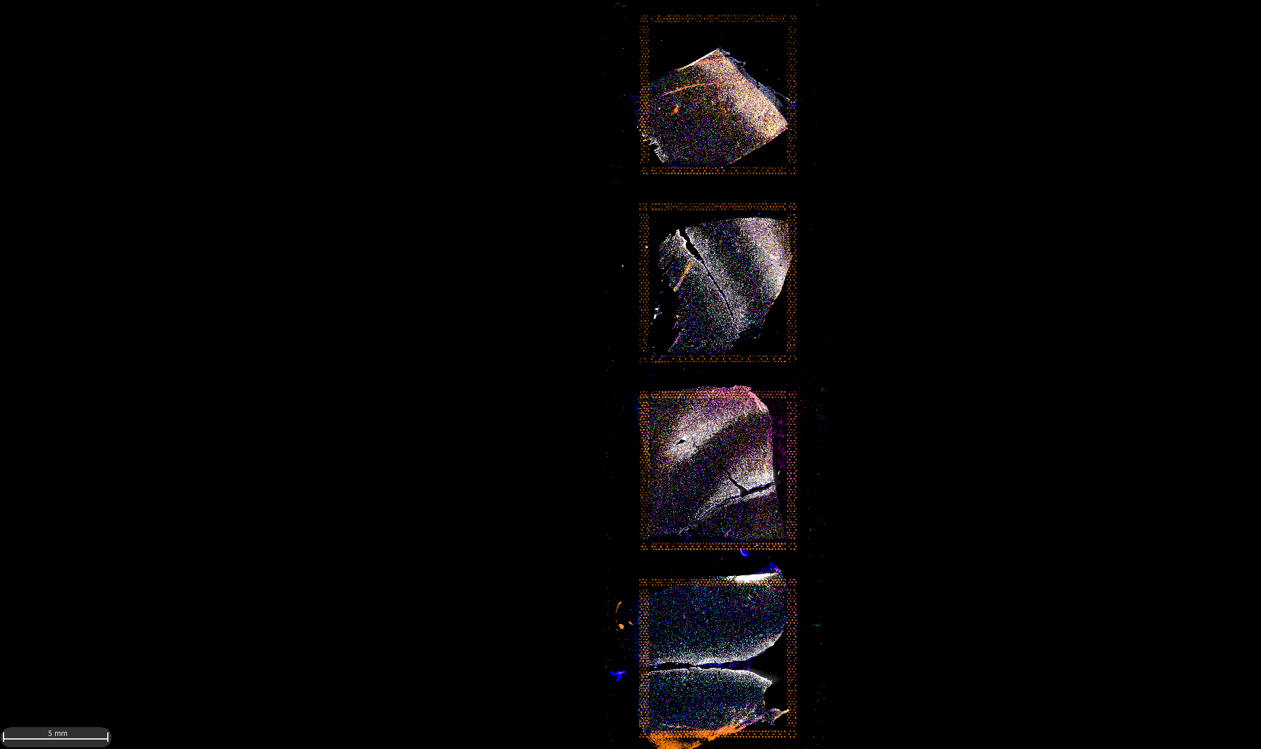
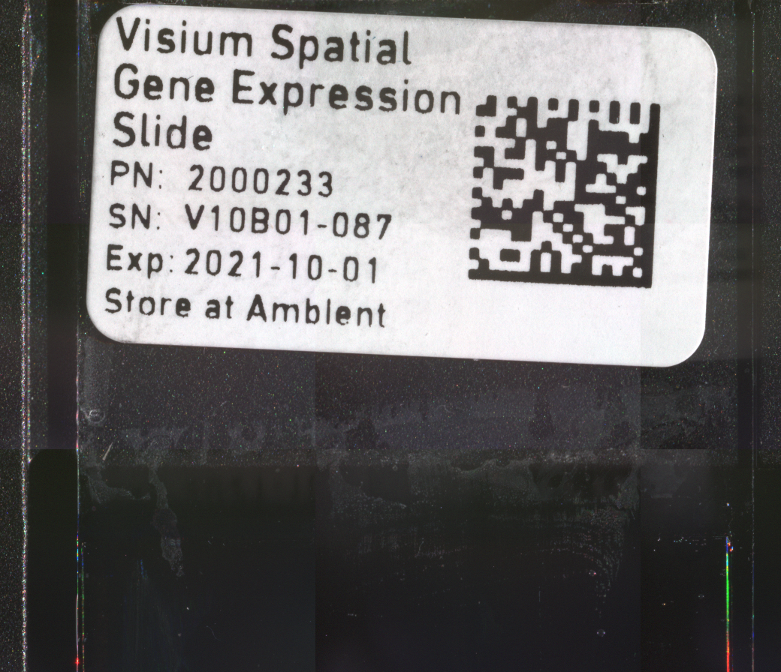
A1

B1

C1

D1

cDNA_Amp
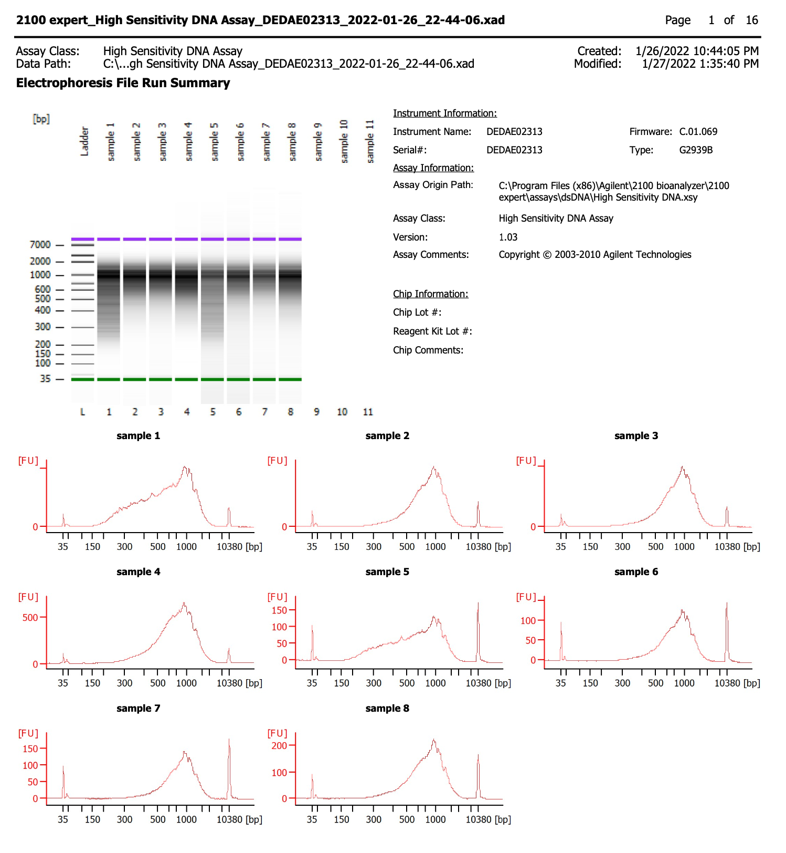
 |  |  | Diluted conc. | Stock conc.
Sample | BrNum | Dilution | 200-9000bp | 200-9000bp | Total cDNA (ng) | 0.25%_ cDNA input (ng) | SI cycles
 |  |  | pg/uL | pg/uL
1 | 2720 | 1:1 | 9868.51 | 9868.51 | - | - | -
2 | 6432 | 1:1 | 4767.17 | 4767.17 | - | - | -
3 | 6522 | 1:1 | 5108.50 | 5108.5 | - | - | -
4 | 8667 | 1:1 | 8892.94 | 8892.94 | - | - | -
5 | 2720 | 1:5 | 2395.54 | 11977.7 | 479.11 | 119.78 | 16
6 | 6432 | 1:5 | 1445.62 | 7228.1 | 289.12 | 72.28 | 16
7 | 6522 | 1:5 | 1216.74 | 6083.7 | 243.35 | 60.84 | 16
8 | 8667 | 1:5 | 2345.92 | 11729.6 | 469.18 | 117.30 | 16

cDNA_Library
