Notes

Location of Data on BioA Report

To calculate primer-dimer peaks conc. (pg/uL) , select "from [bp]" to ~40bp and "to [bp]" to around 170bp (adjust according to individual sample)

Summary
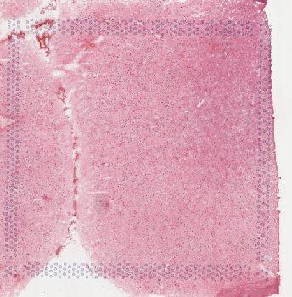
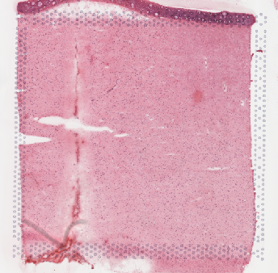
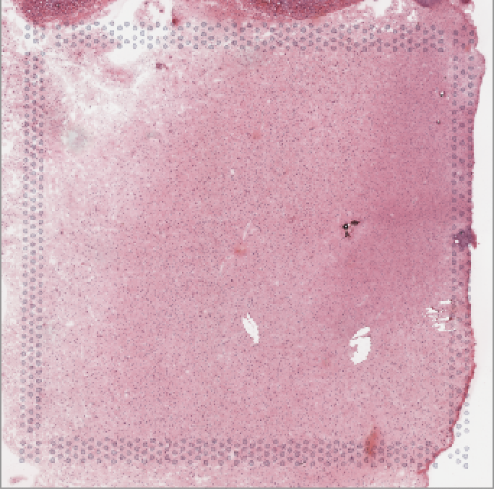
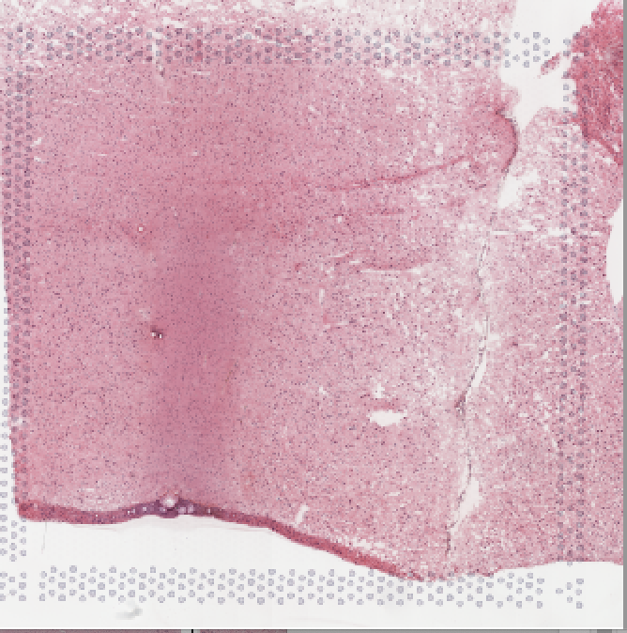
Sample # | Tissue | Brain | Slide # | Array # | Ct | cDNA Amp Cycle | Agilent [cDNA] pg/ul | Dilution Factor | Final [cDNA] pg/ul | Total cDNA ng yield | cDNA Input | SI cycles | Ave frag length | Agilent Lib Conc. (pg/ul) | Agilent Lib Molarity (pmol/L) | Agilent primer-dimer peaks Conc. pg/uL. (~40-170bp) | Dilution Factor | FINAL Lib Conc. (pg/ul) | FINAL Lib Molarity (pmol/L) | FINAL primer-dimer peaks Conc. pg/uL | % primer-dimer/sample | index_name | index(i7) | index2_workflow_a(i5) | index2_workflow_b(i5) | % Coverage Array | Est Read Pairs
MBv_121 | DLPFC | Br8100 | V13B23-279 | A1 | 16.02 | 16 | 555.42 | 12.00 | 6665.04 | 266.60 | 66.65 | 16 | 348 | 2461.29 | 11590.8 | 30.03 | 6.00 | 14767.74 | 69544.8 | 180.18 | 1.2053850971 | SI-TT-H2 | TAGCATAGTG | CGGCTCTGTC | GACAGAGCCG | 100 | 300000000
MBv_122 | DLPFC | Br8433 | V13B23-279 | B1 | 15.98 | 16 | 848.5 | 12.00 | 10182.00 | 407.28 | 101.82 | 16 | 384 | 2273.75 | 10017.8 | 24.12 | 10.00 | 22737.5 | 100178 | 241.2 | 1.0496677358 | SI-TT-C3 | ATGGCTTGTG | GAATGTTGTG | CACAACATTC | 75 | 225000000
MBv_123 | DLPFC | Br8136 | V13B23-279 | C1 | 16.10 | 16 | 779.68 | 12.00 | 9356.16 | 374.25 | 93.56 | 16 | 418 | 1990.62 | 7551.8 | 27.20 | 6.00 | 11943.72 | 45310.8 | 163.2 | 1.3479894143 | SI-TT-H3 | CCCGTTCTCG | GACGGATTGG | CCAATCCGTC | 90 | 270000000
MBv_124 | DLPFC | Br8677 | V13B23-279 | D1 | 16.2 | 16 | 720.96 | 10.00 | 7209.60 | 288.38 | 72.10 | 16 | 448 | 1261.85 | 4438.30 | 0 | 3 | 3785.55 | 13314.9 | 0 | 0 | SI-TT-F3 | GAGAGGATAT | TTGAAATGGG | CCCATTTCAA | 80 | 240000000
MBv_125 | DLPFC | Br8221 | V13B23-282 | A1 | 18.34 | 18 | 1765.57 | 4.00 | 7062.28 | 282.49 | 70.62 | 16 | 456 | 1313.17 | 4563.2 | 0 | 5 | 6565.85 | 22816 | 0 | 0 | SI-TT-G3 | ATGACGTCGC | AGGTCAGGAT | ATCCTGACCT | 90 | 270000000
MBv_126 | DLPFC | Br5480 | V13B23-282 | B1 | 17.48 | 17 | 1594.71 | 3.00 | 4784.13 | 191.37 | 47.84 | 17 | 355 | 2101.79 | 9933.5 | 33.31 | 19 | 39934.01 | 188736.5 | 632.89 | 1.5601142804 | SI-TT-A3 | CACTACGAAA | TTAGACTGAT | ATCAGTCTAA | 90 | 270000000
MBv_127 | DLPFC | Br6231 | V13B23-282 | C1 | 17.32 | 17 | 1491.83 | 4.00 | 5967.32 | 238.69 | 59.67 | 16 | 407 | 2177.27 | 8443.6 | 0 | 3 | 6531.81 | 25330.8 | 0 | 0 | SI-TT-B3 | CACGGTGAAT | GTTCGTCACA | TGTGACGAAC | 95 | 285000000
MBv_128 | DLPFC | Br6366 | V13B23-282 | D1 | 16.8 | 17 | 1019.05 | 8.00 | 8152.40 | 326.10 | 81.52 | 16 | 433 | 1630.68 | 6100.1 | 0 | 8 | 13045.44 | 48800.8 | 0 | 0 | SI-TT-E3 | ACCAGACAAC | AGGAACTAGG | CCTAGTTCCT | 85 | 255000000

 | MBv_121 |  | MBv_122 |  |  | MBv_123 |  | MBv_124
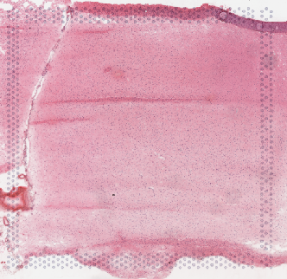
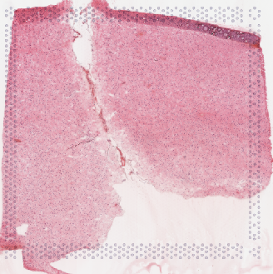
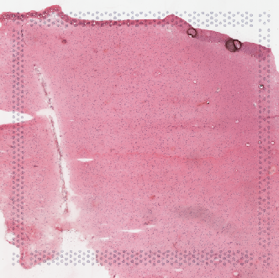
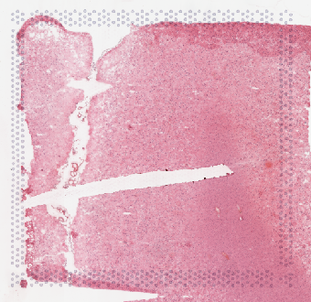

 | MBv_125 |  | MBv_126 |  |  | MBv_127 |  | MBv_128

qPCR
Pos | Name | Ct FAM | Note
C1 | MBv_121 | 16.02 | ~33% of the peak fluorescence value
C2 | MBv_122 | 15.98 | ~33% of the peak fluorescence value
C3 | MBv_123 | 16.10 | ~33% of the peak fluorescence value
C4 | MBv_124 | 16.2 | ~33% of the peak fluorescence value
C5 | negative control | N/A

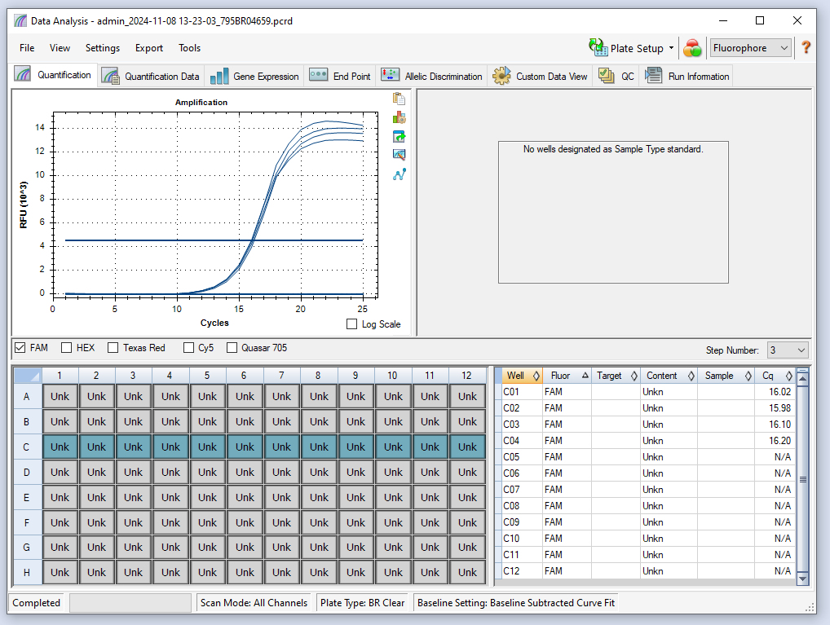

C1 | MBv_125 | 18.34
C2 | MBv_126 | 17.48
C3 | MBv_127 | 17.32
C4 | MBv_128 | 16.8
C5 | H2O | N/A

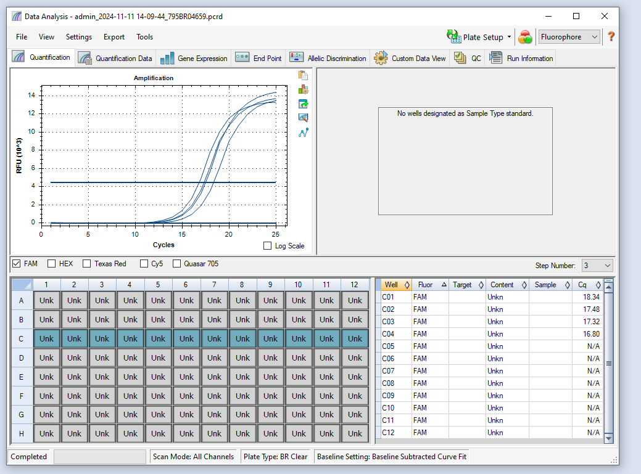

 |  |  | 3

cDNA Agilent
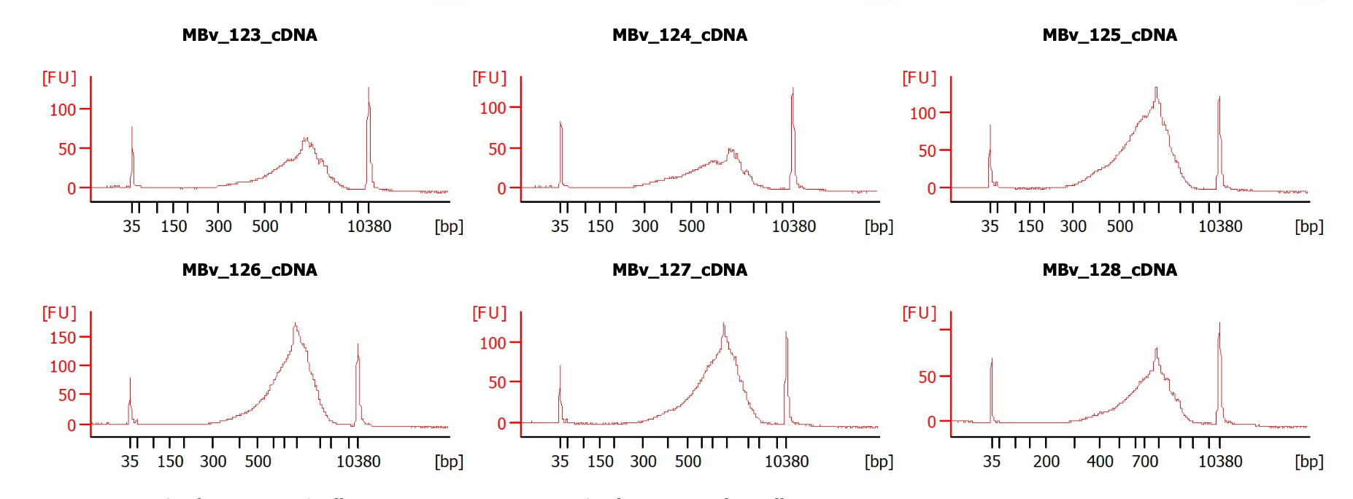

Lib Agilent
