qPCR
Sample # | Pos | Ct FAM | Notes
MBv_001 | B1 | 17.55
MBv_002 | B2 | 15.78
MBv_003 | B3 | 15.57
MBv_004 | B4 | 15.23
negative control | B5 | N/A
MBv_005 | A1 | 15.99 | Used RFU ~= 5 as threshold
MBv_006 | A2 | 15.22 | Used RFU ~= 5 as threshold
MBv_007 | A3 | 15.13 | Used RFU ~= 5 as threshold
MBv_008 | A4 | 14.96 | Used RFU ~= 5 as threshold
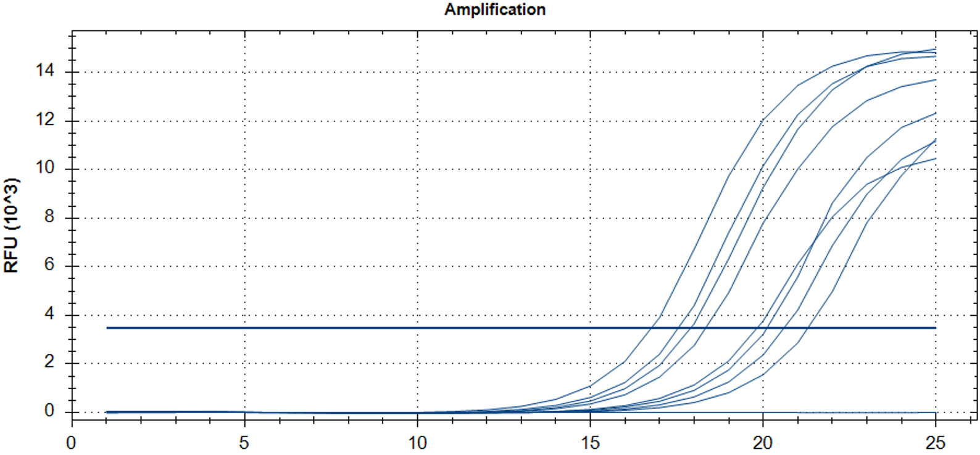
negative control | A5 | N/A | Used RFU ~= 5 as threshold
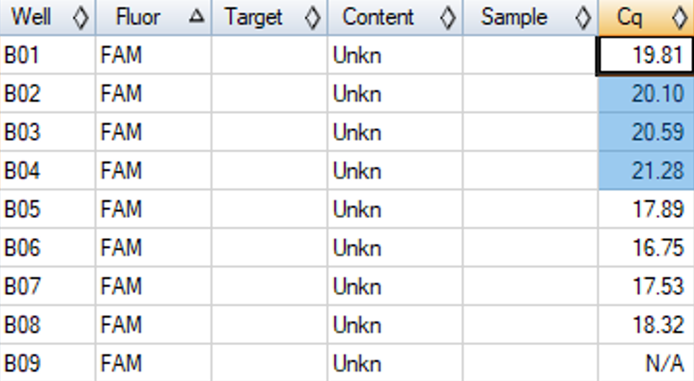
MBv_009 | B1 | 19.81
MBv_010 | B2 | 20.1
MBv_011 | B3 | 20.59
MBv_012 | B4 | 21.28
MBv_013 | B5 | 18.48
MBv_014 | B6 | 17.37
MBv_015 | B7 | 18.18
MBv_016 | B8 | 19
negative control | B9 | N/A

cDNA_Agilent
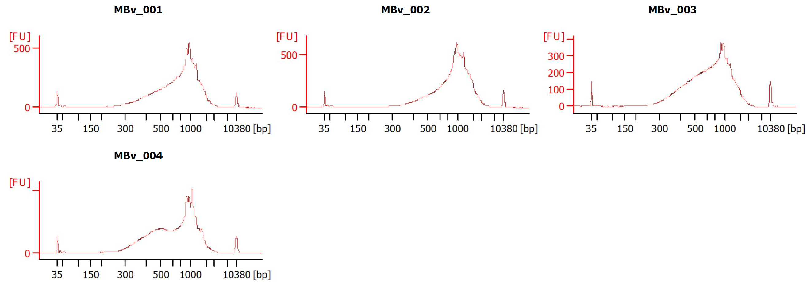
Sample # | Brain | Slide # | Array # | Ct | cDNA Amp Cycle | Agilent [cDNA] pg/ul | Dilution Factor | Final [cDNA] pg/ul | Total cDNA ng yield
HYP_1v_hrd | Hs_Br6197 | V12N28-334 | A1 | 15.91 | 16 | 1950.02 | 9.00 | 17550.18 | 702.01
MBv_001 | Br6529 | VI3F27-338 | A1 | 17.55 | 18 | 6,440.80 | 1.00 | 6440.80 | 257.63
MBv_002 | Br5314 | VI3F27-338 | B1 | 15.78 | 16 | 5,220.12 | 1.00 | 5220.12 | 208.80
MBv_003 | Br5366 | VI3F27-338 | C1 | 15.57 | 16 | 4,837.82 | 2.00 | 9675.64 | 387.03
MBv_004 | Br5902 | VI3F27-338 | D1 | 15.23 | 16 | 5,161.19 | 1.00 | 5161.19 | 206.45
MBv_005 | Br6436 | V13F27-348 | A1 | 15.99 | 16 | 1,671.93 | 3.00 | 5015.79 | 200.63
MBv_006 | Br5993 | V13F27-348 | B1 | 15.22 | 15 | 1,190.36 | 3.00 | 3571.08 | 142.84
MBv_007 | Br5916 | V13F27-348 | C1 | 15.13 | 15 | 1,614.86 | 3.00 | 4844.58 | 193.78
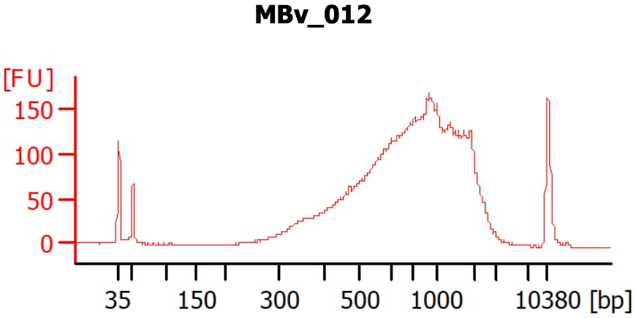
MBv_008 | Br8092 | V13F27-348 | D1 | 14.96 | 15 | 1,794.42 | 4.00 | 7177.68 | 287.11
MBv_009 | Br8221 | V1FY10-020 | A1 | 19.81 | 19 | 3,991.08 | 4.00 | 15964.32 | 638.57
MBv_010 | Br5840 | V1FY10-020 | B1 | 20.1 | 19 | 2,874.27 | 3.00 | 8622.81 | 344.91
MBv_011 | Br6231 | V1FY10-020 | C1 | 20.59 | 19 | 1,831.36 | 3.00 | 5494.08 | 219.76
MBv_012 | Br6366 | V1FY10-020 | D1 | 21.28 | 19 | 2,396.47 | 3.00 | 7189.41 | 287.58
MBv_013 | Br8600 | V1FY10-021 | A1 | 18.48 | 19 | 2,365.79 | 3.00 | 7097.37 | 283.89
MBv_014 | Br5760 | V1FY10-021 | B1 | 17.37 | 18 | 2,940.51 | 4.00 | 11762.04 | 470.48
MBv_015 | Br5639 | V1FY10-021 | C1 | 18.18 | 18 | 1,927.38 | 1.00 | 1927.38 | 77.10
MBv_016 | Br5280 | V1FY10-021 | D1 | 19 | 19 | 1,831.58 | 1.00 | 1831.58 | 73.26

Lib_Agilent
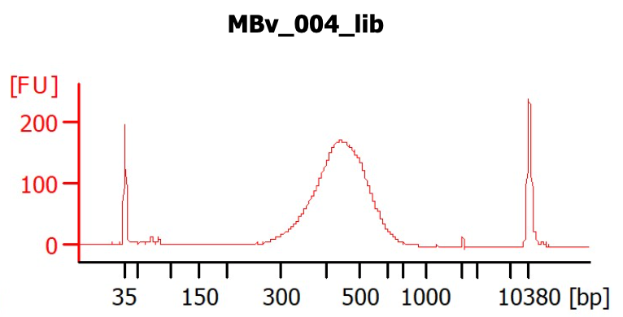
Sample # | Brain # | cDNA Input | SI cycles | Ave frag length | Agilent [pg/ul] | Dilution Factor | Final Conc [pg/ul]
MBv_001 | Br6529 | 64.408 | 16 | 452 | 1,455.25 | 9.00 | 13,097.25
MBv_002 | Br5314 | 52.2012 | 16 | 441 | 2,332.90 | 4.00 | 9,331.60
MBv_003 | Br5366 | 96.7564 | 16 | 447 | 1,225.73 | 9.00 | 11,031.57
MBv_004 | Br5902 | 51.6119 | 16 | 448 | 1,274.25 | 8.00 | 10,194.00
MBv_005 | Br6436 | 50.1579 | 16 | 567 | 3,665.80 | 1.00 | 3,665.80
MBv_006 | Br5993 | 35.7108 | 16 | 556 | 1,532.80 | 1.00 | 1,532.80
MBv_007 | Br5916 | 48.4458 | 16 | 550 | 2,221.34 | 1.00 | 2,221.34
MBv_008 | Br8092 | 71.7768 | 16 | 554 | 1,413.75 | 2.00 | 2,827.50
MBv_009 | Br8093 | 159.6432 | 15 | 578 | 5,471.65 | 2.00 | 10,943.30
MBv_010 | Br8094 | 86.2281 | 19 | 413 | 21,905.10 | 10.00 | 219,051.00
MBv_011 | Br8095 | 54.9408 | 19 | 429 | 17,920.60 | 7.00 | 125,444.20
MBv_012 | Br8096 | 71.8941 | 19 | 458 | 16,297.90 | 7.00 | 114,085.30
MBv_013 | Br8097 | 70.9737 | 19 | 488 | 12,687.30 | 13.00 | 164,934.90
MBv_014 | Br8098 | 117.6204 | 15 | 415 | 1,146.96 | 1.00 | 1,146.96
MBv_015 | Br8099 | 19.2738 | 18 | 367 | 6,480.91 | 1.00 | 6,480.91
MBv_016 | Br8100 | 18.3158 | 18 | 487 | 3,350.99 | 2.00 | 6,701.98

