cDNA Agilent
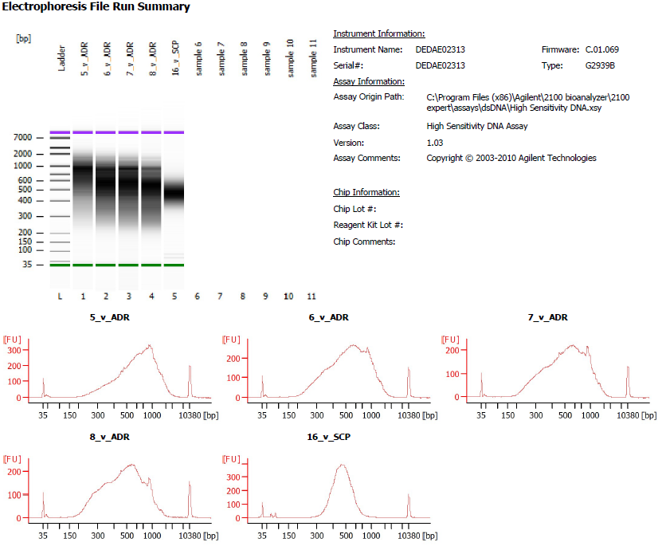

Sample # | Tissue | Brain | Slide # | Array # | Ct | cDNA Amp Cycle | [cDNA] pg/ul | Dilution (1:2) | Total cDNA ng
5v_ADR | HPC | Br8195 | V11L05-334 | A1 | 17.15 | 16 | 4014.81 | 1.00 | 160.5924
6v_ADR | HPC | Br1412 | V11L05-334 | B1 | 16.52 | 16 | 6371.81 | 2.00 | 509.7448
7v_ADR | HPC | Br8667 | V11L05-334 | C1 | 17.01 | 16 | 6108.33 | 3.00 | 732.9996
8v_ADR | HPC | Br5242 | V11L05-334 | D1 | 17.26 | 16 | 5412.14 | 4.00 | 865.9424

Lib Agilent
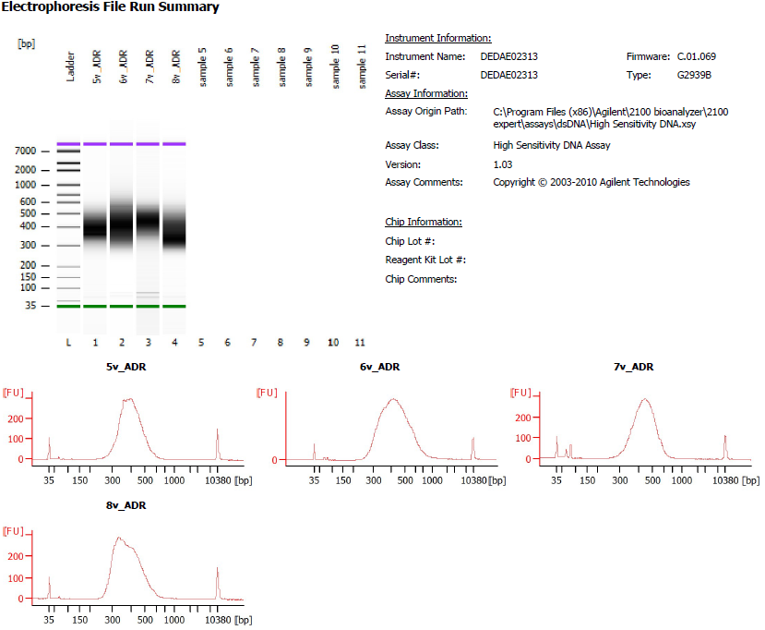

Sample # | Tissue | Brain | Slide # | Array # | index_name | index(i7) | index2_workflow_a(i5) | index2_workflow_b(i5) | SI PCR Cycle | [Agilent] pg/ul | Dilution (1:0) | Final Library pg/ul
5v_ADR | HPC | Br8195 | V11L05-334 | A1 | SI-TT-B6 | AATGCCATGA | TACGTAATGC | GCATTACGTA | 16 | 4159.18 | 10.00 | 41,591.80
6v_ADR | HPC | Br1412 | V11L05-334 | B1 | SI-TT-C6 | ACGACTACCA | ACGACCCTAA | TTAGGGTCGT | 16 | 7825.76 | 10.00 | 78,257.60
7v_ADR | HPC | Br8667 | V11L05-334 | C1 | SI-TT-D6 | CCCAGCTTCT | GACACCAAAC | GTTTGGTGTC | 14 | 4194.97 | 2.00 | 8,389.94
8v_ADR | HPC | Br5242 | V11L05-334 | D1 | SI-TT-E6 | TTGAGAGTCA | AACCTGGTAG | CTACCAGGTT | 14 | 4391.83 | 10.00 | 43,918.30

