cDNA Agilent
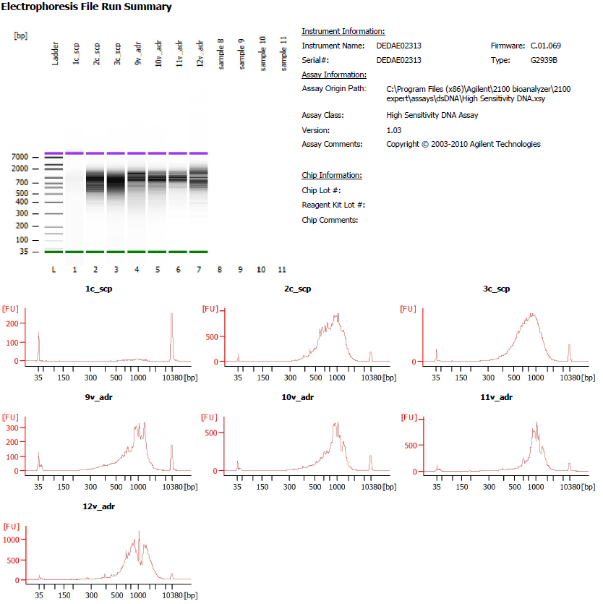

Sample # | Tissue | Brain | Slide # | Array # | Ct | cDNA Amp Cycle | [cDNA] pg/ul | Dilution factor | Total cDNA ng
9v_ADR | HPC | Br6129 | V11D01-387 | A1 | 17.32 | 17 | 2590.32 | N/A | 103.6128
10v_ADR | HPC | Br6299 | V11D01-387 | B1 | 18.04 | 18 | 3601.94 | N/A | 144.0776
11v_ADR | HPC | Br8851 | V11D01-387 | C1 | 18.29 | 18 | 4897.03 | N/A | 195.8812
12v_ADR | HPC | Br5699 | V11D01-387 | D1 | 17.06 | 17 | 8756.48 | N/A | 350.2592

Lib Agilent
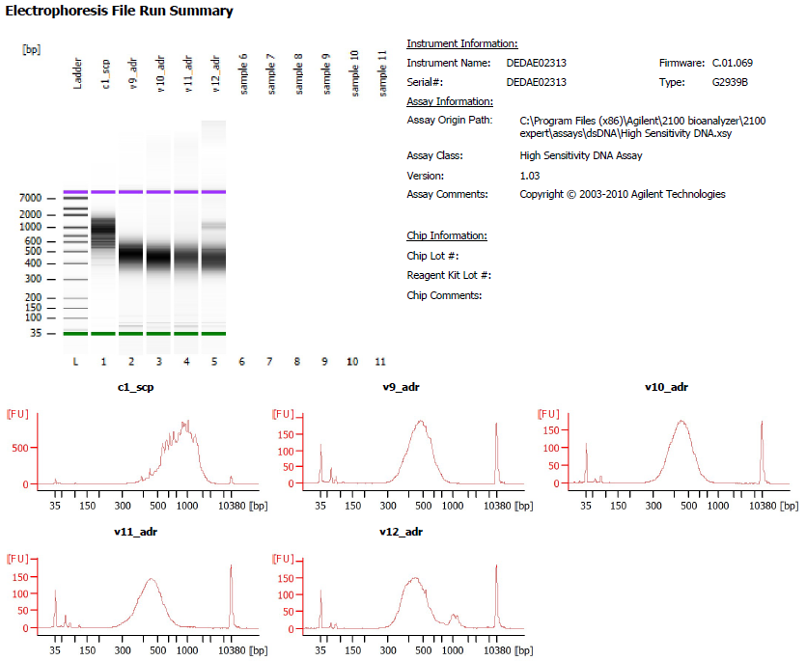

Sample # | Tissue | Brain | Slide # | Array # | index_name | index(i7) | index2_workflow_a(i5) | index2_workflow_b(i5) | SI PCR Cycle | [Agilent] pg/ul | Dilution factor | Final Library pg/ul
9v_ADR | HPC | Br6129 | V11D01-387 | A1 | SI-TT-D11 | CGAATATTCG | CTGGAAGCAA | TTGCTTCCAG | 17 | 1680.59 | 4.00 | 6,722.36
10v_ADR | HPC | Br6299 | V11D01-387 | B1 | SI-TT-E11 | TCCGGGACAA | GTGAATGCCA | TGGCATTCAC | 17 | 1592 | 6.00 | 9,552.00
11v_ADR | HPC | Br8851 | V11D01-387 | C1 | SI-TT-F11 | TTCACACCTT | TAGTGTACAC | GTGTACACTA | 17 | 1289.27 | 6.00 | 7,735.62
12v_ADR | HPC | Br5699 | V11D01-387 | D1 | SI-TT-G11 | GATAACCTGC | CATTAGAAAC | GTTTCTAATG | 17 | 1469.98 | 10.00 | 14,699.80

