cDNA Agilent
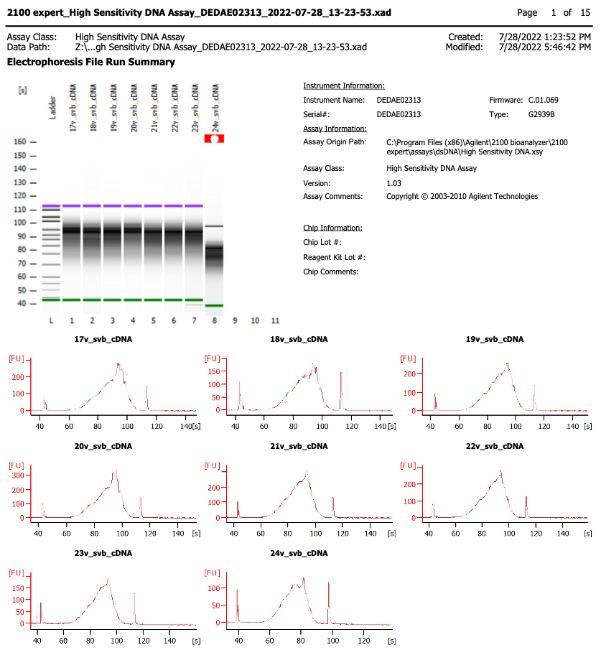
Sample # | Tissue | Brain | Slide # | Array # | Ct | cDNA Amp Cycle | [cDNA] pg/ul | Dilution (1 in N) | Total cDNA ng
17v_svb | NAc | Br6423 | V11U23-403 | A1 | 17.82 | 18 | 3332.02 | 1.00 | 133.28
18v_svb | NAc | Br6423 | V11U23-403 | B1 | 18.01 | 18 | 2505.3 | 1.00 | 100.21
19v_svb | NAc | Br6423 | V11U23-403 | C1 | 17.57 | 18 | 3574.75 | 1.00 | 142.99
20v_svb | NAc | Br6423 | V11U23-403 | D1 | 17.27 | 18 | 4025.89 | 1.00 | 161.04
21v_svb | NAc | Br6522 | V11U23-405 | A1 | 16.28 | 17 | 4379 | 1.00 | 175.16
22v_svb | NAc | Br6522 | V11U23-405 | B1 | 16.30 | 17 | 4000.63 | 1.00 | 160.03
23v_svb | NAc | Br6522 | V11U23-405 | C1 | 16.64 | 17 | 2836.86 | 1.00 | 113.47
24v_svb | NAc | Br6522 | V11U23-405 | D1 | 16.95 | 17 | 1530.5 | 1.00 | 61.22

Note: sample 24v_svb upper marker was not recognized, lower marker was set incorrectly. Re-ran sample and sample was OK

Lib Agilent
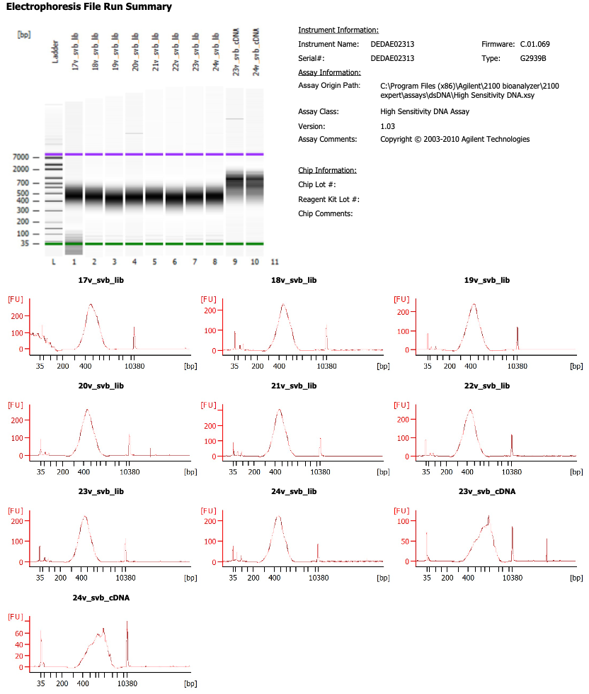

Sample # | Dilution (1 in N)
17v_svb | 2.00
18v_svb | 2.00
19v_svb | 3.00
20v_svb | 3.00
21v_svb | 3.00
22v_svb | 3.00
23v_svb | 3.00
24v_svb | 2.00

