cDNA Agilent
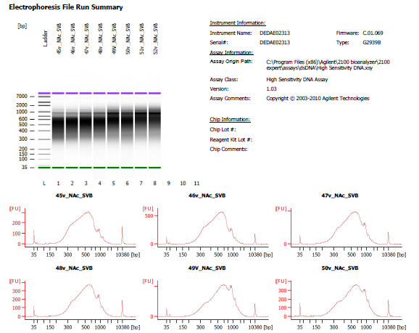

Sample # | Tissue | Brain | Slide # | Array # | Ct | cDNA Amp Cycle | Agilent [cDNA] pg/ul | Dilution Factor | Final [cDNA] pg/ul | Total cDNA ng yield
45v_Nac_SVB | Nac | Hs_Br6423 | V13F06-313 | A1 | 15.78 | 16 | 6,103.22 | 2.00 | 12206.44 | 488.26
46v_Nac_SVB | Nac | Hs_Br6423 | V13F06-313 | B1 | 15.87 | 16 | 9,978.37 | 1.00 | 9978.37 | 399.13
47v_Nac_SVB | Nac | Hs_Br8325 | V13F06-313 | C1 | 15.40 | 16 | 8,715.31 | 2.00 | 17430.62 | 697.22
48v_Nac_SVB | Nac | Hs_Br6423 | V13F06-313 | D1 | 15.56 | 16 | 5,743.45 | 2.00 | 11486.90 | 459.48

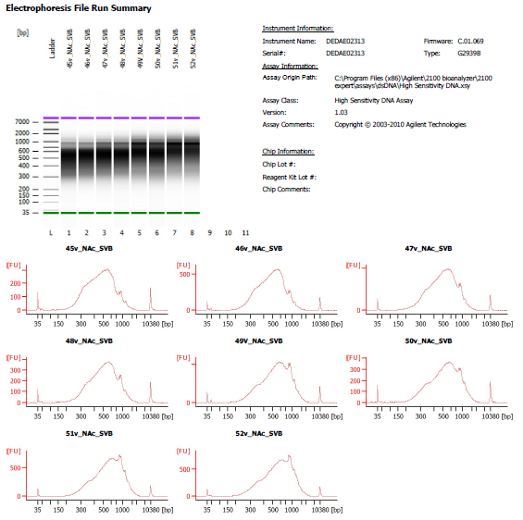
Sample # | Tissue | Brain | Slide # | Array # | Ct | cDNA Amp Cycle | Agilent [cDNA] pg/ul | Dilution Factor | Final [cDNA] pg/ul | Total cDNA ng yield
49v_Nac_SVB | Nac | Hs_Br8325 | V13M06-376 | A1 | 16.44 | 16 | 8,048.27 | 3.00 | 24144.81 | 965.79
50v_Nac_SVB | Nac | Hs_Br8325 | V13M06-376 | B1 | 16.22 | 16 | 6,083.29 | 5.00 | 30416.45 | 1216.66
51v_Nac_SVB | Nac | Hs_Br8325 | V13M06-376 | C1 | 16.34 | 16 | 9,759.74 | 3.00 | 29279.22 | 1171.17
52v_Nac_SVB | Nac | Hs_Br8325 | V13M06-376 | D1 | 15.73 | 16 | 10,968.77 | 2.00 | 21937.54 | 877.50

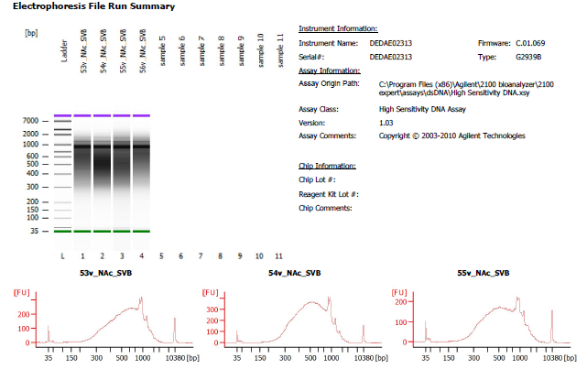
Sample # | Tissue | Brain | Slide # | Array # | Ct | cDNA Amp Cycle | Agilent [cDNA] pg/ul | Dilution Factor | Final [cDNA] pg/ul | Total cDNA ng yield
54v_NAc_SVB | Nac | Hs_Br6432 | V11D01-384 | B1 | 16.14 | 16 | 8,929.73 | 1.00 | 8929.73 | 357.19

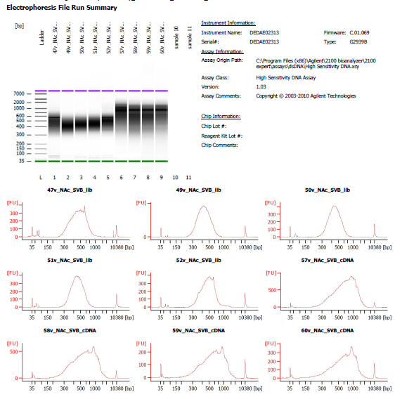
Sample # | Tissue | Brain | Slide # | Array # | Ct | cDNA Amp Cycle | Agilent [cDNA] pg/ul | Dilution Factor | Final [cDNA] pg/ul | Total cDNA ng yield
57v_NAc_SVB | NAc | Hs_Br6471 | V13M06-377-A1 | A1 | 15.59 | 16 | 15,435.01 | 1.00 | 15435.01 | 617.40
58v_NAc_SVB | NAc | Hs_Br6471 | V13M06-377-A1 | B1 | 15.49 | 16 | 12,116.83 | 1.00 | 12116.83 | 484.67
59v_NAc_SVB | NAc | Hs_Br6471 | V13M06-377-A1 | C1 | 15.81 | 16 | 4,620.09 | 1.00 | 4620.09 | 184.80
60v_NAc_SVB | NAc | Hs_Br6471 | V13M06-377-A1 | D1 | 14.01 | 16 | 4,961.15 | 1.00 | 4961.15 | 198.45

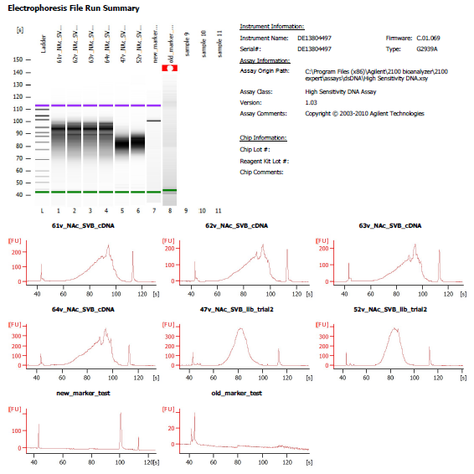
Sample # | Tissue | Brain | Slide # | Array # | Ct | cDNA Amp Cycle | Agilent [cDNA] pg/ul | Dilution Factor | Final [cDNA] pg/ul | Total cDNA ng yield
61v_NAc_SVB | NAc | Hs_Br2743 | V13M06-376 | A1 | 14.98 | 15 | 2,153.83 | 1.00 | 2153.83 | 86.15
62v_NAc_SVB | NAc | Hs_Br2743 | V13M06-376 | B1 | 15.01 | 15 | 2,036.06 | 1.00 | 2036.06 | 81.44
63v_NAc_SVB | NAc | Hs_Br2743 | V13M06-376 | C1 | 15.19 | 15 | 1,821.77 | 1.00 | 1821.77 | 72.87
64v_NAc_SVB | NAc | Hs_Br2743 | V13M06-376 | D1 | 15.98 | 16 | 3,197.67 | 1.00 | 3197.67 | 127.91

Lib Agilent
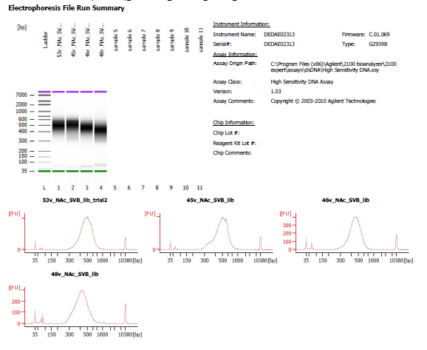
45v_Nac_SVB | 1 in 2 dilution
46v_Nac_SVB | 1 in 2 dilution
47_Nsc_SVB | 1 in 4 dilution
48v_Nac_SVB | No dilution

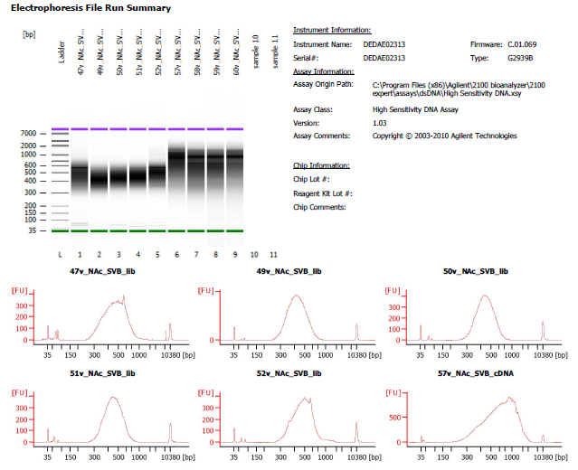
49v_Nac_SVB | 1 in 6 dilution
50v_Nac_SVB | 1 in 3 dilution
51v_Nac_SVB | 1 in 2 dilution
52v_Nac_SVB | 1 in 5 dilution

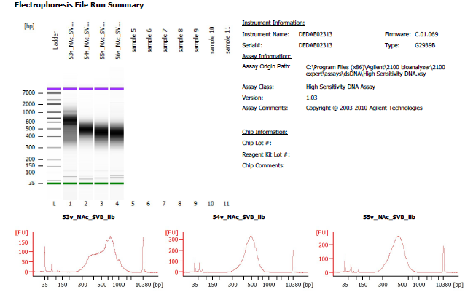
54v_NAc_SVB | No dilution

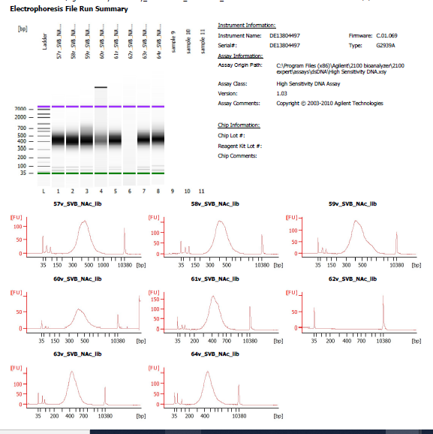
57v_NAc_SVB | 1 in 3 dilution
58v_NAc_SVB | 1 in 3 dilution
59v_NAc_SVB | 1 in 5 dilution
60v_NAc_SVB | 1 in 7 dilution

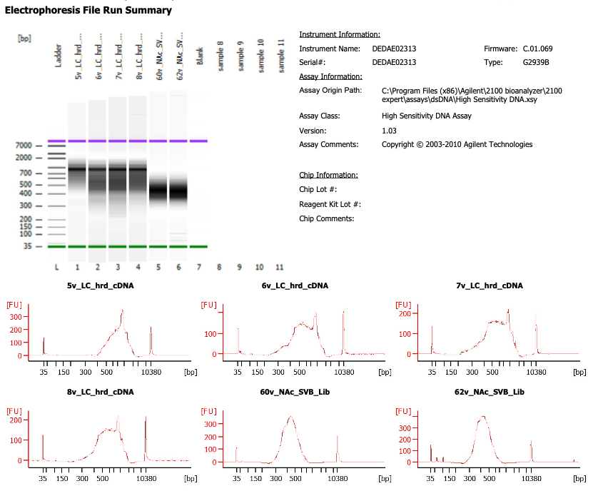

61v_NAc_SVB | 1 in 6 dilution
62v_NAc_SVB | 1 in 5 dilution
63v_NAc_SVB | 1 in 4 dilution
64v_NAc_SVB | 1 in 5 dilution

