qPCR
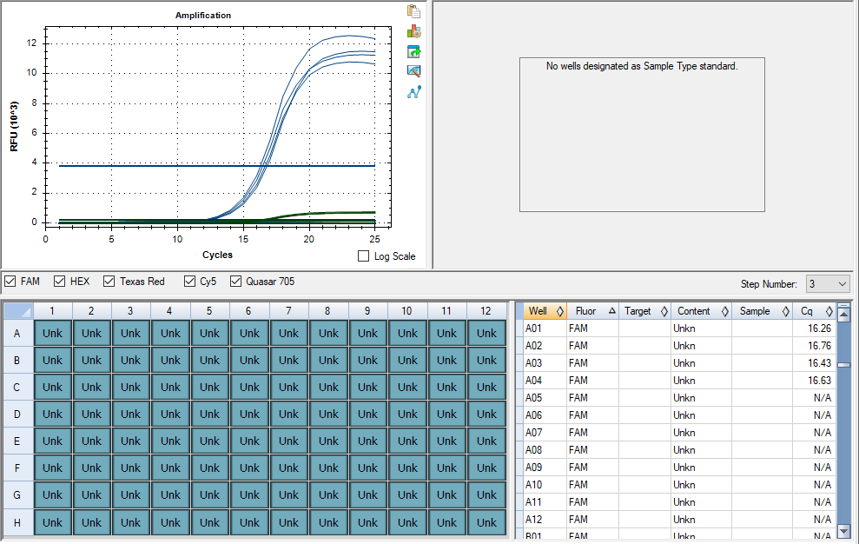
Pos | Name | Ct FAM | Note
A1 | 37v_NAc_SVB | 16.34 | ~33% of the peak fluorescence value
B1 | 38v_NAc_SVB | 16.70 | ~33% of the peak fluorescence value
C1 | 39v_NAc_SVB | 16.37 | ~33% of the peak fluorescence value
D1 | 40v_NAc_SVB | 16.5 | ~33% of the peak fluorescence value
E1 | negative control | N/A

cDNA Agilent
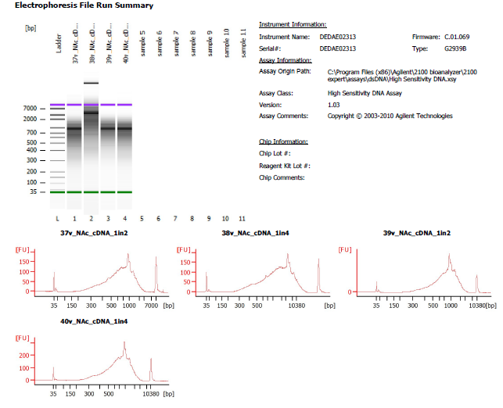
Sample # | Tissue | Brain | Slide # | Array # | Ct | cDNA Amp Cycle | Agilent [cDNA] pg/ul | Dilution Factor | Final [cDNA] pg/ul | Total cDNA ng yield
HYP_1v_hrd | HYP | Hs_Br6197 | V12N28-334 | A1 | 15.91 | 16 | 1950.02 | 9.00 | 17550.18 | 702.01
37v_NAc_SVB | NAc | Hs_Br8492 | V12D07-078 | A1 | 16.34 | 16 | 2,139.00 | 2.00 | 4278.00 | 171.12
38v_NAc_SVB | NAc | Hs_Br8492 | V12D07-078 | B1 | 16.70 | 17 | 2,301.12 | 4.00 | 9204.48 | 368.18
39v_NAc_SVB | NAc | Hs_Br8492 | V12D07-078 | C1 | 16.37 | 16 | 2,795.44 | 2.00 | 5590.88 | 223.64
40v_NAc_SVB | NAc | Hs_Br8492 | V12D07-078 | D1 | 16.5 | 17 | 2,667.54 | 4.00 | 10670.16 | 426.81

Lib Agilent
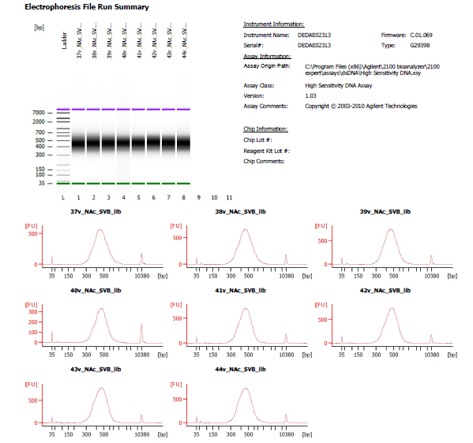
Sample # | Dilution Factor
37v_NAc_SVB | 6.00
38v_NAc_SVB | 4.00
39v_NAc_SVB | 5.00
40v_NAc_SVB | 10.00

