qPCR
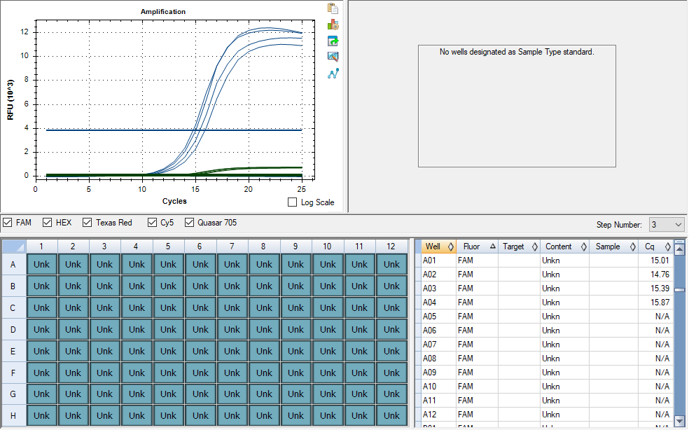
Pos | Name | Ct FAM | Note
A1 | 41v_NAc_SVB | 15.03 | ~33% of the peak fluorescence value
B1 | 42v_NAc_SVB | 14.79 | ~33% of the peak fluorescence value
C1 | 43v_NAc_SVB | 15.25 | ~33% of the peak fluorescence value
D1 | 44v_NAc_SVB | 15.7 | ~33% of the peak fluorescence value
E1 | negative control | N/A

cDNA Agilent
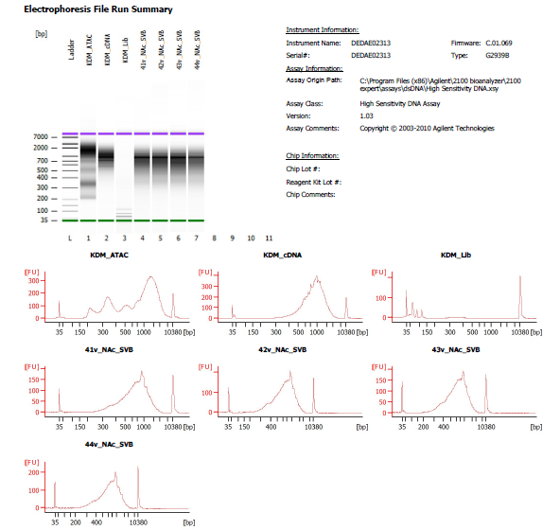
Sample # | Tissue | Brain | Slide # | Array # | Ct | cDNA Amp Cycle | Agilent [cDNA] pg/ul | Dilution Factor | Final [cDNA] pg/ul | Total cDNA ng yield
HYP_1v_hrd | HYP | Hs_Br6197 | V12N28-334 | A1 | 15.91 | 16 | 1950.02 | 9.00 | 17550.18 | 702.01
41v_NAc_SVB | NAc | Hs_Br6522 | V12-D07-333 | A1 | 15.03 | 15 | 1717.14 | 5.00 | 8585.70 | 343.43
42v_NAc_SVB | NAc | Hs_Br6522 | V12-D07-333 | B1 | 14.79 | 15 | 1964.67 | 6.00 | 11788.02 | 471.52
43v_NAc_SVB | NAc | Hs_Br6522 | V12-D07-333 | C1 | 15.25 | 15 | 1785.35 | 5.00 | 8926.75 | 357.07
44v_NAc_SVB | NAc | Hs_Br6522 | V12-D07-333 | D1 | 15.7 | 16 | 1470.21 | 8.00 | 11761.68 | 470.47

Lib Agilent
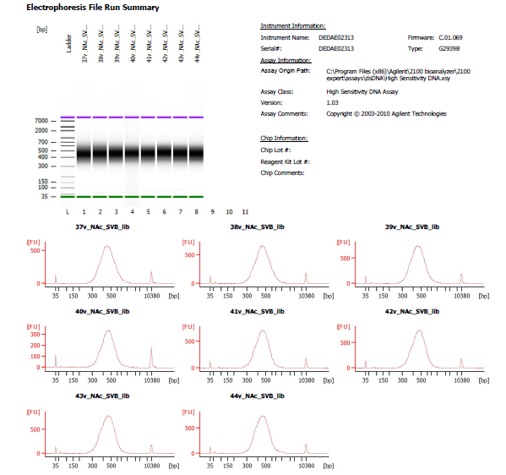
Sample # | Dilution Factor
41v_NAc_SVB | 4.00
42v_NAc_SVB | 3.00
43v_NAc_SVB | 3.00
44v_NAc_SVB | 4.00

