qPCR
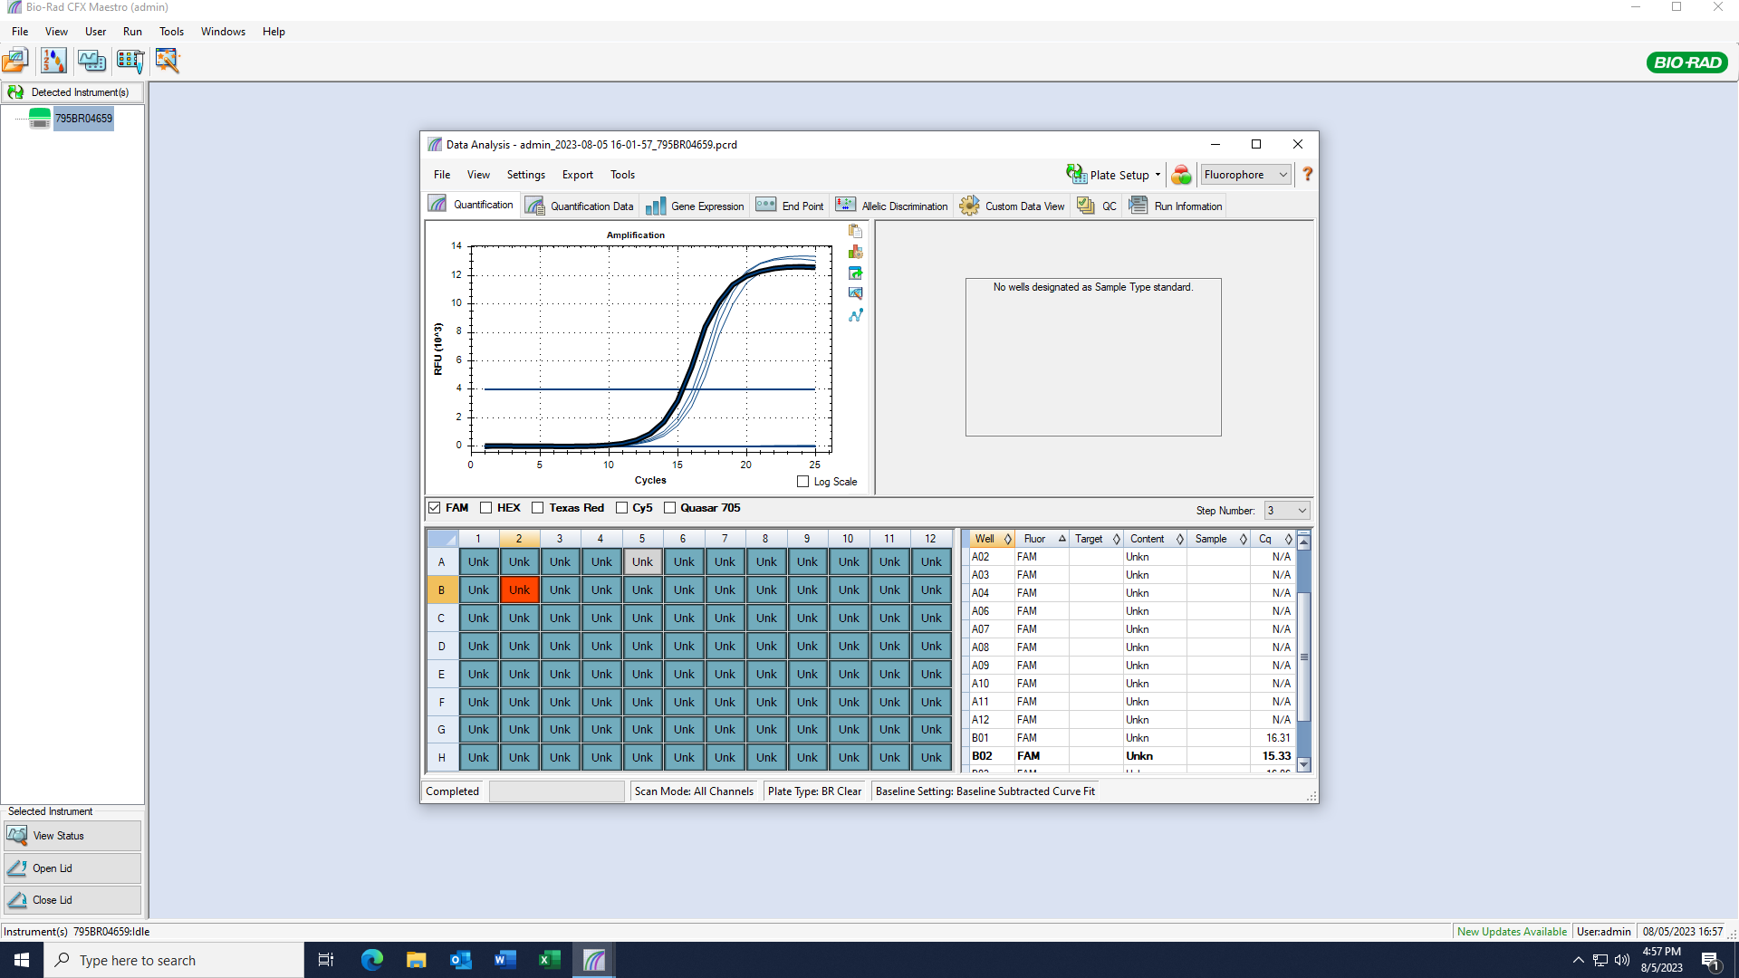
Pos | Name | Ct FAM | Note
A1 | 73v_NAc_SVB | 15.64 | ~33% of the peak fluorescence value
B1 | 74v_NAc_SVB | 15.30 | ~33% of the peak fluorescence value
C1 | 75v_NAc_SVB | 16.29 | ~33% of the peak fluorescence value
D1 | 76v_NAc_SVB | 15.81 | ~33% of the peak fluorescence value
E1 | negative control | N/A
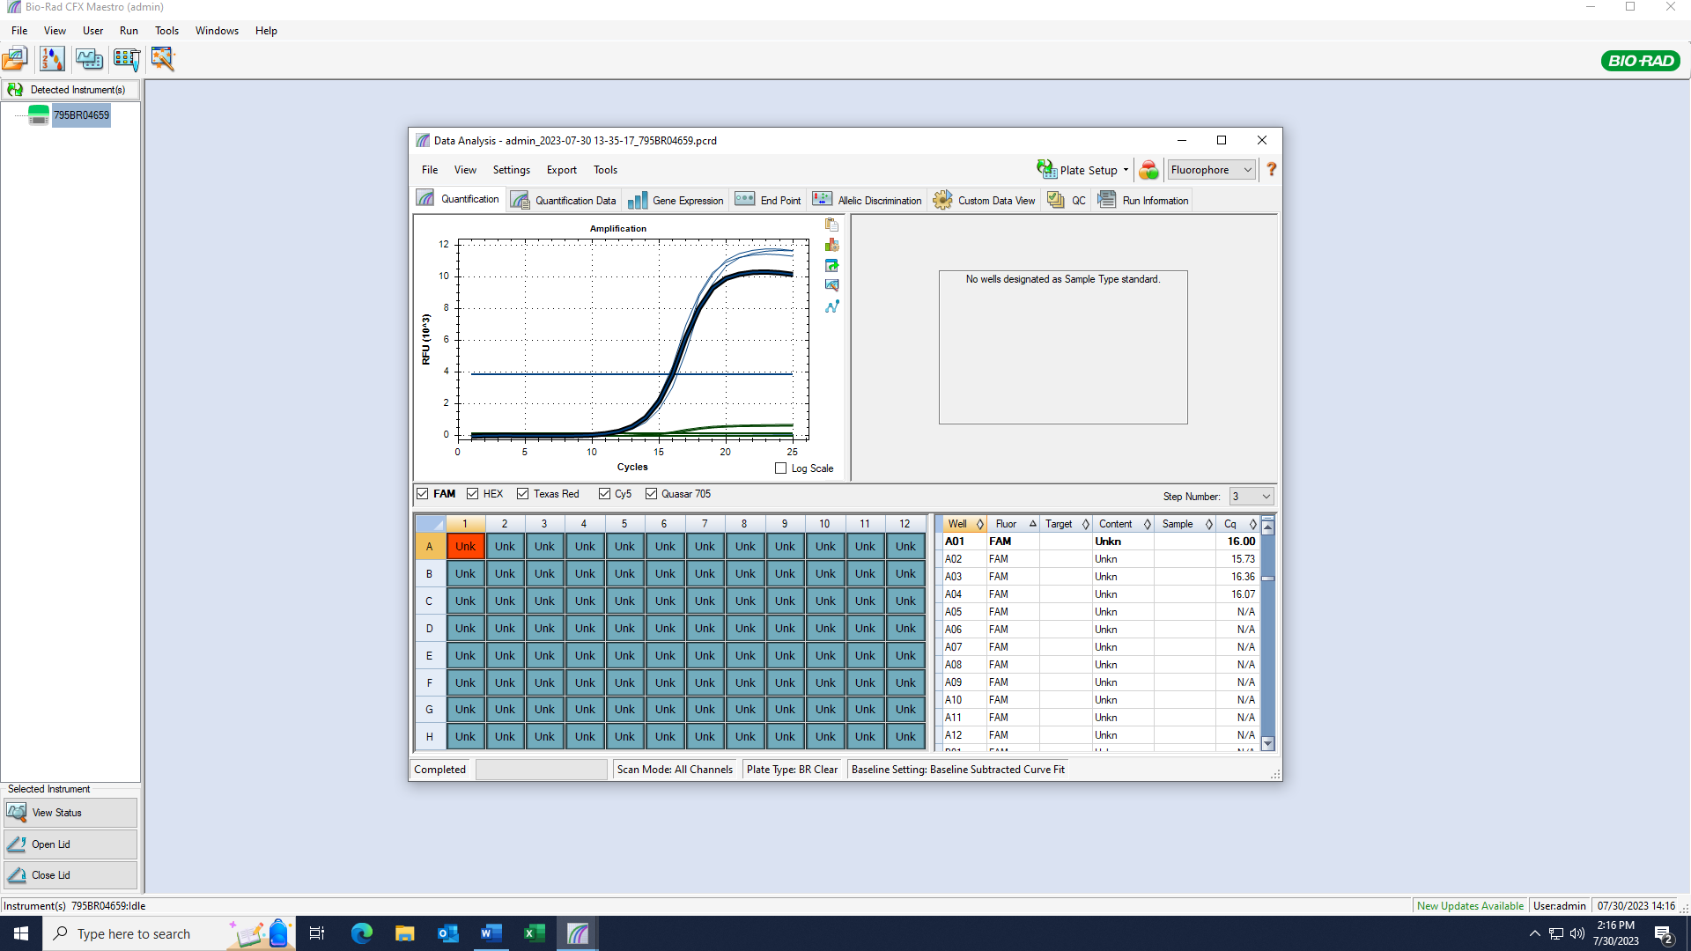

Pos | Name | Ct FAM | Note
A1 | 77v_HYP_SVB | 16.49 | ~33% of the peak fluorescence value
B1 | 78v_NAc_SVB | 15.33 | ~33% of the peak fluorescence value
C1 | 79v_NAc_SVB | 16.22 | ~33% of the peak fluorescence value
D1 | 80v_HYP_SVB | 16.56 | ~33% of the peak fluorescence value
E1 | negative control | N/A

cDNA Agilent
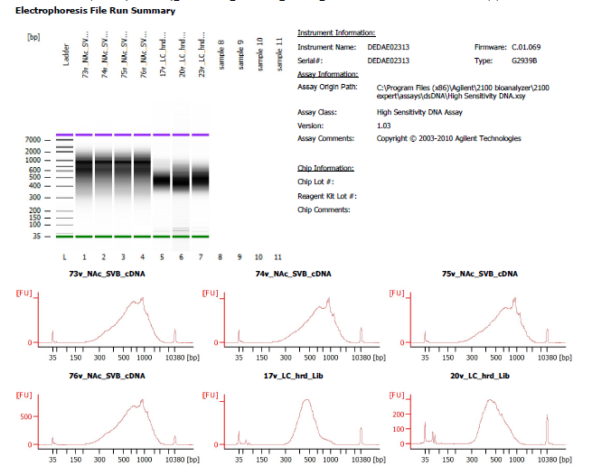
Sample # | Tissue | Brain | Slide # | Array # | Ct | cDNA Amp Cycle | Agilent [cDNA] pg/ul | Dilution Factor | Final [cDNA] pg/ul | Total cDNA ng yield
HYP_1v_hrd | HYP | Hs_Br6197 | V12N28-334 | A1 | 15.91 | 16 | 1950.02 | 9.00 | 17550.18 | 702.01
73v_NAc_SVB | NAc | Hs_Br3942 | V13M06-379 | A1 | 15.64 | 16 | 7,981.62 | 2.00 | 15963.24 | 638.53
74v_NAc_SVB | NAc | Hs_Br3942 | V13M06-379 | B1 | 15.30 | 15 | 6,592.68 | 1.00 | 6592.68 | 263.71
75v_NAc_SVB | NAc | Hs_Br3942 | V13M06-379 | C1 | 16.29 | 16 | 7,232.42 | 1.00 | 7232.42 | 289.30
76v_NAc_SVB | NAc | Hs_Br3942 | V13M06-379 | D1 | 15.81 | 16 | 13,327.41 | 1.00 | 13327.41 | 533.10

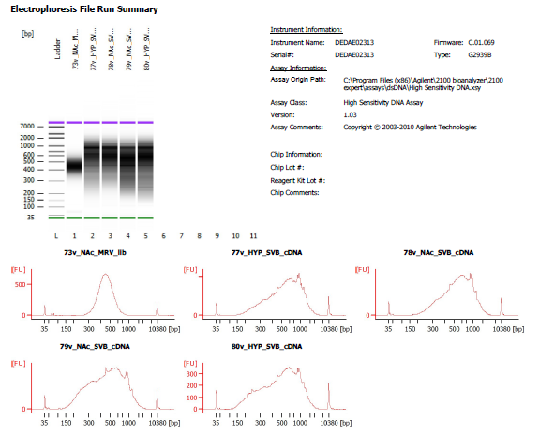
Sample # | Tissue | Brain | Slide # | Array # | Ct | cDNA Amp Cycle | Agilent [cDNA] pg/ul | Dilution Factor | Final [cDNA] pg/ul | Total cDNA ng yield
HYP_1v_hrd | HYP | Hs_Br6197 | V12N28-334 | A1 | 15.91 | 16 | 1950.02 | 9.00 | 17550.18 | 702.01
77v_HYP_SVB | HYP | Hs_Br5459_redo | V13M13-362 | A1 | 16.49 | 17 | 7,086.09 | 2.00 | 14172.18 | 566.89
78v_NAc_SVB | NAc | Hs_Br8667 | V13M13-362 | B1 | 15.33 | 15 | 7,579.84 | 1.00 | 7579.84 | 303.19
79v_NAc_SVB | NAc | Hs_Br8667 | V13M13-362 | C1 | 16.22 | 16 | 9,431.33 | 1.00 | 9431.33 | 377.25
80v_HYP_SVB | HYP | Hs_Br8667 | V13M13-362 | D1 | 16.56 | 17 | 6,432.50 | 2.00 | 12865.00 | 514.60

Lib Agilent
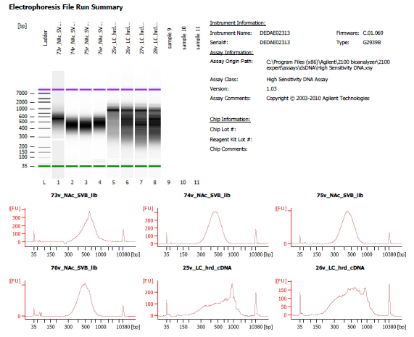
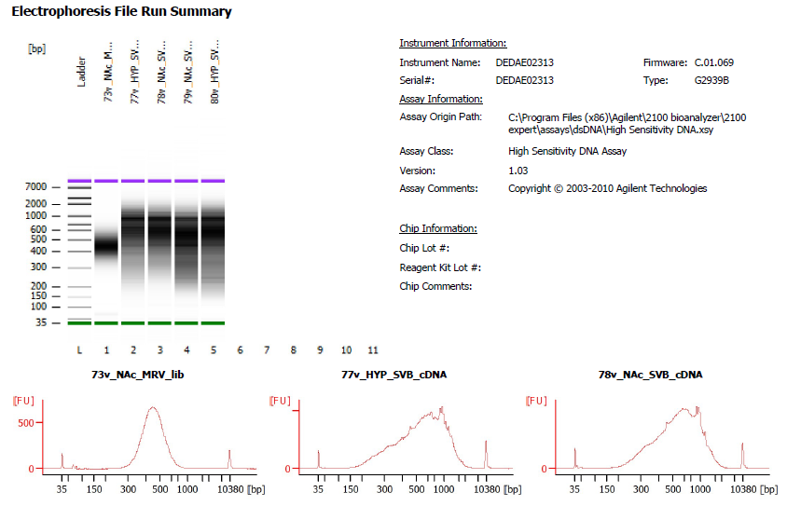
73v_NAc_SVB | 1 in 2 dilution
74v_NAc_SVB | 1 in 3 dilution
75v_NAc_SVB | 1 in 2 dilution
76v_NAc_SVB | No dilution

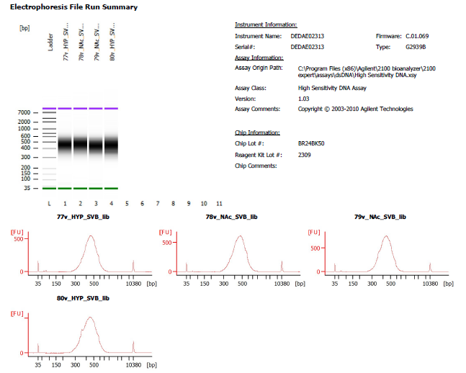
77v_HYP_SVB | 1 in 3 dilution
78v_NAc_SVB | 1 in 4 dilution
79v_NAc_SVB | 1 in 4 dilution
80v_HYP_SVB | 1 in 4 dilution

