cDNA Agilent
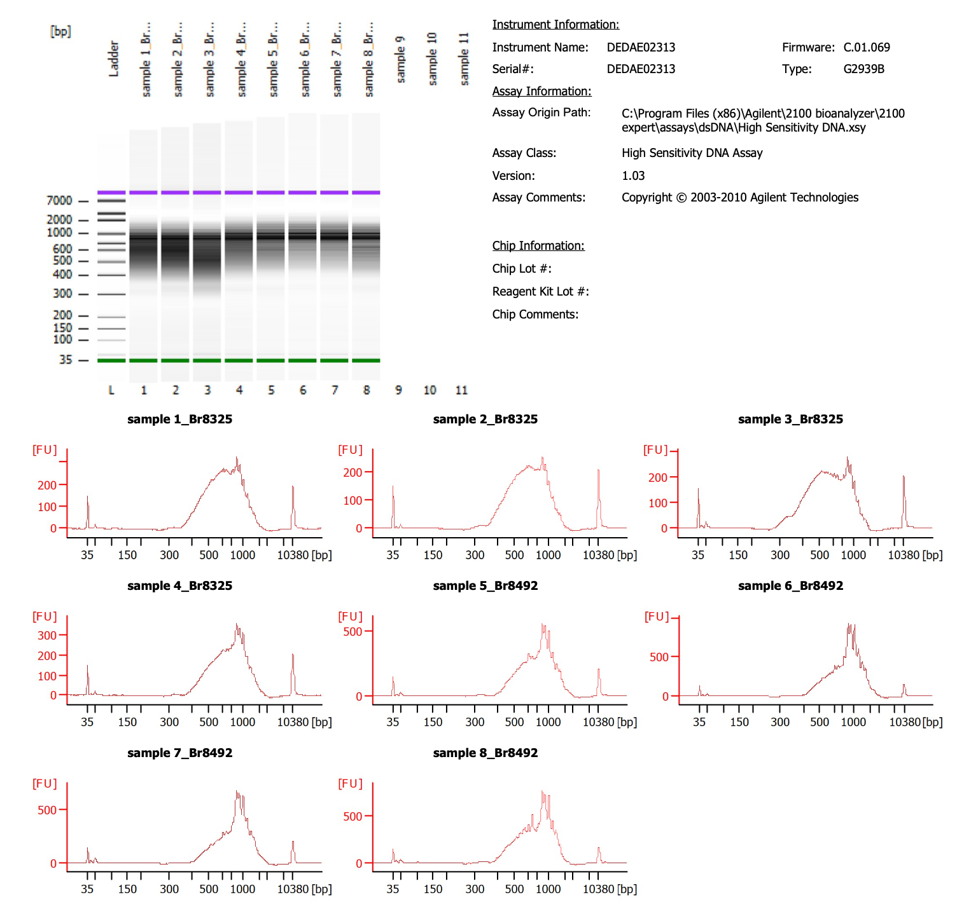

Sample name for BioA | Sample # | Tissue | Brain | Slide # | Array # | Ct | cDNA Amp Cycle | [cDNA] pg/ul | Dilution (1 in N) | Total cDNA ng
sample1_Br8325 | 1v_svb | NAc | Br8325 | V11U08-082 | A1 | 17.09 | 18 | 3341.81 | 3.00 | 401.02
sample2_Br8325 | 2v_svb | NAc | Br8325 | V11U08-082 | B1 | 17.30 | 18 | 2483.68 | 3.00 | 298.04
sample3_Br8325 | 3v_svb | NAc | Br8325 | V11U08-082 | C1 | 17.21 | 18 | 3025.24 | 3.00 | 363.03
sample4_Br8325 | 4v_svb | NAc | Br8325 | V11U08-082 | D1 | 17.28 | 18 | 2523.49 | 2.00 | 201.88
sample5_Br8492 | 5v_svb | NAc | Br8492 | V11U08-083 | A1 | 17.32 | 18 | 3473.32 | 2.00 | 277.87
sample6_Br8492 | 6v_svb | NAc | Br8492 | V11U08-083 | B1 | 17.45 | 18 | 7170.12 | 1.00 | 286.80
sample7_Br8492 | 7v_svb | NAc | Br8492 | V11U08-083 | C1 | 17.48 | 18 | 3556.22 | 1.00 | 142.25
sample8_Br8492 | 8v_svb | NAc | Br8492 | V11U08-083 | D1 | 17.72 | 18 | 5845.01 | 1.00 | 233.80

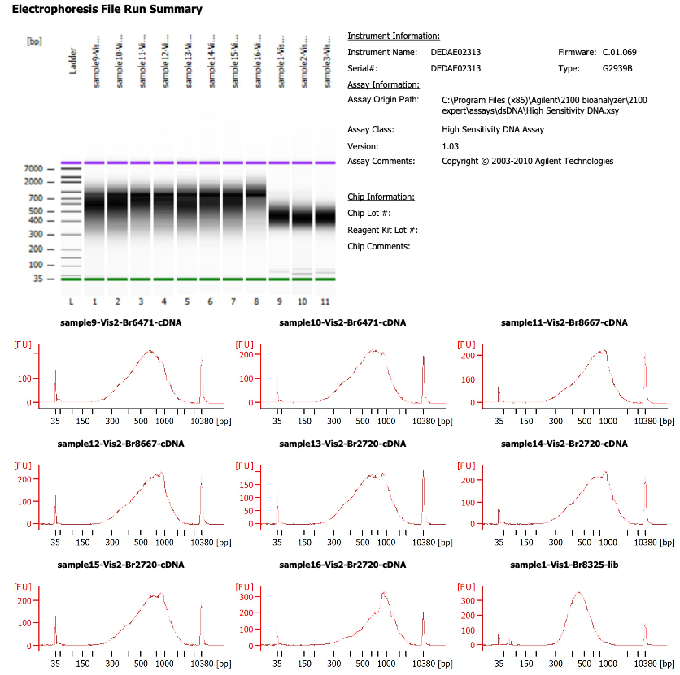
Sample name for BioA | Sample # | Tissue | Brain | Slide # | Array # | Ct | cDNA Amp Cycle | [cDNA] pg/ul | Dilution (1 in N) | Total cDNA ng
sample9-Vis2-Br6471-cDNA | 9v_svb | NAc | Br6471 | V11U23-406 | A1 | 16.00 | 16 | 2786.58 | 2.00 | 222.93
sample10-Vis2-Br6471-cDNA | 10v_svb | NAc | Br6471 | V11U23-406 | B1 | 16.00 | 16 | 2761.95 | 3.00 | 331.43
sample11-Vis2-Br8667-cDNA | 11v_svb | NAc | Br8667 | V11U23-406 | C1 | 16.00 | 16 | 2112.49 | 5.00 | 422.50
sample12-Vis2-Br8667-cDNA | 12v_svb | NAc | Br8667 | V11U23-406 | D1 | 16.00 | 16 | 2383.38 | 5.00 | 476.68
sample13-Vis2-Br2720-cDNA | 13v_svb | NAc | Br2720 | V11U23-404 | A1 | 18.00 | 18 | 2289.15 | 3.00 | 274.70
sample14-Vis2-Br2720-cDNA | 14v_svb | NAc | Br2720 | V11U23-404 | B1 | 18.00 | 18 | 2321.66 | 3.00 | 278.60
sample15-Vis2-Br2720-cDNA | 15v_svb | NAc | Br2720 | V11U23-404 | C1 | 18.00 | 18 | 2701.04 | 2.00 | 216.08
sample16-Vis2-Br2720-cDNA | 16v_svb | NAc | Br2720 | V11U23-404 | D1 | 18.00 | 18 | 2510.15 | 3.00 | 301.22

Lib Agilent
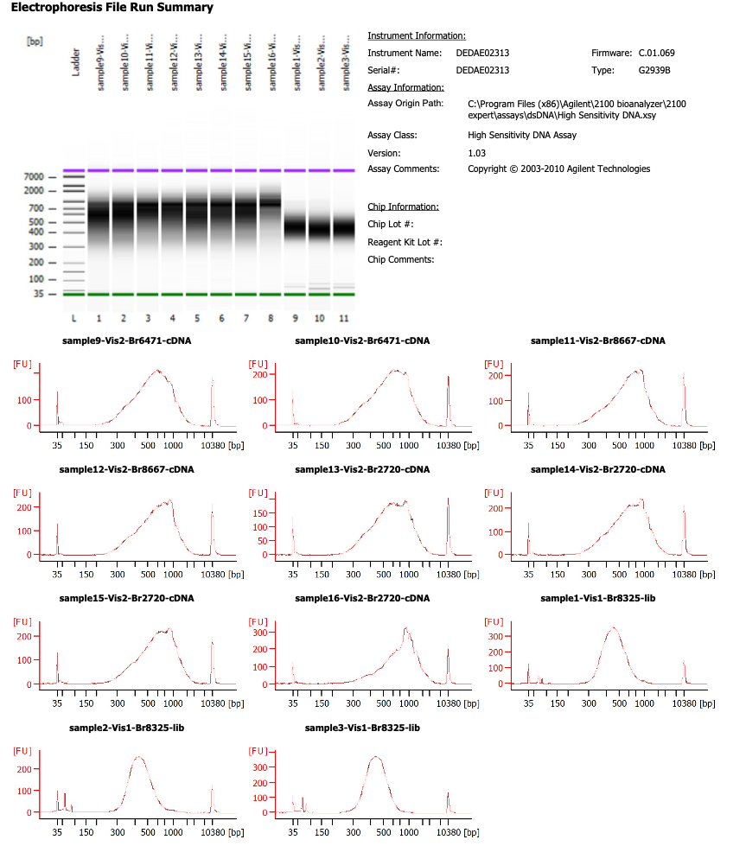

Name on BioA run | Name for Sequencing | Dilution (1 in N)
sample1-Vis1-Br8325-lib | 1v_svb | 2
sample2-Vis1-Br8325-lib | 2v_svb | 2
sample1-Vis1-Br8325-lib | 3v_svb | 2

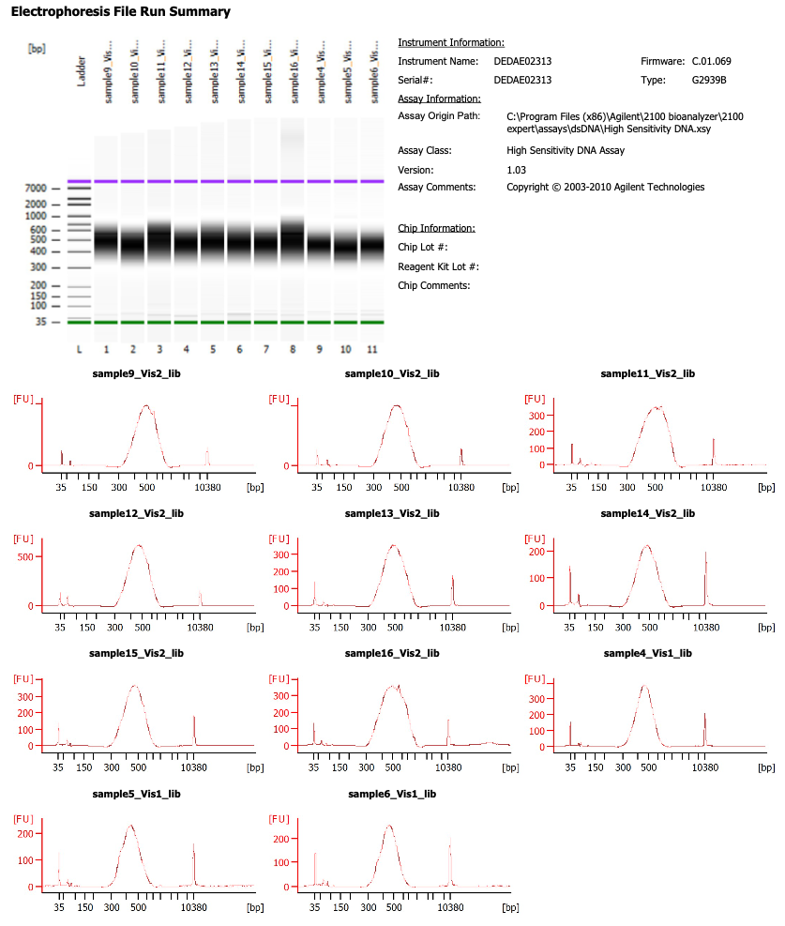

Name on BioA run | Name for Sequencing | Dilution (1 in N)
sample4-Vis1-lib | 4v_svb | 2
sample5-Vis1-lib | 5v_svb | 2
sample6-Vis1-lib | 6v_svb | 2

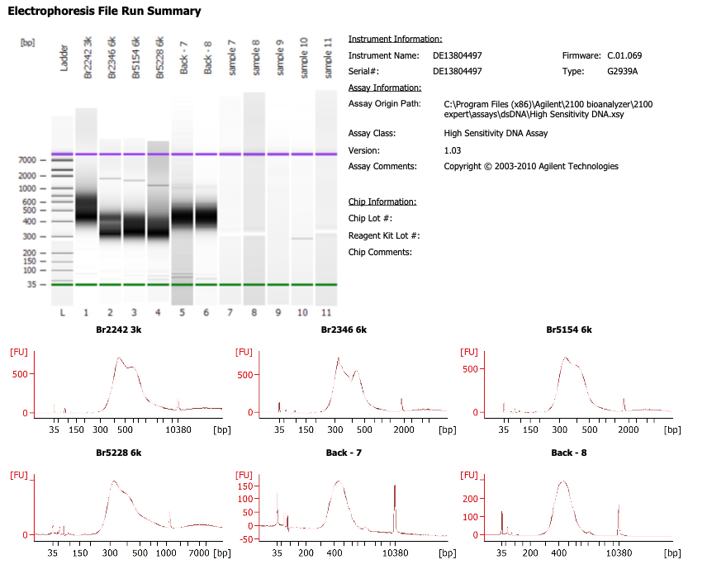

Name on BioA run | Name for Sequencing | Dilution (1 in N)
Back - 7 | 7v_svb | NO DILUTION
Back - 8 | 8v_svb | 2

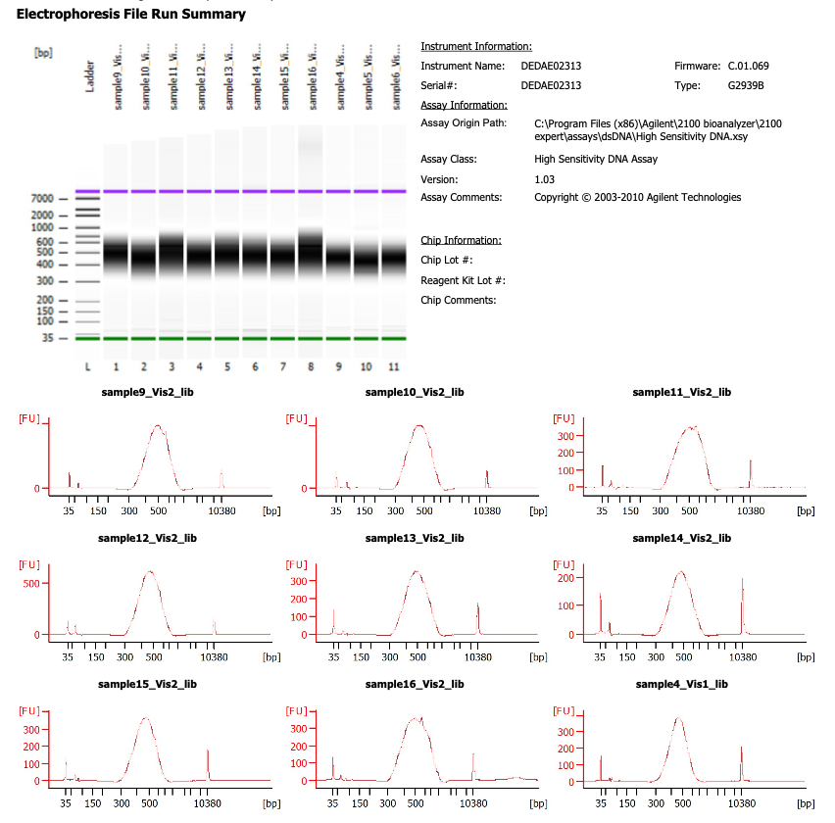

Name on BioA run | Name for Sequencing
sample9-Vis2-lib | 9v_svb
sample10-Vis2-lib | 10v_svb
sample11-Vis2-lib | 11v_svb
sample12-Vis2-lib | 12v_svb
sample13-Vis2-lib | 13v_svb
sample14-Vis2-lib | 14v_svb
sample15-Vis2-lib | 15v_svb
sample16-Vis2-lib | 16v_svb

NO DILUTIONS

