Summary
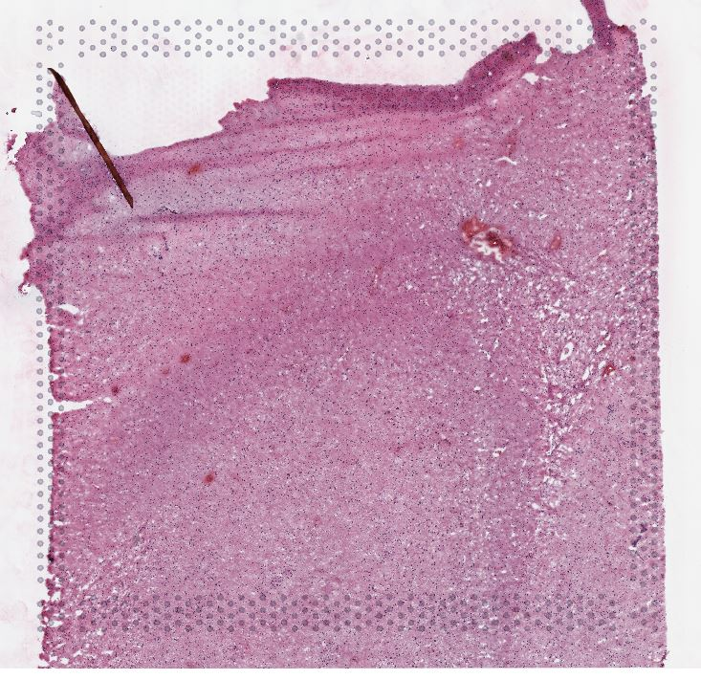
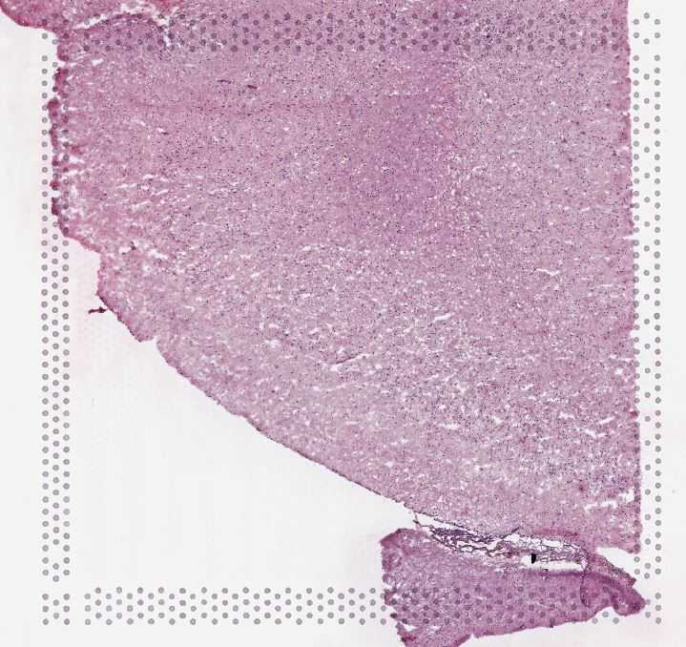
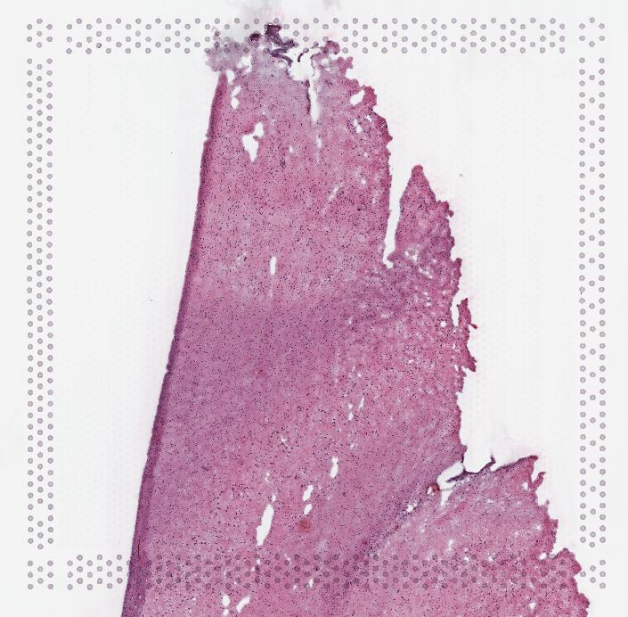
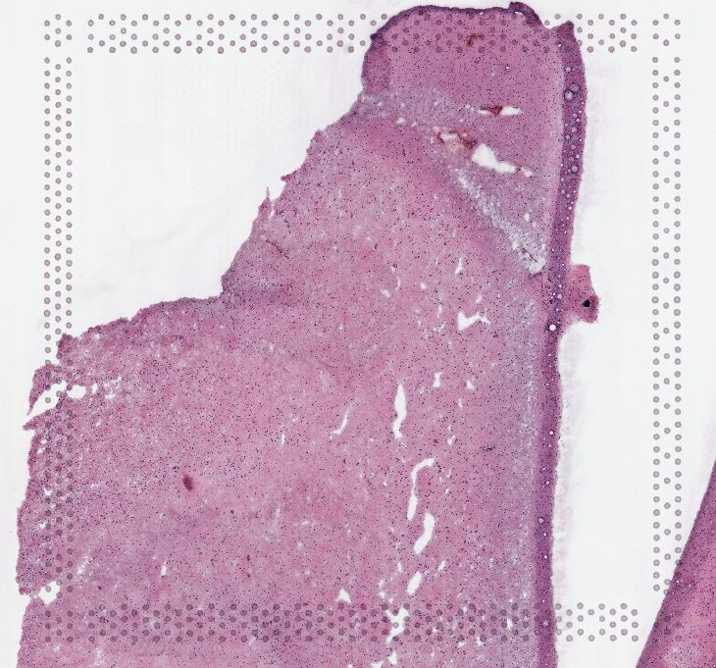
Date imaged | Sample # | Tissue | Brain | Slide # | Array # | Ct | cDNA Amp Cycle | [cDNA] pg/ul | Dilution (1:5) | Total cDNA ng | cDNA Input | SI cycles | Ave frag length | Agilent [pg/ul] | Dilution (1:5) | Agilent [pg/ul] | index_name | index(i7) | index2_workflow_a(i5) | index2_workflow_b(i5) | % Coverage Array | Est Read Pairs | Note
2021-10-06 | 1v_h | HPC | Br6423-O | V10B01-085 | A1 | 15.76 | 16 | 15217.05 | 1.00 | 608.68 | 152.17 | 15 | 411 | 5398.6 | 5.00 | 26,993.00 | SI-TT-F12 | GAGACGCACG | CTATGAACAT | ATGTTCATAG | 80 | 240000000 | A1=undiluted | cDNA was measured undiluted
2021-10-06 | 2v_h | HPC | Br6423-O | V10B01-085 | B1 | 15.66 | 16 | 11607.8 | 1.00 | 464.31 | 116.08 | 16 | 443 | 1238.09 | 5.00 | 6,190.45 | SI-TT-G12 | CTTGCATAAA | ATCAGGGCTT | AAGCCCTGAT | 70 | 210000000 | B1=1:5 dilution | cDNA values for B1,C1 and D1 multiplied by 5 to avoid confusion
2021-10-06 | 3v_h | HPC | Br6423-O | V10B01-085 | C1 | 15.51 | 16 | 21102.55 | 1.00 | 844.10 | 211.03 | 15 | 440 | 1010.97 | 5.00 | 5,054.85 | SI-TT-H12 | TGATGATTCA | GTAGGAGTCG | CGACTCCTAC | 90 | 270000000 | C1= 1:5 dilution
2021-10-06 | 4v_h | HPC | Br6423-O | V10B01-085 | D1 | 15.45 | 16 | 21669.6 | 1.00 | 866.78 | 216.70 | 15 | 409 | 2220.95 | 5.00 | 11,104.75 | SI-TT-A1 | GTAACATGCG | AGTGTTACCT | AGGTAACACT | 80 | 240000000 | D1=1:5 dilution
2021-10-11 | 5v_scp | HPC | Br6432-R | V10B01-086 | A1 | 16.51 | 17 | 9346.8 | 5.00 | 1869.36 | 467.34 | 16 | 418 | 3584.85 | 5.00 | 17,924.25 | SI-TT-G1 | TGTAGTCATT | CTTGATCGTA | TACGATCAAG | 85 | 255000000
2021-10-11 | 6v_scp | HPC | Br6432-R | V10B01-086 | B1 | 16.95 | 17 | 8048.7 | 5.00 | 1609.74 | 402.44 | 16 | 418 | 2774.46 | 5.00 | 13,872.30 | SI-TT-H1 | ACAATGTGAA | CGTACCGTTA | TAACGGTACG | 65 | 195000000
2021-10-11 | 7v_scp | HPC | Br2743-Y | V10B01-086 | C1 | 17.58 | 18 | 5842.9 | 5.00 | 1168.58 | 292.15 | 17 | 406 | 2851.82 | 5.00 | 14,259.10 | SI-TT-A2 | GTGGATCAAA | GCCAACCCTG | CAGGGTTGGC | 50 | 150000000
2021-10-11 | 8v_scp | HPC | Br2743-Y | V10B01-086 | D1 | 17.46 | 18 | 1755.6 | 5.00 | 351.12 | 87.78 | 19 | 438 | 1714.26 | 5.00 | 8,571.30 | SI-TT-D3 | CCTTCTAGAG | AATACAACGA | TCGTTGTATT | 65 | 195000000

 |  |  |  |  |  |  |  |  |  |  |  |  |  |  |  |  |  |  |  |  |  | 1755000000

 | Sample | 1v_h |  |  |  |  | 2v_h |  |  |  | 3v_h |  |  | 4v_h
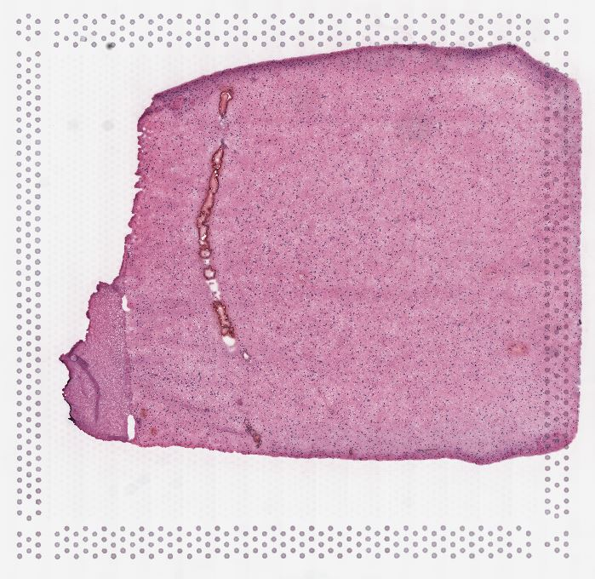
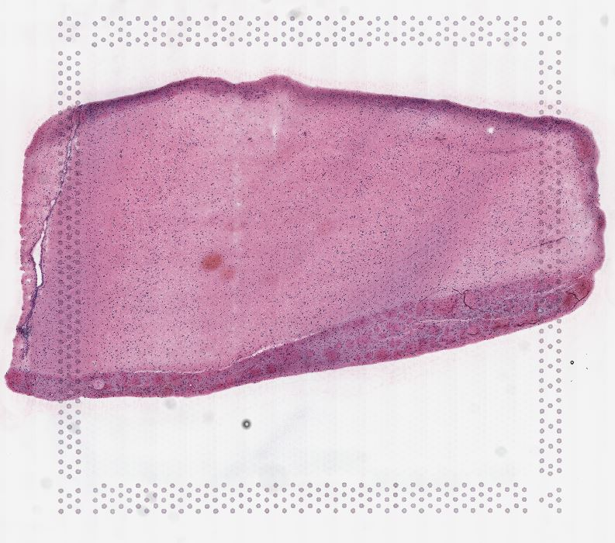
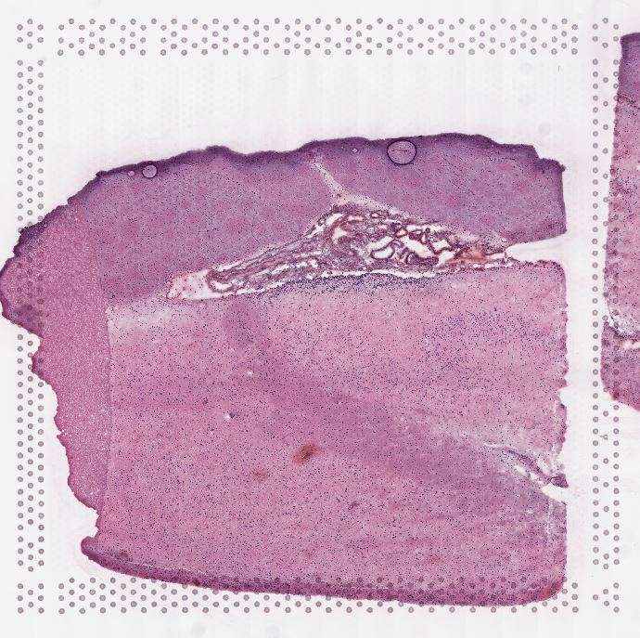
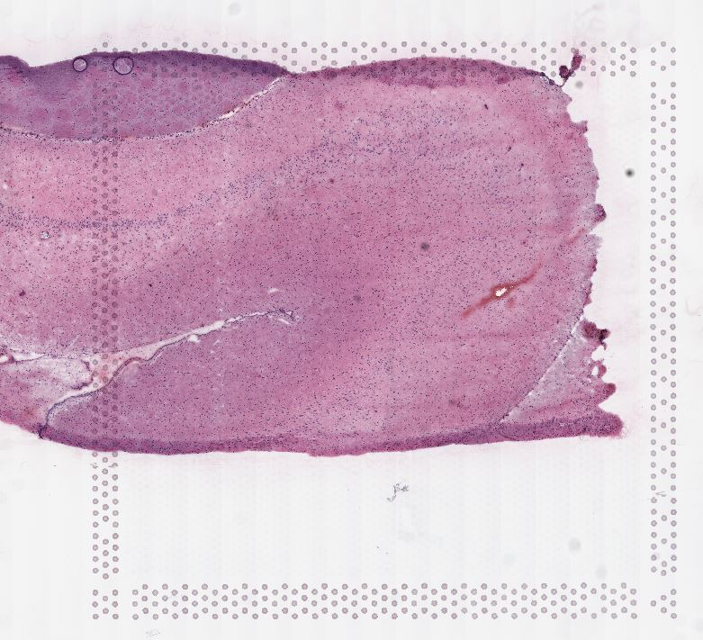

 |  | 5v_scp |  |  |  |  | 6v_scp |  |  |  |  | 7v_scp |  |  | 8v_scp

cDNA Agilent
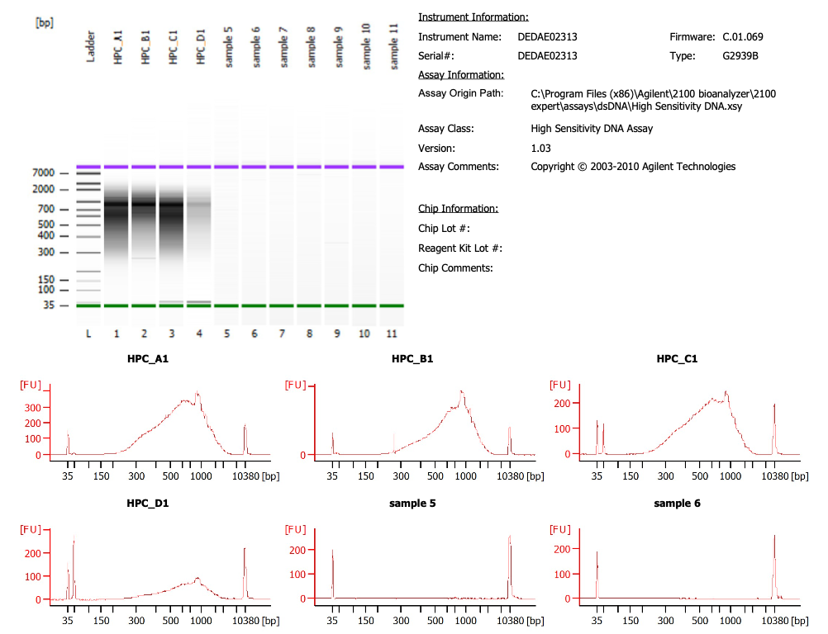
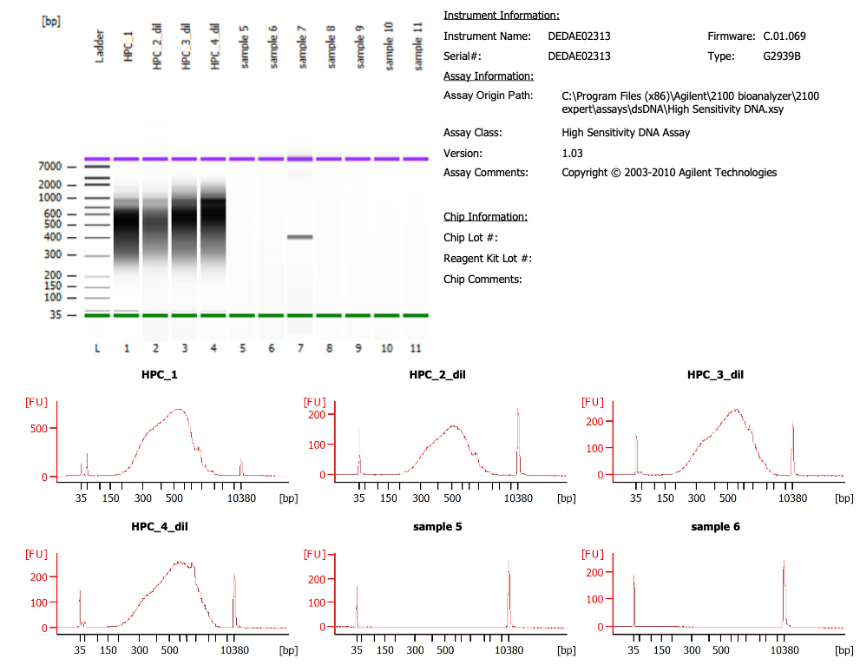
Sample # | Tissue | Brain | Slide # | Array # | Ct | cDNA Amp Cycle | [cDNA] pg/ul | Total cDNA ng
1v_h | HPC | Br6423-O | V10B01-085 | A1 | 15.76 | 15 | 15217.05 | 608.68
2v_h | HPC | Br6423-O | V10B01-085 | B1 | 15.66 | 16 | 11607.8 | 464.31
3v_h | HPC | Br6423-O | V10B01-085 | C1 | 15.51 | 15 | 21102.55 | 844.10
4v_h | HPC | Br6423-O | V10B01-085 | D1 | 15.45 | 15 | 21669.6 | 866.78
5v_scp | HPC | Br6423-O | V10B01-086 | A1 | 16.51 | 17 | 9346.8 | 373.87
6v_scp | HPC | Br6423-O | V10B01-086 | B1 | 16.95 | 17 | 8048.7 | 321.95
7v_scp | HPC | Br2743-Y | V10B01-086 | C1 | 17.58 | 18 | 5842.9 | 233.72
8v_scp | HPC | Br2743-Y | V10B01-086 | D1 | 17.46 | 18 | 1755.6 | 70.22

Lib Agilent
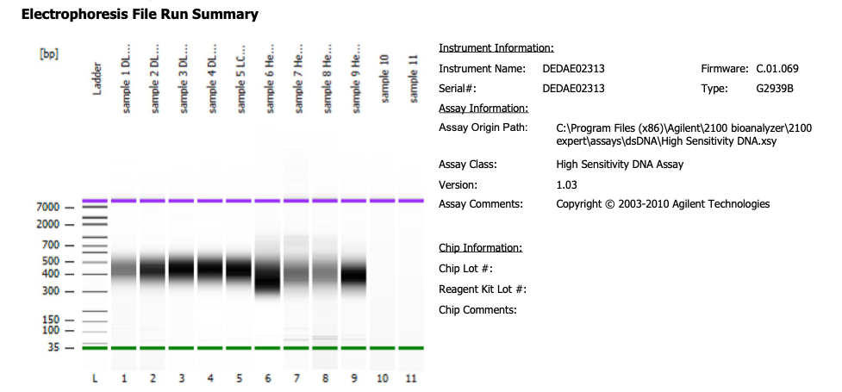
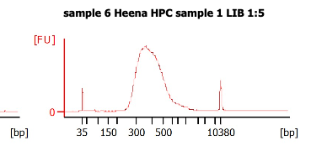

1v_h | #1 1:5 | diluted libraries 1:5 and ran
2v_h | #2 1:5
3v_h | #3 1:5
4v_h | #4 1:5

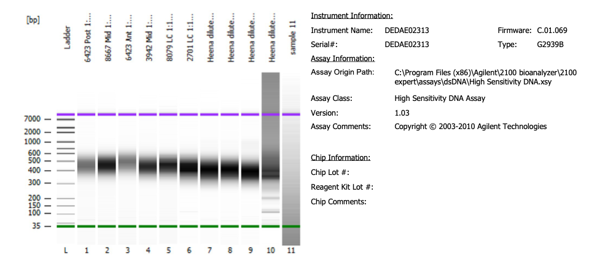

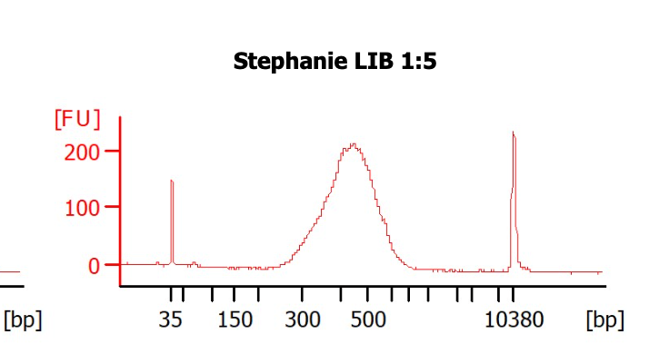

 |  |  | Libraries for the 4th sample was remade as the bioanalyzer graph looked weird

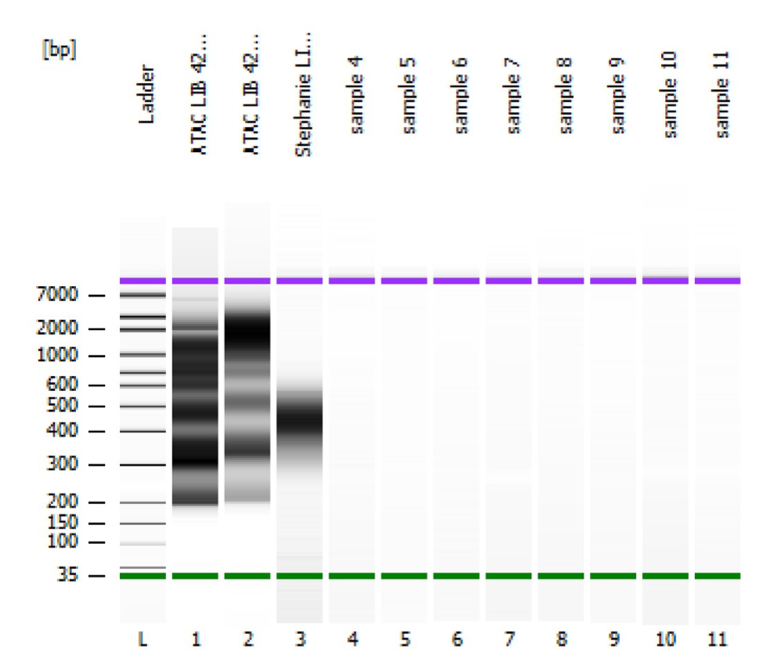
 |  |  | 1v_scp | #1 1:5 | diluted libraries 1:5 and ran
 |  |  | 2v_scp | #2 1:5
 |  |  | 3v_scp | #3 1:5
 |  |  | 4v_scp | #4 1:5

