Chromium cDNA Agilent
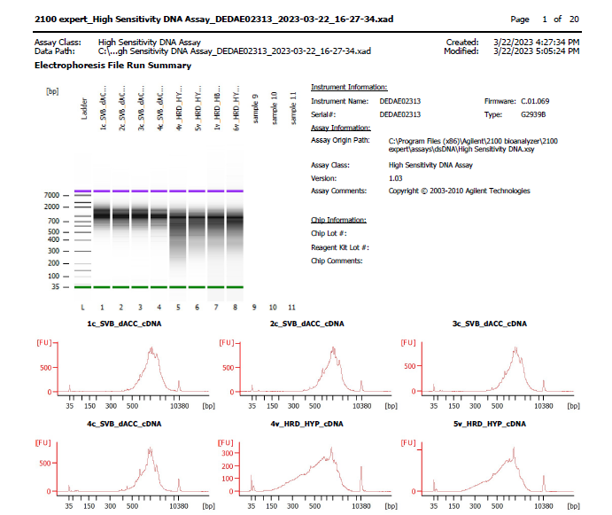

Sample # | Tissue | Brain | Round | PI/NeuN | Nuclei Sorted | Nuclei Targeted | cDNA Amp Cycle | Agilent [cDNA] pg/ul | Dilution Factor | Final [cDNA] pg/ul | Total cDNA ng
1c_dACC_SVB | dACC-PI+ | Br2720 | 1 | PI only | 9000 | 6000 | 12 | 5,255.18 | 2 | 10510.36 | 420.41
2c_dACC_SVB | dACC-PI+ | Br6432 | 1 | PI only | 9000 | 6000 | 12 | 5,171.53 | 2 | 10343.06 | 413.72
3c_dACC_SVB | dACC-PI+ | Br6471 | 1 | PI only | 9000 | 6000 | 12 | 4,570.35 | 2 | 9140.7 | 365.63
4c_dACC_SVB | dACC-PI+ | Br6522 | 1 | PI only | 9000 | 6000 | 12 | 3,738.24 | 2 | 7476.48 | 299.06

Chromium Library Agilent
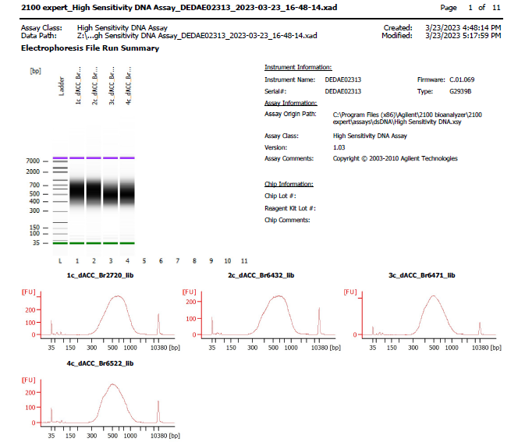
Sample # | Tissue | Brain | Round | PI/NeuN | Nuclei Sorted | Nuclei Targeted | cDNA Input | SI cycles | Ave frag length | Agilent [pg/ul] | Dilution Factor | Final Conc [pg/ul]
1c_dACC_SVB | dACC-PI+ | Br2720 | 1 | PI only | 9000 | 6000 | 105.10 | 13 | 568 | 4284.59 | 5 | 21422.95
2c_dACC_SVB | dACC-PI+ | Br6432 | 1 | PI only | 9000 | 6000 | 103.43 | 13 | 563 | 3503.08 | 8 | 28024.64
3c_dACC_SVB | dACC-PI+ | Br6471 | 1 | PI only | 9000 | 6000 | 91.41 | 13 | 525 | 6332.79 | 3 | 18998.37
4c_dACC_SVB | dACC-PI+ | Br6522 | 1 | PI only | 9000 | 6000 | 74.76 | 13 | 537 | 3415.49 | 5 | 17077.45

