Chromium cDNA Agilent
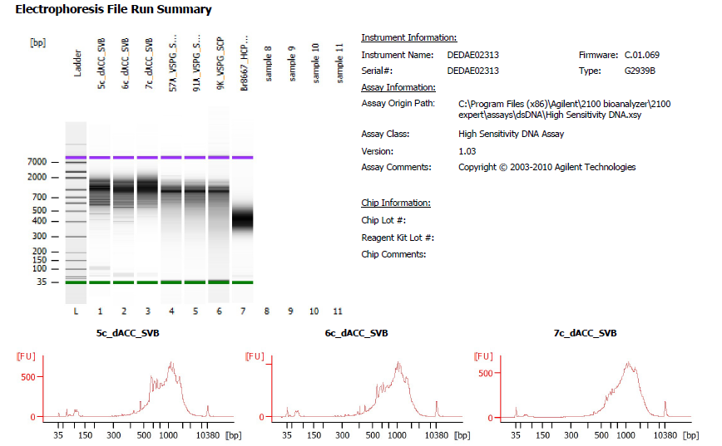
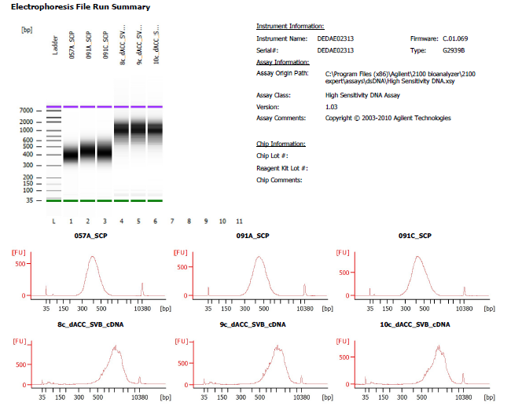

Sample # | Tissue | Brain | Round | PI/NeuN | Nuclei Sorted | Nuclei Targeted | cDNA Amp Cycle | Agilent [cDNA] pg/ul | Dilution Factor | Final [cDNA] pg/ul | Total cDNA ng
5c_dACC_SVB | dACC-PI+ | Br2743 | 2 | PI | 9000 | 6000 | 12 | 8157.56 | 1 | 8157.56 | 326.30
6c_dACC_SVB | dACC-PI+ | Br3942 | 2 | PI | 9000 | 6000 | 12 | 4965.29 | 2 | 9930.58 | 397.22
7c_dACC_SVB | dACC-PI+ | Br6423 | 2 | PI | 9000 | 6000 | 12 | 5069.19 | 3 | 15207.57 | 608.30
8c_dACC_SVB | dACC-PI+ | Br8325 | 3 | PI | 9000 | 6000 | 12 | 5751.74 | 1 | 5751.74 | 230.07
9c_dACC_SVB | dACC-PI+ | Br8492 | 3 | PI | 9000 | 6000 | 12 | 5953.98 | 1 | 5953.98 | 238.16
10c_dACC_SVB | dACC-PI+ | Br8667 | 3 | PI | 9000 | 6000 | 12 | 4177.67 | 2 | 8355.34 | 334.21

Chromium Library Agilent
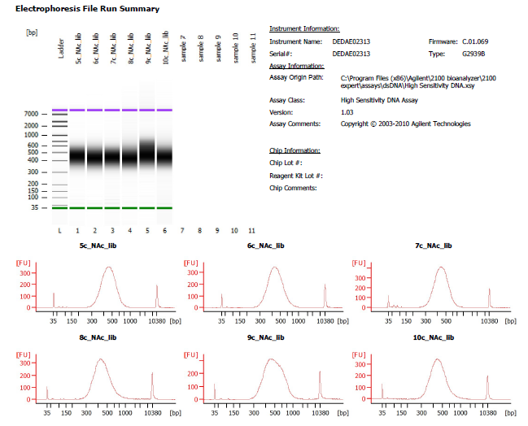

Sample # | Tissue | Brain | Round | PI/NeuN | Nuclei Sorted | Nuclei Targeted | cDNA Input | SI cycles | Ave frag length | Agilent [pg/ul] | Dilution Factor | Final Conc [pg/ul]
5c_dACC_SVB | dACC-PI+ | Br2743 | 2 | PI | 9000 | 6000 | 81.58 | 13 | 462 | 3351.93 | 6 | 20111.58
6c_dACC_SVB | dACC-PI+ | Br3942 | 2 | PI | 9000 | 6000 | 99.31 | 13 | 451 | 3293.09 | 6 | 19758.54
7c_dACC_SVB | dACC-PI+ | Br6423 | 2 | PI | 9000 | 6000 | 152.08 | 12 | 452 | 3885.06 | 6 | 23310.36
8c_dACC_SVB | dACC-PI+ | Br8325 | 3 | PI | 9000 | 6000 | 57.52 | 14 | 455 | 2812.07 | 14 | 39368.98
9c_dACC_SVB | dACC-PI+ | Br8492 | 3 | PI | 9000 | 6000 | 59.54 | 14 | 507 | 3150.44 | 13 | 40955.72
10c_dACC_SVB | dACC-PI+ | Br8667 | 3 | PI | 9000 | 6000 | 83.55 | 13 | 465 | 2918.91 | 10 | 29189.10

5c_dACC_lib
5c_dACC_lib
6c_dACC_lib
7c_dACC_lib

8c_dACC_lib
9c_dACC_lib
10c_dACC_lib

