Network
Distribution and Transmission Mains |  | Service Connections |  |  | Home

Description | Length [km] | Description | Number | Error Margin [+/- %]

 |  | Number of Customers (active)

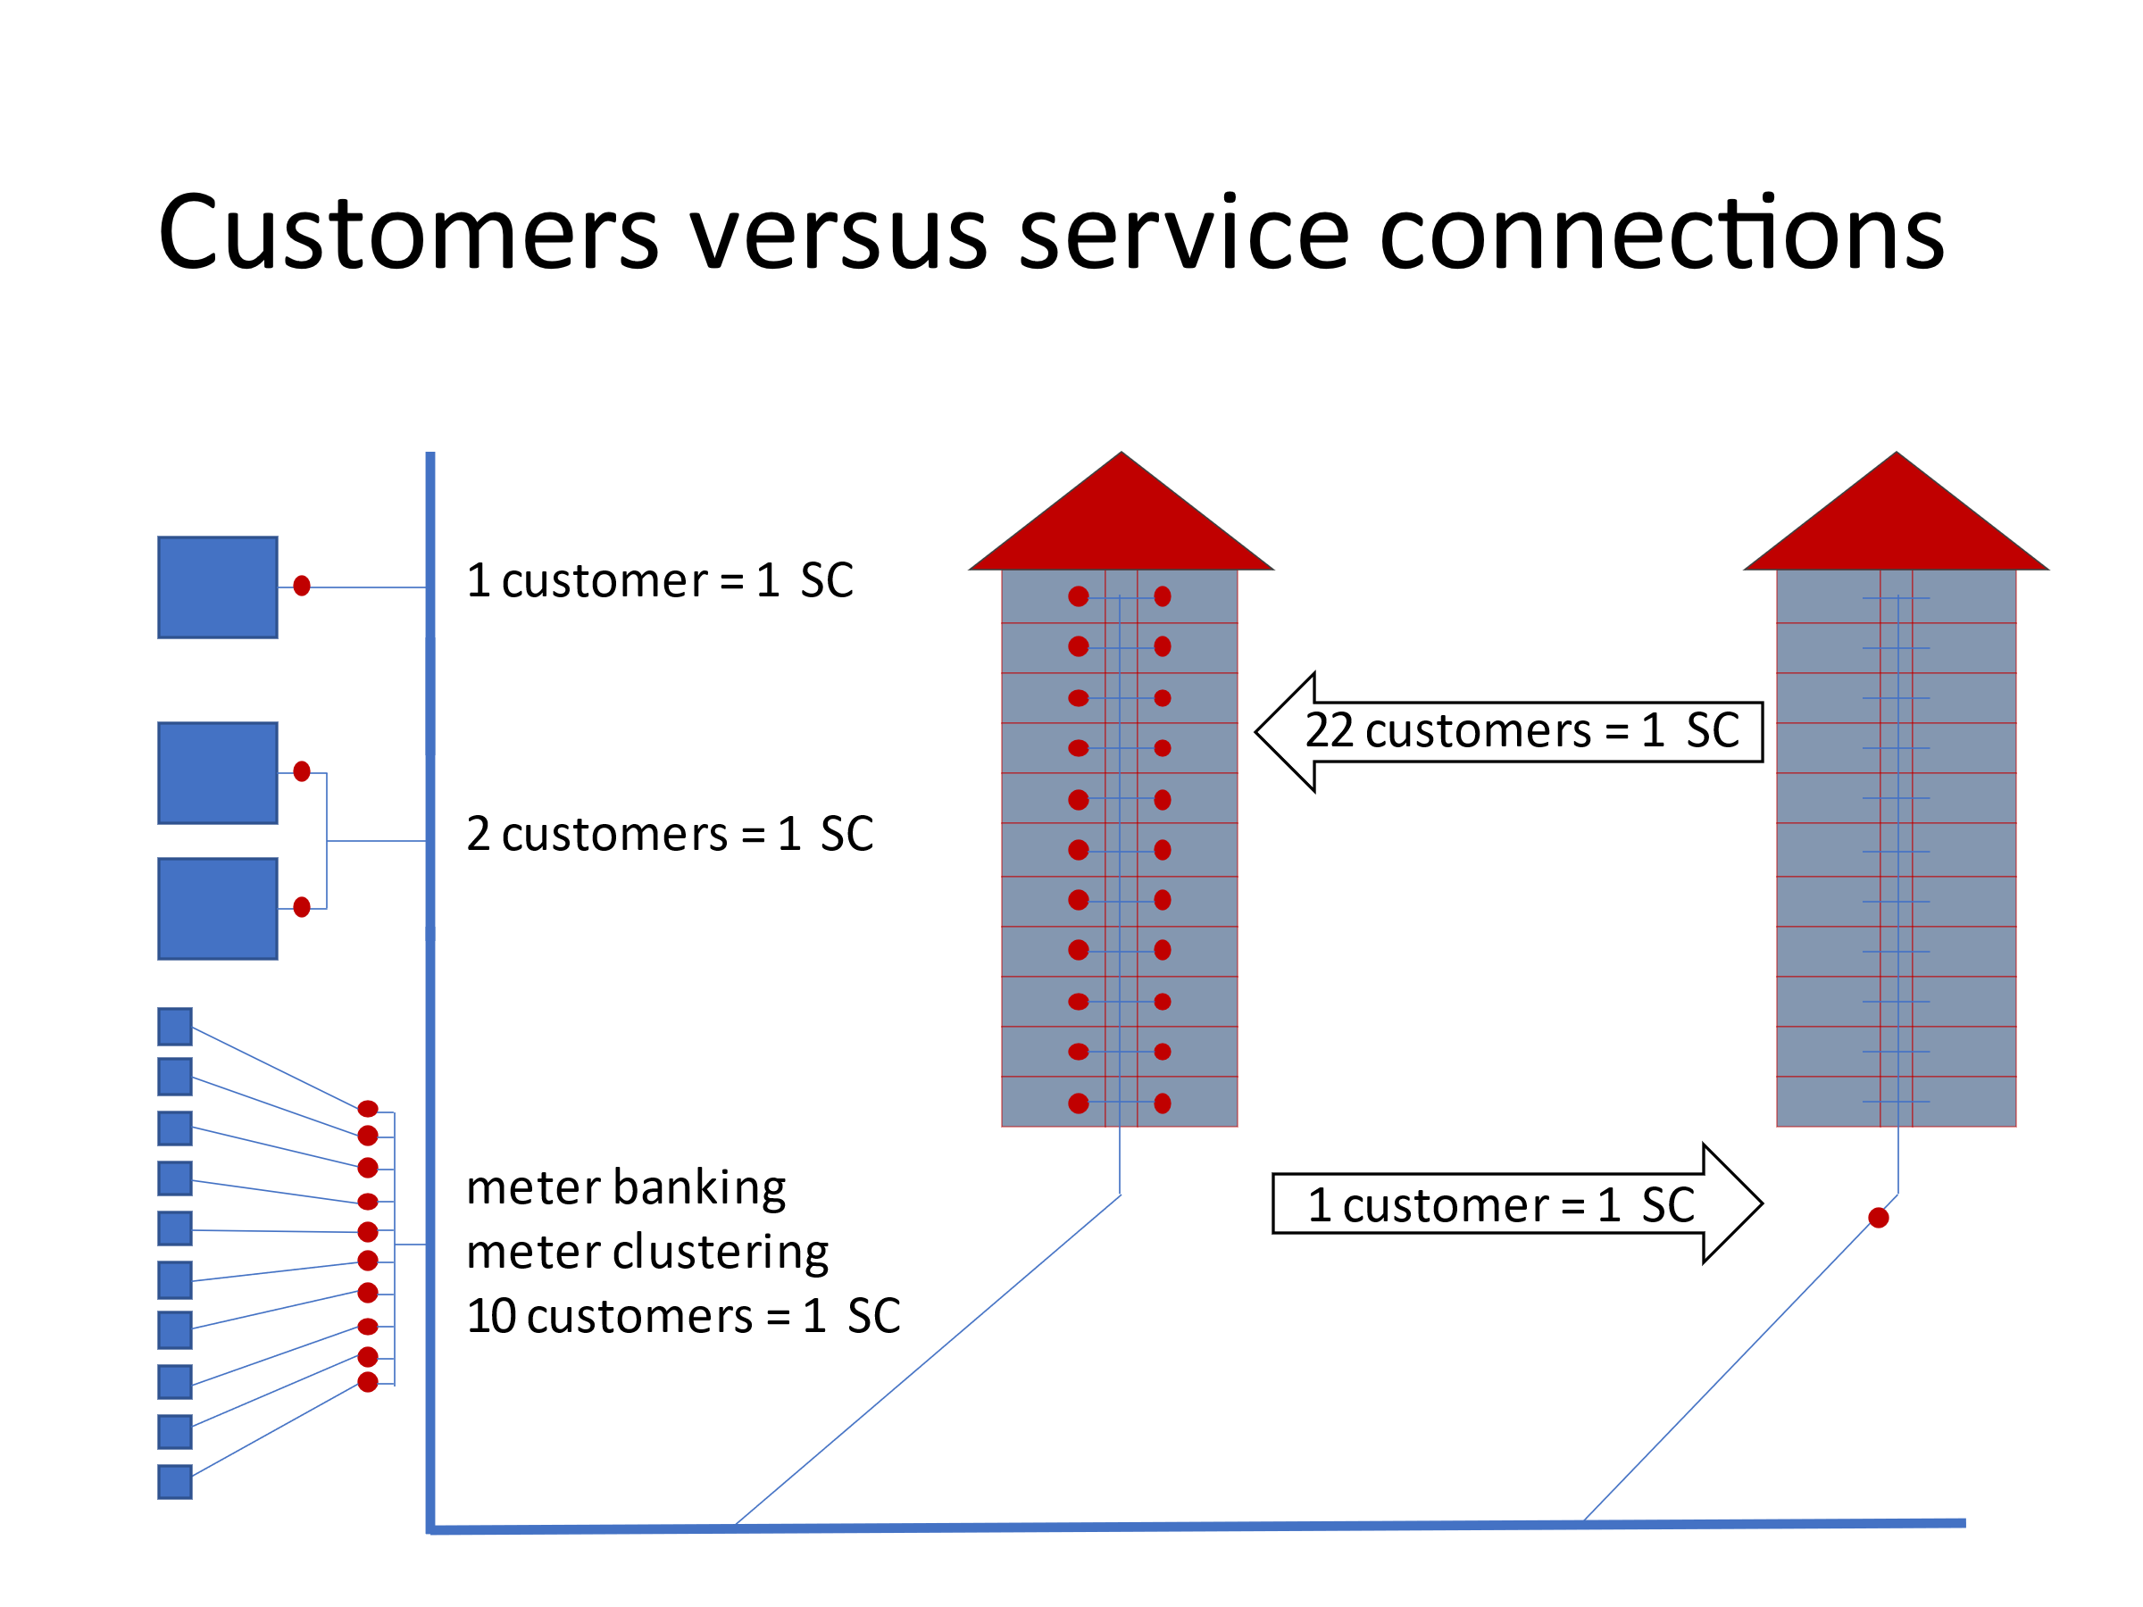
 |  | Number of Connections of Registered Customers Note: this figure is most likely (a little bit) less than the number of customers

 |  | Number of inactive accounts with existing service connection

 |  | Estimated Number of Illegal Connections | 0 | 0.0%

 |  | Error Margin [+/-]: |  | 0%
 |  | Number of Connections
 |  | Minimum | -
 |  |  |  | Total SD
Total [km] | - | Maximum | - | Total Accuracy

Possible underestimation |  | Best Estimate | -

Total [km] | - | Average Length of Service Connection from Property Boundary to Customer Meter [meter]

Error Margin [+/-]:

Pipe Length [km]
Minimum | - | Total Length of Service Connections from Property Boundary to Customer Meter [kilometer] | 0 | 0%

Maximum | -

Best Estimate | -

Language 1
Change Language |  |  |  |  |  | Home

Enter Code for preferred Language: |  |  | 2 | if you have chosen 3, click here to go to language customisation

 |  | Language Code |  |  | Language Code

?
 | IWA Teminology (English) | 1 |  | Customise for your own language | 3

 | World Bank reccomended Terminology (US English) | 2

Pre-set languages

 | French | 4 |  | Serbian | 15

 | Deutsch | 5 |  | Chinese (1) | 16

 | Russian | 6 |  | Chinese (2) | 17

 | Vietnamese | 7 |  | Chinese (3) | 18

 | Bahasa Indonesia | 8 |  | Romanian | 19

 | Español | 9 |  | Bosnian | 20

 | Italian | 10 |  | Albanian | 21

 | Portuguese (Brazil) | 11 |  | Georgian | 22

 | Hungarian | 12 |  | Bulgarian | 23

 | Arabic | 13 |  | Czech | 24

 | Thai | 14 |  | Greek | 25

