Longevity
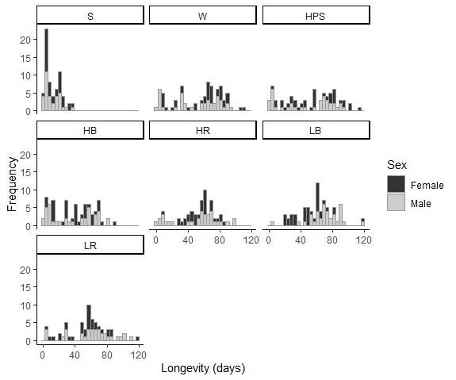
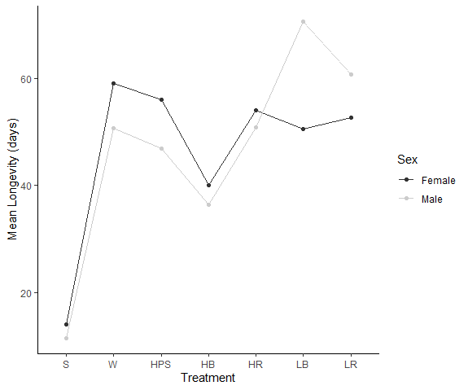
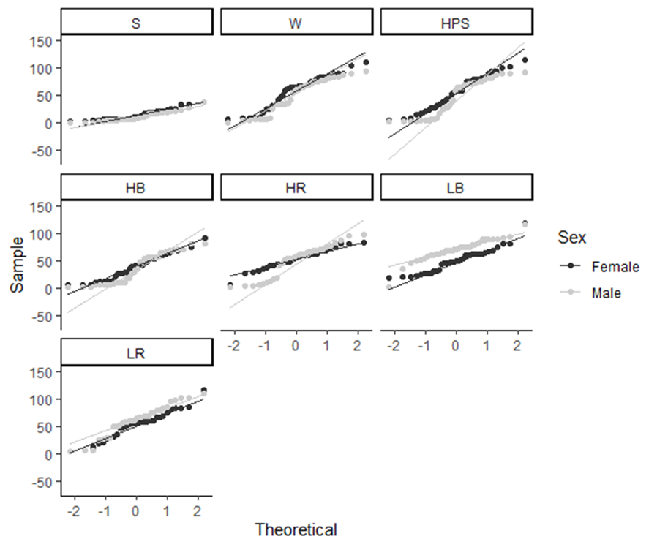
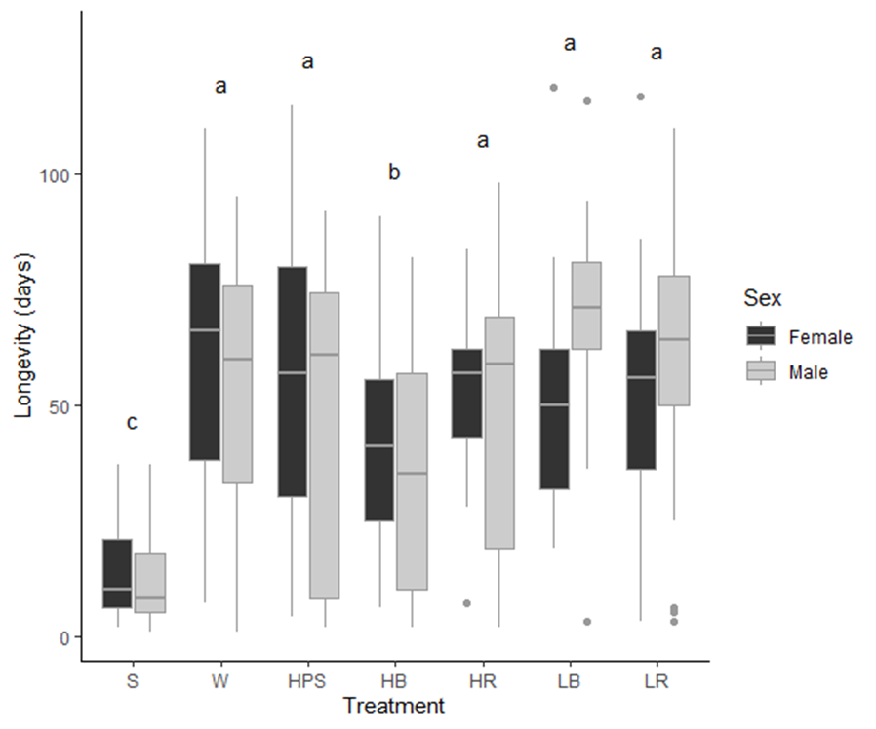
Table 1: Longevity (days) Summary Statistics |  |  |  |  |  | Figure 1: Histograms of Adult Longevity (days) | Table 2: Longevity Two-way ANOVA Results |  |  |  |  |  | Figure 2: Longevity clustered boxplot with significant Treatment groups in a Tukey post-hoc test (alpha = 0.05). Points represent outlying values beyond 1.5*IQR | Figure 3: Longevity means plot illustrating potential interaction effect of low-intensity coloured LED light. | Table 3: Shapiro-Wilk test for normality of adult longevity |  |  |  | Figure 4: Normal quantile plots for adult longevity | Levene's Test result for longevity across Treatment and Sex: (F = 6.80, P = 4.33e-12, d.f. = 13, 484)
Treatment | Sex | Mean | SD | SE | n |  |  | d.f. | SS | MS | F | P |  |  | Treatment | Sex | Shapiro-Wilk Statistic | P
HB | Female | 40.0 | 22.3 | 3.6 | 38 |  | Treatment | 6 | 111191 | 18532 | 30.34 | 2.00E-16 |  |  | HB | Female | 0.959 | 0.179
HB | Male | 36.4 | 27.1 | 4.4 | 38 |  | Sex | 1 | 2 | 2 | 4.00E-03 | 0.95 |  |  |  | Male | 0.881 | 7.65E-04
HPS | Female | 56.1 | 30.6 | 5.1 | 36 |  | Treatment:Sex Interaction | 6 | 11910 | 1985 | 3.25 | 3.84E-03 |  |  | HPS | Female | 0.965 | 0.308
HPS | Male | 46.9 | 32.8 | 5.5 | 36 |  | Residuals | 484 | 295608 | 611 |  |  |  |  |  | Male | 0.864 | 3.98E-04
HR | Female | 54.0 | 17.5 | 3.0 | 33 |  |  |  |  |  |  |  |  |  | HR | Female | 0.974 | 0.611
HR | Male | 50.9 | 28.7 | 5.0 | 33 |  |  |  |  |  |  |  |  |  |  | Male | 0.903 | 6.26E-03
LB | Female | 50.6 | 21.1 | 3.5 | 37 |  |  |  |  |  |  |  |  |  | LB | Female | 0.935 | 3.14E-02
LB | Male | 70.6 | 19.3 | 3.2 | 37 |  |  |  |  |  |  |  |  |  |  | Male | 0.931 | 2.49E-02
LR | Female | 52.6 | 24.9 | 4.3 | 33 |  |  |  |  |  |  |  |  |  | LR | Female | 0.964 | 0.324
LR | Male | 60.8 | 27.8 | 4.8 | 33 |  |  |  |  |  |  |  |  |  |  | Male | 0.953 | 0.158
S | Female | 14.1 | 9.8 | 1.7 | 33 |  |  |  |  |  |  |  |  |  | S | Female | 0.883 | 1.94E-03
S | Male | 11.5 | 8.9 | 1.6 | 33 |  |  |  |  |  |  |  |  |  |  | Male | 0.894 | 3.76E-03
W | Female | 59.0 | 28.3 | 4.5 | 39 |  |  |  |  |  |  |  |  |  | W | Female | 0.931 | 1.88E-02
W | Male | 50.7 | 29.6 | 4.7 | 39 |  |  |  |  |  |  |  |  |  |  | Male | 0.905 | 3.07E-03

Fecundity
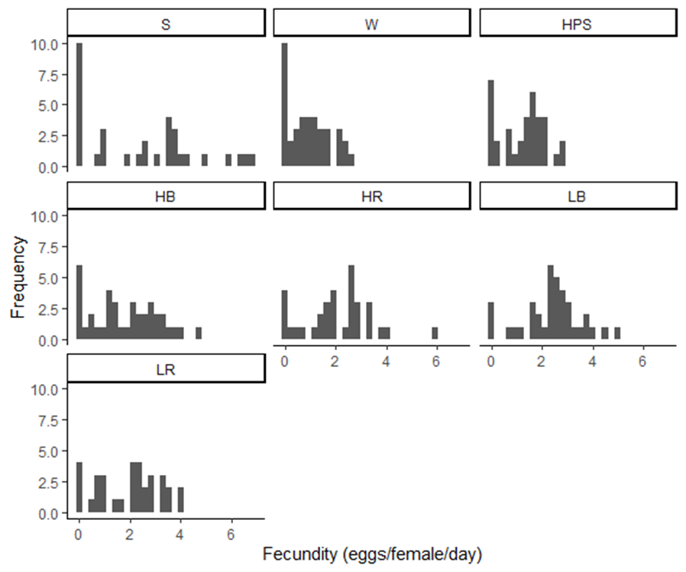
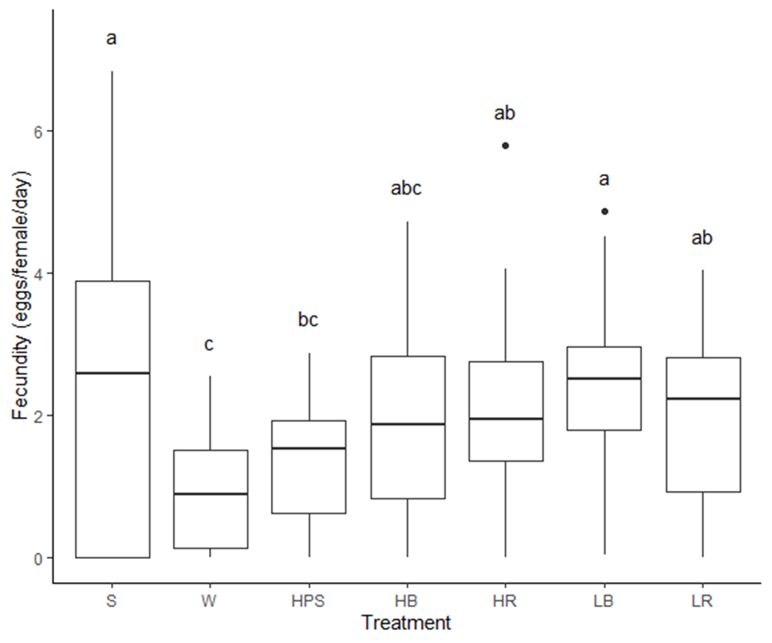
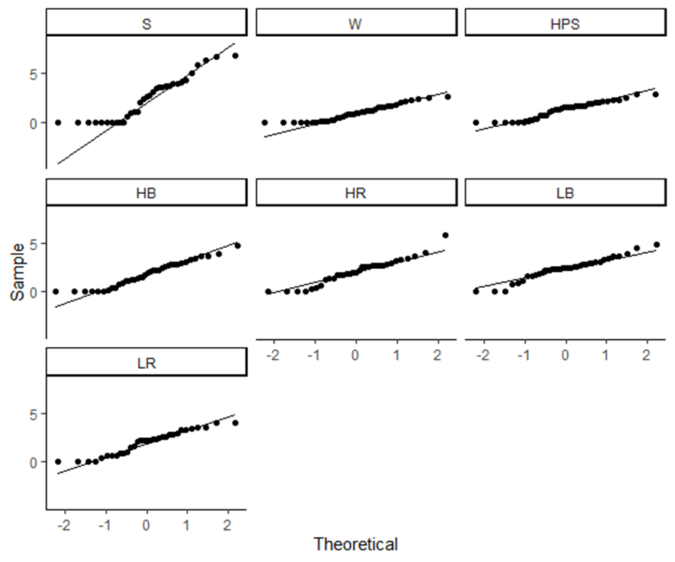
Table 4: Fecundity (eggs/female/day) Summary Statistics |  |  |  |  | Figure 5: Histograms of Fecundity (eggs/female/day) | Table 5: Fecundity One-way ANOVA Results |  |  |  |  |  | Figure 6: Fecundity clustered boxplot with significant Treatment groups in a Tukey post-hoc test (alpha = 0.05). Points represent outlying values beyond 1.5*IQR | Table 6: Shapiro-Wilk test for normality of fecundity |  |  | Figure 7: Normal quantile plots for fecundity | Levene's Test result for fecundity across Treatment: (F = 10.7, P = 1.47e-10, d.f. = 6, 242)
 |  |  |  |  |  | Df Sum Sq Mean Sq F value Pr(>F) | d.f. | SS | MS | F | P |  | Treatment | Shapiro-Wilk Statistic | P
HB | 1.82 | 1.30 | 0.21 | 38 |  | Treatment | 6 | 68.7 | 11.46 | 6.59 | 1.85E-06 |  | HB | 0.95 | 0.11
HPS | 1.28 | 0.87 | 0.14 | 36 |  | Residuals | 242 | 421.1 | 1.74 |  |  |  | HPS | 0.93 | 1.79E-02
HR | 2.06 | 1.32 | 0.23 | 33 |  |  |  |  |  |  |  |  | HR | 0.95 | 0.14
LB | 2.39 | 1.12 | 0.18 | 37 |  |  |  |  |  |  |  |  | LB | 0.96 | 0.23
LR | 1.97 | 1.24 | 0.22 | 33 |  |  |  |  |  |  |  |  | LR | 0.94 | 6.25E-02
S | 2.45 | 2.22 | 0.39 | 33 |  |  |  |  |  |  |  |  | S | 0.89 | 2.83E-03
W | 0.94 | 0.80 | 0.13 | 39 |  |  |  |  |  |  |  |  | W | 0.92 | 6.89E-03

Fecundity (egg/female) Summary Statistics
Treatment | Mean | SD | SE | n
HB | 81.34211 | 66.0881 | 10.720905 | 38
HPS | 70.31 | 54.47 | 9.08 | 36
HR | 109.18 | 70.61 | 12.29 | 33
LB | 116.84 | 71.23 | 11.71 | 37
LR | 106.09 | 79.02 | 13.75 | 33
S | 39.52 | 46.33 | 8.07 | 33
W | 63.44 | 56.78 | 9.09 | 39

Preoviposition Period
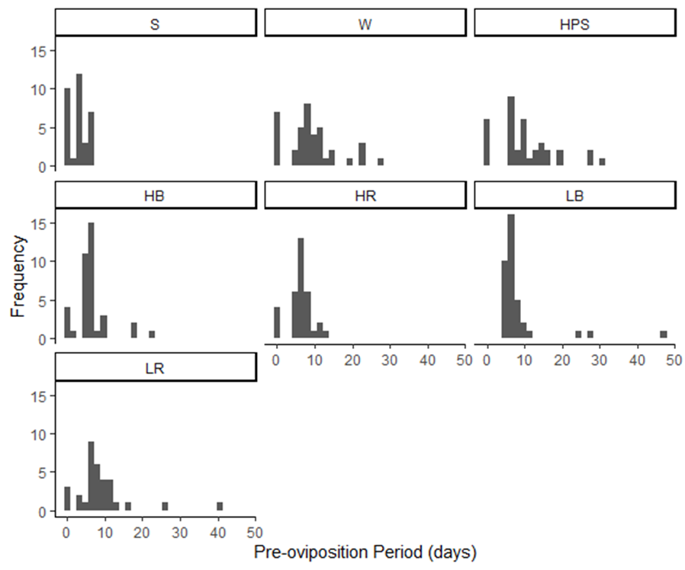
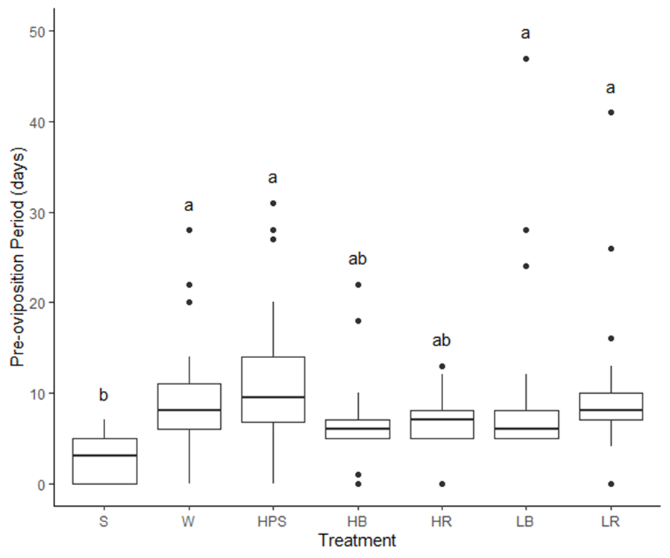
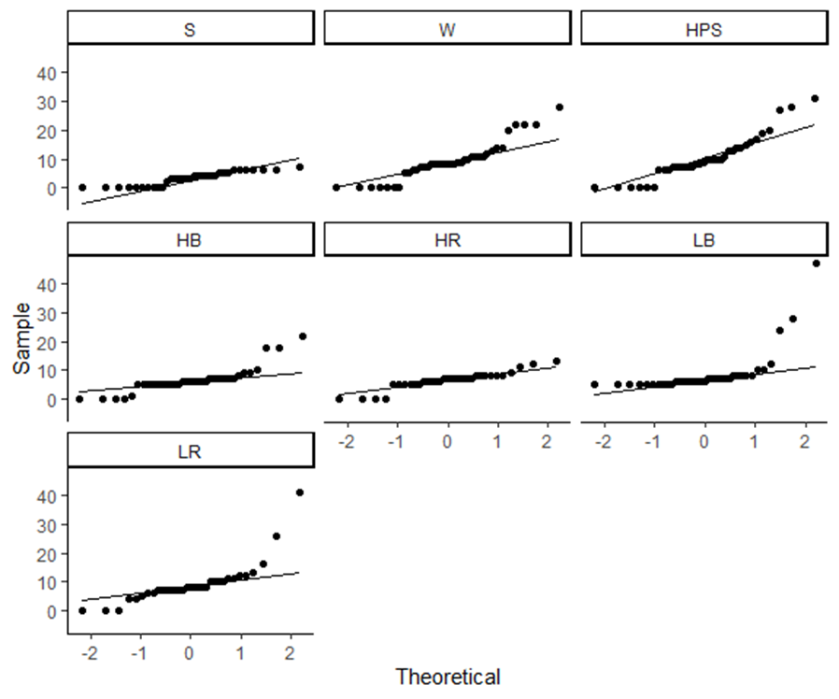
Table 7: Preoviposition Period (days) Summary Statistics |  |  |  |  | Figure 8: Histograms of Preoviposition Period (days) | Table 8: Preoviposition Period One-way ANOVA Results |  |  |  |  |  | Figure 9: Preoviposition Period clustered boxplot with significant Treatment groups in a Tukey post-hoc test (alpha = 0.05). Points represent outlying values beyond 1.5*IQR | Table 9: Shapiro-Wilk test for normality of preoviposition period |  |  | Figure 10: Normal quantile plots for preoviposition period | Levene's Test result for preoviposition period across Treatment: (F = 2.66, P = 1.61e-2, d.f. = 6, 242)
Treatment | Mean | SD | SE | n |  |  | d.f. | SS | MS | F | P |  | Treatment | Shapiro-Wilk Statistic | P
HB | 6.50 | 4.53 | 0.73 | 38 |  | Treatment | 6 | 1269 | 211.44 | 5.6 | 1.84E-05 |  | HB | 0.77 | 3.21E-06
HPS | 10.36 | 7.75 | 1.29 | 36 |  | Residuals | 242 | 9137 | 37.75 |  |  |  | HPS | 0.91 | 6.97E-03
HR | 6.33 | 3.05 | 0.53 | 33 |  |  |  |  |  |  |  |  | HR | 0.89 | 2.86E-03
LB | 8.76 | 8.02 | 1.32 | 37 |  |  |  |  |  |  |  |  | LB | 0.47 | 2.04E-10
LR | 9.21 | 7.43 | 1.29 | 33 |  |  |  |  |  |  |  |  | LR | 0.71 | 9.06E-07
S | 3.09 | 2.36 | 0.41 | 33 |  |  |  |  |  |  |  |  | S | 0.87 | 1.06E-03
W | 9.13 | 6.72 | 1.08 | 39 |  |  |  |  |  |  |  |  | W | 0.90 | 2.59E-03

Oviposition Period
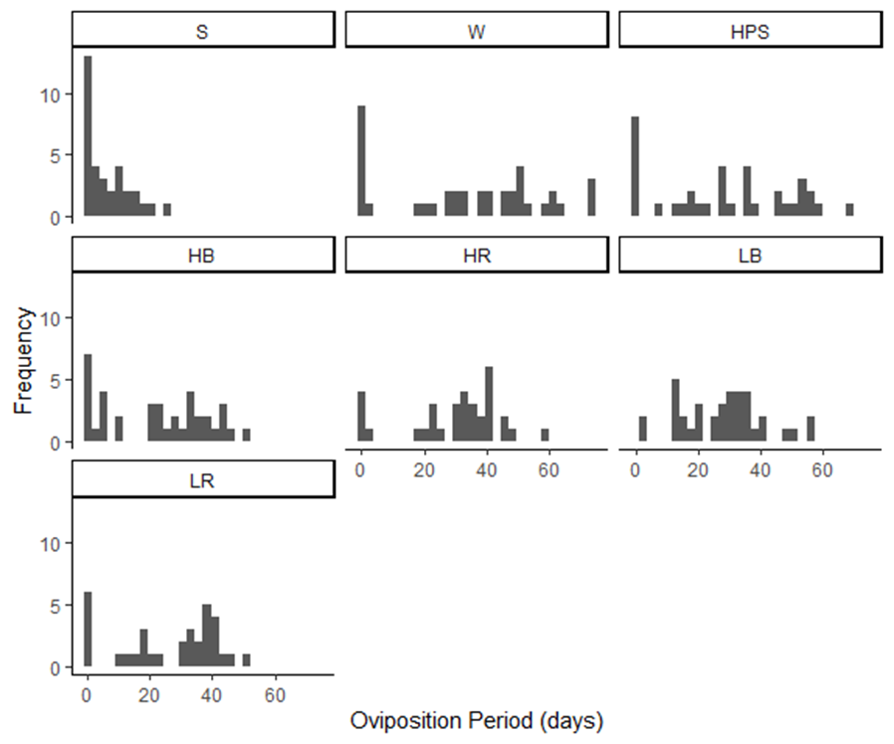
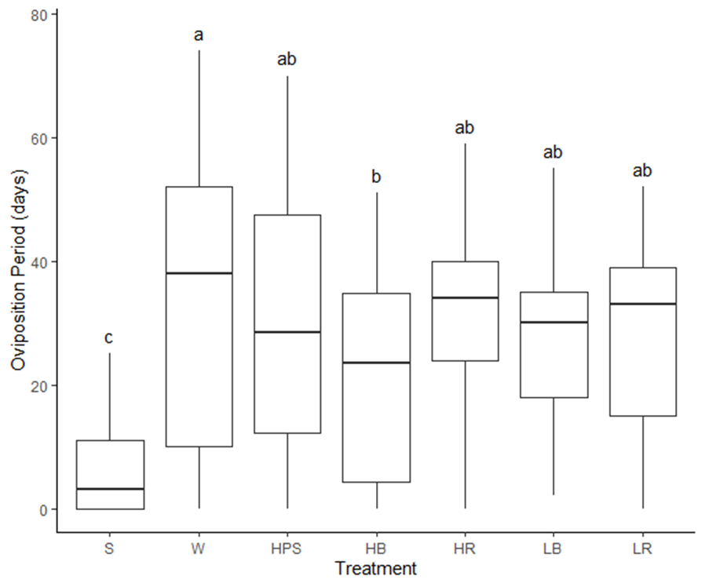
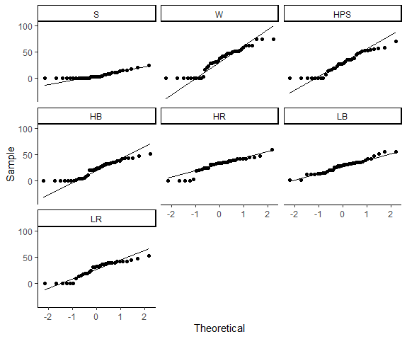
Table 10: Oviposition Period (days) Summary Statistics |  |  |  |  | Figure 11: Histograms of Oviposition Period (days) | Table 11: Oviposition Period One-way ANOVA Results |  |  |  |  |  | Figure 12: Oviposition Period clustered boxplot with significant Treatment groups in a Tukey post-hoc test (alpha = 0.05). Points represent outlying values beyond 1.5*IQR | Table 12: Shapiro-Wilk test for normality of oviposition period |  |  | Figure 13: Normal quantile plots for oviposition period | Levene's Test result for oviposition period across Treatment: (F = 8.22, P = 4.13e-8, d.f. = 6, 242)
Treatment | Mean | SD | SE | n |  |  | d.f. | SS | MS | F | P |  | Treatment | Shapiro-Wilk Statistic | P
HB | 22.00 | 16.55 | 2.68 | 38 |  | Treatment | 6 | 17159 | 2859.8 | 9.61 | 1.75E-09 |  | HB | 0.91 | 4.56E-03
HPS | 28.78 | 21.12 | 3.52 | 36 |  | Residuals | 242 | 72012 | 297.6 |  |  |  | HPS | 0.93 | 2.42E-02
HR | 30.12 | 15.17 | 2.64 | 33 |  |  |  |  |  |  |  |  | HR | 0.90 | 4.21E-03
LB | 28.35 | 13.38 | 2.20 | 37 |  |  |  |  |  |  |  |  | LB | 0.97 | 4.81E-01
LR | 26.58 | 16.29 | 2.84 | 33 |  |  |  |  |  |  |  |  | LR | 0.89 | 3.74E-03
S | 6.09 | 7.10 | 1.24 | 33 |  |  |  |  |  |  |  |  | S | 0.83 | 1.39E-04
W | 34.03 | 24.25 | 3.88 | 39 |  |  |  |  |  |  |  |  | W | 0.91 | 5.23E-03

Development Rate
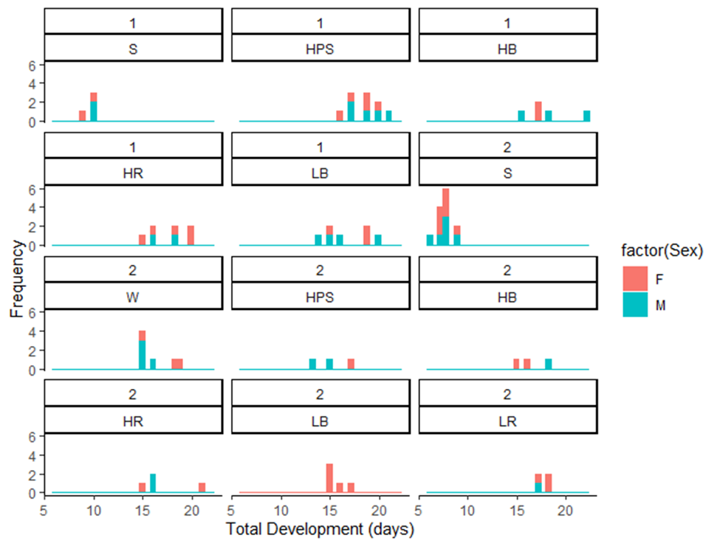
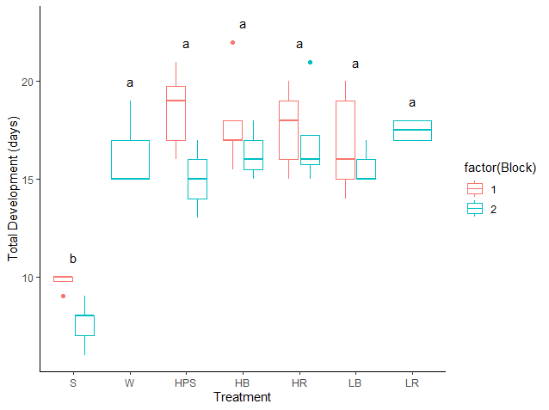
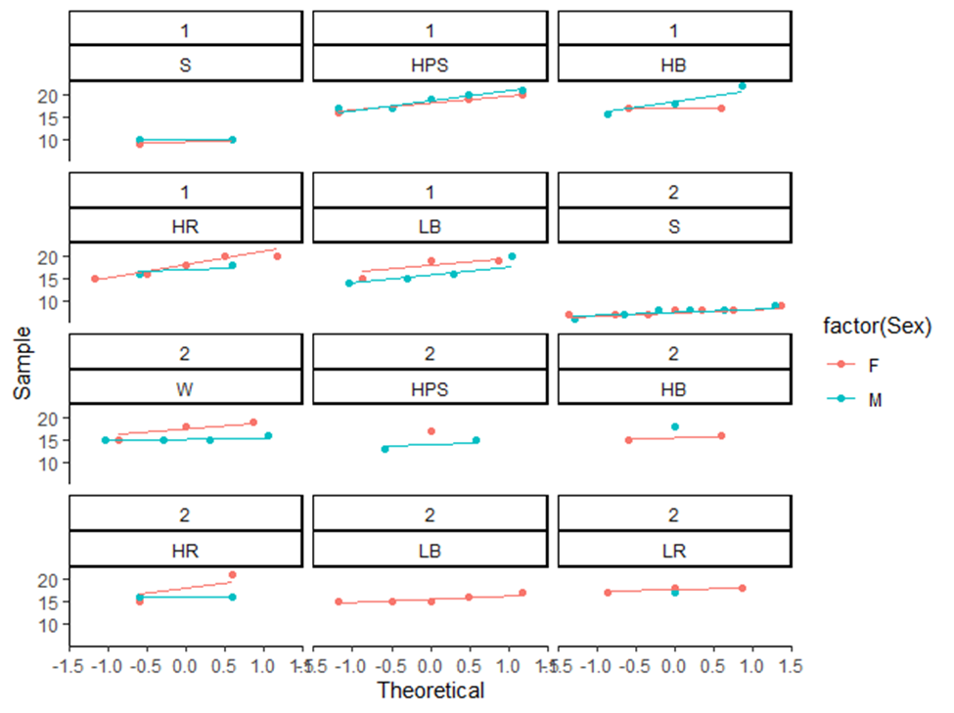
Table 13: Total Development Time (days) Summary Statistics |  |  |  |  |  |  |  | Figure 14: Histograms of Total Development (days) | Table 14: Total Development Time (days) Multi-way ANOVA Results |  |  |  |  |  | Figure 15: Total Development Time (days) clustered boxplot with significant Treatment groups in a Tukey post-hoc test (alpha = 0.05). Points represent outlying values beyond 1.5*IQR | Table 15: Shapiro-Wilk test for normality of Total Development Time (days) |  |  |  | Figure 16: Normal quantile plots for Total Development Time (days) | Levene's Test result for Total Development Time (days) across Block, Treatment and Sex: (F = 1.34, P = 0.194, d.f. = 22, 49)
Block | Treatment | Sex | Instar | Mean | SD | SE | n |  |  | d.f. | SS | MS | F | P |  | Block | Sex | Shapiro-Wilk Statistic | P
1 | HB | F | Total | 17.00 | 0.00 | 0.00 | 2 |  | Block | 1 | 205.8 | 205.76 | 72.401 | 2.02E-11 |  | 1 | F | 0.833 | 5.95E-03
1 | HB | M | Total | 18.50 | 3.28 | 1.89 | 3 |  | Treatment | 6 | 879.2 | 146.54 | 51.563 | < 2E-16 |  | 1 | M | 0.941 | 0.362
1 | HPS | F | Total | 18.20 | 1.64 | 0.73 | 5 |  | Sex | 1 | 3.1 | 3.1 | 1.091 | 0.301 |  | 2 | F | 0.854 | 3.20E-03
1 | HPS | M | Total | 18.80 | 1.79 | 0.80 | 5 |  | Block:Treatment | 4 | 11.1 | 2.77 | 0.975 | 0.429 |  | 2 | M | 0.850 | 0.014
1 | HR | F | Total | 17.80 | 2.28 | 1.02 | 5 |  | Block:Sex | 1 | 2.8 | 2.84 | 0.999 | 0.322
1 | HR | M | Total | 17.00 | 1.41 | 1.00 | 2 |  | Treatment:Sex | 6 | 19.4 | 3.23 | 1.136 | 0.355
1 | LB | F | Total | 17.67 | 2.31 | 1.33 | 3 |  | Residuals | 52 | 147.8 | 2.84
1 | LB | M | Total | 16.25 | 2.63 | 1.31 | 4
1 | S | F | Total | 9.50 | 0.71 | 0.50 | 2
1 | S | M | Total | 10.00 | 0.00 | 0.00 | 2
2 | HB | F | Total | 15.50 | 0.71 | 0.50 | 2
2 | HB | M | Total | 18.00 | NA | NA | 1
2 | HPS | F | Total | 17.00 | NA | NA | 1
2 | HPS | M | Total | 14.00 | 1.41 | 1.00 | 2
2 | HR | F | Total | 18.00 | 4.24 | 3.00 | 2
2 | HR | M | Total | 16.00 | 0.00 | 0.00 | 2
2 | LB | F | Total | 15.60 | 0.89 | 0.40 | 5
2 | LR | F | Total | 17.67 | 0.58 | 0.33 | 3
2 | LR | M | Total | 17.00 | NA | NA | 1
2 | S | F | Total | 7.71 | 0.76 | 0.29 | 7
2 | S | M | Total | 7.67 | 1.03 | 0.42 | 6
2 | W | F | Total | 17.33 | 2.08 | 1.20 | 3
2 | W | M | Total | 15.25 | 0.50 | 0.25 | 4

Tibia Length
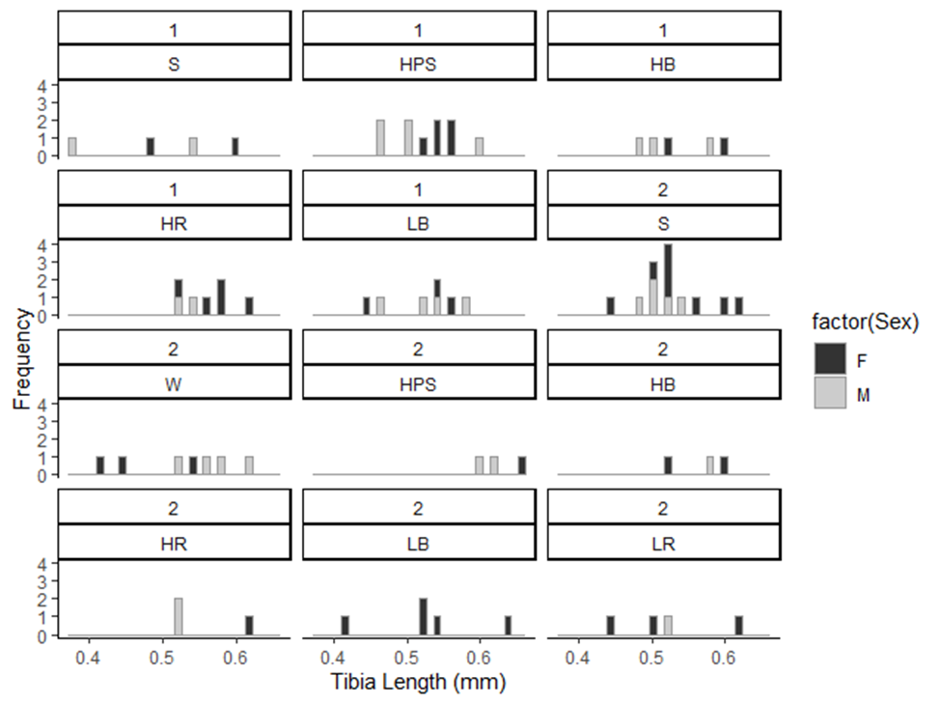
Table 16: Tibia Length (mm) Summary Statistics |  |  |  |  |  |  | Figure 17: Histograms for Tibia Length (mm) | Table 17: Tibia Length (mm) Multi-way ANOVA Results |  |  |  |  |  | Table 18: Shapiro-Wilk test for normality of Tibia Length (mm)
Block | Treatment | Sex | Mean | SD | SE | n |  |  | d.f. | SS | MS | F | P | Block | Sex | Shapiro-Wilk Statistic | P
1 | HB | F | 0.56 | 0.05656854 | 0.04 | 2 |  | Block | 1 | 1.34E-03 | 1.34E-03 | 0.45 | 0.51 | 1 | F | 0.95 | 0.455
1 | HB | M | 0.52 | 0.05291503 | 0.030550505 | 3 |  | Treatment | 6 | 2.66E-02 | 4.43E-03 | 1.48 | 0.20 | 1 | M | 0.957 | 0.611
1 | HPS | F | 0.544 | 0.0167332 | 0.007483315 | 5 |  | Sex | 1 | 2.96E-03 | 2.96E-03 | 0.99 | 0.32 | 2 | F | 0.935 | 0.137
1 | HPS | M | 0.504 | 0.05727128 | 0.025612497 | 5 |  | Block:Treatment | 4 | 1.80E-02 | 4.49E-03 | 1.50 | 0.22 | 2 | M | 0.908 | 0.126
1 | HR | F | 0.572 | 0.0363318 | 0.016248077 | 5 |  | Block:Sex | 1 | 4.75E-03 | 4.75E-03 | 1.59 | 0.21
1 | HR | M | 0.53 | 0.01414214 | 0.01 | 2 |  | Treatment:Sex | 6 | 3.03E-02 | 5.06E-03 | 1.70 | 0.14
1 | LB | F | 0.5133333 | 0.06429101 | 0.037118429 | 3 |  | Residuals | 51 | 1.52E-01 | 2.98E-03
1 | LB | M | 0.525 | 0.05 | 0.025 | 4
1 | S | F | 0.54 | 0.08485281 | 0.06 | 2
1 | S | M | 0.46 | 0.11313708 | 0.08 | 2
2 | HB | F | 0.56 | 0.05656854 | 0.04 | 2
2 | HB | M | 0.58 | NA | NA | 1
2 | HPS | F | 0.66 | NA | NA | 1
2 | HPS | M | 0.61 | 0.01414214 | 0.01 | 2
2 | HR | F | 0.62 | NA | NA | 1
2 | HR | M | 0.52 | 0 | 0 | 2
2 | LB | F | 0.528 | 0.07823043 | 0.034985711 | 5
2 | LR | F | 0.52 | 0.09165151 | 0.052915026 | 3
2 | LR | M | 0.52 | NA | NA | 1
2 | S | F | 0.535 | 0.05732115 | 0.020266087 | 8
2 | S | M | 0.508 | 0.02280351 | 0.010198039 | 5
2 | W | F | 0.4666667 | 0.06429101 | 0.037118429 | 3
2 | W | M | 0.57 | 0.04163332 | 0.02081666 | 4

