Example1
Example - Tracking - Decision Master
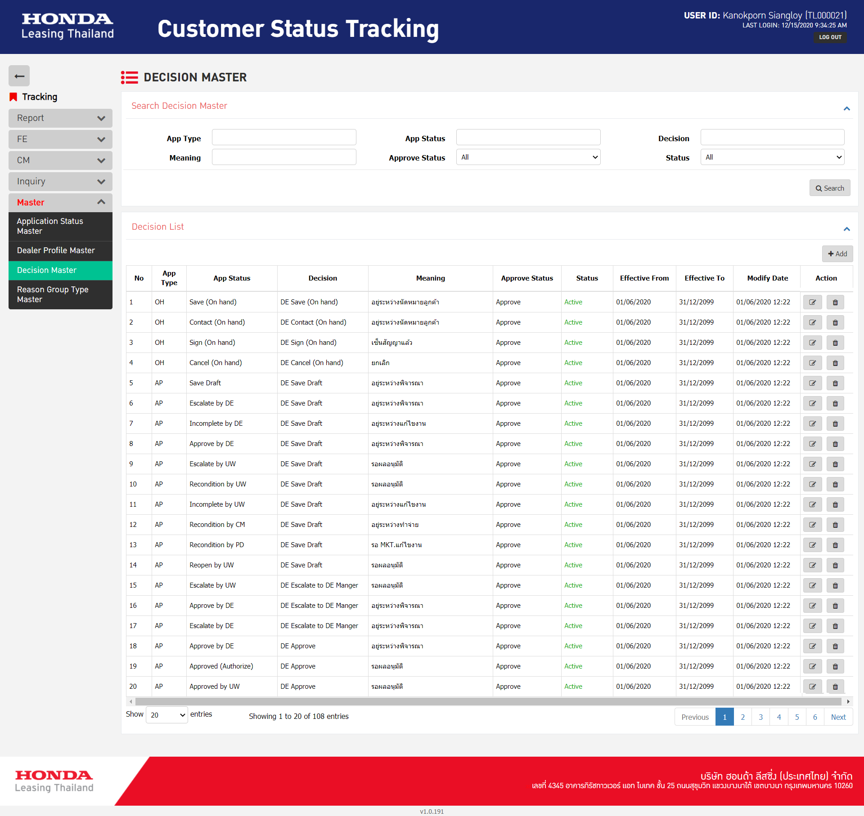

Action 4 buttons

Search | 1. Input 7 Objects |  |  | 0.25 | Man-Day
 | 2. Search button - Function Search API - Input 6 Output 10 objects |  |  | 0.5 | Man-Day
 |  | (16 Objects)

Grid table | 11 Column |  |  | 0.5 | Man-Day

Add-Popup
 | 1. Input 9 Objects |  |  | 0.25 | Man-Day
 | 2. Comboobx-API 2 Objects |  | 2 | 0.5 | Man-Day
 | 3. Save button - Function - Validate - Javascript |  |  | 0.25 | Man-Day
 | 4. Save button - Function - Add - API |  |  | 0.25 | Man-Day

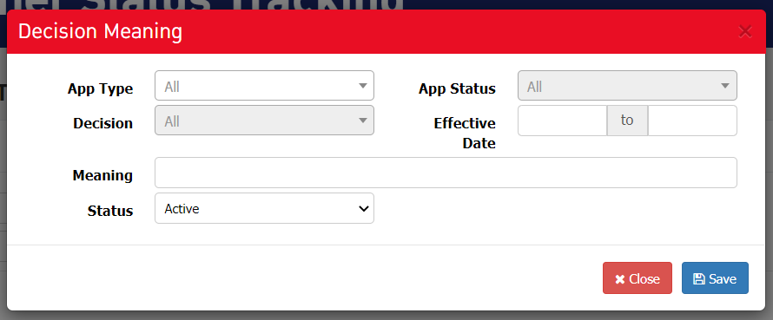

Edit-Popup | Reuse - Add Object and Function

 | 1. Input 9 Objects
 | 2. Comboobx-API 2 Objects
 | 3. Save button - Function - Validate - Javascript

 | 4. Show data - Function - Get data - API |  |  | 0.25 | Man-Day
 | 5. Save button - Function - Update - API |  |  | 0.25 | Man-Day

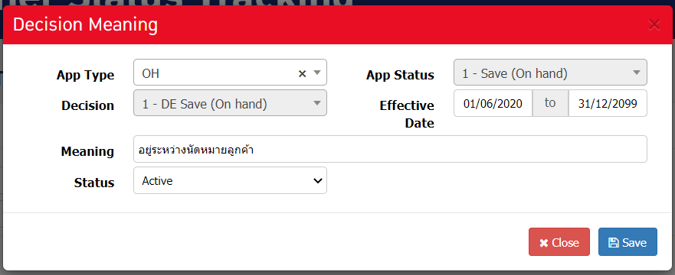

Delete-Popup | 1. Confirm text |  |  | 0.25 | Man-Day
 | 2. Confirm button - Function Delete API |  |  | 0.25 | Man-Day

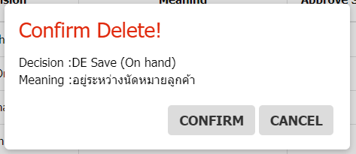

 | Summary Man-Day - Tracking - Decision Master
Module | Task |  |  | Man-Day
Search | 1. Input 7 Objects |  |  | 0.25
 | 2. Search button - Function Search API - Input 6 Output 10 objects (16 objects) |  |  | 0.5
Grid table | 1. 11 Column |  |  | 0.5
Add-Popup | 1. Input 9 Objects |  |  | 0.25
 | 2. Comboobx-API 2 Objects |  |  | 0.5
 | 3. Save button - Function - Validate - Javascript |  |  | 0.25
 | 4. Save button - Function - Add - API |  |  | 0.25
Edit-Popup | 1. Input 9 Objects |  | Reuse
 | 2. Comboobx-API 2 Objects |  | Reuse
 | 3. Save button - Function - Validate - Javascript |  | Reuse
 | 4. Show data - Function - Get data API |  |  | 0.25
 | 5. Save button - Function - Update - API |  |  | 0.25
Delete-Popup | 1. Confirm text |  |  | 0.25
 | 2. Confirm button - Function Delete API |  |  | 0.25
 | Summary |  |  | 3.5

Example2
Example - Tracking - Confirmation Entry

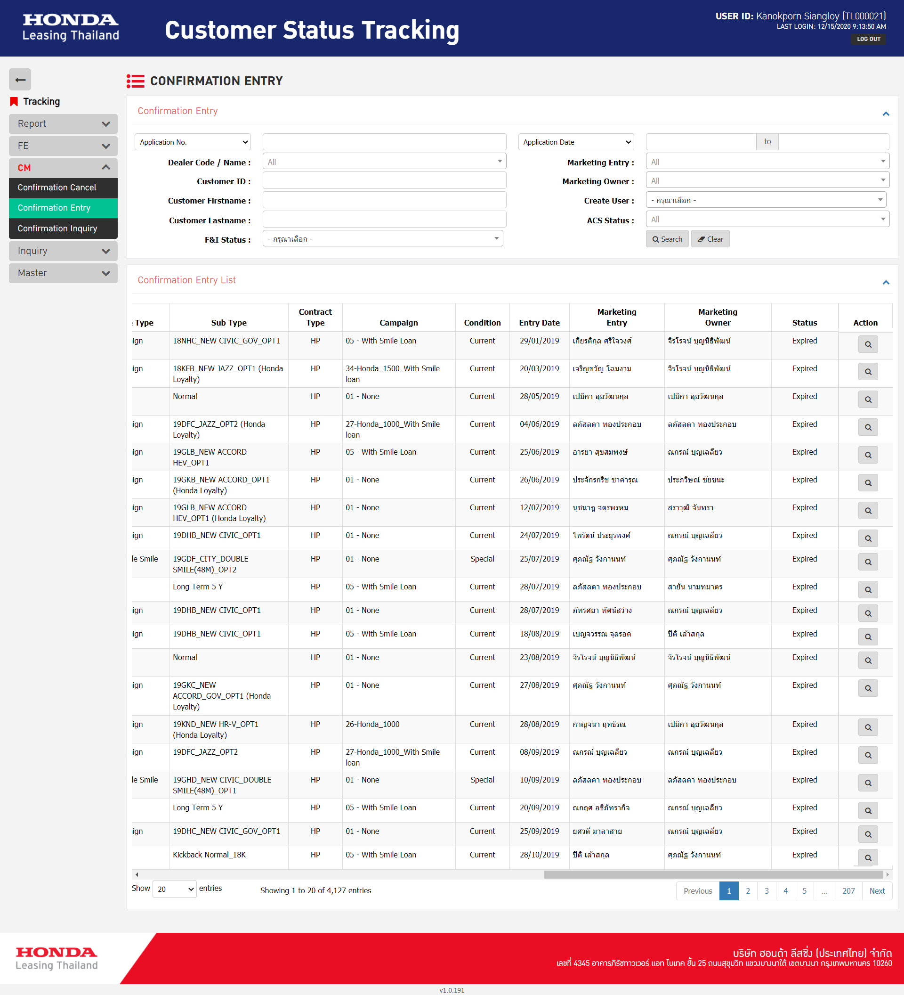

Action 2 buttons

Search | 1. Input 16 Objects | 0.5 | Man-Day
 | 2. Combobox - API 6 Objects | 1.5 | Man-Day
 | 3. Search button - Function Search API - Input 14 objects Output 19 objects (33 objects) | 2 | Man-Day
 | 4. Clear button - Function clear input - Javascript | 0.25 | Man-Day

Grid Table | 19 Column | 0.5 | Man-Day

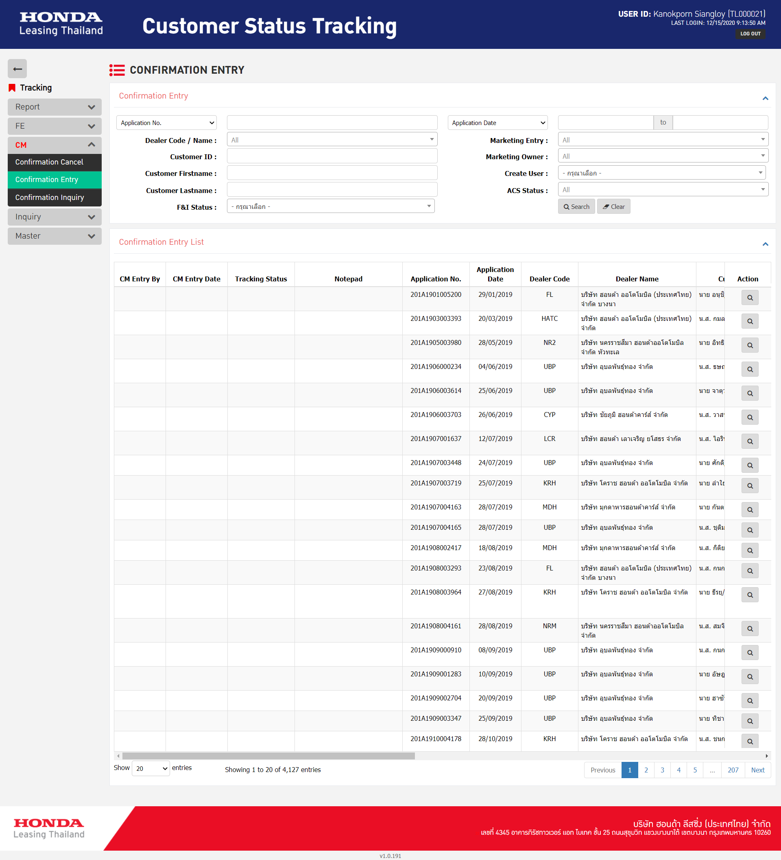

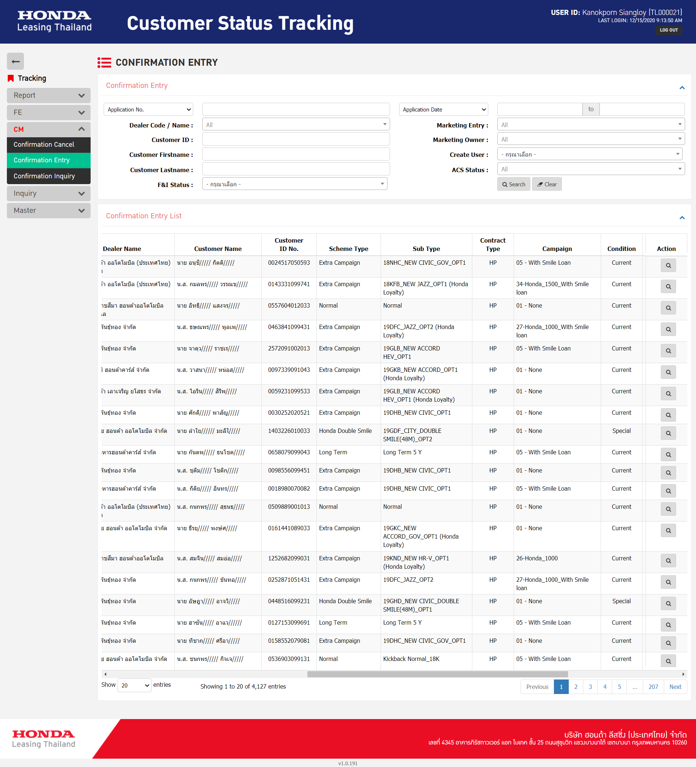

 | Summary Man-Day - Tracking - Confirmation Entry
Module | Task | Man-Day
Search | 1. Input 16 Objects | 0.5
 | 2. Combobox - API 6 Objects | 1.5
 | 3. Search button - Function Search API - Input 14 objects Output 19 objects (33 objects) | 2
 | 4. Clear button - Function clear input - Javascript | 0.25
Grid table | 1. 19 Column | 0.5
 | Summary | 4.75

